Sheet1
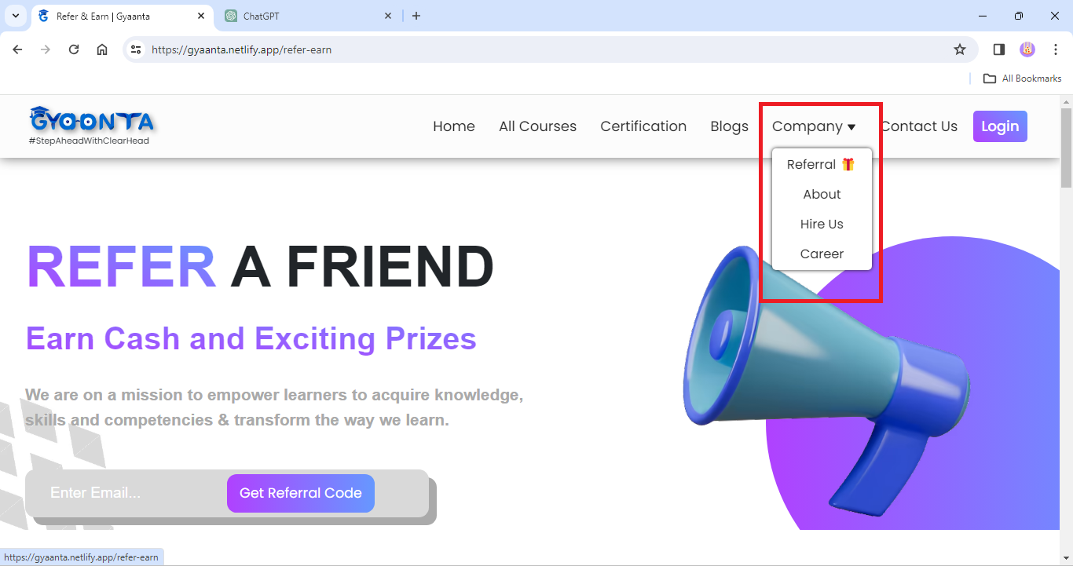
TC.no. | IssuseType | Severtiy | Frequency | Enirnoment | Action-Perfomed | Expected Result | Actual Result | Attachment
1 | Visual | Low | Every-time | All-browser | 1) https://gyaanta.netlify.app/ | The actual drop-down menu must be seen | Drop-down menu has rectangle box with border
 |  |  |  |  | 2)On hover Company

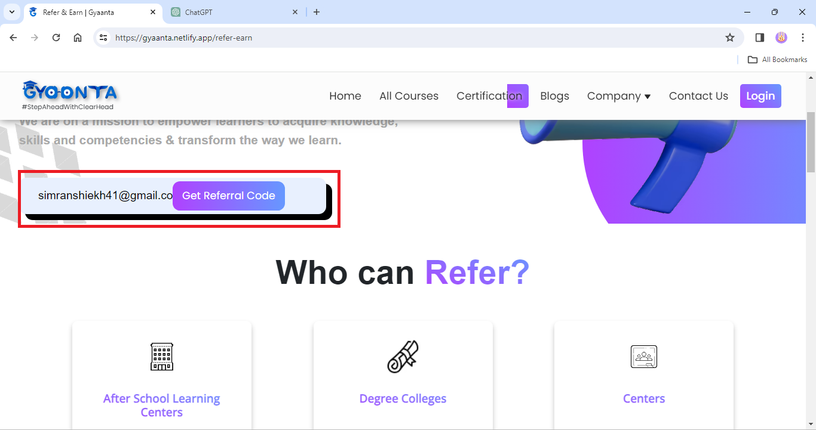
2 | Visual | High | Every-time | All-browser | 1) open https://gyaanta.netlify.app/ | The Email Entered must be completely visible | The Email Entered Is partially displayed
 |  |  |  |  | 2) click on Referral
 |  |  |  |  | 3) click on Enter Email

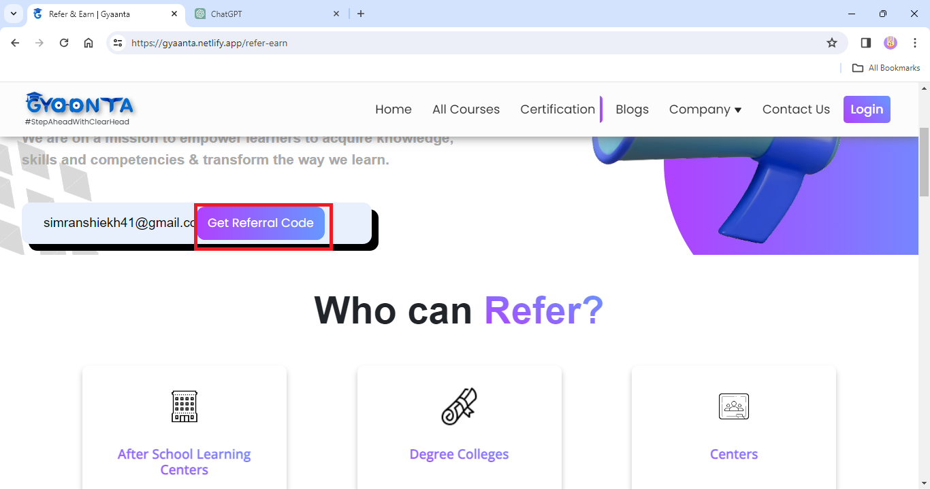
3 | Functional | High | Every-time | All Browser | 1) open https://gyaanta.netlify.app/ | The Get Referral code button should get referral code | The Get Referral code button is not working
 |  |  |  |  | 2) click on Referral
 |  |  |  |  | 3) click on Enter Email
 |  |  |  |  | 4) click on Referral code

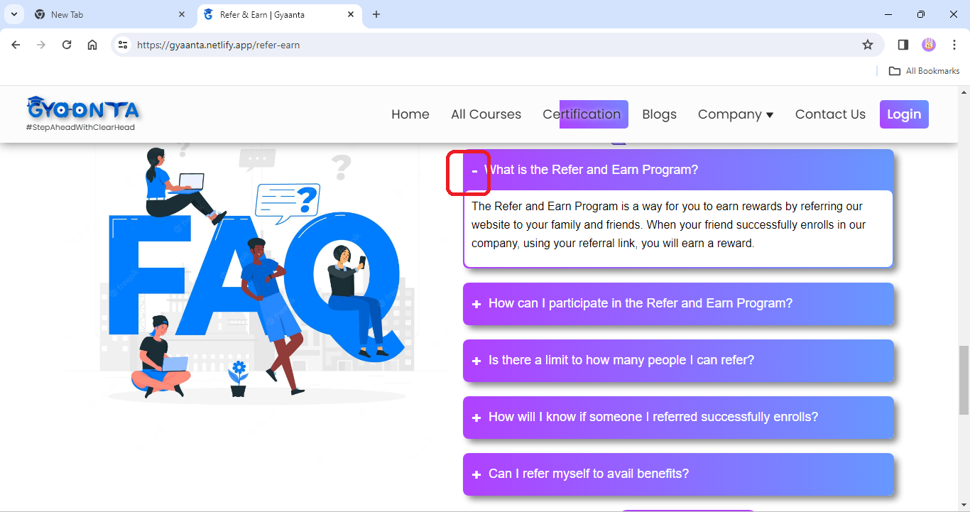
4 | Functional | Low | Every-time | All Browser | 1) open https://gyaanta.netlify.app/ | The (- ) minus sign must sink/collapse the content | The (- ) minus sign do not sink/collapse the content
 |  |  |  |  | 2) scroll down to FAQs
 |  |  |  |  | 3) click On + Expand the content

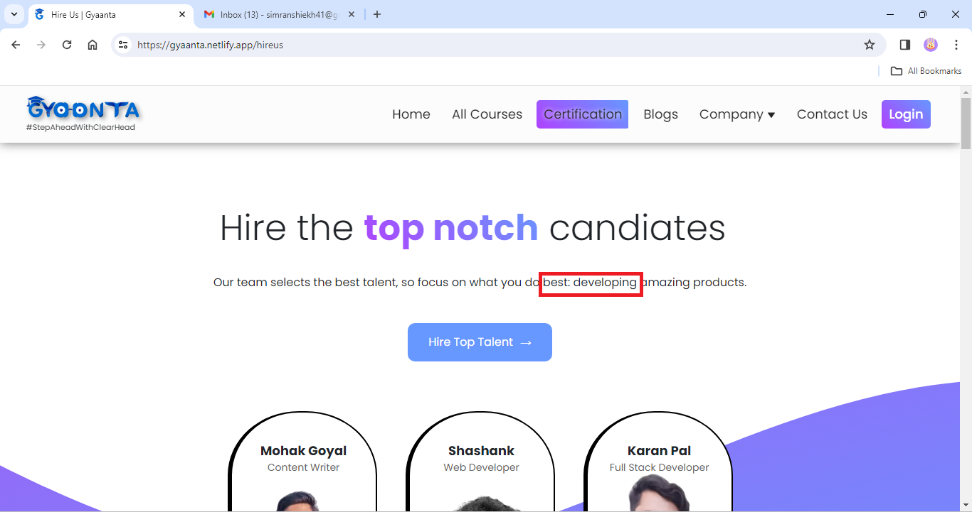
5 | Visual | Medium | Every-time | All browser | 1) open https://gyaanta.netlify.app/ | The content Text Must be Smooth on reading | The Text have Special character (:) in between
 |  |  |  |  | 2) Click on company
 |  |  |  |  | 3) Select Hire US

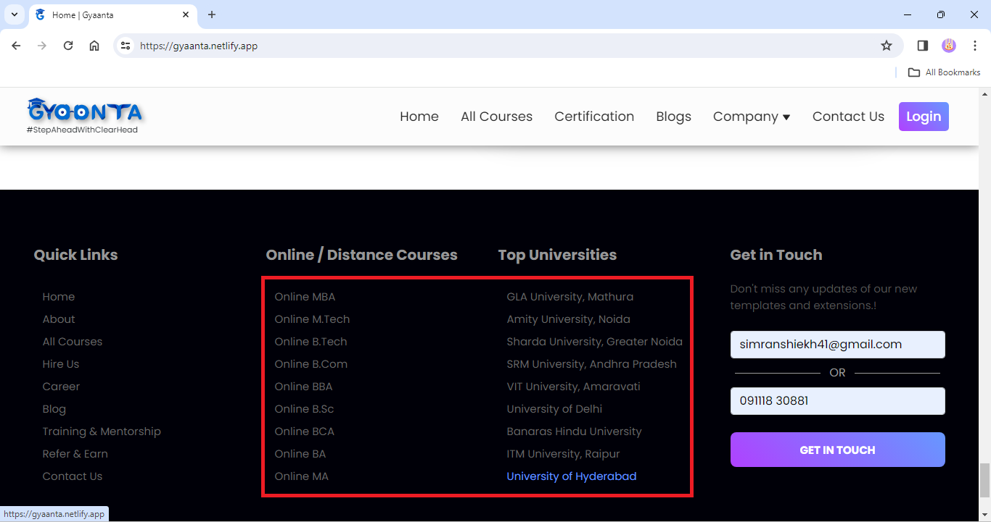
6 | Perfomance | High | Every-time | All browser | 1) open https://gyaanta.netlify.app/ | Title under footer area must be linked and open respective page/site | Title under footer area is not clickable & unlinked
 |  |  |  |  | 2) scroll Down to Footer

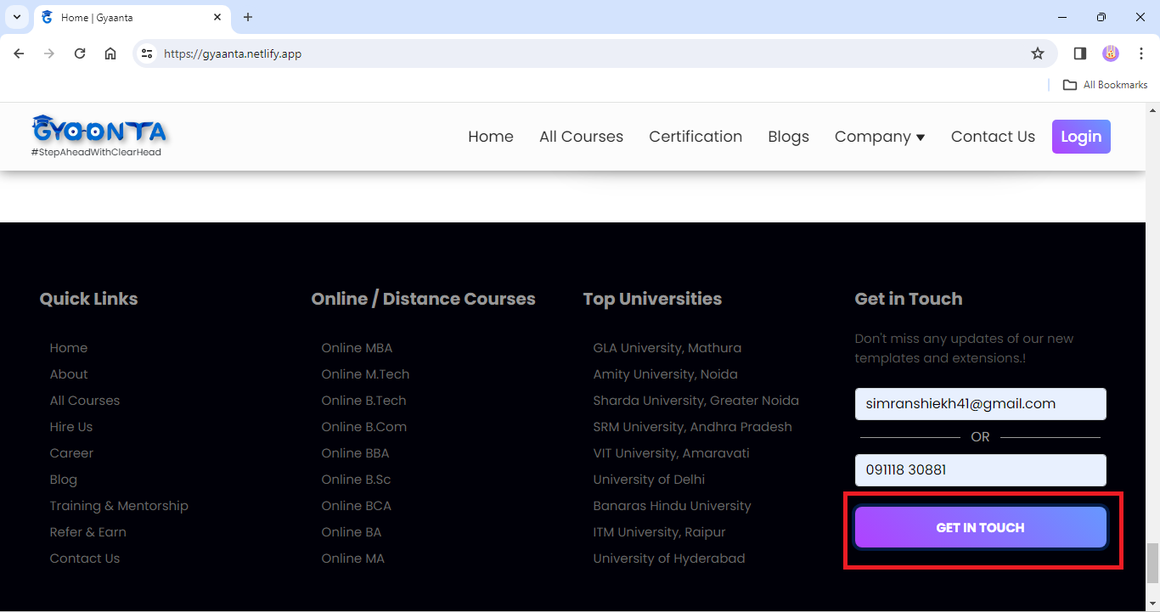
7 | Functional | High | Every-time | All-browser | 1) open https://gyaanta.netlify.app | Contact must be Placed | Get in touch button is not working
 |  |  |  |  | 2) scroll Down to Footer
 |  |  |  |  | 3)click on Get in touch

 | Created By
 | SimranShaikh

