Participants
Age = 18 | Male | 26
 | Female | 29
Age = 19 - 35 | Male | 55
 | Female | 49
Age > 35 | Male | 43
 | Female | 18

Male | 26
Female | 29
Male | 55
Female | 49
Male | 43
Female | 18

Item distribution
 | Agree | Neutral | Disagree
ETU1 | 186 | 27 | 7
ETU2 | 174 | 31 | 15
ETU3 | 200 | 17 | 3
PU1 | 58 | 71 | 91
PU2 | 110 | 52 | 58
PH1 | 48 | 68 | 103
PH2 | 71 | 57 | 92
MOO1 | 67 | 56 | 97
MOO2 | 84 | 53 | 83
MOO3 | 125 | 52 | 43
SAT1 | 58 | 59 | 103
SAT2 | 67 | 59 | 94
BI1 | 123 | 60 | 37
BI2 | 68 | 52 | 100
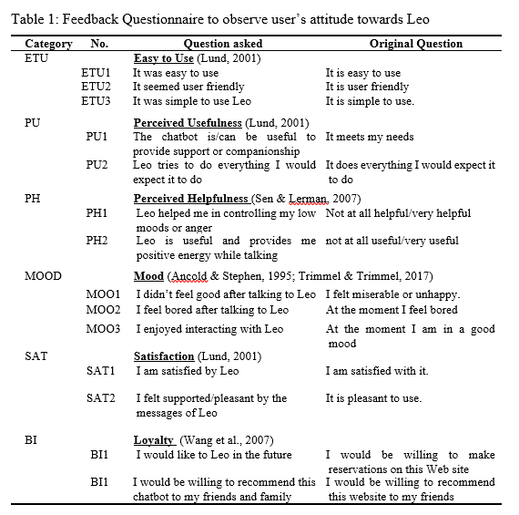
 |  | 1,2 | 3 | 4,5
 |  | Agree | Neutral | Disagree
ETU | ETU1 | 186 | 27 | 7 | 220
 | ETU2 | 174 | 31 | 15 | 220
 | ETU3 | 200 | 17 | 3 | 220
PU | PU1 | 58 | 71 | 91 | 220
 | PU2 | 110 | 52 | 58 | 220
PH | PH1 | 48 | 68 | 103 | 219
 | PH2 | 71 | 57 | 92 | 220
MOOD | MOO1 | 67 | 56 | 97 | 220
 | MOO2 | 84 | 53 | 83 | 220
 | MOO3 | 125 | 52 | 43 | 220
SAT | SAT1 | 58 | 59 | 103 | 220
 | SAT2 | 67 | 59 | 94 | 220
BI | BI1 | 123 | 60 | 37 | 220
 | BI2 | 68 | 52 | 100 | 220

