Introduction
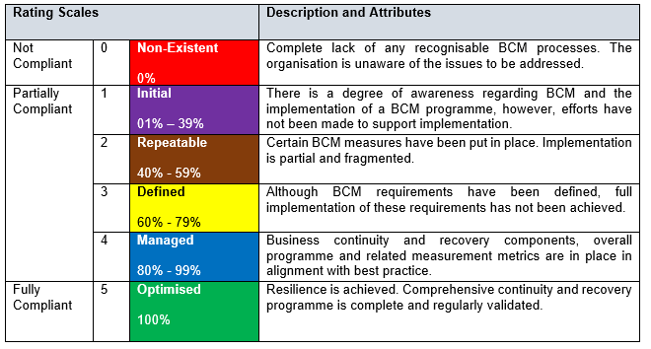
BCM MATURITY ASSESSMENT QUESTIONNAIRE
Objectives: -To formally assess the organisation’s current status of Business Continuity Management (BCM) in line with ISO 22301 requirement; -To assist the organisations in developing a roadmap that will ultimately result in sound BCM; and -To provide feedback on the observations and suggest practical recommendations to address any weaknesses identified during the assessment.
BCM Maturity Rating Scales

