Business Objectives FY2025
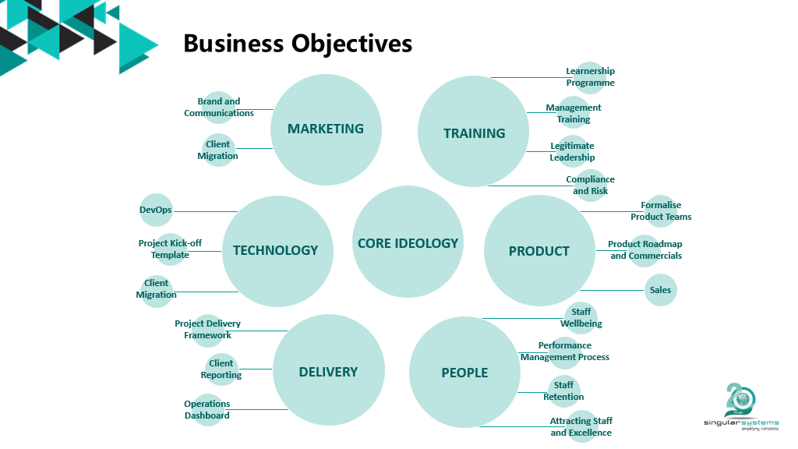

2025 - 2026
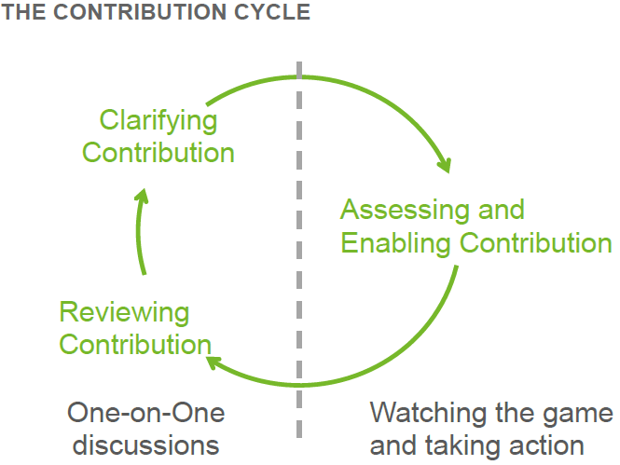
 | CONTRIBUTIONS
 | Employee Name | 0

 | List your contributions here. Each contribution is made up of a deliverable, the standard of excellence for that deliverable and the Singular business objective that the deliverable contributes towards. On completion of the deliverable, rate how you performed against the standard of excellence that was set.

 | Below standard | Performing below standard - not making the agreed contribution either because 'new' in this aspect of the role or no longer performing to standard due to lack of means / ability / accountability.
 | On standard
 | Above standard | Performing significantly above standard - excellent / exceptional contribution.
 |  |  |  |  |  | Contribution Rating
No. | Clarifying Contribution (Deliverable) | Complete summative assignment | Business Objective | Target Date | Reviewing Contribution (Comments) | Employee | Career Manager
1. | QCTO Modules | Should complete and pass the below modules: |  |  |  |  | Select rating
 |  | 251201-005-00-KM-01, Computers and Computing Systems, NQF Level 4, Credits 12 | Training | 2025-06-30
 |  | 251201-005-00-KM-02, Desktop and Professional Software to Communicate and Visualise Information, NQF Level 4, Credits 8 |  | 2025-06-30
 |  | 251201-005-00-KM-03, Automated Webscraping as a Data Source, NQF Level 4, Credits 8 |  | 2025-06-30
 |  | 251201-005-00-KM-04, Logical Thinking and Basic Calculations, NQF Level 4, Credits 2 |  | 2025-06-30
 |  | 251201-005-00-KM-05, Computing Theory, NQF Level 4, Credits 2 |  | 2025-06-30
 |  | 251201-005-00-KM-06, Software Development with HTML5, Opensource Frameworks and Libraries, NQF Level 5, Credits 16 |  | 2025-06-30
 |  | 251201-005-00-KM-07, UML as Standard Modelling Language for Software and Systems Development, NQF Level 5, Credits 4 |  | 2025-06-30
 |  | 251201-005-00-KM-08, Obtaining, Querying, Manipulating and Presenting Data with and without MVC, NQF Level 5, Credits 6 |  | 2025-06-30
 |  | 251201-005-00-KM-09, Software Development Life Cycle, Programming Languages,Algorithms and Security, NQF Level 5, Credits 3 |  | 2025-06-30
 |  | 251201-005-00-KM-10, Introduction to Software Developer Governance, Legislation and Ethics, NQF Level 4, Credits 2 |  | 2025-06-30
 |  | 251201-005-00-KM-11, 4IR and Future Skills, NQF Level 4, Credits 2 |  | 2025-06-30
 |  | 251201-005-00-KM-12, Design Thinking Principles for Innovation, NQF Level 4, Credits 1 |  | 2025-06-30
 |  | 251201-005-00-PM-01, Use Software to Communicate and Visualise Information, NQFLevel 4, Credits 3 |  | 2025-06-30
 |  | 251201-005-00-PM-02, Use and Manage Spreadsheets and Workbooks, NQF Level 4,Credits 3 |  | 2025-06-30
 |  | 251201-005-00-PM-03, Use Desktop Applications to Analyse, Visualise and report on Data,NQF Level 5, Credits 3 |  | 2025-06-30
 |  | 251201-005-00-PM-04, Use a Visual Analytics Platform and Visualisation Tools to Analyse,Visualise and report on Data, NQF Level 5, Credits 3 |  | 2025-06-30
 |  | 251201-005-00-PM-05, Query and Massage Data, NQF Level 5, Credits 3 |  | 2025-06-30
 |  | 251201-005-00-PM-06, Apply Logical Thinking and Maths, NQF Level 4, Credits 3 |  | 2025-06-30
 |  | 251201-005-00-PM-07, Apply Code to use a Software Toolkit/Platform in the Field of Study or Employment, NQF Level 5, Credits 3 |  | 2025-06-30
 |  | 251201-005-00-PM-08, Develop Software using HTML5, Opensource Frameworks and Libraries, NQF Level 5, Credits 16 |  | 2025-06-30
 |  | 251201-005-00-PM-09, Design and Build Web Applications, Desktop Graphical User Interfaces or Mobile Apps, NQF Level 5, Credits 8 |  | 2025-06-30
 |  | 251201-005-00-PM-10, Use a Cloud Automation Platform to Create Solutions, NQF Level4, Credits 8 |  | 2025-06-30
 |  | 251201-005-00-PM-12, Apply the Development Cycle when Developing Software, NQFLevel 5, Credits 16 |  | 2025-06-30
 |  | 251201-005-00-PM-13, Participate in a Design Thinking for Innovation Workshop, NQFLevel 4, Credits 4 |  | 2025-06-30
 |  | 251201-005-00-PM-14, Function Ethically and Effectively in a Team, NQF Level 4, 4 Credits |  | 2025-06-30
 |  | 251201005-WM-01, Technical Requirement Analysis and Refinement, NQF Level 5, Credits 15 |  | 2025-06-30
 |  | 251201005-WM-02, Modelling Processes, NQF Level 5, Credits 15 |  | 2025-06-30
 |  | 251201005-WM-03, Programming for Software Solution Development, NQF Level 5, Credits 25 |  | 2025-06-30
 |  | 251201005-WM-04, Capstone project, NQF Level 5, Credits 10 |  | 2025-06-30
 |  | 251201-005-00-PM-11, Develop Software using Python, NQF Level 5, Credits 12 |  | 2025-06-30
1. | Self-Service Kiosk | Should be proficient in the below in 3months |  |  |  |  | Select rating
 |  | Version Control (Git): Learn to use Git for source code management | Training | 2025-06-30
 |  | Database Design Basics: Understand relational database concepts, normalization, and how to create database tables. |  | 2025-06-30
 |  | ASP.NET Core Web API Fundamentals: Learn the basics of creating a simple RESTful API with ASP.NET Core Web API. |  | 2025-06-30
 |  | Entity Framework Core (EF Core): Use EF Core to interact with the database from the ASP.NET Web API application. |  | 2025-06-30
 |  | RESTful API Development: Design and implement RESTful API endpoints for user registration and login. |  | 2025-06-30
 |  | Data Transfer Objects (DTOs): Create DTOs to structure data for API requests and responses. |  | 2025-06-30
 |  | Input Validation: Implement basic input validation in the API to prevent invalid data from being stored. |  | 2025-06-30
 |  | React Fundamentals: Learn the basics of React, including components, JSX, and state management. |  | 2025-06-30
 |  | API Integration (React): Learn how to make API calls from a React application to the ASP.NET Web API. |  | 2025-06-30
 |  | UI Frameworks (e.g., Tailwind CSS): Use a CSS framework to style the user interface and ensure responsiveness. |  | 2025-06-30
 |  | State Management (useState, useContext): Implement state management for the React application. |  | 2025-06-30
 |  | Authentication and Authorization: Implement user authentication and authorization in the ASP.NET Web API using JWT or similar. |  | 2025-06-30
 |  | Secure Password Handling: Use bcrypt to securely hash and store user passwords. |  | 2025-06-30
 |  | Role-Based Access Control (RBAC): Implement RBAC to restrict access to administrator functions. |  | 2025-06-30
 |  | Exception Handling: Implement robust error handling in the API. |  | 2025-06-30
 |  | Unit Testing (Back-End): Write unit tests for the ASP.NET Web API controllers and services. |  | 2025-06-30
 |  | Integration Testing: Write integration tests to verify the interaction between the front-end and back-end. |  | 2025-06-30
 |  | Debugging Techniques: Learn advanced debugging techniques for both the front-end and back-end. |  | 2025-06-30

