SILVER
RAHOSO HOUSE KENYA RAILWAYS COMPLEX WORKSHOPS RD

(DMA20240819CO01) |  |  | VALUATION REPORT:

INSPECTION DATE: |  | REFERENCE: |  | INSPECTION LOCATION:
2024-08-19 |  | DMA20240819CO01 |  | KICC PARKING PARLIAMENT ROAD NAIROBI CITY
CLIENT NAME: |  |  | KRA PIN NO: |  | TELEPHONE:
CLEO OYUGI
INSURANCE CO: |  | INTERMEDIARY: |  | POLICY NO:
SURE INS CO LTD |  | Direct |  | 102/700/0125067
 |  | REG NO: | KZ AQ 500A

VEHICLE MAKE: |  | MODEL: |  | TYPE:
SUBARU |  | OUTBACK BS9 |  | Station wagon
ENGINE CAPACITY (cc): |  | COLOUR: |  | WHEEL DRIVE: | TRANSMISSION:
2490cc |  | PEARL WHITE |  | 4WD | Automatic tiptronic
CHASSIS NO: |  |  |  | ENGINE NO:
BF3W-035216 |  |  |  | FB25-Y6NDJSDJ35
TONNAGE |  | CARRYING CAPACITY: |  | YEAR OF MANUFACTURE:
***** |  | 5 SEATER |  | 2017
DATE OF REGISTRATION: |  | DOCUMENTS SEEN: |  | LOG BOOK NUMBER:
26-May-24 |  | Copy of logbook |  | 2024 059522099252
CLASS OF USE: |  | PROPELLED BY: |  | RH/LH DRIVE:
PRIVATE |  | Petrol |  | RHD
COUNTRY OF ORIGIN: |  | ODOMETER READING: |  | Odometer Note:
JAPAN |  | 464,528kM |  | Functional

ANTI-THEFT DEVICES:
Factory fitted alarm
WINDSCREEN:
FRONT: | Front Not cracked |  |  | REAR: | Rear Not cracked

WINDSCREEN VALUE: |  |  |  | Ksh50,000
(Note: This is an aproxiamate value and subject to market value variations)
AUDIO/AUDIO VISUAL SYSTEMS:
Panasonic Radio/CD/DVD/TV/Navigation
AUDIO/AUDIO VISUAL SUYSTEM VALUE: |  |  |  | Ksh40,000

(Note: This is an aproxiamate value and subject to market value variations)

SPECIAL FEATURES:
Panasonic Radio/CD/DVD/TV/Navigation, 6 SRS Airbags, Power mirrors, Power windows, Power steering, Air conditioning, Cloth seat covers, Center console with powwer output, Central locking, Steering mounted controls, In car phone, Cruise control, Electric front seats, Crystal clear headlights, Xenon headlights, Fog lights, Headlight washer nozzles, Alloy rims, Body kit, Side mirror indicator lights, Roof rails, High mounted stop light, Rear spoiler, Reverse camera

INSPECTION AND ROAD TEST WAS CARRIED OUT ON THE SUBJECT VEHICLE AND THE FOLLOWING
WAS DETERMINED

COACH WORK AND CHASSIS FRAME:
Good - No major damages noted

MECHANICAL CONDITION:
Serviceable - No major defects noted

ELECTRICAL SYSTEM:
Functional

TYRES:
Five of good tread depth

GENERAL CONDITION:
Good
DUTY PAID MARKET VALUE (KSHS)
 |  | 5,200,000 - Five million two hundred thousand only.

INSPECTED BY:
Cleophas Otieno
PRINCIPAL VALUER:

KZ AQ 500A | CLEO OYUGI | Direct | 102/700/0125067 | 2024-08-19
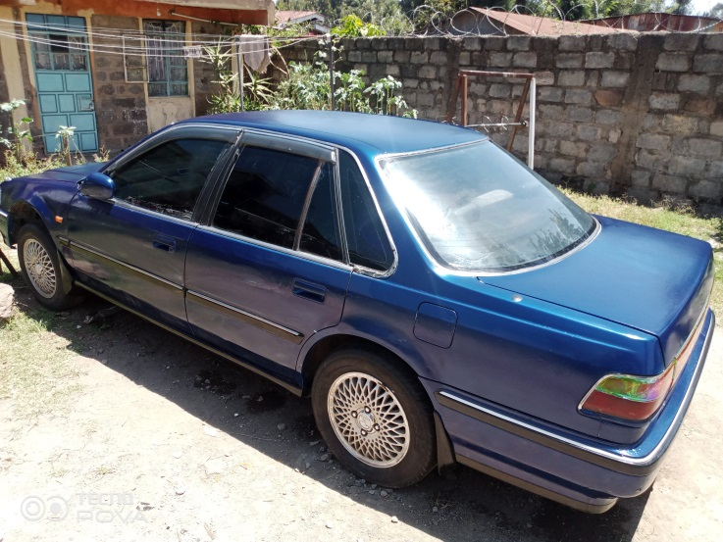




Terms and Condition
• Valuation reports will only be completed on receipt of a logbook copy or importation documents where logbook is not yet processed.
• Vehicles inspected without copies of logbooks will have to be re-inspected if the logbook is not provided within 5 working days. The re-inspection cost will be borne by the vehicle owner.
• All vehicle inspections will be performed independently. Any form of interference by the vehicle owner will be documented and where appropriate reported.
• The report reflects the estimated market value of the subject vehicle at present condition.
• Vehicles are driven, tested and handled at owners risk.
• Vehicles without valid insurance covers will not be inspected.
• The examination to which this report refers is external only and does not involve dismantling or disturbing any structure, assembly, component or internal mechanism.
• A re-inspection after repairs can be carried out at a fee.
• DIRECTIVE ASSESSORS reserves the right to decline to examine or to report on any vehicle not of standard production or one which is termed as not being roadworthy.
• DIRECTIVE ASSESSORS will not accept responsibility for claims arising as a result of latent defects or matters of opinion.
• DIRECTIVE ASSESSORS relies on relevant documentation presented at the time of inspection and will not be held liable for falsified documents. All concerned parties are advised to seek copy of records from the registrar of motor vehicles.

