Genshin Impact
# | Team (Team Main) | Members |  |  |  | Characters Roles | Replacements / Variations | Rotation
1 | Pyro (Arlecchino) | 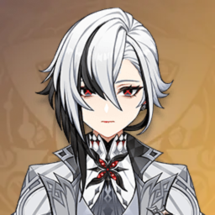 | 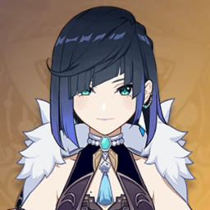 | 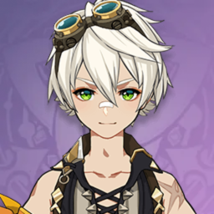 | 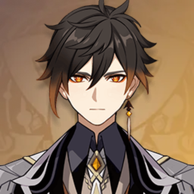 | Arlecchino - Main DPS [NA] Yelan - Vaporize Bennett - Buff + Heal + Energy Zhongli - Shield | Yelan -> Xingqiu Zhongli -> Kazuha Arlecchino -> Hu Tao / Diluc | Zhongli Skill -> Bennett Ult -> Yelan Ult -> Arlecchino Skill -> CA -> NA
2 | Hydro (Neuvillette) | 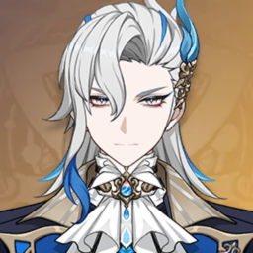 | 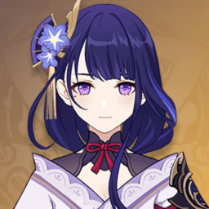 | 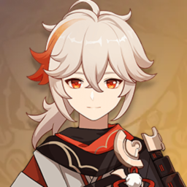 | 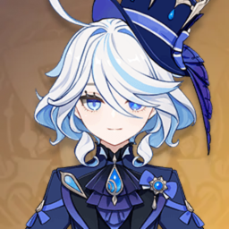 | Neuvillette - Main DPS [CA] Raiden Shogun - Electro-Charge + Energy Kazuha - Hydro Swirl Furina - Sub DMG + Buff + Heal | Raiden Shogun -> Fischl | Neuvillette 1NA -> Kazuha Skill -> Raiden Shogun Skill -> Furina Skill + Ult -> Neuvillette Skill/Ult -> CA
3 | Dendro (Nahida) |  |  | 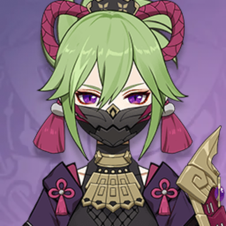 |  | Nahida - Main DPS [NA + CA + Skill + Ult] Raiden Shogun - Dendro reaction Kuki Shinobu - Dendro reaction + Heal Furina - Dendro reaction + Buff | Furina -> Xingqiu Raiden Shogun -> Yae Miko • Nahida - Nilou - Kirara - Kokomi | Nahida Ult -> Skill -> Furina Skill + Ult (optional) -> Raiden Shogun Skill -> Kuki Shinobu Skill -> Nahida NA + CA
4 | Electro (Yae Miko) | 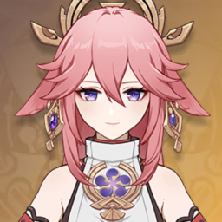 | ... | ... | ...
5 | Anemo (Lynette) | 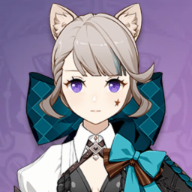 | 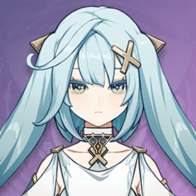 | 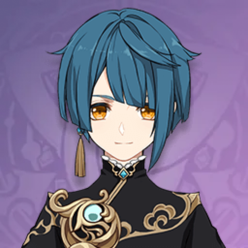 | 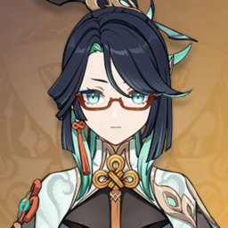 | Lynette - Main DPS [Skill + NA + Ult] Faruzan - Anemo DMG Buff & RES Shred Xingqiu - Sub DPS + Swirl Xianyun - Buff | Lynette -> Xiao | Xianyun Ult -> Xingqiu Ult -> Faruzan Ult -> Lynette Ult -> Skill + NA/Plunge
6 | Cryo (Wriothesley) | 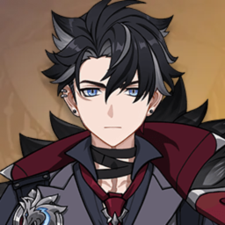 | Shenhe |  | 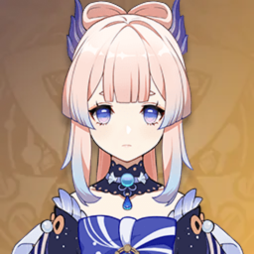 | Wriothesley - Main DPS [NA + CA] Kazuha - Cryo Swirl Kokomi - Heal + Freeze | Wriothesley -> Ayaka / Ganyu | Wriothesley 1NA -> Kazuha Skill -> Kokomi Skill -> Wriothesley Skill -> NA + CA
7 | Geo (Navia) | 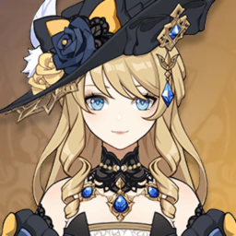 | 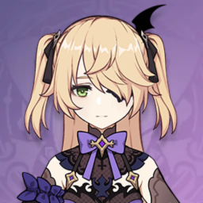 |  |  | Navia - Main DPS [Skill + NA + Ult] Fischl - Crystalize Xingqiu - Crystalize Zhongli - Shield | • Chiori - Gorou - Yun Jin - Zhongli | Zhongli Skill -> Fischl Skill -> Xingqiu Ult -> Navia Ult -> Skill + NA
8 | Physical (Eula) | 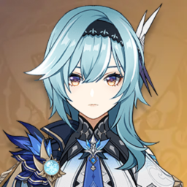 |  | 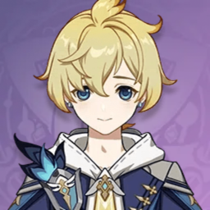 |  | Eula - Main DPS [NA + Skill + Ult] Raiden Shogun - Superconduct + Energy Mika - Physical DMG & Atk SPD Buff Zhongli - Shield + Phys RES decrease |  | Zhongli Skill -> Raiden Shogun Skill -> Mika Skill -> Eula NA + Skill + Ult

Honkai Star Rail
# | Team (Team Main) | Members |  |  |  | Characters Roles | Replacements / Variations
1 | Physical (Clara) | 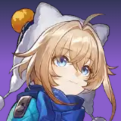 | 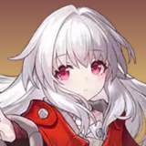 | 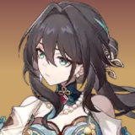 | 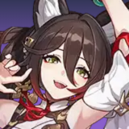 | Lynx - Heal + Aggro Clara - Main DPS [FUA + Skill] Ruan Mei - DMG & RES PEN Buff Tingyun - ER + Atk Buff | Ruan Mei -> Sparkle
2 | Fire (...) | ... | Firefly | ... | ...
3 | Ice (Jingliu) | 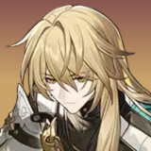 | 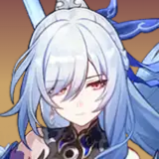 | 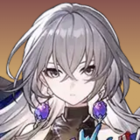 |  | Luocha - Heal Jingliu - Main DPS [Skill + Ult] Bronya - DMG & Crit Buff Ruan Mei - DMG & RES PEN Buff | Loucha -> Fu Xuan / Huohuo Ruan Mei -> Tingyun Bronya -> Sparkle
4 | Lightning (Acheron) | 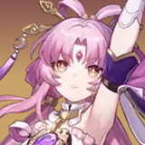 | 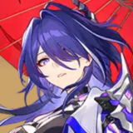 | 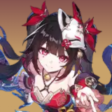 | 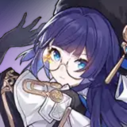 | Fu Xuan - Tank + Crit Buff + Debuff Acheron - Main DPS [Skill + Ult] Sparkle - DMG & Crit Buff Pela - Debuff | Fu Xuan -> Gepard Pela -> Silver Wolf
5 | Wind (Blade) |  | 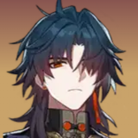 |  |  | Luocha - Heal Blade - Main DPS [Basic + Ult] Bronya - DMG & Crit Buff Ruan Mei - DMG & RES PEN Buff
6 | Quantum (Seele) |  | 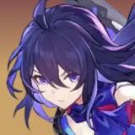 |  | 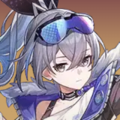 | Fu Xuan - Tank + Crit Buff Seele - Main DPS [Skill + Ult] Bronya - DMG & Crit Buff Silver Wolf - Debuff | Seele -> Xueyi Silver Wolf -> Ruan Mei Bronya -> Sparkle
7 | Imaginary (Dang Heng • IL) |  | 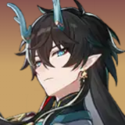 |  | 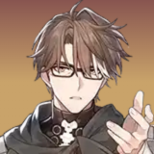 | Luocha - Heal Dang Heng • IL - Main DPS [Basic] Sparkle - DMG & Crit Buff + SP Recovery Welt - Break + Debuff | Welt -> Hanya • Luocha - Dr. Ratio - Silver Wolf - Ruan Mei

8 | DoT (Kafka) | 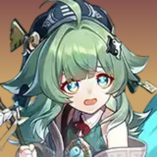 | 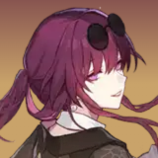 | 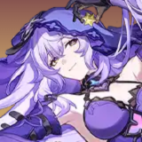 |  | Huohuo - Heal Kafka - Main DPS [Skill + Ult] + DoT Ignition Black Swan - DoT + Debuff Ruan Mei - DMG & RES PEN Buff | Ruan Mei -> Tingyun / Silver Wolf
9 | Follow-up (Ratio + Topaz) |  | 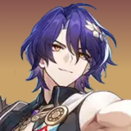 | Topaz |  | Luocha - Heal Dr. Ratio - Main [Skill + FUA] Topaz - Main [Skill + FUA] Ruan Mei - DMG & RES PEN Buff

