Sheet1
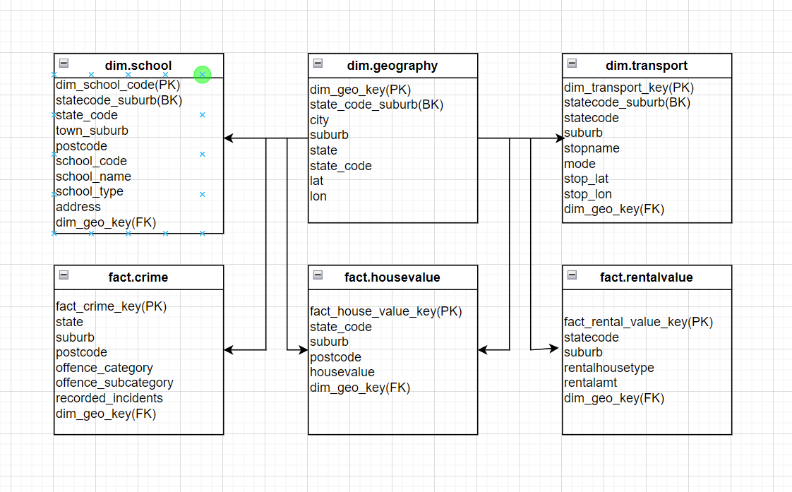
Snowflake schema model:

 | geography | school | transport
House value | X
Crime | X
Rental value | X

