Register
Test Case ID | Test Scenario | Test Case Title | Pre-requisites | Test Steps | Test Data | Expected Result | Actual Result | Test Result | Screenshot | Bug ID
TC_01 | TS_01 (Register Functionality) | Check Whether all the mandatory fields are red marked or not | 1. Open the application (https://demo.opencart.com) in any Browser. | 1. Click on "My Account" from the drop-down menu. 2. Click on "Register" option. 3. Check the mandatory fields ( First name, Last name, E-mail, Telephone, Password, Password confirm and privacy policy ) are red star marked or not. | Not applicable | Each of those mandatory fields are assigned with Red star mark. | Each of those mandatory fields are assigned with Red star mark. | PASS | 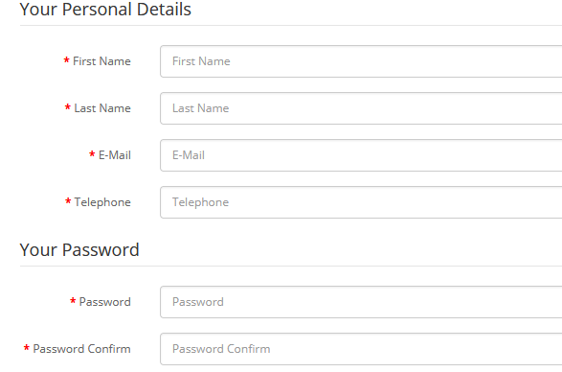 | No Bug
TC_02 | TS_01 (Register Functionality) | Check that the text fields are properly editable and radio button is switching perfectly or not | 1. Open the application (https://demo.opencart.com) in any Browser. | 1. Click on "My Account" from the drop-down menu. 2. Click on "Register" option. 3. Check the and click the text dields and try to edit them. 4. Check the radio buttons by clicking them. | Not applicable | 1. Text fields are easily editable. 2. Radio button shifts between Yes and No | 1. Text fields are easily editable. 2. Radio button shifts between Yes and No | PASS | 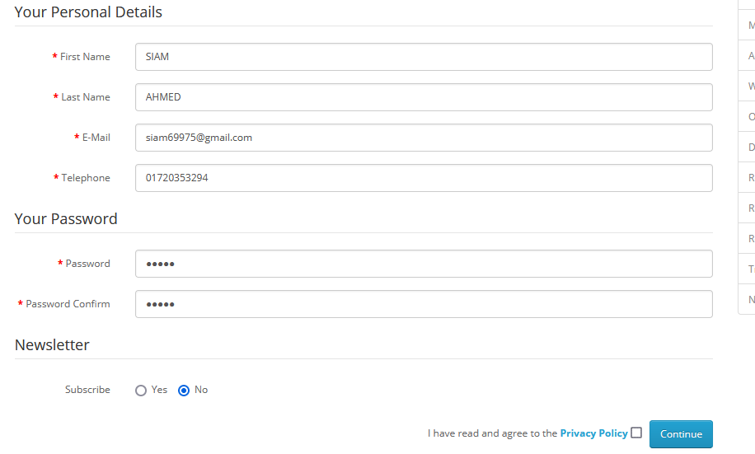 | No Bug
TC_03 | TS_01 (Register Functionality) | Validate Registering and account by providing only the Mandatory fields. | 1. Open the application (https://demo.opencart.com) in any Browser. | 1. Click on "My Account" from the drop-down menu. 2. Click on "Register" option. 3. Enter new account details into the only mandatory fields( First name, Last name, E-mail, Telephone, Password, Password confirm and privacy policy ) . 4. Click on continue button. 5. Click on continue button that is displayed in the "Account success" Page. | Not applicable | 1. User should be logged in , taken to "Account success" page and proper details should be displayed on the page. 2. User should be taken to "Account" page and a confirm email should be sent to registered email address. | 1. User should be logged in , taken to "Account success" page and proper details should be displayed on the page. 2. User should be taken to "Account" page and a confirm email should be sent to registered email address. | PASS |  | No Bug
TC_04 | TS_01 (Register Functionality) | Validate "Thank you for registering" email is sent to the registered email address as a confirmation for registering the account. | 1. Open the application (https://demo.opencart.com) in any Browser. | 1. Click on "My Account" from the drop-down menu. 2. Click on "Register" option. 3. Enter new account details into the only mandatory fields( First name, Last name, E-mail, Telephone, Password, Password confirm and privacy policy ) . 4. Click on continue button. 5. check the email. 6. Click the login page link from the email body. | Not applicable | 1.An email should have been sent to the registered email address. | No email has been sent. As it is demo application so this module is built properly. | Fail |  | Bug_01
TC_05 | TS_01 (Register Functionality) | Validate proper notifications messages are displayed for the mandatory fields, when you do not provide any data on the mandatory fields and submit. | 1. Open the application (https://demo.opencart.com) in any Browser. | 1. Click on "My Account" from the drop-down menu. 2. Click on "Register" option. 3. Do not enter anything to those fields. 4. click continue button. | Not applicable | 1. Below warning messages should be shown like this beside those fields: First Name must be between 1 and 32 characters! Last Name must be between 1 and 32 characters! E-Mail Address does not appear to be valid! Telephone must be between 3 and 32 characters! Password must be between 4 and 20 characters! Warning: You must agree to the Privacy Policy! | First Name must be between 1 and 32 characters! Last Name must be between 1 and 32 characters! E-Mail Address does not appear to be valid! Telephone must be between 3 and 32 characters! Password must be between 4 and 20 characters! Warning: You must agree to the Privacy Policy! | PASS | 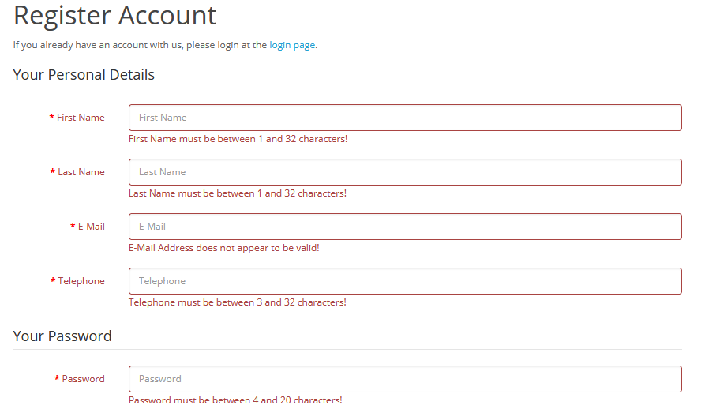 | No Bug
TC_06 | TS_01 (Register Functionality) | Validate Registering and account by entering entering different passwords into "password" and "password confirmation" fields. | 1. Open the application (https://demo.opencart.com) in any Browser. | 1. Click on "My Account" from the drop-down menu. 2. Click on "Register" option. 3. Enter new account details into the fields( First name, Last name, E-mail, Telephone, Password, Password confirm and privacy policy ) . 4. Enter any password such 55555 into the password field. 5. Enter different password say 12345 in password confirmation field. 6. Click on continue button. | 1. First enter 55555 2. Then 12345 in password confirmation | Account should not be created Instead a warning message - "Password confimration does not match password!" should be displayed under Password confirmation field. | Password confimration does not match password!" | PASS |  | No Bug
TC_07 | TS_01 (Register Functionality) | Validate different ways of navigating to "Register Account" Page. | 1. Open the application (https://demo.opencart.com) in any Browser. | 1. Click on "My Account" from the drop-down menu. 2. Click on "Register" option. 3. Click on "My Account" drop menu. 4. Click on "Login" option. 5. Click on Continue button inside "New customer " box. 6. Repeat steps 3 and 4. 7. Click on Register option from the right column options. | Not applicable | User should be taken to Register account Page | User is taken to Register account Page | PASS |  | No Bug
TC_08 | TS_01 (Register Functionality) | Validate Registering an Account when "No" option is selected for Newsletter field. | 1. Open the application (https://demo.opencart.com) in any Browser. | 1. Click on "My Account" from the drop-down menu. 2. Click on "Register" option. 3. Enter new account details into the fields( First name, Last name, E-mail, Telephone, Password, Password confirm and privacy policy ) . 4. Click on No radio button. 5. click on continue button. 6. Click on Continue button from the account success page. 7. Click on "subscribe/ Unsubscribe to newsletter option. | Not applicable | 1. User should be logged in , taken to "Account success" page and proper details should be displayed on the page. 2. No option should be displayed as selected by default In the Newsletter page. | 1. User is taken to Register account Page 2. No option is displayed as selected by default In the Newsletter page. | PASS |  | No Bug
TC_09 | TS_01 (Register Functionality) | Validate Registering an Account by providing the existing account details (ex: existing email address). | 1. Open the application (https://demo.opencart.com) in any Browser. | 1. Click on "My Account" from the drop-down menu. 2. Click on "Register" option. 3. Enter existing account details into the fields( First name, Last name, E-mail, Telephone, Password, Password confirm and privacy policy ) . 4. Click on Continue button. | First name - Md. Muhaiminul Last name- Islam email- muhaiminul15-8473@diu.edu.bd Telephone - 01644769093 password- siam password confirm- siam | 1. Account should not be created again by saying " Warning ! Email address is already registered!" | Account is not created by saying " Warning ! Email address is already registered!" | PASS |  | No Bug
TC_10 | TS_01 (Register Functionality) | Validate Registering an account by providing invalid email address into the e-mail field. | 1. Open the application (https://demo.opencart.com) in any Browser. | 1. Click on "My Account" from the drop-down menu. 2. Click on "Register" option. 3. Enter new account details into the fields( First name, Last name, E-mail, Telephone, Password, Password confirm and privacy policy ) . 4. Enter invalid email address. 5. click on continue button. | 1. siam 2. siam1234 3. siamdf@ 4. siam@gmail 5. siam@gmail.com | 1. Account should not be created instead of warning message or page level warning message to provide valid email address should be displayed. | page level warning message to provide valid email address | PASS |  | No Bug
TC_11 | TS_01 (Register Functionality) | Validate Registering an account by providing an invalid phone number | 1. Open the application (https://demo.opencart.com) in any Browser. | 1. Click on "My Account" from the drop-down menu. 2. Click on "Register" option. 3. Enter new account details into the fields( First name, Last name, E-mail, Telephone, Password, Password confirm and privacy policy ) . 4. Enter invalid phone number. 5. click on continue button. | 1. 123432 2. 122 3. ab12345 4. asbjhediofdcdmlkdjf 5. xyz01644765678 6. 017214-2543 7. 0171@19&185 | 1. Account should not be created instead of warning message should be displayed. | Warning message is not displayed and let user to create the account. | Fail |  | Bug_02
TC_12 | TS_01 (Register Functionality) | Validate Registering an account by using the keyboard keys | 1. Open the application (https://demo.opencart.com) in any Browser. | 1. Click on "My Account" from the drop-down menu. 2. Click on "Register" option. 3. Enter new account details into the fields( First name, Last name, E-mail, Telephone, Password, Password confirm and privacy policy ) but using keys( Tab, spacebar, and Enter). 4. click on continue button | Not applicable | 1. Account should not be created instead of properwarning message should be displayed. | Account is not created instead of properwarning message should be displayed. | PASS |  | No Bug
TC_13 | TS_01 (Register Functionality) | Check whether all text fields have proper placeholdes or not. | 1. Open the application (https://demo.opencart.com) in any Browser. | 1. Click on "My Account" from the drop-down menu. 2. Click on "Register" option. 3. Checkout all the fields having proper placeholders or not. | Not applicable | 1. All the proper placeholders are provided correctly | All the proper placeholders are provided correctly | PASS |  | No Bug
TC_14 | TS_01 (Register Functionality) | Validate the details that are provided while Registering an Accoount are stored in database. | 1. Open the application (https://demo.opencart.com) in any Browser. | 1. Click on "My Account" from the drop-down menu. 2. Click on "Register" option. 3. Enter new account details into the fields( First name, Last name, E-mail, Telephone, Password, Password confirm and privacy policy ) . 4. Click on Continue button. | Not applicable | 1. All the details provided in to those fields are successfully stored in the database. | successfully stored in the database. | PASS |  | No Bug
TC_15 | TS_01 (Register Functionality) | Validate whether the mandatory fields in the register account page are NOT accepting only spaces. | 1. Open the application (https://demo.opencart.com) in any Browser. | 1. Click on "My Account" from the drop-down menu. 2. Click on "Register" option. 3. Enter spaces into the fields( First name, Last name, E-mail, Telephone, Password, Password confirm and privacy policy ) 4. Click on Continue button. | Not applicable | 1. Warning message should be displayed for these fields | Warning message isdisplayed for these fields | PASS |  | No Bug
TC_16 | TS_01 (Register Functionality) | Check whether the password fields are following Password complexity standards(Such as it should suggest for complex password each time) | 1. Open the application (https://demo.opencart.com) in any Browser. | 1. Click on "My Account" from the drop-down menu. 2. Click on "Register" option. 3. Enter new account details into the fields( First name, Last name, E-mail, Telephone and privacy policy ) . 4. Enter simple passwords (Not standard passwords for ex: Size of passwords should ne 8, Passwords should contain atleast one Number , symbol, lower case letter and uppercase letters). 5. Click continue button. | 1. abcde 2. 12345 3. Aeio2 4. 123456789 5. siam | 1. Password suggestion should be displayed | No suggestion is showed. Instead the page let the user to create the account with simple password. | Fail |  | No Bug
TC_17 | TS_01 (Register Functionality) | Check For the designs and functionalities met with the project requirements or not. All of the components of this page are properly designed or not. | 1. Open the application (https://demo.opencart.com) in any Browser. | 1. Click on "My Account" from the drop-down menu. 2. Click on "Register" option. 3. Check each of the elements whether thy are properly designed or not according to the requirements. | Not applicable | 1. All the of the components are properly designed. | All the of the components are properly designed. | PASS |  | No Bug
TC_18 | TS_01 (Register Functionality) | Validate the register account without privacy policy is selected | 1. Open the application (https://demo.opencart.com) in any Browser. | 1. Click on "My Account" from the drop-down menu. 2. Click on "Register" option. 3. Enter new account details into the fields( First name, Last name, E-mail, Telephone, Password, Password confirm ) . 4. Dont select privacy policy | Not applicable | 1. Warning ! You must agree to the privacy policy | Warning ! You must agree to the privacy policy | PASS |  | No Bug
TC_19 | TS_01 (Register Functionality) | Validate Registering the account by filling password fields and not filling Password confirm field | 1. Open the application (https://demo.opencart.com) in any Browser. | 1. Click on "My Account" from the drop-down menu. 2. Click on "Register" option. 3. Enter new account details into the fields( First name, Last name, E-mail, Telephone, Password, privacy policy ) . 4. Dont fill password confirm field | Not applicable | Account should not be created Instead a warning message - "Password confimration does not match password!" should be displayed under Password confirmation field. | Account is not created Instead a warning message - "Password confimration does not match password!" displayed under Password confirmation field. | PASS |  | No Bug

Add to cart
Test Case ID | Test Scenario | Test Case Title | Pre-requisites | Test Steps | Test Data | Expected Result | Actual Result | Test Result | Screenshot | Bug ID
TC_19 | TS_02 (Add to cart Functionality) | Validate whether user can Add products to cart when he is not logged in. | 1. Open the application (https://demo.opencart.com) in any Browser. | 1. Click on "My Account" from the drop-down menu. 2. If there is Logout option then click it. 3. After logging out try to add any product to cart from the front page "Featured" section. 4. Click add to cart from products body. 5. Click on the cart button and check whether product is added or not. | Not applicable | 1. Product can be seen in the cart option | Product is present in the cart | PASS |  | No Bug
TC_20 | TS_02 (Add to cart Functionality) | Validate whether user can Add products to cart when he is logged in. | 1. Open the application (https://demo.opencart.com) in any Browser. | 1. Click on "My Account" from the drop-down menu. 2. If there is Logout option then no need to click it. 3. If there is Login option then you must log in with proper account details. 4. After logging in try to add any product to cart from the front page "Featured" section. 5. Click add to cart from products body. 6. Click on the cart button and check whether product is added or not. | Not applicable | 1. Product can be seen in the cart option | Product is present in the cart | PASS |  | No Bug
TC_21 | TS_02 (Add to cart Functionality) | Validate whether user can Add product to cart from the wishlist. | 1. Open the application (https://demo.opencart.com) in any Browser. 2. You must be logged in to your account to visit wishlist | 1. Try to add any product to cart from the front page "Featured" section. 2. Click add to wish list button from products body. 3. Click on the Wish List option Present in the upper right corner. 4. If the product is present in the wish list then simply click add to cart button. 5. Click on the cart button and check whether product is added or not. | Not applicable | 1. Product can be seen in the cart option | Product is present in the cart | PASS |  | No Bug
TC_22 | TS_02 (Add to cart Functionality) | Check whether user can add products to cart by navigating through different product category pages. | 1. Open the application (https://demo.opencart.com) in any Browser. | 1. Click on different Product categories present in the Blue menu bar. 2. User should be taken to that specific product category page. 3. Try to add to cart by clicking on "ADD TO CART" button present in the products body. 4. Click on the Cart button . 5. Check product is added or not. | Not applicable | 1. Product can be seen in the cart option | Product is present in the cart | PASS |  | No Bug
TC_23 | TS_02 (Add to cart Functionality) | Check whether user can add products to cart by navigating through different product category pages present in the left sub menu of a product category page. | 1. Open the application (https://demo.opencart.com) in any Browser. 2. You must go in a product category page (ex: Desktop-> Mac) | 1. Click on different Product categories present in the left menu bar in the product category page. 2. It should take user to that specific category page. 3. Try to add the product by clicking on "ADD TO CART" button present in the products body. 4. Click on the Cart button . 5. Check product is added or not. | Not applicable | 1. Product can be seen in the cart option | Product is present in the cart | PASS |  | No Bug
TC_24 | TS_02 (Add to cart Functionality) | Validate whether products can be added to cart from the product comparison page | 1. Open the application (https://demo.opencart.com) in any Browser. | 1. From the front page featured section select any product. 2. Click compare this product from products body. 3. click to product comparison from the message Success: You have added iPhone to your product comparison! 4. User should be taken to the product comparison page. 5. Click Add to cart button from product comparison page. 6. Click on the cart button and check whether that product is added or not. | Not applicable | 1. Product can be seen in the cart option | Product is present in the cart | PASS |  | No Bug
TC_25 | TS_02 (Add to cart Functionality) | Validate whether products can be added to cart from the product display page | 1. Open the application (https://demo.opencart.com) in any Browser. | 1. From the front page featured section select any product. 2. Click on the Image of the product from products body. 3. It will take user to product display page. 4. Simply fill the necessary information and click Add to cart button. 5. Check product has been added or not. | Not applicable | 1. Product can be seen in the cart option | Product is present in the cart | PASS | 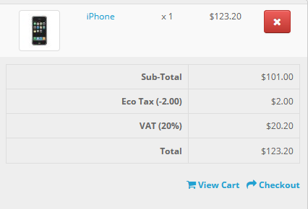 | No Bug
TC_26 | TS_02 (Add to cart Functionality) | Validate whether product can be added to cart by filling out all mandatory fields from product display page. | 1. Open the application (https://demo.opencart.com) in any Browser. | 1. From the front page featured section select any product. 2. Click on the Image of the product from products body. 3. It will take user to product display page. 4. Simply fill the necessary information and click Add to cart button. 5. Check product has been added or not. | Not applicable | 1. Product can be seen in the cart option | Product is present in the cart | PASS |  | No Bug
TC_27 | TS_02 (Add to cart Functionality) | Validate whether product can be added to cart by leaving out all mandatory fields from product display page. | 1. Open the application (https://demo.opencart.com) in any Browser. | 1. From the front page featured section select any product. 2. Click on the Image of the product from products body. 3. It will take user to product display page. 4. Leave out all mandatory fields ( information and )click Add to cart button. 5. Check product has been added or not. | Not applicable | 1. Warning message should be displayed beside those mandatory fields of product display page for filling up those fields. 2. Product can not be seen in the cart | 1. Warning message displayed beside those mandatory fields of product display page for filling up those fields. 2. Product could not be seen in the cart | PASS | 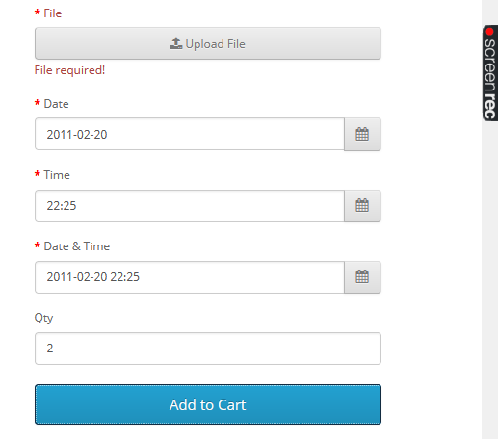 | No Bug
TC_28 | TS_02 (Add to cart Functionality) | Validate whether product can be added to cart by leaving out few mandatory fields from product display page. | 1. Open the application (https://demo.opencart.com) in any Browser. | 1. From the front page featured section select any product. 2. Click on the Image of the product from products body. 3. It will take user to product display page. 4. Leave out few of those mandatory fields ( information and )click Add to cart button. 5. Check product has been added or not. | Not applicable | 1. Warning message should be displayed beside those mandatory fields of product display page for filling up those fields. 2. Product can not be seen in the cart | 1. Warning message displayed beside those mandatory fields of product display page for filling up those fields. 2. Product could not be seen in the cart | PASS | 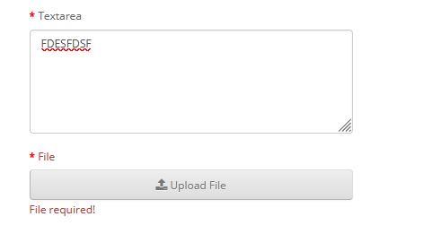 | No Bug
TC_29 | TS_02 (Add to cart Functionality) | Validate whether all of the "ADD TO CART" button present in this application is clickable or not. | 1. Open the application (https://demo.opencart.com) in any Browser. | 1. Visit each of the product ordering page and click add to cart 2. Check whether button is working or not. | Not applicable | 1. Button is perfectly clickable | Button is perfectly clickable | PASS |  | No Bug
TC_30 | TS_02 (Add to cart Functionality) | Validate whether all of the "ADD TO CART" button present in this application is properly designed according to project requirements or not. | 1. Open the application (https://demo.opencart.com) in any Browser. | 1. Visit each of the product ordering page 2. Check whether button is properly designed according to project requirements( ex: Check fonts, check color, check size, check alignment) or not. | Not applicable | 1. Design met according to project requirement | Design met according to project requirement | PASS |  | No Bug

