Test Cases
Product Name |  | Rokomari app | TC Start Date | 13/8/2021 | TC Execution Start Date | 15/08/2021 | TEST CASE SUMMARY
Module Name |  | Sign in | TC End Date | 14/4/2021 | TC Execution End Date | 15/08/2021 | PASS | 13
 |  |  | Test Case Developed By | Md. Muhaiminul Islam | Operating system | Android | FAIL | 1
Developer Name (TL) |  | x | Test Case Reviewed By | X | Performance (tested) | No | WARNING | 2
Test Executed by |  | Md. Muhaiminul Islam |  |  |  |  | TOTAL | 16
Test Case ID/Name | Test Case Description | Test Data | Step Description | Expected Result | Actual | Status | Remarks | Comment
TC001 | Check Email and password "Textfield" are properly working/editable or not. | 1. Enter any data from keyboard by tapping randomly. | Go to Rokomari app -> A Login page should appear-> Click on the E-mail and password field -> Tap random keys from keyboard to check its working or not | Textfields are properly editable | Textfields are properly editable | PASS |  | Everything is working perfecttly
TC002 | Check whether the placeholders are properly set or not. | Not Applicable | Go to Rokomari app -> A Login page should appear->Check in the mail field it should be written "Enter your mail" -> Check in the password section it should be written " Password" | All placeholders are visible on those fields | All placeholders are visible on those fields | PASS | 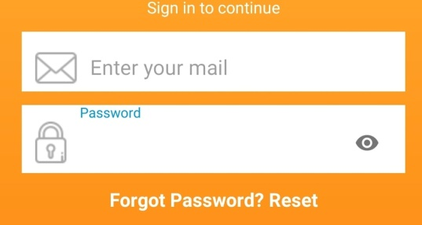 | Everything is working perfecttly
TC003 | Check whether Email field is giving warning while providing invalid email addresses before clicking "Sign in" button. | 1. ABC 2. siamgmail.com 3. 37216434374 4. _)(^&%><:""?// | Go to Rokomari app -> A Login page should appear-> Click on the E-mail field-> Check whether it is giving warning for providing invalid email address or not | 1. E-mail address can not have Capital letters. 2. @ is missing in email 3. Only number can not be an ideal email 4. an email can not only contain special characters. | No warning message is showed. | WARNING | 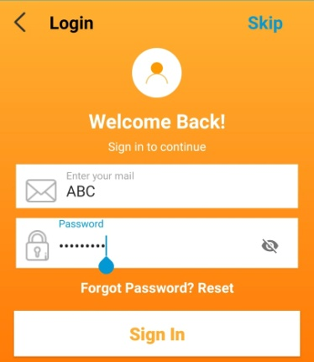 | Though the system do not takes invalid emails but the warning should be provided when the User finished typing.
TC004 | Check whether Password field meets the standard password criteria or not. | 1. 12 2. abcd 3. sdbsbddbhdahsdd 4. @$%^ 5. Acd99 | Go to Rokomari app -> A Login page should appear-> Click on the password field-> Provide insecure passwords to check whether is gives security warning or not. | 1. Password at least should contain a capital letter , a number and at least 8 character. 2. Should be at least 8 character and there should be a capital letter 3. There should be a capital letter and and numbers 4. Should be at least 8 character and there should be a capital letter 8. Should be at least 8 character | No warning message is showed. | FAIL |  | The User should get a warning while typing password.
TC005 | Check the visibility of the password field by pressing the "Eye" icon | Not Applicable | Go to Rokomari app -> A Login page should appear-> Click on the password field-> Type a password -> Click on the eye button to check the password is visible or not -> Click again to check whether password is hidden or not | 1. Firstly visible ( 1st click) 2. Password hidden (2nd click) | 1. Firstly visible ( 1st click) 2. Password hidden (2nd click) | PASS |  | Everything is working perfecttly
TC006 | Check whether "Privacy policy" can be seen or not by clicking privacy policy text | Not Applicable | Go to Rokomari app -> A Login page should appear-> Click on the privacy policy -> Check whether privacy policy is visible or not | 1. Privacy Texts appeared | 1. Privacy Texts appeared | PASS |  | Everything is working perfecttly
TC007 | Check whether "Terms and condition" can be seen or not by clicking Terms and condition text | Not Applicable | Go to Rokomari app -> A Login page should appear-> Click on the Terms and condition -> Check whether Terms and condition is visible or not | 1. Terms and conditions appeared | 1. Terms and condition appeared | PASS |  | Everything is working perfecttly
TC008 | Check whether Email and Password icon is attached with the Textfields or not. | Not Applicable | Go to Rokomari app -> A Login page should appear-> Check whether Email and Password icon is attached with the Textfields or not. | 1. Two icons are properly attached | 1. Two icons are properly attached | PASS |  | Everything is working perfecttly
TC009 | Validate if User provides an e-mail address which valid but does not exist, then whether it is accepting the Sign in or not. | 1. siam@gmail.com 2. siam2@gmail.com 3. muhaiminul12@gmail.com | Go to Rokomari app -> A Login page should appear-> Provide a valid email which does not exists -> provide a valid password -> Check whether the system is accepting the email or not | 1. Email address does not exist. Please provide an active email | 1. Wrong email/phone #siam@gmail.com | WARNING |  | The message showed is not appropriate by language. Error handling should have done more accurately like giving message " Please provide an correct email which you use"
TC010 | Validate whether User can Sign in to account by providing all correct information | Mail : siam3425@gmail.com password : SiamsoftBD | Go to Rokomari app -> A Login page should appear-> Check whether Email and Password icon is attached with the Textfields or not. | 1. An Pop should appear Saying Login successful. 2. A Blank page with rokomari logo should be appear and there should be button to for the Home page | 1. An Pop appeared Saying Login successful. 2. A Blank page with rokomari logo should appeared and there is a button to for the Home page | PASS |  | Everything is working perfecttly
TC011 | Validate whether "Google" Button is properly working or not | Not Applicable | Go to Rokomari app -> A Login page should appear-> Check whether Google button is working or not by clicking on it. | 1. It should work and redirect to chose email address accordingly from the suggesting emails | 1. It worked and redirected to the page where User has to choose email address accordingly from the suggesting emails | PASS |  | Everything is working perfecttly
TC012 | Validate whether "Facebook" Button is properly working or not | Not Applicable | Go to Rokomari app -> A Login page should appear-> Check whether Facebook button is working or not by clicking on it. | 1. It should work and redirect to choose Facebook account page from where User has to chose one | 1. It worked and redirect to choose Facebook account page from where User has to chose one | PASS | 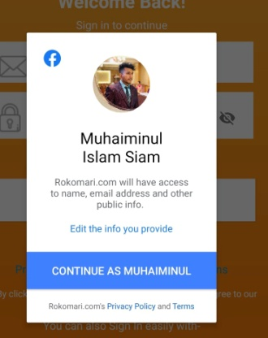 | Everything is working perfecttly
TC013 | Validate whether User can Login with the Google option | Not Applicable | Go to Rokomari app -> A Login page should appear-> Click on Google button -> Select and Gmail account | 1. An Pop should appear Saying Login successful. 2. A Blank page with rokomari logo should be appear and there should be button to for the Home page | 1. An Pop appeared Saying Login successful. 2. A Blank page with rokomari logo should appeared and there is a button to for the Home page | PASS |  | Everything is working perfecttly
TC014 | Validate whether User can Login with the Facebook option | Not Applicable | Go to Rokomari app -> A Login page should appear-> Click on Facebook button -> Select and Facebook account | 1. An Pop should appear Saying Login successful. 2. A Blank page with rokomari logo should be appear and there should be button to for the Home page | 1. An Pop appeared Saying Login successful. 2. A Blank page with rokomari logo should appeared and there is a button to for the Home page | PASS |  | Everything is working perfecttly
TC015 | Validate whether User can Login only providing email address but not password | 1. Enter valid registered email | Go to Rokomari app -> A Login page should appear-> enter email -> do not enter password-> sign in | 1. Warning is visible | 1. Warning is visible | PASS | 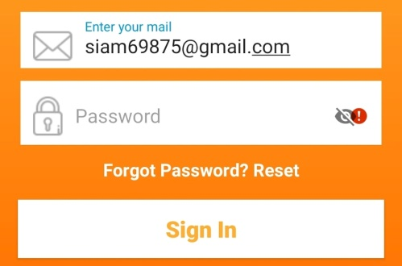 | Everything is working perfecttly
TC016 | Validate whether User can Login only providing Password but not any email | 1. Enter valid registered password | Go to Rokomari app -> A Login page should appear-> enter password -> do not enter e mail-> sign in | 1. Warning is visible | 1. Warning is visible | PASS | 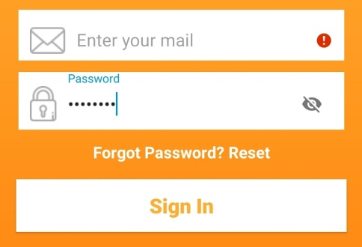 | Everything is working perfecttly

