BTP-416
2024-12-17
Muhammad Rizal Supriadi

Test Type | TC_number | User | Test Description | Test Step | Test Data | Test Date | Task Name | Expected Result | Actual Result | Automation Test | Pass / Fail | Documentation Link (dev) | Actual Result | Pass / Fail | Documentation Link (stg-testing) | Tester Name
Positive | BTP-416 (17711) | Producer | Verify "Grievance Identified" column in Legality Detail of Facility Estate | 1. Login to the platform. 2. Navigate to the shipment 3. Choose BL 4. Navigate to the Facility Estate Legality Detail page. 5. Verify the presence of the "Grievance Identified" column in the table. | BL : GAVMGERA17082401 Estate: Sungai Bungur | 17/12/2024 | Verify grievance column visibility | The "Grievance Identified" column should be present in the Legality Detail table under Facility Estate. | As Expected | NO | Pass | https://prnt.sc/tcfxS7yS5Cfj | As Expected | Pass | 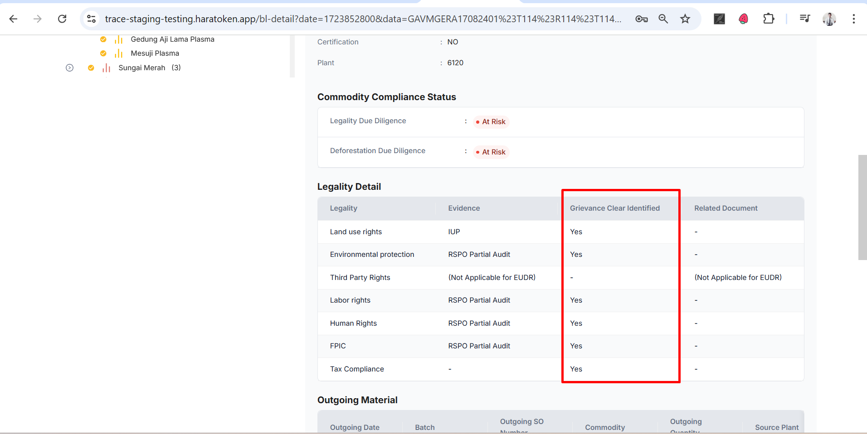 | Rizal
Positive | BTP-416 (17711) | Producer | Verify the values displayed in "Grievance Identified" column | 1. Login to the platform. 2. Navigate to the shipment 3. Choose BL 4. Navigate to the Facility Estate Legality Detail page. 5. Check the "Grievance Identified" column for each record and ensure it shows "Yes" if a grievance exists, otherwise "No". | BL : GAVMGERA17082401 Estate: Sungai Bungur | 17/12/2024 | Verify grievance values | The "Grievance Identified" column should display "Yes" for records with grievances and "No" for others. | As Expected | NO | Pass | https://prnt.sc/8IQK6ClI797T | As Expected | Pass | 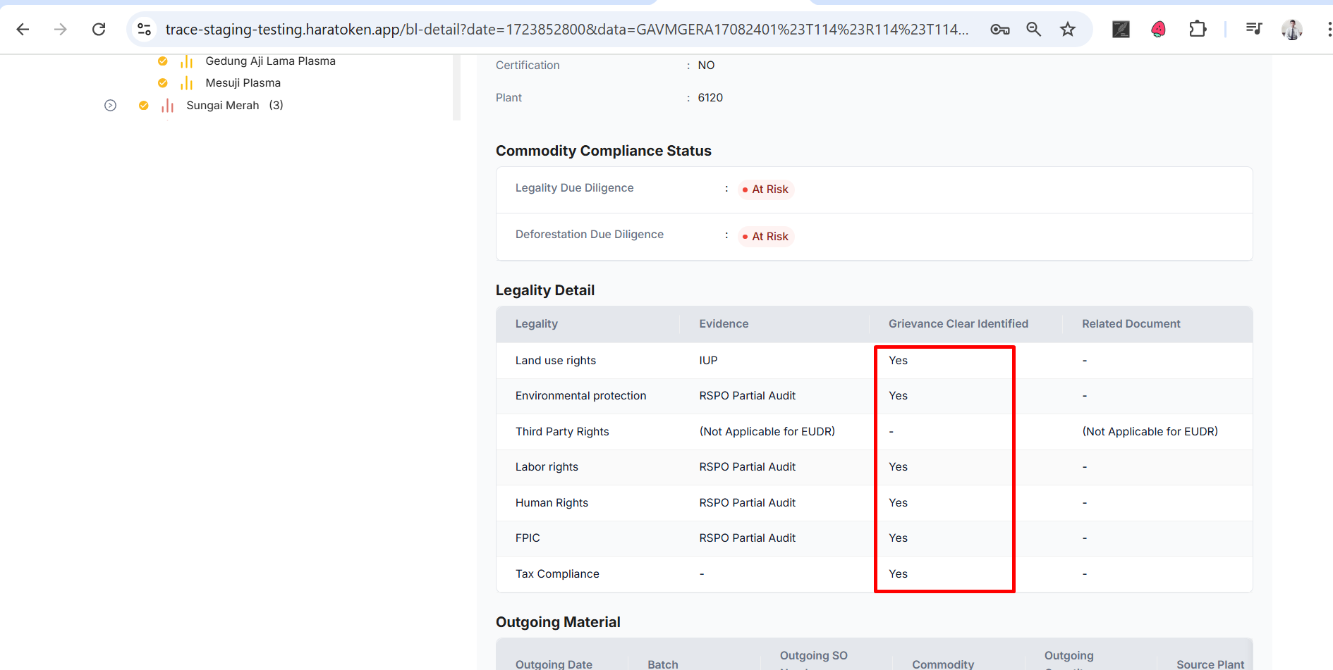
Positive | BTP-416 (17711) | Producer | Verify exclusion of Third Party Rights from "Grievance Identified" column | "1. Login to the platform. 2. Navigate to the shipment 3. Choose BL 4. Navigate to the Facility Estate Legality Detail page. 5. Ensure that the column does not show Third Party Rights or displays "-" instead. |  | 17/12/2024 | Verify exclusion of Third Party Rights | The "Grievance Identified" column should exclude Third Party Rights or display "-" for such entries. | As Expected | NO | Pass | https://prnt.sc/tETh21izjquf | As Expected | Pass | 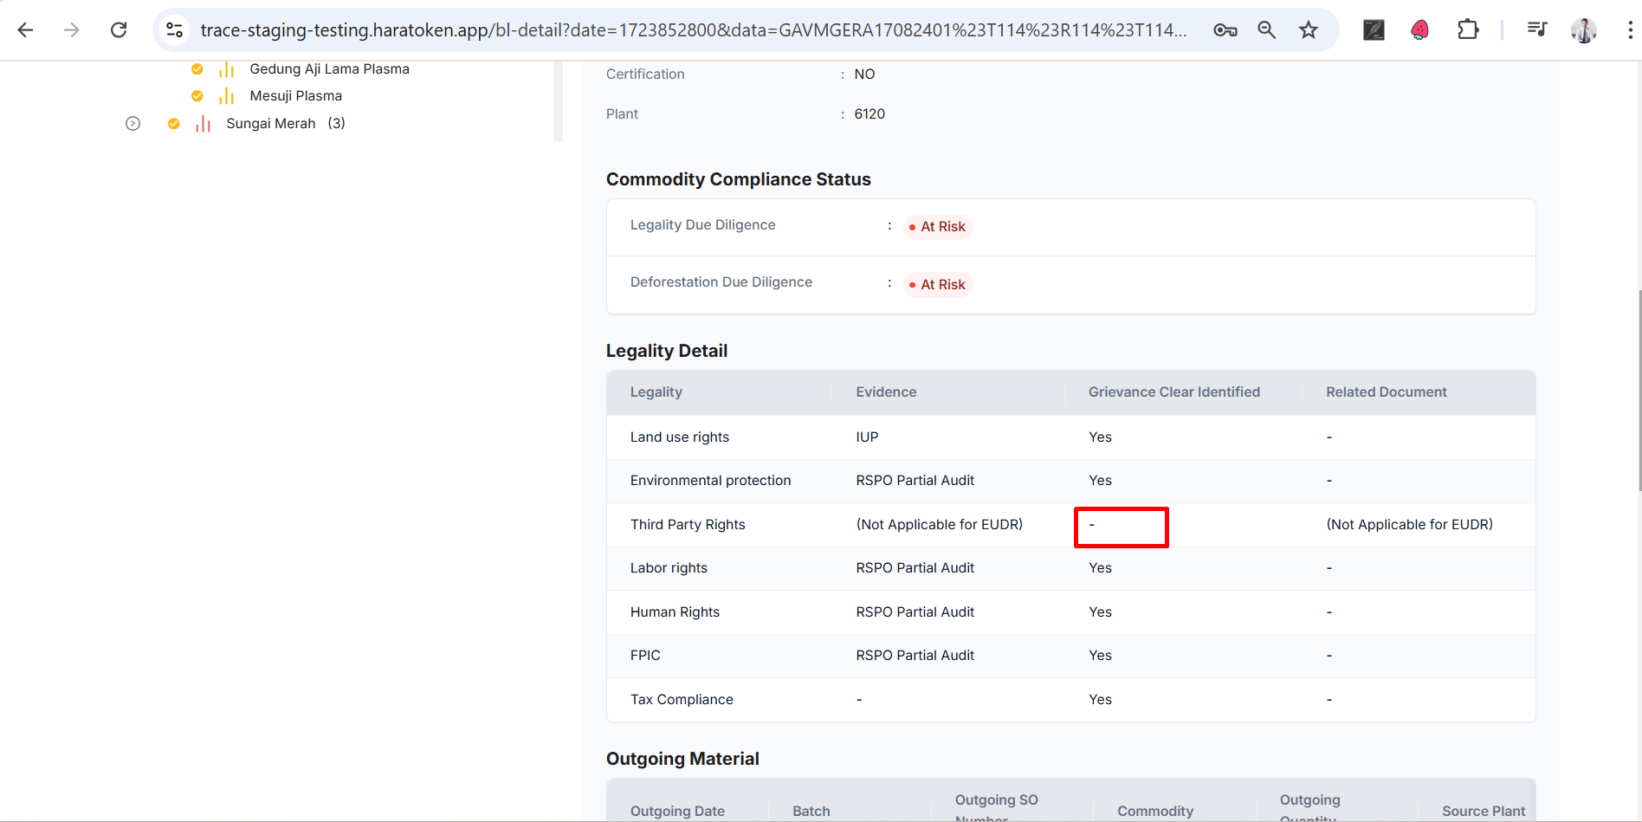
Positive | BTP-416 (17711) | Producer | Verify "Grievance Identified" column in Legality Detail of Facility Small Holder | 1. Login to the platform. 2. Navigate to the shipment 3. Choose BL 4. Navigate to the Facility Small Holder Legality Detail page. 5. Verify the presence of the "Grievance Identified" column in the table. | BL: PIO0001LUBBER04W Small Holder: Aden Irawan | 17/12/2024 | Verify grievance column visibility | The "Grievance Identified" column should be present in the Legality Detail table under Facility Small Holder. | As Expected | NO | Pass | https://prnt.sc/iExx2BrRS1H- | As Expected | Pass | 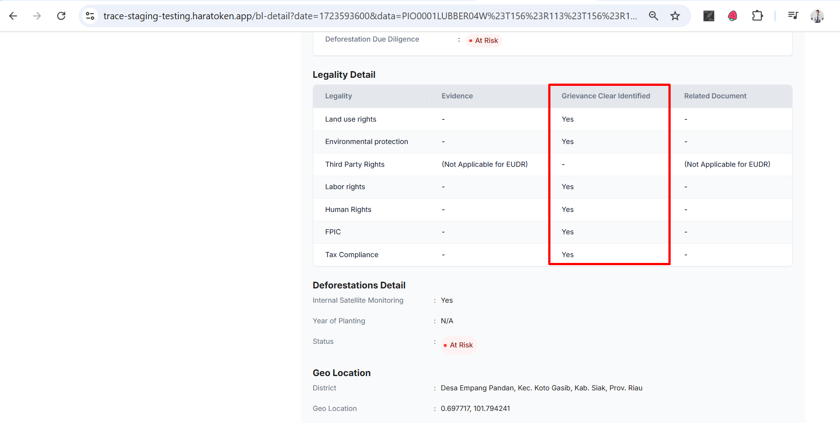 | Rizal
Positive | BTP-416 (17711) | Producer | Verify "Grievance Identified" column in Legality Detail of Facility Holder | 1. Login to the platform. 2. Navigate to the shipment 3. Choose BL 4. Navigate to the Facility Small Holder Legality Detail page. 5. Check the "Grievance Identified" column for each record and ensure it shows "Yes" if a grievance exists, otherwise "No". | BL: PIO0001LUBBER04W Small Holder: Aden Irawan | 17/12/2024 | Verify grievance column visibility | The "Grievance Identified" column should be present in the Legality Detail table under Facility Small Holder. | As Expected | NO | Pass | https://prnt.sc/jeBWkAsby82u | As Expected | Pass | 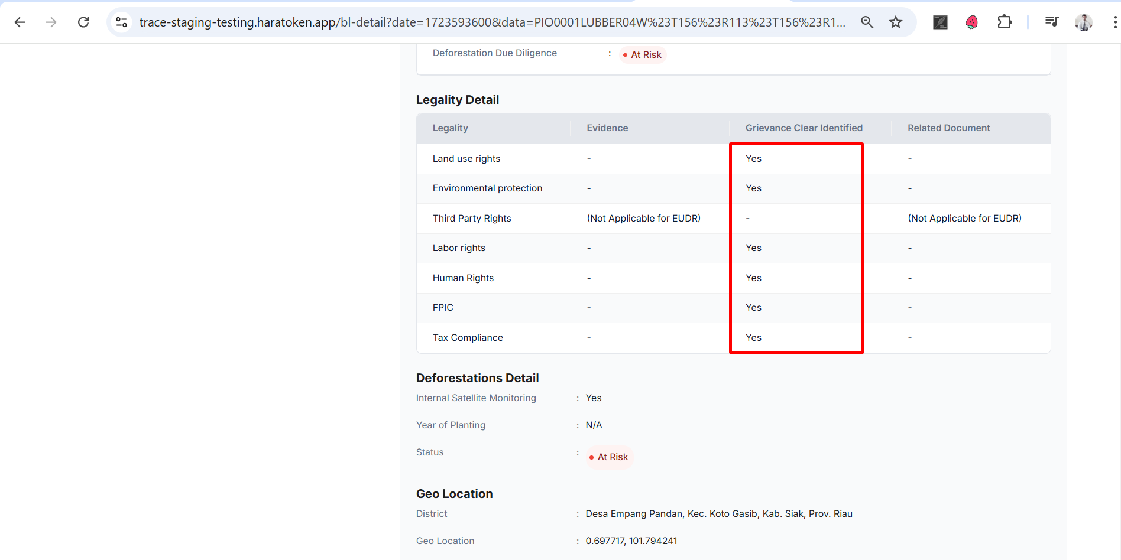 | Rizal
Positive | BTP-416 (17711) | Producer | Verify "Grievance Identified" column in Legality Detail of Facility Small Holder | "1. Login to the platform. 2. Navigate to the shipment 3. Choose BL 4. Navigate to the Facility Small Holder Legality Detail page. 5. Ensure that the column does not show Third Party Rights or displays "-" instead. | Facility Small Holder data including Third Party Rights | 17/12/2024 | Verify grievance column visibility | The "Grievance Identified" column should be present in the Legality Detail table under Facility Small Holder. | As Expected | NO | Pass | https://prnt.sc/0y_-eo6O5-d9 | As Expected | Pass | 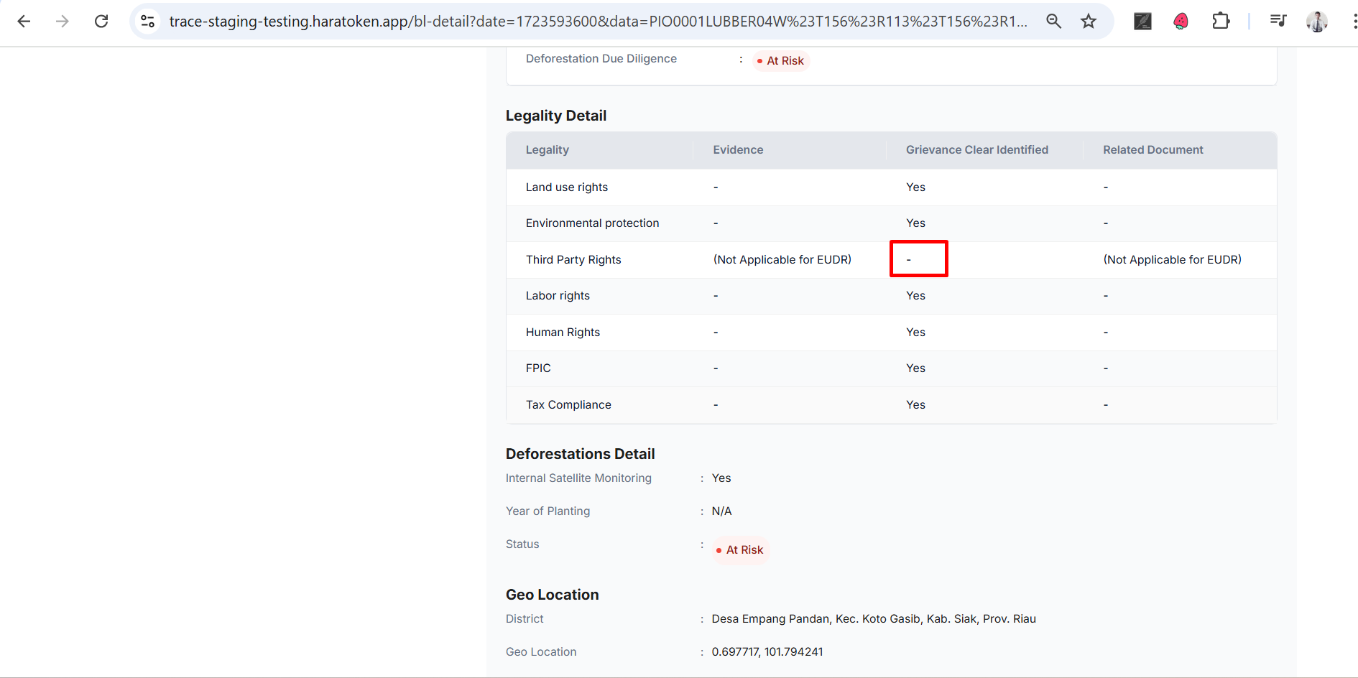 | Rizal
Positive | BTP-416 (17711) | SuperAdmin | Verify "Grievance Identified" column in Legality Detail of Facility Estate in vendor Reprot | 1. Login to the platform. 2. Navigate to menu Reprot 3. Choose data 4. Navigate to the Facility Estate Legality Detail page. 5. Verify the presence of the "Grievance Identified" column in the table. | Vendor Name : GOLDEN VEROLEUM (LIBERIA) INC - LE | 17/12/2024 | Verify grievance column visibility | The "Grievance Identified" column should be present in the Legality Detail table under Facility Estate in Vendor Report. | As Expected | NO | Pass | https://prnt.sc/kidSO7-vq0kp | As Expected | Pass | 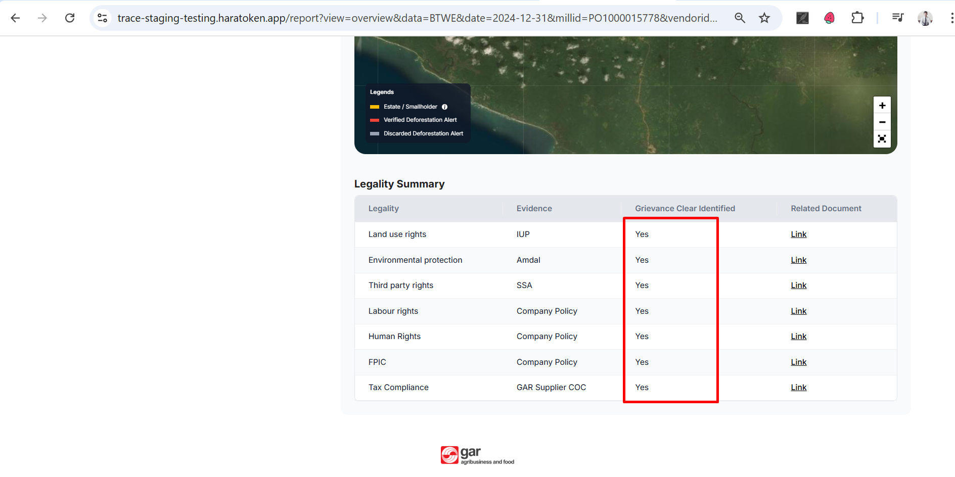 | Rizal
Positive | BTP-416 (17711) | SuperAdmin | Verify the values displayed in "Grievance Identified" column | 1. Login to the platform. 2. Navigate to menu report 3. Choose Data 4. Navigate to the Facility Estate Legality Detail page. 5. Check the "Grievance Identified" column for each record and ensure it shows "Yes" if a grievance exists, otherwise "No". | Vendor Name : GOLDEN VEROLEUM (LIBERIA) INC - LE | 17/12/2024 | Verify grievance values | The "Grievance Identified" column should display "Yes" for records with grievances and "No" for others. | As Expected | NO | Pass | https://prnt.sc/tA-5LzTyObi0 | As Expected | Pass | 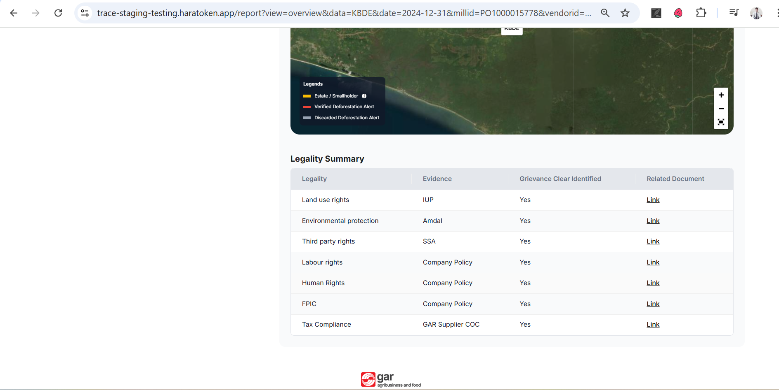 | Rizal

