Credit Card Payment
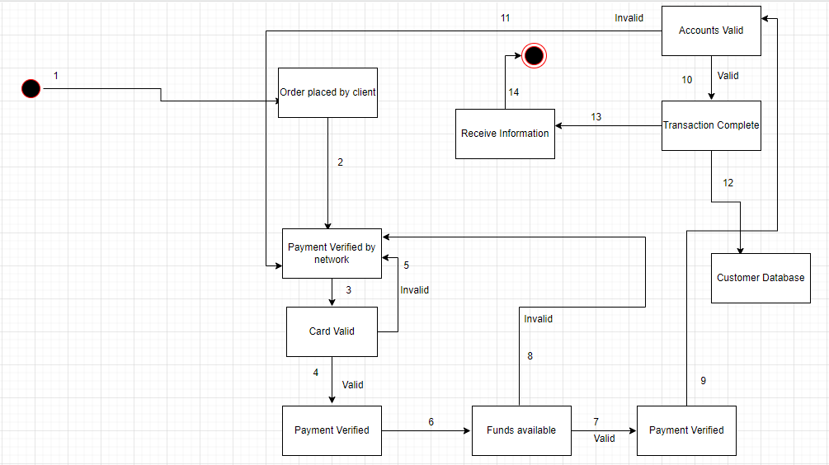
Credit Card Payment | Valid | Invalid
Group points
Card Validity | 1,2,3,4 | 1,2,3,5
Funds Availability | 1,2,3,4,6,7 | 1,2,3,4,6,8
Accounts Validity | 1,2,3,4,6,7,9,10 | 1,2,3,4,6,7,9,11
Full Payment | 1,2,3,4,6,7,9,10,12,13,14
Variable Identification
Customer First Name
Customer Last Name
Card Number
Expiratory Date (MM/YY)
CVN
Order Date (DD/MM/YYYY)

Boundary Value
Customer First Name | First Name | Middle Name, Last Name
Customer Last Name | Last Name | Middle Name, First Name
Card Number | 16 digits | Less than 16, Greater than 16
Expiratory Date | MM,YY | YY/MM, DD/MM/YYYY etc
CVN | 3 digits | Less than 3, Greater than 3
Order Date | DD/MM/YYYY | D/M/Y, MM/DD/YYYY etc

Equivalence Classes
Customer First Name | A-Z | 0-9, Special Character
Customer Last Name | A-z | 0-9, Special Character
Card Number | 0-9 | A-Z, Special Character
Expiratory Date | 0-9 | A-Z, Special Character
CVN | 0-9 | A-Z, Special Character
Order Date | 0-9 | A-Z, Special Character

Student Admission
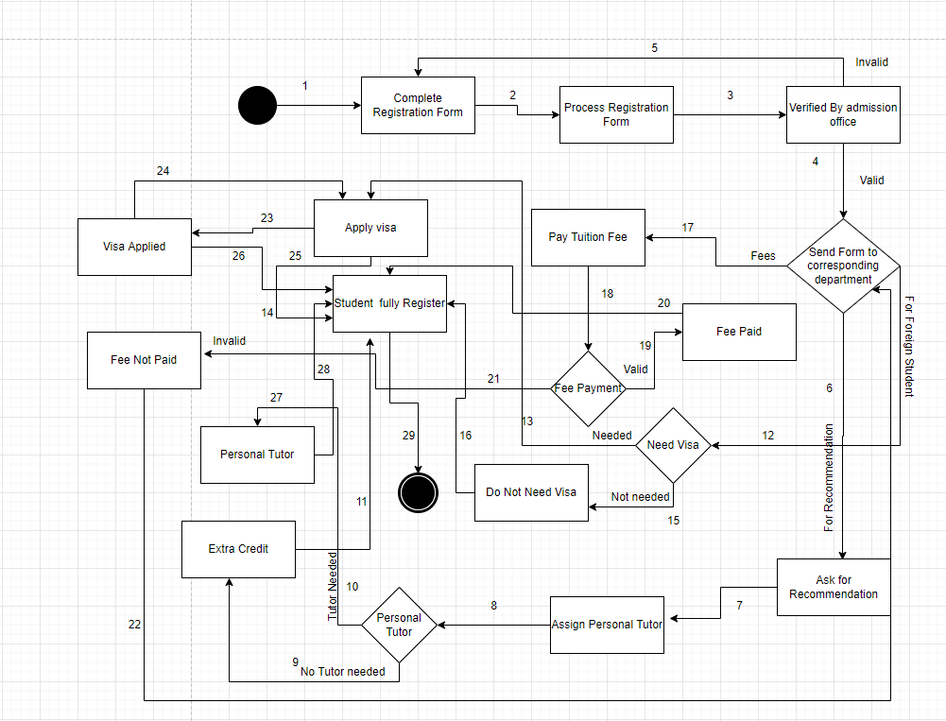
Student Admission | Valid | Invalid
Admission Verification | 1,2,3,4 | 1,2,3,5
Recommendation | 1,2,3,4,6,7,8
Tuition Fees | 1,2,3,4,17,18,20
Applying Visa | 1,2,3,4,12,13,14
Personal Tutor | 1,2,3,4,6,7,8,10 | 1,2,3,4,6,7,8,9
Fee Payment | 1,2,3,4,17,18,19 | 1,2,3,4,17,18,19,21
VISA | 1,2,3,4,12,13,23,24 | 1,2,3,4,12,15

Variable Identification
First Name
Last Name
D.O.B
Phone
Email
Personal Info
Educational Info
VISA Info

Boundary Value
First Name | First Name | Middle Name, Last Name
Last Name | Last Name | Middle Name, First Name
D.O.B | DD/MM/YYYY | MM/DD/YYYY, D/M/Y etc
Phone | 11 digits | Less than 11 or greater than 11
Email | Alphanumeric and @,. | Everyother special character
Personal Info | Uneducated info | Educated info
Educational Info | Limited Percentage | Below Limit
VISA Info | Must be foreigner | Not a foreigneir

Equivalence Value
First Name | A-Z | 0-9, Special Character
Last Name | A-z | 0-9, Special Character
D.O.B | 0-9 | A-Z, Special Character
Phone | 0-9 | A-Z, Special Character
Email | A-Z,0-9 | Special character
Personal Info | Alphanumeric | Special Character
Educational Info | Alphanumeric | Special Character
VISA Info | Alphanumeric | Special Character

