Fine-Grained
# | Patch Image | Filename | True Label | ZS Pred | ANN Pred | Few-Shot Pred | ZS Confidence | ANN Confidence | FS Confidence
1 | 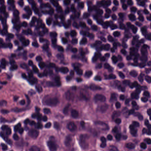 | LYM-RLPSHGFW.tif | LYM | LYA | LYM | LYM | 94.9% | 13.2% | 61.9%
2 | 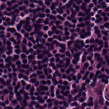 | LYM-RFGIPQQR.tif | LYM | LYA | LYM | LYM | 51.0% | 13.0% | 71.2%
3 | 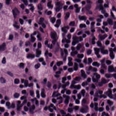 | LYM-SHMRWWAQ.tif | LYM | LYA | LYM | LYM | 94.1% | 12.9% | 54.5%
4 | 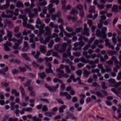 | LYM-QFESDHKN.tif | LYM | LYA | LYM | LYM | 99.9% | 13.1% | 62.1%
5 | 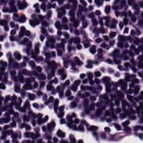 | LYM-DHNIAALM.tif | LYM | LYA | LYM | LYM | 52.9% | 13.3% | 73.7%
6 | 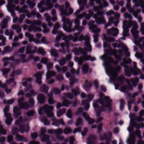 | LYM-HLTNVMKL.tif | LYM | LYA | LYM | LYM | 94.1% | 12.9% | 80.9%
7 | 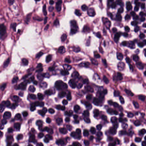 | LYM-QREGHATR.tif | LYM | LYA | LYM | LYM | 79.6% | 13.4% | 73.7%
8 | 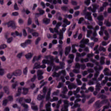 | LYM-ILKGHLHE.tif | LYM | LYA | LYM | LYM | 99.7% | 12.9% | 62.2%
9 | 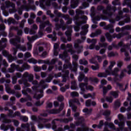 | LYM-QEMKVTMR.tif | LYM | LYA | LYM | LYM | 95.7% | 13.2% | 60.9%
10 | 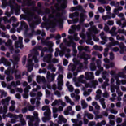 | LYM-ATDEYLRI.tif | LYM | LYA | LYM | LYM | 97.2% | 13.6% | 78.8%
11 | 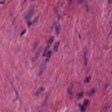 | MUS-EFCWGHSL.tif | MUS | MES | MUS | STR | 76.5% | 13.0% | 21.1%
12 | 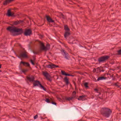 | MUS-RQPYGGKA.tif | MUS | MES | MUS | MUS | 96.6% | 12.5% | 26.7%
13 | 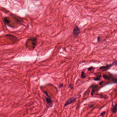 | MUS-CCLWNNRS.tif | MUS | MES | MUS | STR | 100.0% | 12.2% | 31.9%
14 | 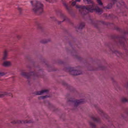 | MUS-IFVCCTAG.tif | MUS | MES | MUS | MUS | 98.8% | 12.9% | 24.7%
15 | 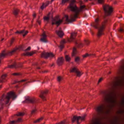 | MUS-DFTNTDTQ.tif | MUS | MES | MUS | STR | 77.5% | 13.0% | 31.7%
16 | 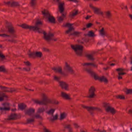 | MUS-DSVYPEKN.tif | MUS | MES | MUS | MUS | 62.0% | 13.1% | 36.2%
17 | 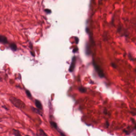 | MUS-YANVKYFM.tif | MUS | MES | MUS | DEB | 100.0% | 11.8% | 20.7%
18 | 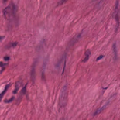 | MUS-VLKSFEAW.tif | MUS | MES | MUS | MUS | 58.1% | 12.8% | 31.9%
19 | 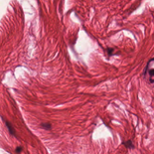 | MUS-SIMAYWRY.tif | MUS | MES | MUS | STR | 87.8% | 12.1% | 29.4%
20 | 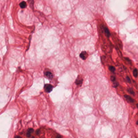 | MUS-MLNDSIHH.tif | MUS | MES | MUS | MUC | 99.9% | 12.7% | 25.3%
21 | 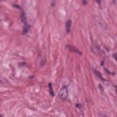 | STR-CHPPCDPL.tif | STR | MES | STR | STR | 96.7% | 13.6% | 26.4%
22 | 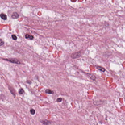 | STR-SRLEMFPN.tif | STR | MES | STR | STR | 58.8% | 13.0% | 54.8%
23 | 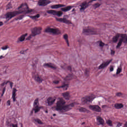 | STR-IHHNCCHR.tif | STR | MES | STR | STR | 100.0% | 12.8% | 56.1%
24 | 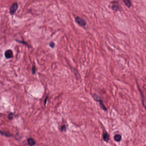 | STR-RYSSHWYF.tif | STR | MES | STR | STR | 88.2% | 13.2% | 41.3%
25 | 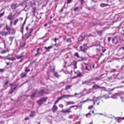 | STR-GLAVHTGQ.tif | STR | MES | STR | STR | 99.5% | 13.9% | 62.1%
26 | 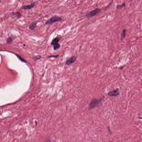 | STR-TSRDEFHK.tif | STR | MES | STR | STR | 99.9% | 13.7% | 35.8%
27 | 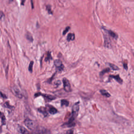 | STR-MDVDWSFH.tif | STR | MES | STR | STR | 69.0% | 13.8% | 66.5%
28 | 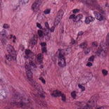 | STR-IFTDRLDH.tif | STR | MES | STR | STR | 97.7% | 13.0% | 54.5%
29 | 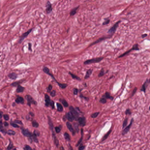 | STR-DSLQINIY.tif | STR | MES | STR | MUS | 71.4% | 13.2% | 29.5%
30 | 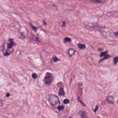 | STR-MSRPKKRR.tif | STR | MES | STR | STR | 88.5% | 13.8% | 60.1%
31 | 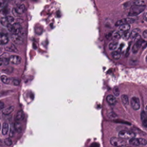 | TUM-WAMWGHTM.tif | TUM | ADE | TUM | TUM | 41.0% | 13.9% | 61.5%
32 | 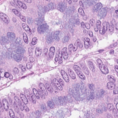 | TUM-PIMLSVSK.tif | TUM | ADE | TUM | TUM | 100.0% | 13.3% | 57.7%
33 | 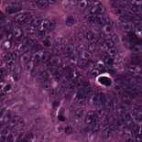 | TUM-CHMFYLCS.tif | TUM | ADE | TUM | TUM | 89.3% | 13.3% | 63.9%
34 | 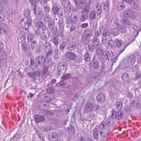 | TUM-KLRHPDCV.tif | TUM | ADE | TUM | TUM | 100.0% | 13.1% | 59.1%
35 | 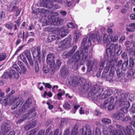 | TUM-VHVYDLHL.tif | TUM | ADE | TUM | TUM | 90.1% | 13.8% | 81.0%
36 | 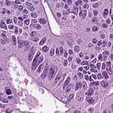 | TUM-FGKGEMYN.tif | TUM | ADE | TUM | TUM | 100.0% | 13.7% | 80.9%
37 | 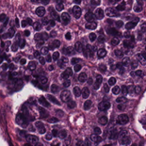 | TUM-VSKFKGKI.tif | TUM | ADE | TUM | TUM | 79.2% | 12.9% | 72.3%
38 | 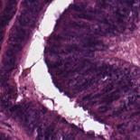 | TUM-IGFGSAKT.tif | TUM | ADE | TUM | TUM | 98.2% | 13.3% | 54.5%
39 | 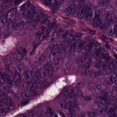 | TUM-LQYECHMF.tif | TUM | ADE | TUM | TUM | 99.3% | 13.4% | 69.3%
40 | 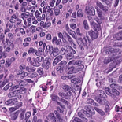 | TUM-GYWNKAIG.tif | TUM | ADE | TUM | TUM | 100.0% | 13.7% | 79.3%
41 | 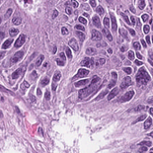 | TUM-GQHIEQKD.tif | TUM | PDC | TUM | TUM | 98.5% | 13.5% | 71.4%
42 | 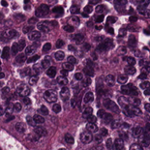 | TUM-MEANGVYT.tif | TUM | PDC | TUM | TUM | 100.0% | 13.0% | 69.0%
43 | 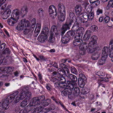 | TUM-SQDTIICQ.tif | TUM | PDC | TUM | TUM | 84.2% | 13.9% | 66.0%
44 | 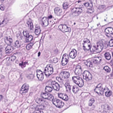 | TUM-YLVAYASP.tif | TUM | PDC | TUM | TUM | 100.0% | 13.6% | 80.6%
45 | 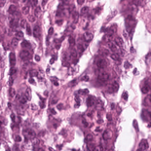 | TUM-TCGA-LGFIPWLS.tif | TUM | PDC | TUM | TUM | 100.0% | 12.6% | 38.7%
46 | 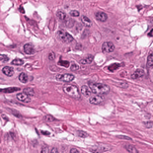 | TUM-TCGA-GLWALNCG.tif | TUM | PDC | TUM | TUM | 100.0% | 13.1% | 65.4%
47 | 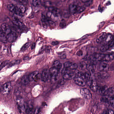 | TUM-FRWLAPRP.tif | TUM | PDC | TUM | TUM | 100.0% | 13.2% | 64.5%
48 | 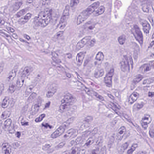 | TUM-ICDSQKQE.tif | TUM | PDC | TUM | TUM | 100.0% | 13.4% | 76.9%
49 | 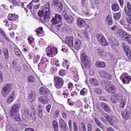 | TUM-VIMVRMRS.tif | TUM | PDC | TUM | TUM | 100.0% | 13.6% | 79.4%
50 | 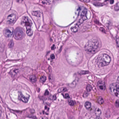 | TUM-AGADGPHY.tif | TUM | PDC | TUM | TUM | 100.0% | 12.5% | 46.7%
51 |  | TUM-RAMRSSVW.tif | TUM | SIG | TUM | TUM | 100.0% | 13.0% | 32.1%
52 |  | TUM-GHYTFIKA.tif | TUM | SIG | TUM | TUM | 100.0% | 13.0% | 40.1%
53 |  | TUM-MYMTVWTM.tif | TUM | SIG | TUM | TUM | 99.1% | 12.6% | 26.0%
54 |  | TUM-PDQENNPF.tif | TUM | SIG | TUM | TUM | 100.0% | 12.6% | 29.2%
55 |  | TUM-MMRAKIPD.tif | TUM | SIG | TUM | TUM | 84.1% | 13.1% | 41.9%
56 |  | TUM-VFHPCCWQ.tif | TUM | SIG | TUM | TUM | 92.3% | 12.9% | 41.4%
57 |  | TUM-TKHFSTAT.tif | TUM | SIG | TUM | STR | 97.2% | 12.6% | 28.3%
58 |  | TUM-YRVGCRAN.tif | TUM | SIG | TUM | TUM | 100.0% | 13.1% | 48.4%
59 |  | TUM-CQTFKGHM.tif | TUM | SIG | TUM | TUM | 68.5% | 12.9% | 46.1%
60 |  | TUM-ECAEGKFH.tif | TUM | SIG | TUM | TUM | 100.0% | 12.8% | 41.3%
61 |  | TUM-KYYQIWYM.tif | TUM | CAR | TUM | TUM | 98.5% | 13.1% | 39.3%
62 |  | TUM-KRYYCAQE.tif | TUM | CAR | TUM | TUM | 47.9% | 13.2% | 53.3%
63 |  | TUM-ENGWGNPY.tif | TUM | CAR | TUM | TUM | 99.2% | 13.6% | 67.5%
64 |  | TUM-MGDATINR.tif | TUM | CAR | TUM | TUM | 73.5% | 13.4% | 56.9%
65 |  | TUM-KEVKLIDV.tif | TUM | CAR | TUM | TUM | 42.4% | 13.4% | 70.5%
66 |  | TUM-WCGAVVSF.tif | TUM | CAR | TUM | TUM | 52.8% | 13.3% | 68.3%
67 |  | TUM-GPSRGTKC.tif | TUM | CAR | TUM | TUM | 96.7% | 13.5% | 70.5%
68 |  | TUM-YWIQNLEC.tif | TUM | CAR | TUM | TUM | 53.8% | 13.8% | 66.3%
69 |  | TUM-YMLVFRPD.tif | TUM | CAR | TUM | TUM | 69.7% | 13.4% | 57.6%
70 |  | TUM-CNGHKAYV.tif | TUM | CAR | TUM | TUM | 94.6% | 13.3% | 53.3%

Correct (ZS = GT)
# | Patch Image | Filename | True Label | ZS Pred | ANN Pred | Few-Shot Pred | ZS Confidence | ANN Confidence | FS Confidence
1 |  | ADI-FSLKEFCL.tif | ADI | ADI | ADI | ADI | 100.0% | 13.5% | 66.0%
2 |  | ADI-LVEFNLPR.tif | ADI | ADI | ADI | ADI | 100.0% | 13.7% | 66.5%
3 |  | ADI-DIHICAVN.tif | ADI | ADI | ADI | ADI | 100.0% | 13.4% | 69.2%
4 |  | ADI-LYPGPLSL.tif | ADI | ADI | ADI | ADI | 100.0% | 13.3% | 51.3%
5 |  | ADI-NNGVNECA.tif | ADI | ADI | ADI | ADI | 100.0% | 13.7% | 70.6%
6 |  | DEB-SSMCNKLH.tif | DEB | DEB | DEB | DEB | 100.0% | 13.8% | 72.2%
7 |  | DEB-RPQVCGLV.tif | DEB | DEB | DEB | DEB | 100.0% | 14.1% | 64.6%
8 |  | DEB-WTSMEKIF.tif | DEB | DEB | DEB | DEB | 100.0% | 12.7% | 40.2%
9 |  | DEB-KFCIWFVC.tif | DEB | DEB | DEB | DEB | 100.0% | 13.8% | 78.2%
10 |  | DEB-EEQKIRGH.tif | DEB | DEB | DEB | DEB | 100.0% | 13.9% | 58.5%
11 |  | LYM-IGAVSAQE.tif | LYM | LYM | LYM | LYM | 100.0% | 13.7% | 74.6%
12 |  | LYM-NPNLLKTY.tif | LYM | LYM | LYM | LYM | 99.7% | 13.5% | 80.7%
13 |  | LYM-NWLSRGKY.tif | LYM | LYM | LYM | LYM | 99.9% | 13.6% | 75.8%
14 |  | LYM-FVTCSGLT.tif | LYM | LYM | LYM | LYM | 94.9% | 13.2% | 61.8%
15 |  | LYM-KCYQGRFL.tif | LYM | LYM | LYM | LYM | 99.3% | 13.7% | 75.9%
16 |  | MUC-WYARGWKT.tif | MUC | MUC | MUC | MUC | 100.0% | 13.8% | 61.7%
17 |  | MUC-SVKCSMCE.tif | MUC | MUC | MUC | MUC | 100.0% | 13.2% | 59.4%
18 |  | MUC-TCGA-SNQKKLQA.tif | MUC | MUC | MUC | MUC | 100.0% | 13.2% | 58.7%
19 |  | MUC-GCAKWYSY.tif | MUC | MUC | MUC | MUC | 100.0% | 14.0% | 66.1%
20 |  | MUC-NHQQDADK.tif | MUC | MUC | MUC | MUC | 100.0% | 13.4% | 55.5%
21 |  | MUS-TDFKQYLV.tif | MUS | MUS | MUS | MUS | 100.0% | 13.6% | 68.1%
22 |  | MUS-KHINMIQM.tif | MUS | MUS | MUS | MUS | 100.0% | 13.8% | 56.8%
23 |  | MUS-WSHDNMDK.tif | MUS | MUS | MUS | MUS | 99.4% | 13.0% | 40.6%
24 |  | MUS-KMVRSVCT.tif | MUS | MUS | MUS | MUS | 99.4% | 13.5% | 38.7%
25 |  | MUS-VFHFWAYQ.tif | MUS | MUS | MUS | MUS | 100.0% | 13.2% | 55.5%
26 |  | NORM-YNRPTIQH.tif | NORM | NORM | NORM | NORM | 97.9% | 13.2% | 65.9%
27 |  | NORM-NKTMTQVW.tif | NORM | NORM | NORM | NORM | 98.9% | 13.7% | 62.4%
28 |  | NORM-SNSYHIEV.tif | NORM | NORM | NORM | NORM | 100.0% | 13.4% | 56.3%
29 |  | NORM-LTGSRGDW.tif | NORM | NORM | NORM | NORM | 97.6% | 13.6% | 52.8%
30 |  | NORM-TNSHNSLW.tif | NORM | NORM | NORM | NORM | 54.6% | 13.5% | 63.5%
31 |  | STR-DITLQHIH.tif | STR | STR | STR | STR | 100.0% | 14.1% | 53.2%
32 |  | STR-IMIFMGEK.tif | STR | STR | STR | STR | 100.0% | 12.6% | 55.5%
33 |  | STR-RMHGDDKK.tif | STR | STR | STR | STR | 99.8% | 13.6% | 67.6%
34 |  | STR-CEMMNTDC.tif | STR | STR | STR | STR | 99.8% | 13.7% | 66.4%
35 |  | STR-RVVSNYTI.tif | STR | STR | STR | STR | 100.0% | 13.9% | 63.7%

Extra ZS Predictions
# | Patch Image | Filename | True Label | ZS Pred | ANN Pred | Few-Shot Pred | ZS Confidence | ANN Confidence | FS Confidence
1 |  | ADI-FSLKEFCL.tif | ADI | ADI | ADI | ADI | 100.0% | 13.5% | 66.0%
2 |  | ADI-LVEFNLPR.tif | ADI | ADI | ADI | ADI | 100.0% | 13.7% | 66.5%
3 |  | ADI-DIHICAVN.tif | ADI | ADI | ADI | ADI | 100.0% | 13.4% | 69.2%
4 |  | ADI-LYPGPLSL.tif | ADI | ADI | ADI | ADI | 100.0% | 13.3% | 51.3%
5 |  | ADI-NNGVNECA.tif | ADI | ADI | ADI | ADI | 100.0% | 13.7% | 70.6%
6 |  | ADI-HVVFCWAM.tif | ADI | ADI | ADI | ADI | 100.0% | 13.6% | 67.1%
7 |  | ADI-TCGA-AKGYHLYI.tif | ADI | ADI | ADI | ADI | 100.0% | 11.9% | 59.8%
8 |  | MUC-QNRVREFI.tif | MUC | ADI | MUC | MUC | 95.2% | 13.2% | 44.2%
9 |  | ADI-TCGA-EASGRMWL.tif | ADI | ADI | ADI | ADI | 100.0% | 13.2% | 64.2%
10 |  | ADI-KMHTEMRY.tif | ADI | ADI | ADI | ADI | 100.0% | 13.8% | 71.9%
11 |  | DEB-SSMCNKLH.tif | DEB | DEB | DEB | DEB | 100.0% | 13.8% | 72.2%
12 |  | BACK-ISETDDIW.tif | BACK | DEB | BACK | BACK | 89.9% | 12.7% | 53.3%
13 |  | DEB-RPQVCGLV.tif | DEB | DEB | DEB | DEB | 100.0% | 14.1% | 64.6%
14 |  | DEB-WTSMEKIF.tif | DEB | DEB | DEB | DEB | 100.0% | 12.7% | 40.2%
15 |  | DEB-KFCIWFVC.tif | DEB | DEB | DEB | DEB | 100.0% | 13.8% | 78.2%
16 |  | DEB-EEQKIRGH.tif | DEB | DEB | DEB | DEB | 100.0% | 13.9% | 58.5%
17 |  | DEB-HYHWEGCN.tif | DEB | DEB | DEB | DEB | 100.0% | 13.5% | 55.5%
18 |  | DEB-PHRFWVLW.tif | DEB | DEB | DEB | DEB | 95.7% | 13.7% | 59.1%
19 |  | BACK-FPPWRTWP.tif | BACK | DEB | BACK | BACK | 99.5% | 13.6% | 72.3%
20 |  | DEB-KQITCSMW.tif | DEB | DEB | DEB | DEB | 100.0% | 13.8% | 70.6%
21 |  | LYM-IGAVSAQE.tif | LYM | LYM | LYM | LYM | 100.0% | 13.7% | 74.6%
22 |  | LYM-NPNLLKTY.tif | LYM | LYM | LYM | LYM | 99.7% | 13.5% | 80.7%
23 |  | LYM-NWLSRGKY.tif | LYM | LYM | LYM | LYM | 99.9% | 13.6% | 75.8%
24 |  | LYM-FVTCSGLT.tif | LYM | LYM | LYM | LYM | 94.9% | 13.2% | 61.8%
25 |  | LYM-KCYQGRFL.tif | LYM | LYM | LYM | LYM | 99.3% | 13.7% | 75.9%
26 |  | STR-YHGNEHYE.tif | STR | LYM | STR | STR | 98.2% | 12.6% | 48.4%
27 |  | BACK-MARMVCSW.tif | BACK | LYM | BACK | BACK | 66.4% | 13.3% | 65.2%
28 |  | LYM-NFDQQGCH.tif | LYM | LYM | LYM | LYM | 94.4% | 13.2% | 76.4%
29 |  | LYM-KTSQYPVV.tif | LYM | LYM | LYM | LYM | 99.5% | 13.2% | 77.4%
30 |  | LYM-NGLKIAVD.tif | LYM | LYM | LYM | LYM | 99.2% | 13.2% | 70.2%
31 |  | STR-SKHMESAV.tif | STR | PLC | STR | STR | 99.6% | 13.5% | 75.9%
32 |  | NORM-AGNELIYV.tif | NORM | PLC | NORM | NORM | 96.4% | 13.5% | 30.2%
33 |  | NORM-VQKYESDF.tif | NORM | PLC | NORM | NORM | 93.1% | 13.2% | 30.9%
34 |  | NORM-KRQKVCNN.tif | NORM | PLC | NORM | NORM | 99.6% | 13.1% | 49.9%
35 |  | NORM-NQEYQRDN.tif | NORM | PLC | NORM | NORM | 99.8% | 13.6% | 40.4%
36 |  | BACK-DLTTRCPD.tif | BACK | PLC | BACK | BACK | 98.1% | 13.1% | 66.1%
37 |  | TUM-HSMDYSVG.tif | TUM | PLC | TUM | LYM | 99.1% | 12.3% | 31.0%
38 |  | NORM-TCGA-LDIYHRFR.tif | NORM | PLC | NORM | STR | 89.8% | 13.1% | 22.1%
39 |  | BACK-CGTQYNHD.tif | BACK | PLC | BACK | BACK | 100.0% | 13.3% | 63.7%
40 |  | STR-YVDNMSNN.tif | STR | PLC | STR | STR | 72.7% | 13.7% | 69.8%
41 |  | LYM-RLPSHGFW.tif | LYM | LYA | LYM | LYM | 94.9% | 13.2% | 61.9%
42 |  | LYM-RFGIPQQR.tif | LYM | LYA | LYM | LYM | 51.0% | 13.0% | 71.2%
43 |  | TUM-SKPIWAHT.tif | TUM | LYA | TUM | LYM | 97.6% | 12.2% | 46.2%
44 |  | LYM-SHMRWWAQ.tif | LYM | LYA | LYM | LYM | 94.1% | 12.9% | 54.5%
45 |  | STR-IAENQIMD.tif | STR | LYA | STR | STR | 94.3% | 13.0% | 36.1%
46 |  | LYM-QFESDHKN.tif | LYM | LYA | LYM | LYM | 99.9% | 13.1% | 62.1%
47 |  | LYM-DHNIAALM.tif | LYM | LYA | LYM | LYM | 52.9% | 13.3% | 73.7%
48 |  | LYM-HLTNVMKL.tif | LYM | LYA | LYM | LYM | 94.1% | 12.9% | 80.9%
49 |  | LYM-QREGHATR.tif | LYM | LYA | LYM | LYM | 79.6% | 13.4% | 73.7%
50 |  | NORM-LQMYVVDP.tif | NORM | LYA | NORM | NORM | 100.0% | 12.8% | 34.4%
51 |  | ADI-LCQCTRCP.tif | ADI | MUC | ADI | BACK | 99.7% | 12.9% | 30.9%
52 |  | MUC-WYARGWKT.tif | MUC | MUC | MUC | MUC | 100.0% | 13.8% | 61.7%
53 |  | MUC-SVKCSMCE.tif | MUC | MUC | MUC | MUC | 100.0% | 13.2% | 59.4%
54 |  | MUC-TCGA-SNQKKLQA.tif | MUC | MUC | MUC | MUC | 100.0% | 13.2% | 58.7%
55 |  | NORM-IEGAQFCQ.tif | NORM | MUC | NORM | NORM | 53.7% | 13.3% | 39.7%
56 |  | MUC-GCAKWYSY.tif | MUC | MUC | MUC | MUC | 100.0% | 14.0% | 66.1%
57 |  | MUC-NHQQDADK.tif | MUC | MUC | MUC | MUC | 100.0% | 13.4% | 55.5%
58 |  | NORM-IGFWPVWT.tif | NORM | MUC | NORM | NORM | 100.0% | 13.2% | 29.4%
59 |  | TUM-YTWETGED.tif | TUM | MUC | TUM | TUM | 97.7% | 13.5% | 41.9%
60 |  | MUC-VMWSKHPY.tif | MUC | MUC | MUC | MUC | 100.0% | 14.1% | 63.8%
61 |  | MUS-TDFKQYLV.tif | MUS | MUS | MUS | MUS | 100.0% | 13.6% | 68.1%
62 |  | MUS-KHINMIQM.tif | MUS | MUS | MUS | MUS | 100.0% | 13.8% | 56.8%
63 |  | MUS-WSHDNMDK.tif | MUS | MUS | MUS | MUS | 99.4% | 13.0% | 40.6%
64 |  | MUS-KMVRSVCT.tif | MUS | MUS | MUS | MUS | 99.4% | 13.5% | 38.7%
65 |  | STR-HDQDHDKV.tif | STR | MUS | STR | STR | 76.6% | 13.5% | 62.7%
66 |  | STR-RTKNEQWA.tif | STR | MUS | STR | STR | 98.9% | 14.0% | 62.6%
67 |  | MUS-VFHFWAYQ.tif | MUS | MUS | MUS | MUS | 100.0% | 13.2% | 55.5%
68 |  | MUS-FDQPCVMN.tif | MUS | MUS | MUS | MUS | 100.0% | 13.5% | 59.8%
69 |  | MUS-VPHWQWTG.tif | MUS | MUS | MUS | MUS | 100.0% | 13.6% | 57.5%
70 |  | MUS-RRKGTKGE.tif | MUS | MUS | MUS | MUS | 100.0% | 13.3% | 60.4%
71 |  | NORM-YNRPTIQH.tif | NORM | NORM | NORM | NORM | 97.9% | 13.2% | 65.9%
72 |  | NORM-NKTMTQVW.tif | NORM | NORM | NORM | NORM | 98.9% | 13.7% | 62.4%
73 |  | NORM-SNSYHIEV.tif | NORM | NORM | NORM | NORM | 100.0% | 13.4% | 56.3%
74 |  | NORM-LTGSRGDW.tif | NORM | NORM | NORM | NORM | 97.6% | 13.6% | 52.8%
75 |  | NORM-TNSHNSLW.tif | NORM | NORM | NORM | NORM | 54.6% | 13.5% | 63.5%
76 |  | NORM-CSHGGGWG.tif | NORM | NORM | NORM | NORM | 99.0% | 13.2% | 59.2%
77 |  | NORM-HTTNWFNF.tif | NORM | NORM | NORM | NORM | 89.3% | 12.8% | 61.2%
78 |  | NORM-GVKQLSLM.tif | NORM | NORM | NORM | NORM | 96.9% | 13.5% | 65.4%
79 |  | NORM-TCGA-QCDPYYSE.tif | NORM | NORM | NORM | NORM | 81.9% | 13.3% | 60.6%
80 |  | NORM-DCAWDIPW.tif | NORM | NORM | NORM | NORM | 98.9% | 12.7% | 57.3%
81 |  | TUM-WAMWGHTM.tif | TUM | ADE | TUM | TUM | 41.0% | 13.9% | 61.5%
82 |  | NORM-GYMEEGQQ.tif | NORM | ADE | NORM | NORM | 71.1% | 13.4% | 59.4%
83 |  | NORM-ANRTTKTY.tif | NORM | ADE | NORM | NORM | 99.4% | 13.5% | 59.2%
84 |  | TUM-PIMLSVSK.tif | TUM | ADE | TUM | TUM | 100.0% | 13.3% | 57.7%
85 |  | NORM-WPVRLMTF.tif | NORM | ADE | NORM | NORM | 100.0% | 13.1% | 57.8%
86 |  | TUM-CHMFYLCS.tif | TUM | ADE | TUM | TUM | 89.3% | 13.3% | 63.9%
87 |  | TUM-KLRHPDCV.tif | TUM | ADE | TUM | TUM | 100.0% | 13.1% | 59.1%
88 |  | NORM-SAWYSFSN.tif | NORM | ADE | NORM | NORM | 99.0% | 13.6% | 71.1%
89 |  | TUM-VHVYDLHL.tif | TUM | ADE | TUM | TUM | 90.1% | 13.8% | 81.0%
90 |  | NORM-GPVEEKVC.tif | NORM | ADE | NORM | NORM | 99.2% | 13.3% | 55.5%
91 |  | STR-DITLQHIH.tif | STR | STR | STR | STR | 100.0% | 14.1% | 53.2%
92 |  | STR-IMIFMGEK.tif | STR | STR | STR | STR | 100.0% | 12.6% | 55.5%
93 |  | STR-RMHGDDKK.tif | STR | STR | STR | STR | 99.8% | 13.6% | 67.6%
94 |  | TUM-SFAGHPRY.tif | TUM | STR | TUM | TUM | 100.0% | 13.1% | 31.4%
95 |  | STR-CEMMNTDC.tif | STR | STR | STR | STR | 99.8% | 13.7% | 66.4%
96 |  | TUM-WRKTAGGL.tif | TUM | STR | TUM | TUM | 96.1% | 13.4% | 70.2%
97 |  | TUM-TCGA-GMKFRNGR.tif | TUM | STR | TUM | TUM | 99.5% | 13.2% | 41.1%
98 |  | TUM-PDIYWYEQ.tif | TUM | STR | TUM | TUM | 99.7% | 13.7% | 66.3%
99 |  | TUM-PEPFHHGK.tif | TUM | STR | TUM | TUM | 97.9% | 13.2% | 45.7%
100 |  | TUM-TCGA-WNTEIIWF.tif | TUM | STR | TUM | TUM | 100.0% | 13.4% | 55.0%
101 |  | STR-CHPPCDPL.tif | STR | MES | STR | STR | 96.7% | 13.6% | 26.4%
102 |  | MUC-CGTGSIEY.tif | MUC | MES | MUC | MUC | 98.7% | 13.6% | 55.9%
103 |  | STR-SRLEMFPN.tif | STR | MES | STR | STR | 58.8% | 13.0% | 54.8%
104 |  | STR-IHHNCCHR.tif | STR | MES | STR | STR | 100.0% | 12.8% | 56.1%
105 |  | MUC-HHRLQLSY.tif | MUC | MES | MUC | MUC | 69.6% | 13.4% | 44.6%
106 |  | STR-RYSSHWYF.tif | STR | MES | STR | STR | 88.2% | 13.2% | 41.3%
107 |  | STR-GLAVHTGQ.tif | STR | MES | STR | STR | 99.5% | 13.9% | 62.1%
108 |  | STR-TSRDEFHK.tif | STR | MES | STR | STR | 99.9% | 13.7% | 35.8%
109 |  | STR-MDVDWSFH.tif | STR | MES | STR | STR | 69.0% | 13.8% | 66.5%
110 |  | STR-IFTDRLDH.tif | STR | MES | STR | STR | 97.7% | 13.0% | 54.5%
111 |  | TUM-KYYQIWYM.tif | TUM | CAR | TUM | TUM | 98.5% | 13.1% | 39.3%
112 |  | TUM-KRYYCAQE.tif | TUM | CAR | TUM | TUM | 47.9% | 13.2% | 53.3%
113 |  | TUM-ENGWGNPY.tif | TUM | CAR | TUM | TUM | 99.2% | 13.6% | 67.5%
114 |  | TUM-MGDATINR.tif | TUM | CAR | TUM | TUM | 73.5% | 13.4% | 56.9%
115 |  | TUM-KEVKLIDV.tif | TUM | CAR | TUM | TUM | 42.4% | 13.4% | 70.5%
116 |  | TUM-WCGAVVSF.tif | TUM | CAR | TUM | TUM | 52.8% | 13.3% | 68.3%
117 |  | TUM-GPSRGTKC.tif | TUM | CAR | TUM | TUM | 96.7% | 13.5% | 70.5%
118 |  | TUM-YWIQNLEC.tif | TUM | CAR | TUM | TUM | 53.8% | 13.8% | 66.3%
119 |  | TUM-YMLVFRPD.tif | TUM | CAR | TUM | TUM | 69.7% | 13.4% | 57.6%
120 |  | TUM-CNGHKAYV.tif | TUM | CAR | TUM | TUM | 94.6% | 13.3% | 53.3%
121 |  | DEB-EFHVTDGW.tif | DEB | PDC | DEB | DEB | 84.3% | 13.5% | 70.6%
122 |  | TUM-GQHIEQKD.tif | TUM | PDC | TUM | TUM | 98.5% | 13.5% | 71.4%
123 |  | TUM-MEANGVYT.tif | TUM | PDC | TUM | TUM | 100.0% | 13.0% | 69.0%
124 |  | TUM-SQDTIICQ.tif | TUM | PDC | TUM | TUM | 84.2% | 13.9% | 66.0%
125 |  | TUM-YLVAYASP.tif | TUM | PDC | TUM | TUM | 100.0% | 13.6% | 80.6%
126 |  | TUM-TCGA-LGFIPWLS.tif | TUM | PDC | TUM | TUM | 100.0% | 12.6% | 38.7%
127 |  | TUM-TCGA-GLWALNCG.tif | TUM | PDC | TUM | TUM | 100.0% | 13.1% | 65.4%
128 |  | TUM-FRWLAPRP.tif | TUM | PDC | TUM | TUM | 100.0% | 13.2% | 64.5%
129 |  | TUM-ICDSQKQE.tif | TUM | PDC | TUM | TUM | 100.0% | 13.4% | 76.9%
130 |  | TUM-VIMVRMRS.tif | TUM | PDC | TUM | TUM | 100.0% | 13.6% | 79.4%
131 |  | MUC-VCVYRGHD.tif | MUC | SIG | MUC | MUC | 89.3% | 12.7% | 41.1%
132 |  | TUM-RAMRSSVW.tif | TUM | SIG | TUM | TUM | 100.0% | 13.0% | 32.1%
133 |  | NORM-RHWMGRWM.tif | NORM | SIG | NORM | NORM | 79.2% | 13.2% | 38.9%
134 |  | TUM-GHYTFIKA.tif | TUM | SIG | TUM | TUM | 100.0% | 13.0% | 40.1%
135 |  | MUS-PERSSGNH.tif | MUS | SIG | MUS | MUS | 80.6% | 13.6% | 55.3%
136 |  | STR-HWCWDIYL.tif | STR | SIG | MUC | MUC | 91.3% | 12.2% | 49.5%
137 |  | STR-RFTGWMIH.tif | STR | SIG | STR | STR | 99.0% | 13.4% | 40.6%
138 |  | TUM-MYMTVWTM.tif | TUM | SIG | TUM | TUM | 99.1% | 12.6% | 26.0%
139 |  | TUM-PDQENNPF.tif | TUM | SIG | TUM | TUM | 100.0% | 12.6% | 29.2%
140 |  | NORM-ENADQYEM.tif | NORM | SIG | NORM | NORM | 62.1% | 13.2% | 59.3%

