DIFFERENT (ZS≠ANN)
# | Patch Image | Filename | True Label | Zero-Shot Pred | ANN Pred | Match? | Few-Shot Pred | ZS Confidence | ANN Confidence | FS Confidence
1 | 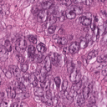 | TUM-TCGA-MEKVKCAC.tif | TUM | PDC | TUM | ✗ DIFF | TUM | 99.9% | 13.1% | 69.6%
2 | 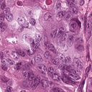 | TUM-TCGA-GPWFKGAV.tif | TUM | PDC | TUM | ✗ DIFF | TUM | 100.0% | 13.7% | 79.1%
3 |  | BACK-TCGA-IDESVLPV.tif | BACK | DEB | BACK | ✗ DIFF | BACK | 100.0% | 12.1% | 40.1%
4 | 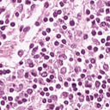 | LYM-TCGA-SWPNSYDL.tif | LYM | PLC | LYM | ✗ DIFF | LYM | 99.4% | 12.9% | 48.9%
5 | 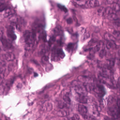 | TUM-TCGA-HYSKNVQL.tif | TUM | ADE | TUM | ✗ DIFF | TUM | 56.0% | 13.3% | 56.1%
6 | 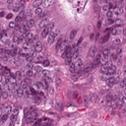 | TUM-TCGA-PTIGDCPG.tif | TUM | PDC | TUM | ✗ DIFF | TUM | 98.3% | 13.7% | 66.8%
7 | 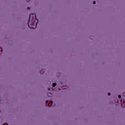 | BACK-TCGA-NLWMQEPR.tif | BACK | DEB | BACK | ✗ DIFF | BACK | 98.7% | 12.7% | 46.8%
8 | 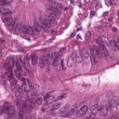 | TUM-TCGA-VKGWWHTV.tif | TUM | ADE | TUM | ✗ DIFF | TUM | 99.6% | 13.5% | 47.9%
9 | 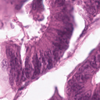 | TUM-TCGA-CDYYWLWQ.tif | TUM | ADE | TUM | ✗ DIFF | TUM | 100.0% | 13.3% | 47.3%
10 | 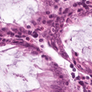 | NORM-TCGA-HKWNFGEH.tif | NORM | MUC | NORM | ✗ DIFF | NORM | 85.5% | 13.1% | 45.0%
11 | 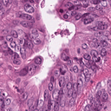 | TUM-TCGA-PNSHNHRL.tif | TUM | PDC | TUM | ✗ DIFF | TUM | 99.9% | 13.7% | 72.3%
12 | 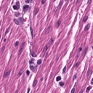 | MUS-TCGA-TNHKAWKI.tif | MUS | LYM | MUS | ✗ DIFF | MUS | 99.9% | 13.4% | 35.4%
13 | 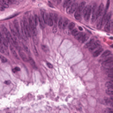 | TUM-TCGA-CHPDPVEF.tif | TUM | ADE | TUM | ✗ DIFF | NORM | 100.0% | 12.2% | 41.0%
14 |  | BACK-TCGA-CAFNSTVF.tif | BACK | DEB | BACK | ✗ DIFF | BACK | 100.0% | 12.2% | 33.1%
15 | 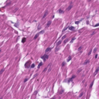 | MUS-TCGA-YRKKTSYP.tif | MUS | LYM | MUS | ✗ DIFF | MUS | 84.0% | 13.3% | 41.7%
16 | 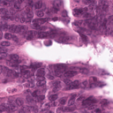 | TUM-TCGA-ANEVLWNA.tif | TUM | ADE | TUM | ✗ DIFF | TUM | 81.9% | 13.3% | 72.0%
17 |  | BACK-TCGA-KMPRFSGL.tif | BACK | MUC | BACK | ✗ DIFF | BACK | 75.4% | 12.4% | 51.3%
18 | 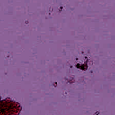 | BACK-TCGA-PEDFFTKM.tif | BACK | MUC | BACK | ✗ DIFF | BACK | 100.0% | 12.4% | 41.0%
19 | 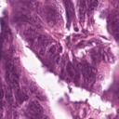 | TUM-TCGA-QDENEDFE.tif | TUM | ADE | TUM | ✗ DIFF | TUM | 67.7% | 13.5% | 66.1%
20 |  | BACK-TCGA-VVYINQTM.tif | BACK | DEB | BACK | ✗ DIFF | BACK | 100.0% | 12.1% | 40.1%
21 | 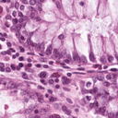 | NORM-TCGA-GVWCIWTI.tif | NORM | PLC | NORM | ✗ DIFF | NORM | 81.2% | 13.3% | 49.8%
22 | 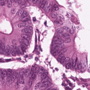 | TUM-TCGA-KRDGGYNF.tif | TUM | ADE | TUM | ✗ DIFF | TUM | 100.0% | 13.3% | 59.3%
23 | 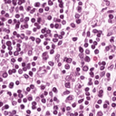 | LYM-TCGA-IHPHLMDY.tif | LYM | PLC | LYM | ✗ DIFF | LYM | 98.3% | 13.1% | 48.4%
24 | 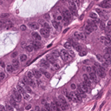 | TUM-TCGA-PYQAPTFF.tif | TUM | STR | TUM | ✗ DIFF | TUM | 91.3% | 13.4% | 51.4%
25 | 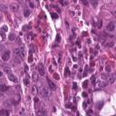 | TUM-TCGA-SMLWCMRR.tif | TUM | PDC | TUM | ✗ DIFF | TUM | 100.0% | 12.4% | 58.5%
26 | 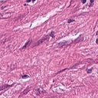 | MUS-TCGA-CDVKTWLG.tif | MUS | MUS | STR | ✗ DIFF | STR | 100.0% | 13.1% | 45.8%
27 | 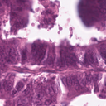 | TUM-TCGA-IAVFEYYV.tif | TUM | ADE | TUM | ✗ DIFF | TUM | 100.0% | 13.3% | 68.3%
28 | 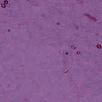 | BACK-TCGA-PGSQAHWV.tif | BACK | MES | BACK | ✗ DIFF | BACK | 59.2% | 12.3% | 35.0%
29 | 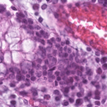 | NORM-TCGA-WKIFIHGH.tif | NORM | LYM | NORM | ✗ DIFF | NORM | 99.7% | 12.7% | 33.5%
30 | 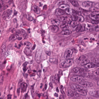 | TUM-TCGA-SSREEQNP.tif | TUM | PDC | TUM | ✗ DIFF | TUM | 66.8% | 13.2% | 51.2%

SAME (ZS=ANN)
# | Patch Image | Filename | True Label | Zero-Shot Pred | ANN Pred | Match? | Few-Shot Pred | ZS Confidence | ANN Confidence | FS Confidence
1 | 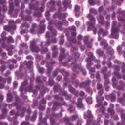 | LYM-TCGA-DGTRLATW.tif | LYM | LYM | LYM | ✓ SAME | LYM | 96.6% | 13.1% | 63.1%
2 | 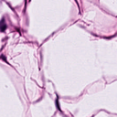 | ADI-TCGA-SKHNPHLH.tif | ADI | ADI | ADI | ✓ SAME | ADI | 100.0% | 13.0% | 62.0%
3 | 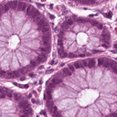 | NORM-TCGA-IMRRNPIP.tif | NORM | NORM | NORM | ✓ SAME | NORM | 99.9% | 12.9% | 60.8%
4 | 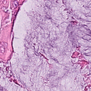 | MUC-TCGA-FKALRRED.tif | MUC | MUC | MUC | ✓ SAME | MUC | 100.0% | 12.8% | 62.0%
5 | 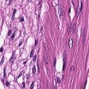 | MUS-TCGA-FNSTIEHP.tif | MUS | MUS | MUS | ✓ SAME | MUS | 100.0% | 13.2% | 63.2%
6 | 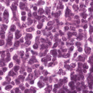 | LYM-TCGA-CRWAKHRY.tif | LYM | LYM | LYM | ✓ SAME | LYM | 99.7% | 12.4% | 36.8%
7 | 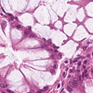 | NORM-TCGA-YFKESQQD.tif | NORM | NORM | NORM | ✓ SAME | NORM | 93.4% | 12.9% | 46.3%
8 | 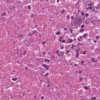 | DEB-TCGA-MWHCQCKF.tif | DEB | DEB | DEB | ✓ SAME | DEB | 100.0% | 13.1% | 70.7%
9 | 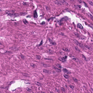 | MUS-TCGA-MPSIQSDR.tif | MUS | MUS | MUS | ✓ SAME | MUS | 100.0% | 13.6% | 59.5%
10 | 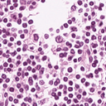 | LYM-TCGA-LATDFTLR.tif | LYM | LYM | LYM | ✓ SAME | LYM | 88.8% | 13.3% | 53.2%

