Reviews_ZS new Tissue Types
# | Patch Image | Filename | True Label | ZS Pred | ANN Pred | Few-Shot Pred | Alsanie Label (Dr. Ibrahim) | Althobiti Assessment (Dr. Maryam)
1 | 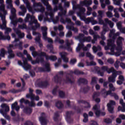 | LYM-RLPSHGFW.tif | LYM | LYA | LYM | LYM | LYM +LYA | Lymphoid aggregates
2 | 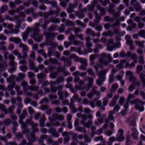 | LYM-RFGIPQQR.tif | LYM | LYA | LYM | LYM | LYM | Lymphoid aggregates
3 | 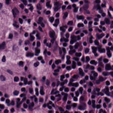 | LYM-SHMRWWAQ.tif | LYM | LYA | LYM | LYM | LYM | Plasma cell rich
4 | 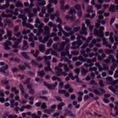 | LYM-QFESDHKN.tif | LYM | LYA | LYM | LYM | LYM | Lymphoid aggregates
5 | 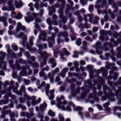 | LYM-DHNIAALM.tif | LYM | LYA | LYM | LYM | LYM | Plasma cell rich
6 | 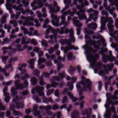 | LYM-HLTNVMKL.tif | LYM | LYA | LYM | LYM | LYM | Lymphoid aggregates
7 | 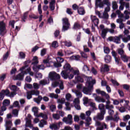 | LYM-QREGHATR.tif | LYM | LYA | LYM | LYM | LYM | Plasma cell rich
8 | 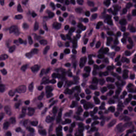 | LYM-ILKGHLHE.tif | LYM | LYA | LYM | LYM | LYM | Lymphoid aggregates
9 | 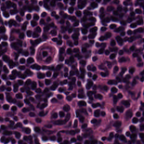 | LYM-QEMKVTMR.tif | LYM | LYA | LYM | LYM | LYM | Lymphoid aggregates
10 | 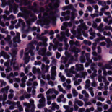 | LYM-ATDEYLRI.tif | LYM | LYA | LYM | LYM | LYM | Lymphoid aggregates
11 | 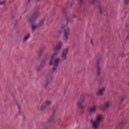 | MUS-EFCWGHSL.tif | MUS | MES | MUS | STR | MES | -
12 | 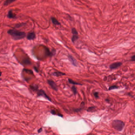 | MUS-RQPYGGKA.tif | MUS | MES | MUS | MUS | STR | -
13 | 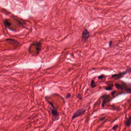 | MUS-CCLWNNRS.tif | MUS | MES | MUS | STR | STR | -
14 | 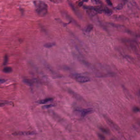 | MUS-IFVCCTAG.tif | MUS | MES | MUS | MUS | MES | -
15 | 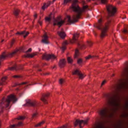 | MUS-DFTNTDTQ.tif | MUS | MES | MUS | STR | STR | -
16 | 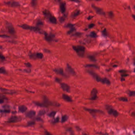 | MUS-DSVYPEKN.tif | MUS | MES | MUS | MUS | STR | -
17 | 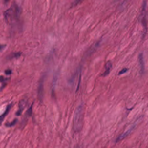 | MUS-VLKSFEAW.tif | MUS | MES | MUS | MUS | MES | -
18 | 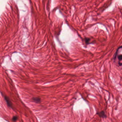 | MUS-SIMAYWRY.tif | MUS | MES | MUS | STR | STR | -
19 | 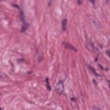 | STR-CHPPCDPL.tif | STR | MES | STR | STR | MES | MES
20 | 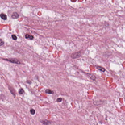 | STR-SRLEMFPN.tif | STR | MES | STR | STR | MES | Tumor-associated stromal tissue
21 | 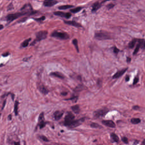 | STR-IHHNCCHR.tif | STR | MES | STR | STR | MES | Tumor-associated stromal tissue
22 | 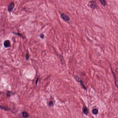 | STR-RYSSHWYF.tif | STR | MES | STR | STR | STR | MES
23 | 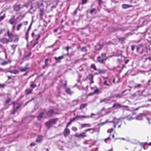 | STR-GLAVHTGQ.tif | STR | MES | STR | STR | STR | Tumor-associated stromal tissue
24 | 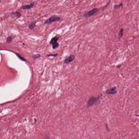 | STR-TSRDEFHK.tif | STR | MES | STR | STR | STR | MES
25 | 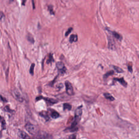 | STR-MDVDWSFH.tif | STR | MES | STR | STR | MES | Tumor-associated stromal tissue
26 | 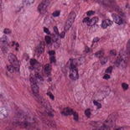 | STR-IFTDRLDH.tif | STR | MES | STR | STR | MES | Tumor-associated stromal tissue
27 | 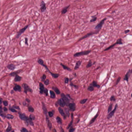 | STR-DSLQINIY.tif | STR | MES | STR | MUS | MES | Tumor-associated stromal tissue
28 | 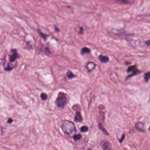 | STR-MSRPKKRR.tif | STR | MES | STR | STR | MES | Tumor-associated stromal tissue
29 | 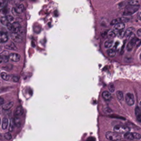 | TUM-WAMWGHTM.tif | TUM | ADE | TUM | TUM | ADE | Adenoma-like
30 | 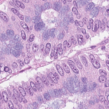 | TUM-PIMLSVSK.tif | TUM | ADE | TUM | TUM | ADE | Adenoma-like
31 | 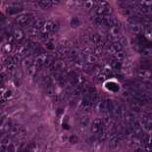 | TUM-CHMFYLCS.tif | TUM | ADE | TUM | TUM | ADE | Adenoma-like
32 | 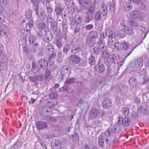 | TUM-KLRHPDCV.tif | TUM | ADE | TUM | TUM | ADE | PDC (poorly differentiated carcinoma)
33 | 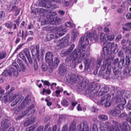 | TUM-VHVYDLHL.tif | TUM | ADE | TUM | TUM | ADE | CAR (adenocarcinoma)
34 | 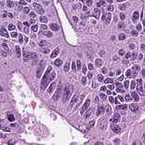 | TUM-FGKGEMYN.tif | TUM | ADE | TUM | TUM | ADE | CAR (adenocarcinoma)
35 | 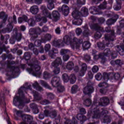 | TUM-VSKFKGKI.tif | TUM | ADE | TUM | TUM | ADE | PDC (poorly differentiated carcinoma)
36 | 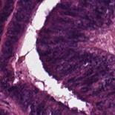 | TUM-IGFGSAKT.tif | TUM | ADE | TUM | TUM | CAR | Adenoma-like
37 | 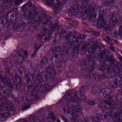 | TUM-LQYECHMF.tif | TUM | ADE | TUM | TUM | CAR | Adenoma-like
38 | 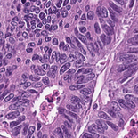 | TUM-GYWNKAIG.tif | TUM | ADE | TUM | TUM | ADE | CAR (adenocarcinoma)
39 | 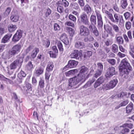 | TUM-GQHIEQKD.tif | TUM | PDC | TUM | TUM | PDC | PDC (poorly differentiated carcinoma)
40 | 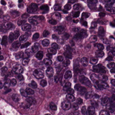 | TUM-MEANGVYT.tif | TUM | PDC | TUM | TUM | PDC | PDC (poorly differentiated carcinoma)
41 | 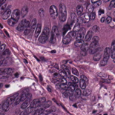 | TUM-SQDTIICQ.tif | TUM | PDC | TUM | TUM | CAR | Adenoma-like
42 | 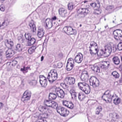 | TUM-YLVAYASP.tif | TUM | PDC | TUM | TUM | PDC | CAR (adenocarcinoma)
43 | 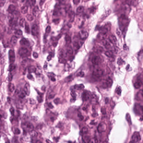 | TUM-TCGA-LGFIPWLS.tif | TUM | PDC | TUM | TUM | PDC | PDC (poorly differentiated carcinoma)
44 | 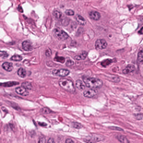 | TUM-TCGA-GLWALNCG.tif | TUM | PDC | TUM | TUM | CAR | PDC (poorly differentiated carcinoma)
45 | 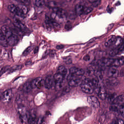 | TUM-FRWLAPRP.tif | TUM | PDC | TUM | TUM | PDC | CAR (adenocarcinoma)
46 | 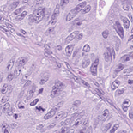 | TUM-ICDSQKQE.tif | TUM | PDC | TUM | TUM | PDC | Adenoma-like
47 | 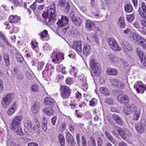 | TUM-VIMVRMRS.tif | TUM | PDC | TUM | TUM | CAR | CAR (adenocarcinoma)
48 | 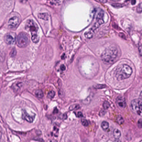 | TUM-AGADGPHY.tif | TUM | PDC | TUM | TUM | PDC | PDC (poorly differentiated carcinoma)
49 | 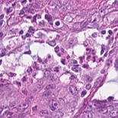 | TUM-RAMRSSVW.tif | TUM | SIG | TUM | TUM | - | PDC (poorly differentiated carcinoma)
50 | 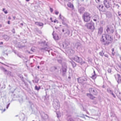 | TUM-GHYTFIKA.tif | TUM | SIG | TUM | TUM | - | PDC (poorly differentiated carcinoma)
51 |  | TUM-MYMTVWTM.tif | TUM | SIG | TUM | TUM | - | PDC (poorly differentiated carcinoma)
52 |  | TUM-PDQENNPF.tif | TUM | SIG | TUM | TUM | - | PDC (poorly differentiated carcinoma)
53 |  | TUM-MMRAKIPD.tif | TUM | SIG | TUM | TUM | - | PDC (poorly differentiated carcinoma)
54 |  | TUM-VFHPCCWQ.tif | TUM | SIG | TUM | TUM | - | CAR (adenocarcinoma)
55 |  | TUM-TKHFSTAT.tif | TUM | SIG | TUM | STR | - | PDC (poorly differentiated carcinoma)
56 |  | TUM-YRVGCRAN.tif | TUM | SIG | TUM | TUM | - | PDC (poorly differentiated carcinoma)
57 |  | TUM-CQTFKGHM.tif | TUM | SIG | TUM | TUM | - | PDC (poorly differentiated carcinoma)
58 |  | TUM-ECAEGKFH.tif | TUM | SIG | TUM | TUM | - | PDC (poorly differentiated carcinoma)
59 |  | TUM-KYYQIWYM.tif | TUM | CAR | TUM | TUM | PDC | Adenoma-like
60 |  | TUM-KRYYCAQE.tif | TUM | CAR | TUM | TUM | CAR | Adenoma-like
61 |  | TUM-ENGWGNPY.tif | TUM | CAR | TUM | TUM | PDC | PDC (poorly differentiated carcinoma)
62 |  | TUM-MGDATINR.tif | TUM | CAR | TUM | TUM | CAR | Adenoma-like
63 |  | TUM-KEVKLIDV.tif | TUM | CAR | TUM | TUM | CAR | CAR (adenocarcinoma)
64 |  | TUM-WCGAVVSF.tif | TUM | CAR | TUM | TUM | CAR | CAR (adenocarcinoma)
65 |  | TUM-GPSRGTKC.tif | TUM | CAR | TUM | TUM | CAR | PDC (poorly differentiated carcinoma)
66 |  | TUM-YWIQNLEC.tif | TUM | CAR | TUM | TUM | PDC | PDC (poorly differentiated carcinoma)
67 |  | TUM-YMLVFRPD.tif | TUM | CAR | TUM | TUM | CAR | PDC (poorly differentiated carcinoma)
68 |  | TUM-CNGHKAYV.tif | TUM | CAR | TUM | TUM | CAR | PDC (poorly differentiated carcinoma)

# | Patch Image | Filename | True Label | ZS Pred | ANN Pred | Few-Shot Pred | Alsanie Label (Dr. Ibrahim) | Althobiti Assessment (Dr. Maryam)
1 |  | ADI-FSLKEFCL.tif | ADI | ADI | ADI | ADI | ADI | -
2 |  | ADI-LVEFNLPR.tif | ADI | ADI | ADI | ADI | ADI | -
3 |  | ADI-DIHICAVN.tif | ADI | ADI | ADI | ADI | ADI | -
4 |  | ADI-LYPGPLSL.tif | ADI | ADI | ADI | ADI | ADI | -
5 |  | ADI-NNGVNECA.tif | ADI | ADI | ADI | ADI | ADI | -
6 |  | DEB-SSMCNKLH.tif | DEB | DEB | DEB | DEB | DEB | -
7 |  | DEB-RPQVCGLV.tif | DEB | DEB | DEB | DEB | DEB | -
8 |  | DEB-KFCIWFVC.tif | DEB | DEB | DEB | DEB | DEB | -
9 |  | LYM-IGAVSAQE.tif | LYM | LYM | LYM | LYM | LYM | -
10 |  | LYM-NPNLLKTY.tif | LYM | LYM | LYM | LYM | LYM | -
11 |  | LYM-NWLSRGKY.tif | LYM | LYM | LYM | LYM | LYM | -
12 |  | LYM-FVTCSGLT.tif | LYM | LYM | LYM | LYM | LYM | -
13 |  | LYM-KCYQGRFL.tif | LYM | LYM | LYM | LYM | LYM | -
14 |  | MUS-TDFKQYLV.tif | MUS | MUS | MUS | MUS | MUS | -
15 |  | MUS-KMVRSVCT.tif | MUS | MUS | MUS | MUS | MES | -
16 |  | MUS-VFHFWAYQ.tif | MUS | MUS | MUS | MUS | MUS | -
17 |  | NORM-YNRPTIQH.tif | NORM | NORM | NORM | NORM | NORM | -
18 |  | NORM-NKTMTQVW.tif | NORM | NORM | NORM | NORM | NORM | -
19 |  | NORM-SNSYHIEV.tif | NORM | NORM | NORM | NORM | NORM | -
20 |  | NORM-LTGSRGDW.tif | NORM | NORM | NORM | NORM | NORM | -
21 |  | NORM-TNSHNSLW.tif | NORM | NORM | NORM | NORM | NORM | -
22 |  | STR-DITLQHIH.tif | STR | STR | STR | STR | STR | -
23 |  | STR-RMHGDDKK.tif | STR | STR | STR | STR | STR | -
24 |  | STR-CEMMNTDC.tif | STR | STR | STR | STR | STR | -
25 |  | STR-RVVSNYTI.tif | STR | STR | STR | STR | STR | -

Blinded Review
Patch Image | Filename | ZS Prediction | ZS Confidence | Dr. Ibrahim (Alsanie Label) | Dr. Maryam (Althobiti Assessment) | ANN Prediction | ANN Confidence | FS Prediction | FS Confidence
 | LYM-AAHLDRSQ.tif | LYM | 95.7% | LYA Lymphoid aggregates | - | LYM | 13.2% | LYM | 62.6%
 | LYM-AATTSRNN.tif | LYM | 96.2% | LYA Lymphoid aggregates | - | LYM | 13.2% | LYM | 76.5%
 | LYM-ADVKMTIW.tif | LYM | 100.0% | Plasma-cell rich | - | LYM | 12.8% | LYM | 59.8%
 | LYM-ADWFIEWD.tif | LYM | 99.0% | Plasma-cell rich | - | LYM | 13.0% | LYM | 47.9%
 | LYM-AFGYATTL.tif | LYM | 100.0% | LYA Lymphoid aggregates | - | LYM | 13.4% | LYM | 75.7%
 | LYM-AFMIMFNT.tif | LYM | 90.3% | Plasma-cell rich | - | LYM | 12.5% | LYM | 33.7%
 | LYM-TCGA-ARAGGTET.tif | LYM | 99.5% | - | LYA Lymphoid aggregates | LYM | 12.5% | LYM | 63.8%
 | LYM-TCGA-ETAFGIDP.tif | PLC | 100.0% | - | Plasma-cell rich | LYM | 12.4% | LYM | 25.4%
 | LYM-TCGA-LLHRISTI.tif | PLC | 100.0% | - | Plasma-cell rich | LYM | 12.6% | LYM | 39.9%
 | LYM-TCGA-LYHDPDWS.tif | PLC | 100.0% | - | Plasma-cell rich | LYM | 12.6% | LYM | 34.3%
 | LYM-TCGA-NKFPRRLK.tif | LYM | 100.0% | - | LYA Lymphoid aggregates | LYM | 13.1% | LYM | 64.4%
 | LYM-TCGA-RNAKNQAF.tif | LYM | 61.7% | - | LYA Lymphoid aggregates | LYM | 12.5% | LYM | 63.7%
 | LYM-TCGA-SEAVWLDC.tif | PLC | 100.0% | - | Plasma-cell rich | LYM | 12.5% | STR | 30.5%
 | LYM-TCGA-SFTHKTLT.tif | LYM | 99.8% | - | LYA Lymphoid aggregates | LYM | 12.9% | LYM | 67.7%
 | LYM-TCGA-WINCEPVN.tif | PLC | 100.0% | - | Plasma-cell rich | LYM | 12.5% | STR | 29.0%
 | LYM-TCGA-WNMSGNFR.tif | LYM | 100.0% | - | LYA Lymphoid aggregates | LYM | 12.8% | LYM | 62.5%
 | STR-AACRYYNQ.tif | MES | 97.8% | STR Tumor-associated stromal | - | STR | 13.2% | STR | 53.6%
 | STR-AADVKNKD.tif | MUS | 99.5% | MES Mesenchymal tissue | - | STR | 13.4% | MUS | 30.6%
 | STR-AAEILWWE.tif | MUS | 100.0% | STR Tumor-associated stromal | - | STR | 13.1% | STR | 44.1%
 | STR-AAEKHKRD.tif | MUS | 99.6% | MES Mesenchymal tissue | - | STR | 13.8% | STR | 52.9%
 | STR-AAGHEMLY.tif | LYM | 71.4% | MES Mesenchymal tissue | - | STR | 13.6% | STR | 32.9%
 | STR-AAGKYVFR.tif | DEB | 50.6% | STR Tumor-associated stromal | - | STR | 13.9% | STR | 51.9%
 | STR-AAGTFLEG.tif | MUS | 95.9% | MES Mesenchymal tissue | - | STR | 12.6% | STR | 54.8%
 | STR-AAIWFEWK.tif | MES | 94.5% | STR Tumor-associated stromal | - | STR | 13.4% | STR | 54.0%
 | STR-AAMAYRAT.tif | MUS | 99.7% | STR Tumor-associated stromal | - | STR | 14.0% | STR | 42.3%
 | STR-AAPGVNCP.tif | DEB | 99.7% | MES Mesenchymal tissue | - | STR | 13.8% | STR | 57.4%
 | STR-TCGA-DLEDEYGD.tif | MUS | 99.8% | - | MES | STR | 12.9% | STR | 45.7%
 | STR-TCGA-DQSSPRGK.tif | STR | 100.0% | - | MES | STR | 13.2% | STR | 65.2%
 | STR-TCGA-DTYRTLQQ.tif | DEB | 100.0% | - | Tumor-associated stromal tissue | DEB | 12.2% | STR | 47.7%
 | STR-TCGA-EGDQATKI.tif | MUS | 94.3% | - | MES | STR | 12.2% | STR | 41.2%
 | STR-TCGA-GNYIDDMW.tif | STR | 100.0% | - | Tumor-associated stromal tissue | STR | 12.4% | STR | 37.0%
 | STR-TCGA-NDRHVMIY.tif | MUS | 100.0% | - | Tumor-associated stromal tissue | STR | 12.1% | STR | 30.2%
 | STR-TCGA-STQTVLDL.tif | MUS | 85.9% | - | Tumor-associated stromal tissue | STR | 12.8% | STR | 59.1%
 | STR-TCGA-VWGHEGND.tif | LYM | 100.0% | - | Tumor-associated stromal tissue | TUM | 11.8% | STR | 27.9%
 | STR-TCGA-WEALRAYK.tif | MUS | 90.0% | - | MES | STR | 13.2% | STR | 43.7%
 | STR-TCGA-YYGFPGNK.tif | MUS | 99.0% | - | MES | STR | 12.5% | STR | 28.6%
 | TUM-AACIIWHN.tif | PDC | 100.0% | PDC (poorly differentiated carcinoma) | - | TUM | 13.6% | TUM | 73.6%
 | TUM-AACLKFGG.tif | PDC | 89.2% | CAR (adenocarcinoma) | - | TUM | 12.9% | TUM | 55.5%
 | TUM-AAGHMARR.tif | PDC | 85.6% | CAR (adenocarcinoma) | - | TUM | 13.6% | TUM | 73.9%
 | TUM-AAHVWQSR.tif | PDC | 100.0% | PDC (poorly differentiated carcinoma) | - | TUM | 13.6% | TUM | 79.0%
 | TUM-AAIEFNAN.tif | STR | 87.7% | ADE (adenoma-like) | - | TUM | 13.1% | TUM | 47.7%
 | TUM-AAKAPVEC.tif | ADE | 56.1% | CAR (adenocarcinoma) | - | TUM | 13.5% | TUM | 60.6%
 | TUM-AAKCPIQQ.tif | PDC | 100.0% | PDC (poorly differentiated carcinoma) | - | TUM | 12.8% | TUM | 57.2%
 | TUM-ANSKSTQA.tif | PDC | 99.6% | ADE (adenoma-like) | - | TUM | 13.7% | TUM | 84.3%
 | TUM-ATLIFCCK.tif | PDC | 100.0% | ADE (adenoma-like) | - | TUM | 13.3% | TUM | 61.6%
 | TUM-TCGA-ACRLPPQE.tif | ADE | 100.0% | - | CAR (adenocarcinoma) | TUM | 13.4% | TUM | 69.9%
 | TUM-TCGA-EECCVFDP.tif | PDC | 93.2% | - | CAR (adenocarcinoma) | TUM | 13.5% | TUM | 69.3%
 | TUM-TCGA-LTQYNESM.tif | ADE | 99.2% | - | CAR (adenocarcinoma) | TUM | 13.6% | TUM | 73.3%
 | TUM-TCGA-MEIEQEAN.tif | ADE | 100.0% | - | ADE (adenoma-like) | TUM | 13.6% | TUM | 65.5%
 | TUM-TCGA-PPKINPLY.tif | PDC | 100.0% | - | PDC (poorly differentiated carcinoma) | TUM | 13.2% | TUM | 66.6%
 | TUM-TCGA-RPCHDKCH.tif | PDC | 100.0% | - | PDC (poorly differentiated carcinoma) | TUM | 13.2% | TUM | 73.8%
 | TUM-TCGA-SHKYEPGL.tif | PDC | 80.6% | - | CAR (adenocarcinoma) | TUM | 13.6% | TUM | 74.4%
 | TUM-TCGA-SWQSYGEH.tif | PDC | 99.9% | - | PDC (poorly differentiated carcinoma) | TUM | 13.3% | TUM | 69.9%
 | TUM-TCGA-TSMIEIAY.tif | PDC | 100.0% | - | PDC (poorly differentiated carcinoma) | TUM | 13.3% | TUM | 69.0%
 | TUM-TCGA-TWSWQRRH.tif | ADE | 81.8% | - | ADE (adenoma-like) | TUM | 13.4% | TUM | 60.8%
 | TUM-TCGA-WINTKSNP.tif | ADE | 97.7% | - | ADE (adenoma-like) | TUM | 13.6% | TUM | 55.3%
 | TUM-TCGA-WNMPKFKC.tif | STR | 53.5% | - | ADE (adenoma-like) | TUM | 13.6% | TUM | 60.1%
 | TUM-TCGA-WNTEIIWF.tif | STR | 100.0% | - | ADE (adenoma-like) | TUM | 13.4% | TUM | 55.0%
 | TUM-TCGA-YIMMQHNI.tif | ADE | 100.0% | - | CAR (adenocarcinoma) | TUM | 13.5% | TUM | 56.7%
 | TUM-TCGA-YRWIKDYQ.tif | MES | 72.6% | - | PDC (poorly differentiated carcinoma) | TUM | 13.2% | TUM | 42.9%

