Sheet1
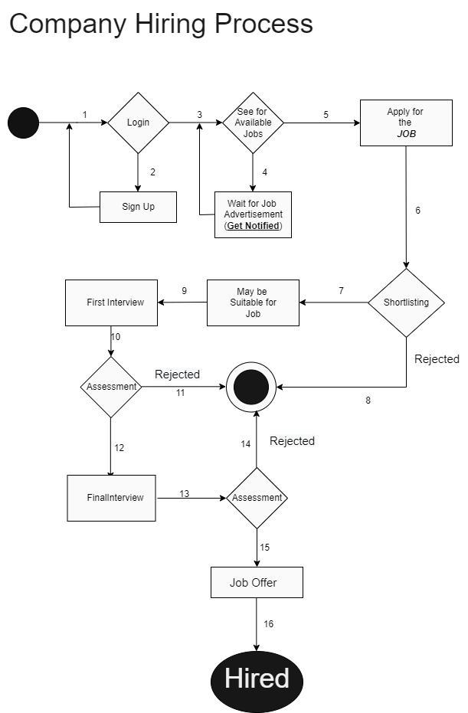

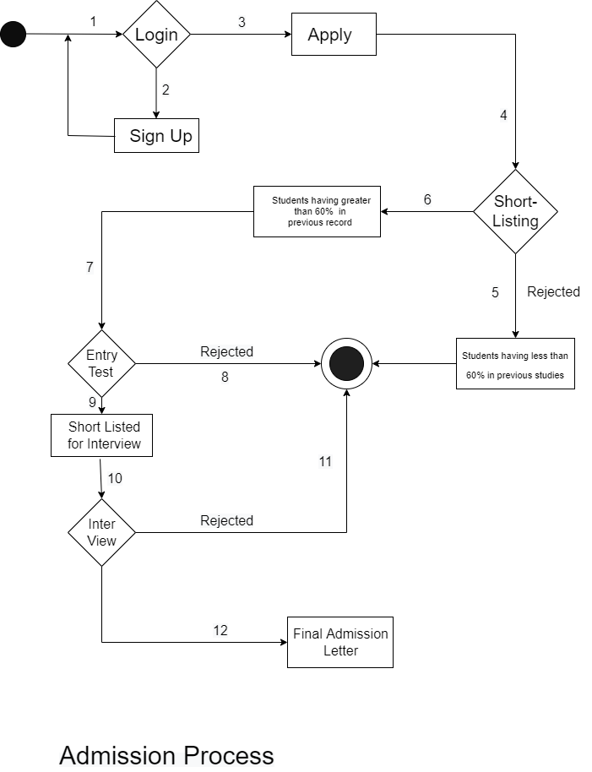
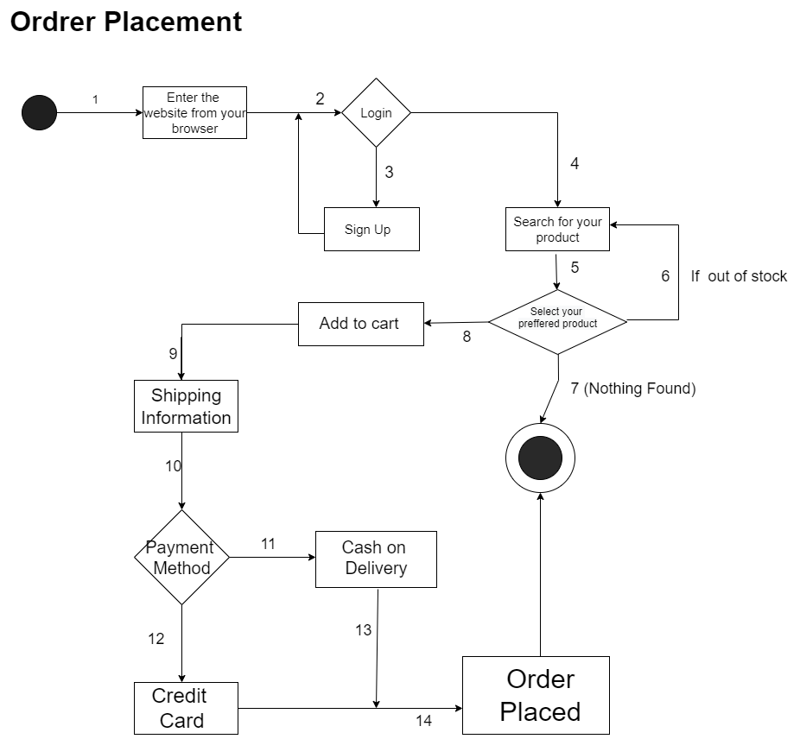

Sheet2

Hiring in a Company
Sr.No. | Test Groups | Description | Valid/Invalid | Sr. No. | Variables
1 | 1,2 | Account registration is necessary | Invalid | 1 | Name
2 | 1,3,4 | Get notified when jobs will be available | Invalid | 2 | Password
3 | 1,3,5,6,8 | Not qualified for interview | Invalid | 3 | CNIC
4 | 1,3,5,6,7,9,10,11 | Rejected after first interview | Invalid
5 | 1,3,5,6,7,9,10,12,13,14 | Rejected after final interview/assessment | Invalid
6 | 1,,3,5,7,9,10,12,13,15,16 | Job offered | Valid

 | Equivalent Classess
Login/signup name field(Maximum 5 alphanumeric characters allowed)
 | Invalid | Valid | Invalid
1 | 89ab | 893ar | 890abc
2 | 8932 | 47396 | 473968
3 | idrs | idres | idrees

 | Password field(Maximum 5 alphanumeric characters allowed)
 |  | Invalid | Valid | Invalid
 | 1 | 893a | 893bc | 789abc
 | 2 | 1234 | 12345 | 123456
 | 3 | abcd | abcde | abcdef

CNIC field in SignUp(Only 13 alphanumeric characters allowed)
 | Invalid | Valid | Invalid
1 | 12345-6789123- | 12345-6789123-4 | 12345-6789123-45

 | Boundary Values
 | Boundary Values for name field(only five alphanumeric)
 | ON | OFF | IN
 | idrs1 | idrees123 | abc1

 | Boundary Values for password field(only five alphanumeric)
 | ON | OFF | IN
 | idrs1 | idrees123 | abc1

 | Boundary values for CNIC field(only 13 numbers allowed)
 | ON | OFF | IN
 | 12345-6789101-1 | 12345-6789101-112 | 12345-6789101-

