Verfication plan
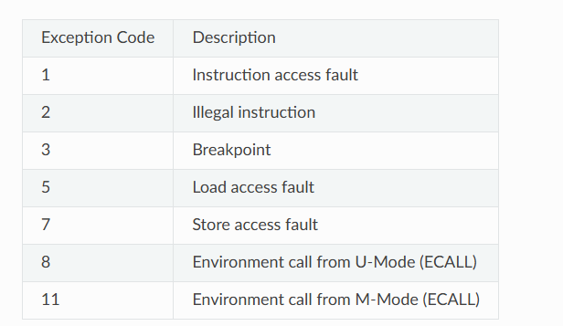
Section no. | Section name | Subsection no. | Subsection name | Item no. | Description | Pass/Fail Criteria | Test Type | Covergroup | progress | status
 |  |  | CTRLMODER Register Config | FD-CTR-01 | Set TXFLOW bit | TX of PAUSE frames enabled; TXC interrupt source enabled
 |  |  |  | FD-CTR-02 | Set RXFLOW bit | RX of PAUSE frames blocks Tx MAC; RXC interrupt enabled
 |  |  |  | FD-CTR-03 | Set PASSALL bit | All received frames (incl. control) passed to host
 |  |  |  | FD-CTR-04 | Send PAUSE frame. PASSALL=0, RXFLOW=0 | Frame dropped, not stored, no RXC/RXB interrupt, pause timer unchanged
 |  |  |  | FD-CTR-05 | Send PAUSE frame. PASSALL=0, RXFLOW=1 | RXC interrupt set, pause timer loaded, frame not stored
 |  |  |  | FD-CTR-06 | Send PAUSE frame. PASSALL=1, RXFLOW=0 | Frame stored as normal data (CF=1 in Rx BD), RXB set, RXC not set, pause timer unchanged
 |  |  |  | FD-CTR-07 | Send PAUSE frame. PASSALL=1, RXFLOW=1 | only RXC set, pause timer loaded, frame also stored with CF=1 in Rx BD
 |  |  | Control Frame Detection | FD-CFD-01 | Valid PAUSE frame, correct DA | DA = reserved multicast (01-80-c2-00-00-01), Length/Type=0x8808, Opcode=0x0001. Frame recognized as control frame
 |  |  |  | FD-CFD-02 | Valid PAUSE frame, DA = own MAC address | MAC_ADDR0/1 matches frame DA. Frame recognized as control frame
 |  |  |  | FD-CFD-03 | Invalid DA (neither multicast nor own MAC) | Random DA in PAUSE-formatted frame. Frame treated as normal data frame, not control frame
 |  |  |  | FD-CFD-04 | Wrong Length/Type field (!= 0x8808) | Length/Type = 0x0800. Not recognized as PAUSE frame
 |  |  |  | FD-CFD-05 | Wrong Opcode (!= 0x0001) | Opcode = 0x0002. Not recognized as valid PAUSE frame
 |  |  |  | FD-CFD-06 | PAUSE frame with CRC error | Inject CRC error into otherwise valid PAUSE frame.CrcError bit set in Rx BD; verify RXC/pause-timer behavior still respects RXFLOW/PASSALL
 |  |  |  | FD-CFD-07 | Pause timer load value | PAUSE frame Timer Value = 0x1234, RXFLOW=1, PASSALL=0. Internal pause timer loaded with 0x1234
 |  |  | PAUSE Timer | FD-PT-01 | Tx MAC blocked after PAUSE received | Load pause timer with N slot times, RXFLOW=1. TxStartFrm from host not seen by Tx MAC during pause; TxUsedData not seen by host
 |  |  |  | FD-PT-02 | Pause timer decrement | Pause timer = N. Timer decrements by 1 per slot time (Slot Timer pulse)
 |  |  |  | FD-PT-03 | Resume transmission after timer expiry | Timer reaches 0. Tx MAC resumes normal transmission
 |  |  |  | FD-PT-04 | Slot timer activation | Pause timer preloaded.Slot timer activates and generates pulses for each 64-byte slot time
 |  |  |  | FD-PT-05 | Pause timer value of 0 | PAUSE frame with Timer Value = 0x0000. No pause inhibition (or immediate resume)
 |  |  |  | FD-PT-06 | Pause timer maximum value | Timer Value = 0xFFFF. Full 16-bit range correctly loaded and counted down
 |  |  |  | FD-PT-07 | New PAUSE frame received during active pause | Second PAUSE frame arrives before timer expires.Timer reloaded with new value
 |  |  | Control Frame Generation | FD-CFG-01 | TXFLOW=0, request PAUSE TX | Set TXCTRL.TXPAUSERQ=1. PAUSE frame transmission blocked
 |  |  |  | FD-CFG-02 | TXFLOW=1, request PAUSE TX | Set TXCTRL.TXPAUSERQ=1, write TXPAUSETV. Control module waits for current TX to finish, then sends PAUSE frame
 |  |  |  | FD-CFG-03 | Verify PAUSE frame structure | After TX of PAUSE frame. DA = multicast/own addr, Length/Type=0x8808, Opcode=0x0001, Timer Value=TXPAUSETV, padded to 64 bytes, valid CRC appended
 |  |  |  | FD-CFG-04 | TXPAUSERQ auto-clear | After write 1 to TXPAUSERQ. Bit automatically cleared to 0
 |  |  |  | FD-CFG-05 | TXC interrupt on PAUSE TX completion | TXFLOW=1, send PAUSE frame. TXC bit set in INT_SOURCE after transmission completes
 |  |  |  | FD-CFG-06 | New PAUSE TX request while previous still pending | Issue TXPAUSERQ twice rapidly. Second request ignored until first is sent (internal latch prevents duplicate)
 |  |  |  | FD-CFG-07 | TxStartFrm/TxEndFrm signal sequence during PAUSE TX | Monitor signals during PAUSE TX. TxStartFrm asserted at start, TxEndFrm asserted at end of PAUSE frame
 |  |  |  | FD-CFG-08 | Padding/CRC auto-enable for control frames | Send PAUSE frame regardless of MODER PAD/CRCEN settings.Pad and CRC automatically appended (PadOut/CrcEnOut asserted)
 |  |  | Interrupt Tests | FD-INT-01 | RXC interrupt mask | INT_MASK.RXC_M=0, receive PAUSE frame. RXC bit set in INT_SOURCE but no interrupt asserted
 |  |  |  | FD-INT-02 | RXC interrupt enabled | INT_MASK.RXC_M=1, receive PAUSE frame. INTA_O asserted when RXC set
 |  |  |  | FD-INT-03 | TXC interrupt mask/enable | Same as above for TXC_M, transmitted PAUSE frame. Same masking/enabling behavior for TXC
 |  |  |  | FD-INT-04 | Clear RXC/TXC by writing 1 | Write 1 to RXC/TXC bits. Bits cleared to 0

