List
Category | Screenshot | Xml
List |  | 11.xml
List | 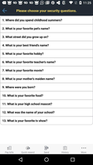 | 1004.xml
List | 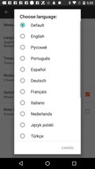 | 1016.xml
List | 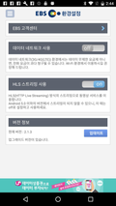 | 1086.xml
List | 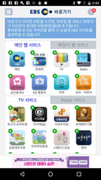 | 1088.xml
List | 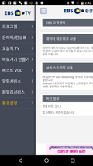 | 1089.xml
List | 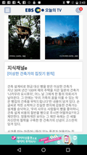 | 1090.xml
List | 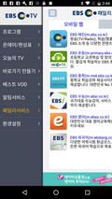 | 1092.xml
List | 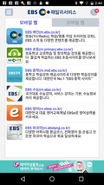 | 1093.xml
List | 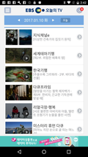 | 1095.xml
List | 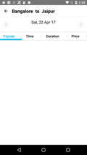 | 1101.xml
List |  | 1103.xml
List |  | 1106.xml
List | 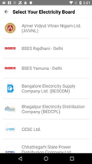 | 1107.xml
List |  | 1109.xml
List |  | 1110.xml
List | 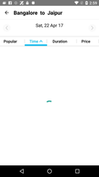 | 1112.xml
List |  | 1116.xml
List |  | 1150.xml
List | 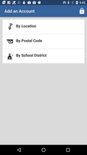 | 1153.xml
List |  | 1160.xml
List | 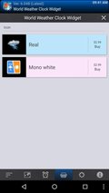 | 1189.xml
List | 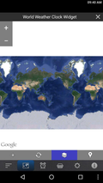 | 1190.xml
List | 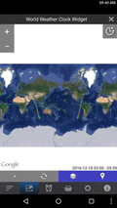 | 1192.xml
List | 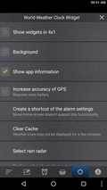 | 1193.xml
List | 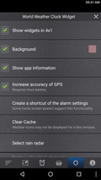 | 1195.xml
List | 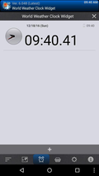 | 1197.xml
List | 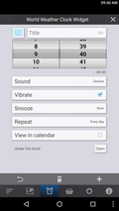 | 1201.xml
List | 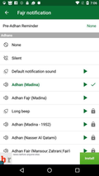 | 1239.xml
List |  | 1243.xml
List |  | 10012.xml
List |  | 10018.xml
List |  | 10071.xml
List | 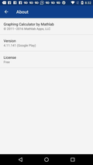 | 10141.xml
List | 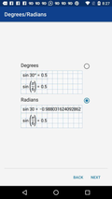 | 10153.xml
List | 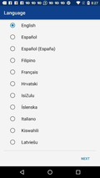 | 10161.xml
List | 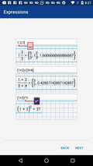 | 10164.xml
List |  | 10175.xml
List | 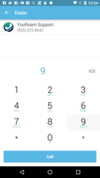 | 10290.xml
List |  | 10292.xml
List | 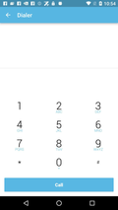 | 10298.xml
List | 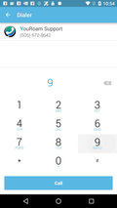 | 10303.xml
List |  | 10348.xml
List | 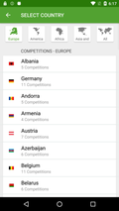 | 10365.xml
List |  | 10423.xml
List | 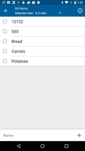 | 10425.xml
List | 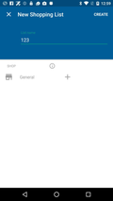 | 10429.xml
List | 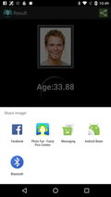 | 10435.xml
List | 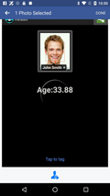 | 10436.xml
List |  | 10516.xml
List | 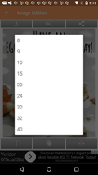 | 10524.xml
List |  | 10525.xml
List |  | 10581.xml
List | 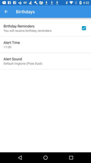 | 10582.xml
List | 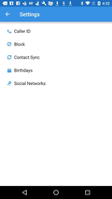 | 10586.xml
List |  | 10587.xml
List |  | 10588.xml
List |  | 10589.xml
List |  | 10590.xml
List |  | 10591.xml
List |  | 10599.xml
List | 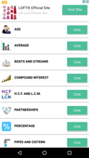 | 10605.xml
List | 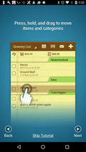 | 10672.xml
List | 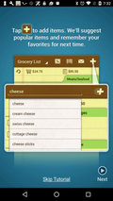 | 10677.xml
List |  | 10681.xml
List |  | 10684.xml
List |  | 10696.xml
List | 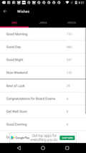 | 10705.xml
List | 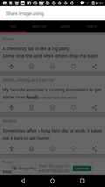 | 10711.xml
List |  | 10714.xml
List |  | 10715.xml
List |  | 10716.xml
List | 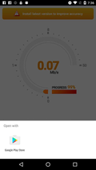 | 10735.xml
List | 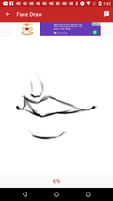 | 10782.xml
List | 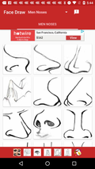 | 10783.xml
List | 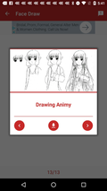 | 10785.xml
List |  | 10836.xml
List | 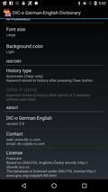 | 10904.xml
List | 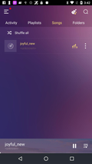 | 10937.xml
List | 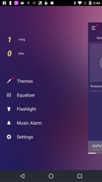 | 10938.xml
List | 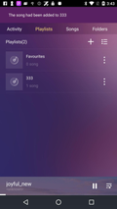 | 10939.xml
List |  | 10940.xml
List |  | 10946.xml
List | 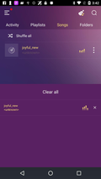 | 10948.xml
List |  | 10949.xml
List |  | 10963.xml
List |  | 10979.xml
List |  | 11052.xml
List |  | 11102.xml
List |  | 11224.xml
List |  | 11230.xml
List |  | 11232.xml
List |  | 11237.xml
List |  | 11238.xml
List |  | 11239.xml
List |  | 11241.xml
List |  | 11270.xml
List |  | 11300.xml
List |  | 11302.xml
List |  | 11304.xml
List |  | 11306.xml
List |  | 11357.xml
List |  | 11371.xml
List |  | 11378.xml
List |  | 11395.xml
List |  | 11406.xml
List |  | 11418.xml
List |  | 11419.xml
List |  | 11422.xml
List |  | 11438.xml
List |  | 11446.xml
List |  | 11488.xml
List |  | 11495.xml
List |  | 11587.xml
List |  | 11597.xml
List |  | 11617.xml
List |  | 11632.xml
List |  | 11639.xml
List |  | 11644.xml
List |  | 11677.xml
List |  | 11692.xml
List |  | 11697.xml
List |  | 11698.xml
List |  | 11699.xml
List |  | 11706.xml
List |  | 11725.xml
List |  | 11730.xml
List |  | 11731.xml
List |  | 11736.xml
List |  | 11741.xml
List |  | 11746.xml
List |  | 11756.xml
List |  | 11799.xml
List |  | 11858.xml
List |  | 11885.xml
List |  | 11904.xml
List |  | 11907.xml
List |  | 11909.xml
List |  | 11937.xml
List |  | 11980.xml
List |  | 12004.xml
List |  | 12005.xml
List |  | 12011.xml
List |  | 12039.xml
List |  | 12040.xml
List |  | 12041.xml
List |  | 12043.xml
List |  | 12136.xml
List |  | 12232.xml
List |  | 12299.xml
List |  | 12326.xml
List |  | 12368.xml
List |  | 12378.xml
List |  | 12386.xml
List |  | 12414.xml
List |  | 12417.xml
List |  | 12429.xml
List |  | 12443.xml
List |  | 12444.xml
List |  | 12462.xml
List |  | 12464.xml
List |  | 12498.xml
List |  | 12499.xml
List |  | 12500.xml
List |  | 12501.xml
List |  | 12504.xml
List |  | 12505.xml
List |  | 12510.xml
List |  | 12511.xml
List |  | 12512.xml
List |  | 12513.xml
List |  | 12514.xml

