Search
Category | Screenshot | Xml
Search | 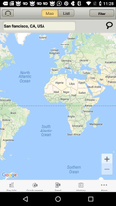 | 1005.xml
Search |  | 1049.xml
Search |  | 1052.xml
Search |  | 1094.xml
Search |  | 1097.xml
Search |  | 1121.xml
Search |  | 1123.xml
Search |  | 1125.xml
Search |  | 1126.xml
Search |  | 1130.xml
Search |  | 1132.xml
Search |  | 1135.xml
Search |  | 1152.xml
Search |  | 1163.xml
Search |  | 1166.xml
Search |  | 1170.xml
Search |  | 1171.xml
Search |  | 1172.xml
Search |  | 1174.xml
Search |  | 1175.xml
Search |  | 10005.xml
Search |  | 10008.xml
Search |  | 10010.xml
Search |  | 10011.xml
Search |  | 10013.xml
Search |  | 10015.xml
Search |  | 10020.xml
Search |  | 10021.xml
Search |  | 10022.xml
Search |  | 10059.xml
Search |  | 10114.xml
Search |  | 10115.xml
Search |  | 10117.xml
Search | 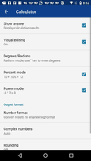 | 10139.xml
Search |  | 10172.xml
Search |  | 10178.xml
Search |  | 10206.xml
Search |  | 10233.xml
Search |  | 10317.xml
Search |  | 10366.xml
Search |  | 10368.xml
Search |  | 10370.xml
Search |  | 10377.xml
Search |  | 10381.xml
Search |  | 10382.xml
Search |  | 10383.xml
Search |  | 10397.xml
Search |  | 10399.xml
Search |  | 10472.xml
Search |  | 10473.xml
Search |  | 10477.xml
Search |  | 10531.xml
Search |  | 10542.xml
Search | 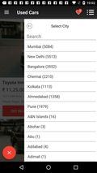 | 10549.xml
Search |  | 10555.xml
Search |  | 10636.xml
Search |  | 10639.xml
Search |  | 10641.xml
Search |  | 10643.xml
Search |  | 10644.xml
Search |  | 10649.xml
Search |  | 10674.xml
Search |  | 10676.xml
Search | 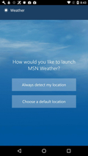 | 10686.xml
Search |  | 10689.xml
Search |  | 10690.xml
Search | 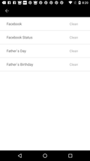 | 10713.xml
Search |  | 10718.xml
Search | 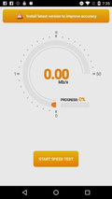 | 10733.xml
Search | 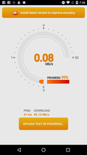 | 10734.xml
Search | 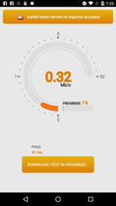 | 10736.xml
Search |  | 10750.xml
Search |  | 10772.xml
Search |  | 10804.xml
Search |  | 10812.xml
Search |  | 10819.xml
Search |  | 10824.xml
Search |  | 10837.xml
Search |  | 10861.xml
Search | 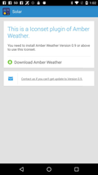 | 10900.xml
Search | 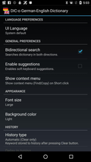 | 10902.xml
Search |  | 10922.xml
Search |  | 10927.xml
Search |  | 10931.xml
Search |  | 10964.xml
Search |  | 10986.xml
Search |  | 10988.xml
Search |  | 10993.xml
Search |  | 10995.xml
Search |  | 10998.xml
Search |  | 11006.xml
Search | 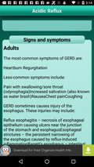 | 11022.xml
Search |  | 11023.xml
Search |  | 11038.xml
Search |  | 11042.xml
Search |  | 11043.xml
Search |  | 11045.xml
Search |  | 11050.xml
Search |  | 11051.xml
Search |  | 11096.xml
Search |  | 11100.xml
Search |  | 11104.xml
Search |  | 11109.xml
Search |  | 11112.xml
Search |  | 11114.xml
Search |  | 11118.xml
Search |  | 11119.xml
Search |  | 11127.xml
Search |  | 11129.xml
Search |  | 11130.xml
Search |  | 11131.xml
Search |  | 11139.xml
Search | 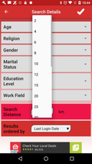 | 11142.xml
Search |  | 11143.xml
Search |  | 11174.xml
Search |  | 11175.xml
Search |  | 11178.xml
Search |  | 11179.xml
Search |  | 11223.xml
Search |  | 11234.xml
Search | 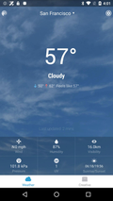 | 11301.xml
Search |  | 11303.xml
Search |  | 11312.xml
Search |  | 11331.xml
Search | 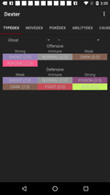 | 11332.xml
Search | 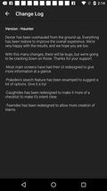 | 11337.xml
Search | 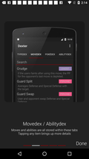 | 11340.xml
Search | 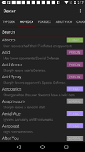 | 11344.xml
Search |  | 11361.xml
Search |  | 11362.xml
Search |  | 11366.xml
Search |  | 11368.xml
Search |  | 11385.xml
Search | 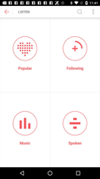 | 11386.xml
Search | 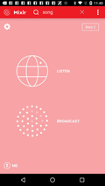 | 11392.xml
Search |  | 11397.xml
Search |  | 11470.xml
Search |  | 11518.xml
Search |  | 11563.xml
Search |  | 11564.xml
Search |  | 11565.xml
Search |  | 11566.xml
Search |  | 11567.xml
Search |  | 11568.xml
Search |  | 11569.xml
Search |  | 11570.xml
Search |  | 11571.xml
Search |  | 11572.xml
Search |  | 11573.xml
Search | 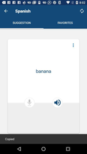 | 11574.xml
Search |  | 11575.xml
Search |  | 11576.xml
Search |  | 11577.xml
Search |  | 11578.xml
Search |  | 11579.xml
Search |  | 11580.xml
Search |  | 11581.xml
Search |  | 11582.xml
Search |  | 11583.xml
Search |  | 11584.xml
Search |  | 11585.xml
Search |  | 11586.xml
Search |  | 11590.xml
Search |  | 11591.xml
Search |  | 11636.xml
Search | 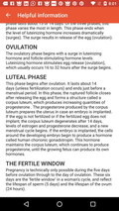 | 11638.xml
Search | 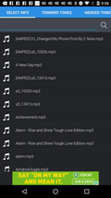 | 11662.xml
Search | 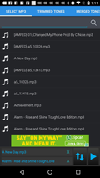 | 11663.xml
Search | 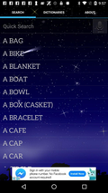 | 11665.xml
Search |  | 11666.xml
Search |  | 11667.xml
Search |  | 11668.xml
Search |  | 11670.xml
Search |  | 11671.xml
Search | 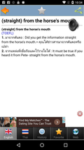 | 11673.xml
Search |  | 11675.xml
Search |  | 11701.xml
Search |  | 11714.xml

