Welcome
Category | Screenshot | Xml
Welcome | 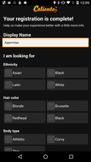 | 181.xml
Welcome |  | 1399.xml
Welcome |  | 1475.xml
Welcome |  | 1479.xml
Welcome |  | 1946.xml
Welcome |  | 2124.xml
Welcome |  | 2181.xml
Welcome |  | 2222.xml
Welcome |  | 2376.xml
Welcome |  | 2558.xml
Welcome | 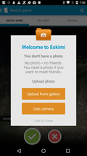 | 10107.xml
Welcome |  | 10119.xml
Welcome |  | 10125.xml
Welcome |  | 10474.xml
Welcome |  | 10619.xml
Welcome |  | 10620.xml
Welcome | 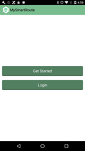 | 10671.xml
Welcome |  | 10818.xml
Welcome |  | 10926.xml
Welcome | 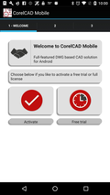 | 11275.xml
Welcome |  | 11441.xml
Welcome | 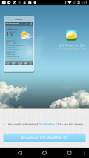 | 11837.xml
Welcome | 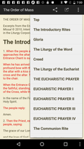 | 11963.xml
Welcome | 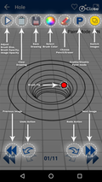 | 12118.xml
Welcome |  | 12139.xml
Welcome |  | 12175.xml
Welcome |  | 12184.xml
Welcome |  | 12188.xml
Welcome | 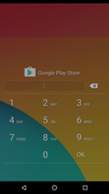 | 12320.xml
Welcome |  | 12369.xml
Welcome |  | 12668.xml
Welcome |  | 12727.xml
Welcome |  | 12734.xml
Welcome |  | 12736.xml
Welcome | 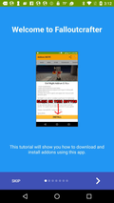 | 12773.xml
Welcome |  | 12825.xml
Welcome | 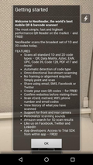 | 12889.xml
Welcome |  | 13004.xml
Welcome |  | 13012.xml
Welcome |  | 13202.xml
Welcome |  | 13287.xml
Welcome | 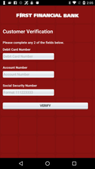 | 13316.xml
Welcome |  | 13415.xml
Welcome | 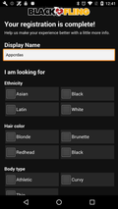 | 13444.xml
Welcome |  | 13465.xml
Welcome |  | 13807.xml
Welcome |  | 13822.xml
Welcome |  | 13938.xml
Welcome | 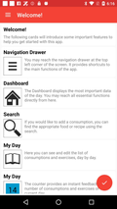 | 13952.xml
Welcome |  | 14038.xml
Welcome |  | 14041.xml
Welcome |  | 14082.xml
Welcome |  | 14090.xml
Welcome |  | 14095.xml
Welcome |  | 14104.xml
Welcome |  | 14435.xml
Welcome |  | 14552.xml
Welcome |  | 14556.xml
Welcome |  | 14611.xml
Welcome |  | 14773.xml
Welcome | 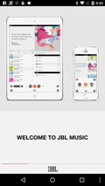 | 14817.xml
Welcome | 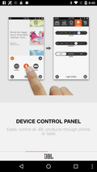 | 14818.xml
Welcome | 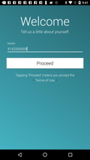 | 15161.xml
Welcome |  | 15209.xml
Welcome | 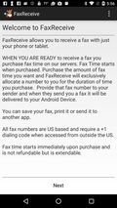 | 15278.xml
Welcome |  | 15326.xml
Welcome |  | 15367.xml
Welcome |  | 15370.xml
Welcome |  | 15534.xml
Welcome |  | 15603.xml
Welcome | 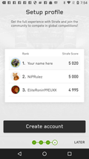 | 15606.xml
Welcome |  | 15607.xml
Welcome | 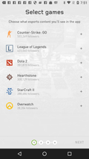 | 15609.xml
Welcome |  | 15669.xml
Welcome |  | 15879.xml
Welcome | 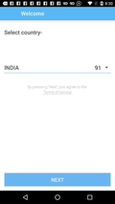 | 15953.xml
Welcome |  | 16280.xml
Welcome |  | 16409.xml
Welcome |  | 16524.xml
Welcome |  | 16729.xml
Welcome | 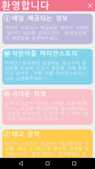 | 16749.xml
Welcome |  | 16791.xml
Welcome |  | 16792.xml
Welcome |  | 16809.xml
Welcome |  | 16815.xml
Welcome |  | 17090.xml
Welcome |  | 17191.xml
Welcome | 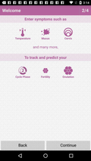 | 17356.xml
Welcome | 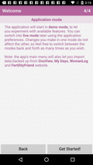 | 17360.xml
Welcome |  | 17387.xml
Welcome |  | 17388.xml
Welcome |  | 18049.xml
Welcome |  | 18052.xml
Welcome |  | 18056.xml
Welcome |  | 18459.xml
Welcome |  | 18558.xml
Welcome | 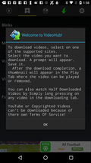 | 18687.xml
Welcome |  | 18925.xml
Welcome |  | 18931.xml
Welcome |  | 18932.xml
Welcome | 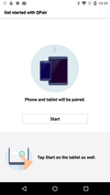 | 18983.xml
Welcome |  | 18984.xml
Welcome |  | 19159.xml
Welcome |  | 19162.xml
Welcome |  | 19163.xml
Welcome |  | 19612.xml
Welcome |  | 19709.xml
Welcome |  | 19725.xml
Welcome | 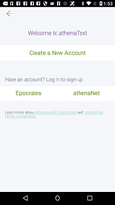 | 19804.xml
Welcome |  | 19828.xml
Welcome |  | 19844.xml
Welcome | 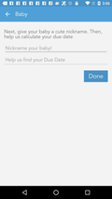 | 20013.xml
Welcome |  | 20360.xml
Welcome | 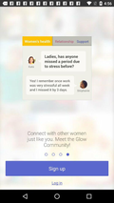 | 20673.xml
Welcome |  | 20677.xml
Welcome |  | 20679.xml
Welcome |  | 20690.xml
Welcome |  | 20691.xml
Welcome |  | 20853.xml
Welcome |  | 20854.xml
Welcome |  | 20855.xml
Welcome |  | 20856.xml
Welcome |  | 20908.xml
Welcome |  | 20913.xml
Welcome |  | 21136.xml
Welcome |  | 21191.xml
Welcome |  | 21302.xml
Welcome |  | 21309.xml
Welcome |  | 21576.xml
Welcome | 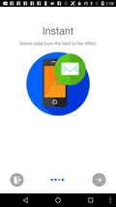 | 21641.xml
Welcome |  | 21687.xml
Welcome |  | 21691.xml
Welcome |  | 21710.xml
Welcome |  | 21730.xml
Welcome |  | 22025.xml
Welcome | 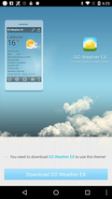 | 22236.xml
Welcome |  | 22939.xml
Welcome |  | 22988.xml
Welcome |  | 23034.xml
Welcome | 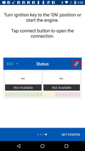 | 23261.xml
Welcome |  | 23304.xml
Welcome |  | 23706.xml
Welcome |  | 23709.xml
Welcome |  | 23710.xml
Welcome |  | 23711.xml
Welcome |  | 23712.xml
Welcome |  | 23713.xml
Welcome |  | 23714.xml
Welcome |  | 23715.xml
Welcome |  | 23716.xml
Welcome |  | 23717.xml
Welcome |  | 23776.xml
Welcome |  | 23820.xml
Welcome |  | 23863.xml
Welcome |  | 23891.xml
Welcome | 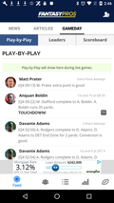 | 24008.xml
Welcome | 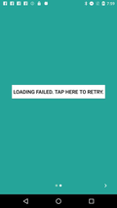 | 24093.xml
Welcome |  | 24289.xml
Welcome | 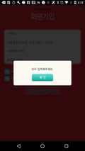 | 24364.xml
Welcome | 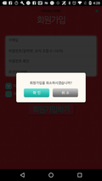 | 24365.xml
Welcome |  | 24465.xml
Welcome |  | 24897.xml
Welcome |  | 25056.xml
Welcome |  | 25072.xml
Welcome |  | 25469.xml
Welcome |  | 25585.xml
Welcome | 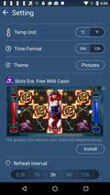 | 25614.xml

