RICO Dataset
Category | Screenshot | Xml
Menu | 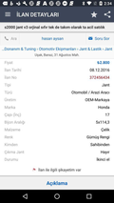 | 10312.xml
Menu | 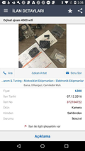 | 10313.xml
Menu | 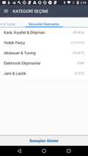 | 10315.xml
Menu | 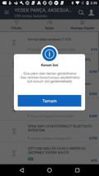 | 10316.xml
Menu | 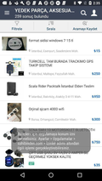 | 10318.xml
Menu | 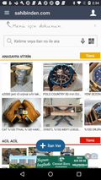 | 10319.xml
Menu | 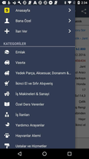 | 10320.xml
Menu |  | 10347.xml
Menu |  | 10349.xml
Menu | 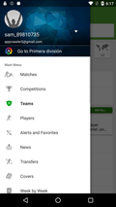 | 10350.xml
Menu |  | 10351.xml
Menu |  | 10353.xml
Menu |  | 10354.xml
Menu | 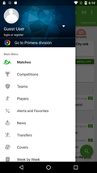 | 10356.xml
Menu |  | 10357.xml
Menu |  | 10358.xml
Menu | 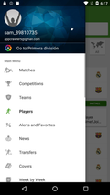 | 10360.xml
Menu | 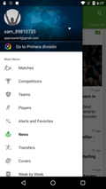 | 10361.xml
Menu |  | 10363.xml
Menu |  | 10364.xml
Menu | 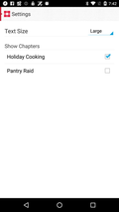 | 10375.xml
Menu |  | 10384.xml
Menu | 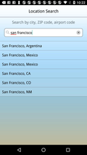 | 10386.xml
Menu | 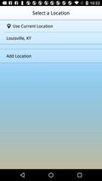 | 10387.xml
Menu | 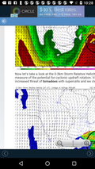 | 10388.xml
Menu |  | 10392.xml
Menu | 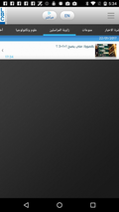 | 10408.xml
Menu | 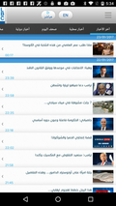 | 10409.xml
Menu |  | 10421.xml
Menu | 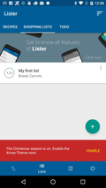 | 10428.xml
Menu | 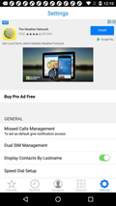 | 10446.xml
Menu | 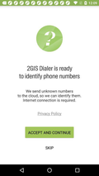 | 10447.xml
Menu | 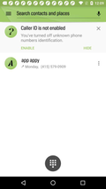 | 10448.xml
Menu | 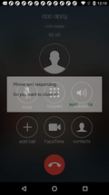 | 10454.xml
Menu | 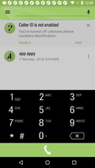 | 10463.xml
Menu |  | 10469.xml
Menu |  | 10470.xml
Menu |  | 10471.xml
Menu |  | 10476.xml
Menu |  | 10478.xml
Menu | 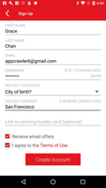 | 10480.xml
Menu | 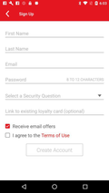 | 10484.xml
Menu | 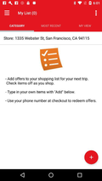 | 10485.xml
Menu |  | 10502.xml
Menu | 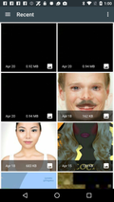 | 10513.xml
Menu | 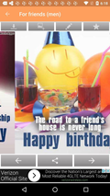 | 10519.xml
Menu |  | 10520.xml
Menu |  | 10521.xml
Menu |  | 10527.xml
Menu | 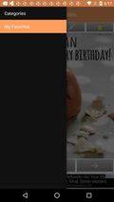 | 10528.xml
Menu |  | 10533.xml
Menu | 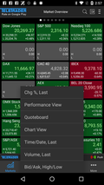 | 10534.xml
Menu |  | 10535.xml
Menu |  | 10536.xml
Menu | 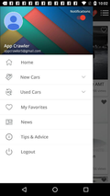 | 10540.xml
Menu |  | 10548.xml
Menu | 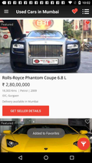 | 10550.xml
Menu |  | 10553.xml
Menu | 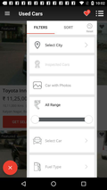 | 10556.xml
Menu | 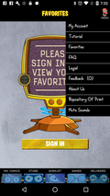 | 10559.xml
Menu | 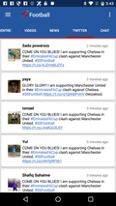 | 10562.xml
Login | 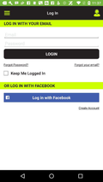 | 100.xml
Login |  | 104.xml
Login |  | 1000.xml
Login | 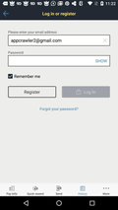 | 1001.xml
Login |  | 1020.xml
Login |  | 1039.xml
Login |  | 1043.xml
Login | 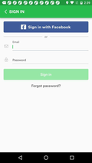 | 1070.xml
Login |  | 1071.xml
Login | 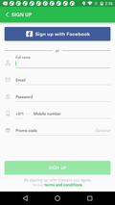 | 1072.xml
Login | 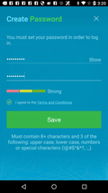 | 1083.xml
Login | 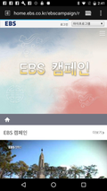 | 1084.xml
Login | 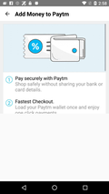 | 1102.xml
Login |  | 1115.xml
Login |  | 1119.xml
Login |  | 1120.xml
Login |  | 1122.xml
Login |  | 1138.xml
Login |  | 1139.xml
Login |  | 1140.xml
Login | 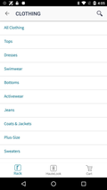 | 1142.xml
Login | 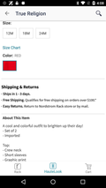 | 1143.xml
Login | 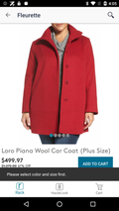 | 1144.xml
Login | 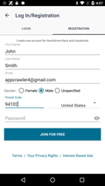 | 1146.xml
Login | 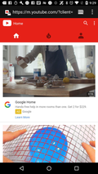 | 10047.xml
Login | 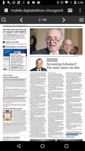 | 10051.xml
Login |  | 10104.xml
Login |  | 10112.xml
Login | 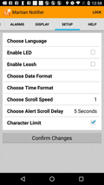 | 10121.xml
Login |  | 10167.xml
Login |  | 10171.xml
Login | 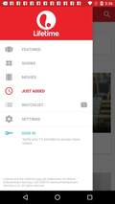 | 10176.xml
Login |  | 10180.xml
Login |  | 10182.xml
Login |  | 10183.xml
Login |  | 10189.xml
Login |  | 10193.xml
Login |  | 10200.xml
Login |  | 10209.xml
Login |  | 10223.xml
Login |  | 10260.xml
Login |  | 10262.xml
Login |  | 10265.xml
Login |  | 10272.xml
Login |  | 10273.xml
Login |  | 10274.xml
Login |  | 10276.xml
Login |  | 10278.xml
Login |  | 10289.xml
Login |  | 10314.xml
Login |  | 10341.xml
Login |  | 10344.xml
Login |  | 10416.xml
Login |  | 10422.xml
Login |  | 10465.xml
Login |  | 10466.xml
Login |  | 10479.xml
Login |  | 10482.xml
Login |  | 10487.xml

