RICO Dataset
Category | Screenshot | Xml
Search | 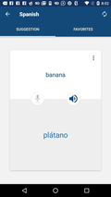 | 11571.xml
Search |  | 11572.xml
Search |  | 11573.xml
Search | 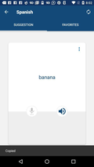 | 11574.xml
Search |  | 11575.xml
Search |  | 11576.xml
Search | 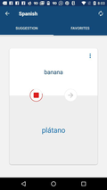 | 11577.xml
Search |  | 11578.xml
Search |  | 11579.xml
Search |  | 11580.xml
Search |  | 11581.xml
Search |  | 11582.xml
Search |  | 11583.xml
Search |  | 11584.xml
Search | 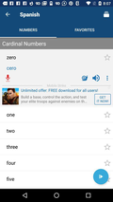 | 11585.xml
Search | 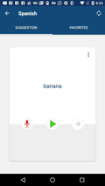 | 11586.xml
Search |  | 11590.xml
Search |  | 11591.xml
Search |  | 11636.xml
Search | 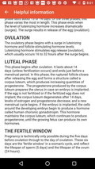 | 11638.xml
Search | 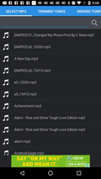 | 11662.xml
Search | 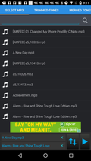 | 11663.xml
Search | 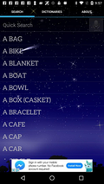 | 11665.xml
Search |  | 11666.xml
Search | 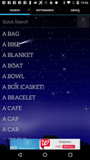 | 11667.xml
Search |  | 11668.xml
Search |  | 11670.xml
Search |  | 11671.xml
Search | 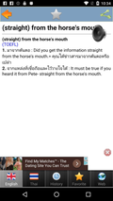 | 11673.xml
Search |  | 11675.xml
Search |  | 11701.xml
Search |  | 11714.xml
List |  | 11.xml
List | 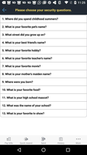 | 1004.xml
List |  | 1016.xml
List | 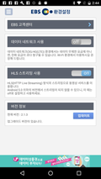 | 1086.xml
List | 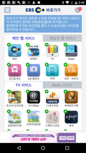 | 1088.xml
List | 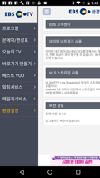 | 1089.xml
List |  | 1090.xml
List |  | 1092.xml
List | 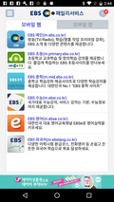 | 1093.xml
List |  | 1095.xml
List | 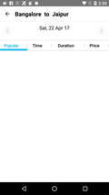 | 1101.xml
List |  | 1103.xml
List |  | 1106.xml
List |  | 1107.xml
List |  | 1109.xml
List |  | 1110.xml
List | 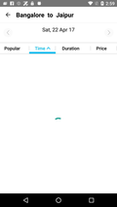 | 1112.xml
List |  | 1116.xml
List |  | 1150.xml
List | 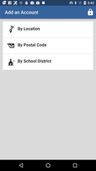 | 1153.xml
List |  | 1160.xml
List | 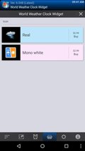 | 1189.xml
List | 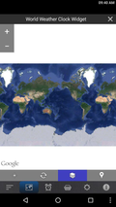 | 1190.xml
List | 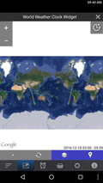 | 1192.xml
List | 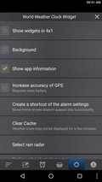 | 1193.xml
List | 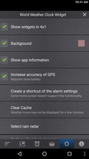 | 1195.xml
List | 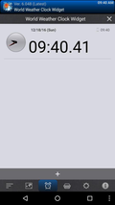 | 1197.xml
List | 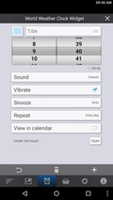 | 1201.xml
List | 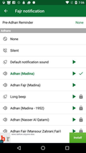 | 1239.xml
List |  | 1243.xml
List |  | 10012.xml
List |  | 10018.xml
List |  | 10071.xml
List | 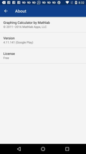 | 10141.xml
List | 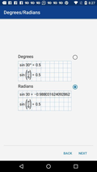 | 10153.xml
List | 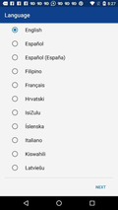 | 10161.xml
List | 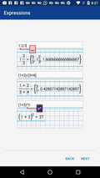 | 10164.xml
List |  | 10175.xml
List | 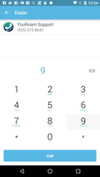 | 10290.xml
List |  | 10292.xml
List | 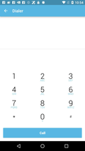 | 10298.xml
List | 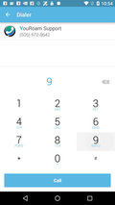 | 10303.xml
List |  | 10348.xml
List | 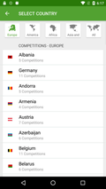 | 10365.xml
List |  | 10423.xml
List | 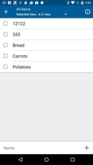 | 10425.xml
List | 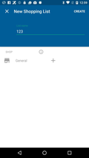 | 10429.xml
List |  | 10435.xml
List |  | 10436.xml
List |  | 10516.xml
List | 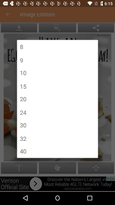 | 10524.xml
List |  | 10525.xml
List |  | 10581.xml
List | 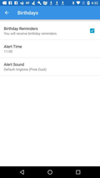 | 10582.xml
List | 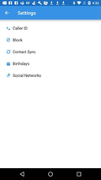 | 10586.xml
List |  | 10587.xml
List |  | 10588.xml
List |  | 10589.xml
List |  | 10590.xml
List |  | 10591.xml
List |  | 10599.xml
List |  | 10605.xml
List | 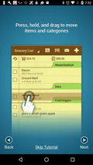 | 10672.xml
List | 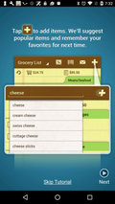 | 10677.xml
List |  | 10681.xml
List |  | 10684.xml
List |  | 10696.xml
List |  | 10705.xml
List |  | 10711.xml
List |  | 10714.xml
List |  | 10715.xml
List |  | 10716.xml
List | 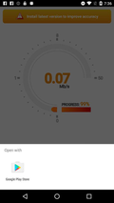 | 10735.xml
List | 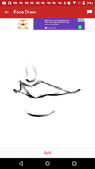 | 10782.xml
List |  | 10783.xml
List | 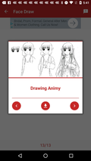 | 10785.xml
List |  | 10836.xml
List | 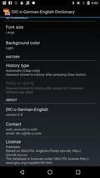 | 10904.xml
List | 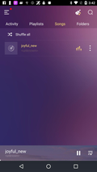 | 10937.xml
List | 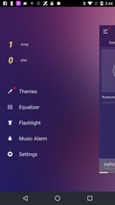 | 10938.xml
List | 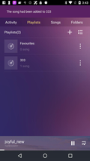 | 10939.xml
List |  | 10940.xml
List |  | 10946.xml
List | 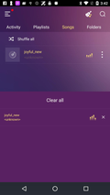 | 10948.xml
List |  | 10949.xml
List |  | 10963.xml
List |  | 10979.xml
List |  | 11052.xml

