RICO Dataset
Category | Screenshot | Xml
Chat |  | 11877.xml
Chat | 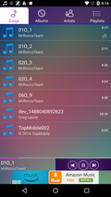 | 11880.xml
Chat | 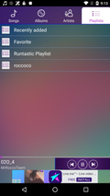 | 11882.xml
Chat | 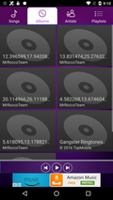 | 11883.xml
Chat | 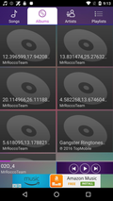 | 11888.xml
Chat | 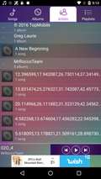 | 11889.xml
Chat | 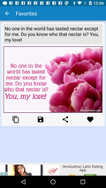 | 11925.xml
Chat |  | 11928.xml
Chat | 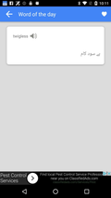 | 12008.xml
Chat | 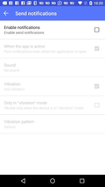 | 12048.xml
Chat | 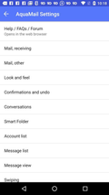 | 12049.xml
Chat |  | 12050.xml
Chat | 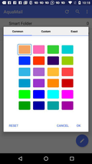 | 12053.xml
Chat | 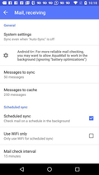 | 12058.xml
Chat | 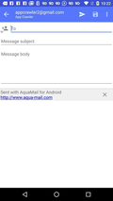 | 12064.xml
Chat |  | 12075.xml
Chat | 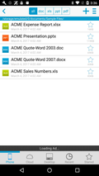 | 12307.xml
Chat | 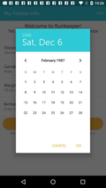 | 12324.xml
Chat |  | 12379.xml
Chat |  | 12392.xml
Chat |  | 12400.xml
Chat |  | 12402.xml
Chat |  | 12403.xml
Chat | 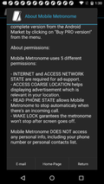 | 12521.xml
Chat | 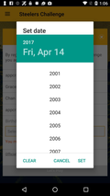 | 12615.xml
Chat | 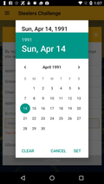 | 12620.xml
Chat |  | 12625.xml
Chat |  | 12698.xml
Chat | 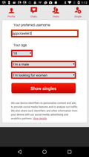 | 12779.xml
Chat |  | 12782.xml
Chat |  | 12875.xml
Chat |  | 12877.xml
Chat |  | 12878.xml
Chat | 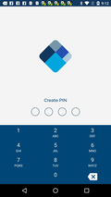 | 12948.xml
Chat | 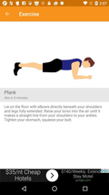 | 13076.xml
Chat | 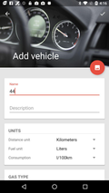 | 13082.xml
Chat | 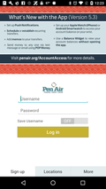 | 13164.xml
Chat |  | 13174.xml
Chat |  | 13191.xml
Chat | 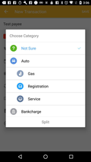 | 13229.xml
Chat | 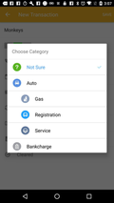 | 13231.xml
Chat |  | 13314.xml
Chat | 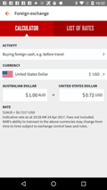 | 13351.xml
Chat |  | 13380.xml
Chat |  | 13430.xml
Chat |  | 13463.xml
Welcome | 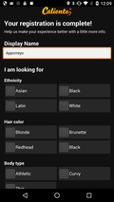 | 181.xml
Welcome |  | 1399.xml
Welcome |  | 1475.xml
Welcome |  | 1479.xml
Welcome |  | 1946.xml
Welcome |  | 2124.xml
Welcome | 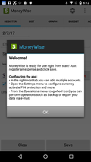 | 2181.xml
Welcome |  | 2222.xml
Welcome | 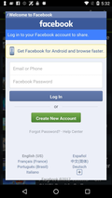 | 2376.xml
Welcome |  | 2558.xml
Welcome | 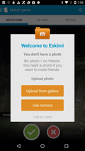 | 10107.xml
Welcome |  | 10119.xml
Welcome |  | 10125.xml
Welcome |  | 10474.xml
Welcome |  | 10619.xml
Welcome | 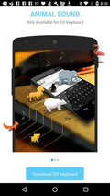 | 10620.xml
Welcome | 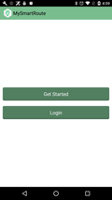 | 10671.xml
Welcome |  | 10818.xml
Welcome | 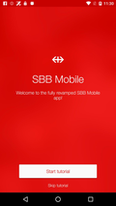 | 10926.xml
Welcome | 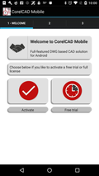 | 11275.xml
Welcome |  | 11441.xml
Welcome | 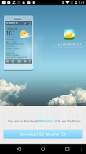 | 11837.xml
Welcome | 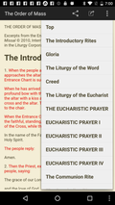 | 11963.xml
Welcome | 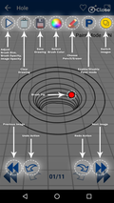 | 12118.xml
Welcome |  | 12139.xml
Welcome |  | 12175.xml
Welcome |  | 12184.xml
Welcome |  | 12188.xml
Welcome | 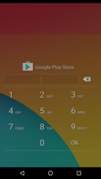 | 12320.xml
Welcome | 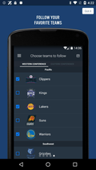 | 12369.xml
Welcome |  | 12668.xml
Welcome |  | 12727.xml
Welcome |  | 12734.xml
Welcome |  | 12736.xml
Welcome | 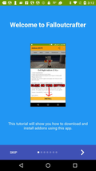 | 12773.xml
Welcome |  | 12825.xml
Welcome | 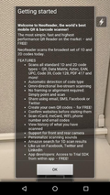 | 12889.xml
Welcome | 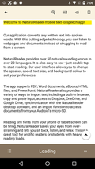 | 13004.xml
Welcome | 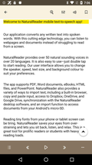 | 13012.xml
Welcome |  | 13202.xml
Welcome |  | 13287.xml
Welcome | 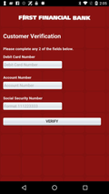 | 13316.xml
Welcome |  | 13415.xml
Welcome | 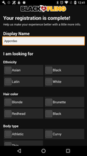 | 13444.xml
Welcome |  | 13465.xml
Welcome |  | 13807.xml
Welcome |  | 13822.xml
Welcome |  | 13938.xml
Welcome | 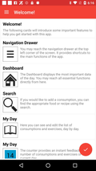 | 13952.xml
Welcome |  | 14038.xml
Welcome |  | 14041.xml
Welcome |  | 14082.xml
Welcome |  | 14090.xml
Welcome |  | 14095.xml
Welcome | 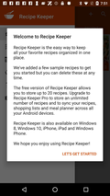 | 14104.xml
Welcome |  | 14435.xml
Welcome |  | 14552.xml
Welcome |  | 14556.xml
Welcome |  | 14611.xml
Welcome |  | 14773.xml
Welcome | 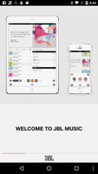 | 14817.xml
Welcome | 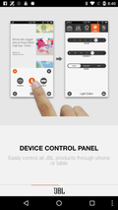 | 14818.xml
Welcome | 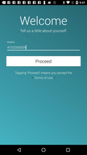 | 15161.xml
Welcome |  | 15209.xml
Welcome | 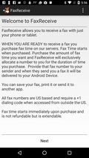 | 15278.xml
Welcome |  | 15326.xml
Welcome |  | 15367.xml
Welcome |  | 15370.xml
Welcome |  | 15534.xml
Welcome |  | 15603.xml
Welcome |  | 15606.xml
Welcome |  | 15607.xml
Welcome |  | 15609.xml
Welcome |  | 15669.xml

