RICO Dataset
Category | Screenshot | Xml
Profile |  | 24353.xml
Profile | 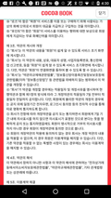 | 24360.xml
Profile |  | 24595.xml
Profile |  | 24644.xml
Profile | 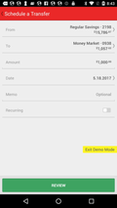 | 24645.xml
Profile |  | 24893.xml
Profile |  | 25138.xml
Profile |  | 25141.xml
Profile | 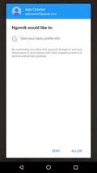 | 25372.xml
Profile | 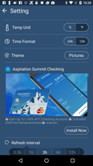 | 25387.xml
Profile | 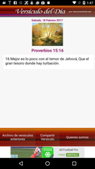 | 25771.xml
Profile |  | 26033.xml
Profile | 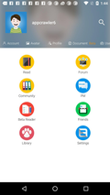 | 26790.xml
Profile |  | 26877.xml
Profile |  | 27063.xml
Profile |  | 27257.xml
Profile | 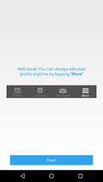 | 27363.xml
Profile |  | 27368.xml

