Sheet1
LoanAmount | Loan_Amount_Term
128 | 360 | Parameters by Chi-Square Test:
66 | 360 | PsiNegBinomial(15,0.0429620526644401,PsiTruncate(-E1+30,E1+30))
120 | 360 | k = 15
141 | 360 | p = 0.0429620526644401
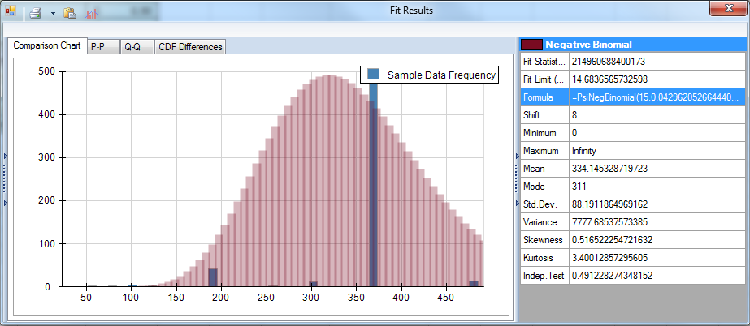
267 | 360
95 | 360
158 | 360
168 | 360
349 | 360
70 | 360
109 | 360
200 | 360
114 | 360
17 | 120
125 | 360
100 | 240
76 | 360
133 | 360
104 | 360
315 | 360
116 | 360
112 | 360
151 | 360
191 | 360
122 | 360
110 | 360
35 | 360
120 | 360
201 | 360
74 | 360
106 | 360
114 | 360
320 | 360
144 | 360
184 | 360
110 | 360
80 | 360
47 | 360
75 | 360
134 | 360
44 | 360
144 | 360
120 | 360
144 | 360
100 | 360
120 | 360
112 | 360
134 | 360
286 | 360
97 | 360
96 | 360
135 | 360
180 | 360
144 | 360
120 | 360
99 | 360
165 | 180
116 | 360
258 | 360
126 | 180
312 | 360
125 | 60
136 | 360
172 | 360
97 | 360
81 | 300
187 | 360
113 | 480
176 | 360
110 | 360
180 | 300
130 | 360
111 | 360
167 | 360
265 | 360
50 | 240
136 | 360
99 | 360
104 | 360
210 | 360
175 | 360
131 | 360
188 | 180
81 | 360
122 | 360
25 | 120
137 | 360
50 | 360
115 | 180
131 | 360
133 | 180
151 | 360
160 | 360
100 | 360
225 | 360
120 | 360
216 | 360
94 | 480
136 | 360
139 | 360
118 | 360
185 | 180
154 | 360
85 | 360
175 | 360
259 | 360
180 | 360
44 | 360
137 | 360
81 | 360
194 | 360
93 | 360
370 | 360
160 | 180
182 | 360
650 | 480
74 | 360
70 | 360
25 | 120
102 | 360
290 | 360
84 | 360
88 | 360
242 | 360
129 | 360
185 | 360
168 | 360
175 | 180
122 | 360
187 | 180
100 | 360
70 | 360
30 | 360
225 | 360
125 | 360
118 | 360
152 | 360
244 | 360
113 | 360
50 | 360
600 | 180
160 | 360
187 | 360
120 | 360
255 | 360
98 | 360
275 | 360
121 | 360
158 | 360
75 | 180
112 | 360
129 | 360
63 | 480
200 | 360
95 | 360
700 | 300
81 | 180
187 | 360
87 | 360
116 | 360
101 | 360
495 | 360
116 | 360
102 | 480
180 | 360
67 | 360
73 | 180
260 | 360
108 | 360
120 | 360
66 | 300
58 | 360
168 | 360
188 | 180
48 | 360
164 | 360
160 | 360
76 | 360
120 | 360
170 | 360
187 | 360
113 | 360
83 | 360
90 | 360
166 | 360
135 | 360
124 | 360
120 | 360
80 | 360
55 | 360
59 | 360
127 | 360
214 | 360
128 | 360
240 | 360
130 | 360
137 | 360
100 | 360
135 | 360
131 | 360
72 | 360
127 | 360
60 | 360
116 | 360
144 | 360
128 | 360
170 | 360
138 | 360
210 | 360
158 | 480
200 | 360
104 | 360
42 | 180
280 | 360
140 | 360
170 | 360
255 | 360
122 | 360
112 | 360
96 | 360
120 | 360
140 | 180
155 | 60
108 | 360
123 | 360
120 | 180
112 | 360
137 | 180
123 | 480
90 | 360
201 | 360
138 | 360
104 | 360
279 | 180
192 | 360
255 | 360
115 | 360
94 | 360
304 | 360
128 | 360
330 | 360
134 | 360
155 | 36
120 | 360
128 | 360
151 | 360
150 | 360
160 | 360
135 | 360
90 | 360
30 | 360
136 | 360
126 | 360
150 | 360
90 | 360
115 | 360
207 | 360
80 | 360
436 | 360
124 | 360
158 | 360
112 | 360
78 | 180
54 | 360
89 | 360
99 | 300
120 | 360
115 | 360
187 | 360
139 | 360
127 | 360
134 | 360
143 | 480
172 | 360
110 | 360
200 | 360
135 | 360
151 | 480
113 | 360
93 | 360
105 | 360
132 | 360
96 | 360
140 | 360
135 | 360
104 | 360
480 | 360
185 | 360
84 | 360
111 | 360
56 | 360
144 | 84
159 | 360
111 | 180
120 | 360
88 | 360
112 | 360
155 | 360
115 | 360
124 | 360
132 | 360
300 | 360
376 | 360
130 | 360
184 | 360
110 | 360
67 | 360
117 | 360
98 | 360
71 | 360
490 | 180
182 | 180
160 | 360
176 | 360
71 | 360
173 | 360
46 | 360
158 | 360
74 | 360
125 | 360
160 | 360
152 | 360
126 | 360
259 | 360
187 | 360
228 | 360
308 | 360
95 | 360
105 | 360
130 | 360
116 | 180
165 | 360
67 | 360
100 | 480
200 | 360
81 | 360
236 | 360
130 | 360
95 | 300
141 | 360
133 | 360
96 | 480
175 | 360
570 | 360
55 | 360
155 | 360
380 | 300
111 | 180
110 | 360
120 | 180
130 | 360
130 | 360
71 | 480
130 | 360
128 | 360
296 | 360
156 | 360
128 | 360
100 | 360
113 | 180
132 | 360
136 | 360
125 | 360
185 | 360
275 | 360
120 | 360
113 | 180
113 | 360
135 | 360
71 | 360
95 | 360
109 | 360
103 | 360
45 | 180
65 | 300
103 | 360
53 | 360
194 | 360
115 | 360
115 | 360
66 | 360
152 | 300
360 | 360
62 | 360
160 | 360
218 | 360
110 | 360
178 | 360
60 | 360
160 | 360
239 | 360
112 | 360
138 | 360
138 | 360
100 | 360
96 | 360
121 | 360
81 | 360
133 | 360
87 | 360
60 | 180
150 | 360
105 | 360
405 | 360
143 | 360
100 | 360
50 | 360
187 | 360
138 | 360
187 | 360
180 | 360
148 | 360
152 | 360
175 | 300
130 | 360
110 | 360
55 | 360
150 | 360
190 | 360
125 | 360
60 | 300
149 | 360
90 | 180
84 | 360
96 | 360
118 | 360
173 | 360
136 | 360
160 | 360
160 | 360
128 | 180
153 | 360
132 | 360
98 | 360
140 | 360
70 | 180
110 | 360
98 | 360
110 | 360
162 | 360
113 | 180
100 | 360
93 | 360
162 | 360
150 | 360
230 | 300
132 | 360
86 | 360
154 | 360
113 | 360
128 | 360
234 | 360
246 | 360
131 | 360
80 | 360
500 | 360
160 | 360
75 | 360
96 | 360
186 | 360
110 | 360
225 | 360
119 | 360
105 | 84
107 | 360
111 | 12
95 | 360
209 | 360
113 | 480
100 | 360
208 | 360
138 | 360
124 | 300
243 | 360
480 | 360
96 | 360
188 | 360
40 | 360
100 | 360
250 | 360
148 | 360
70 | 180
311 | 360
150 | 360
113 | 480
123 | 360
185 | 360
95 | 360
45 | 360
55 | 360
100 | 360
480 | 360
400 | 360
110 | 360
161 | 360
94 | 360
130 | 360
216 | 360
100 | 360
110 | 360
196 | 360
125 | 360
126 | 360
324 | 360
107 | 360
66 | 360
157 | 180
140 | 180
99 | 360
95 | 360
128 | 360
102 | 360
155 | 360
80 | 36
145 | 360
103 | 360
110 | 360
158 | 360
181 | 360
132 | 180
26 | 360
84 | 360
260 | 360
162 | 360
182 | 360
108 | 360
600 | 360
211 | 360
132 | 360
258 | 360
120 | 360
70 | 360
123 | 360
9 | 360
104 | 360
186 | 360
165 | 360
275 | 360
187 | 480
150 | 360
108 | 84
136 | 360
110 | 360
107 | 360
161 | 360
205 | 360
90 | 360
36 | 360
61 | 360
146 | 360
172 | 84
104 | 360
70 | 360
94 | 360
106 | 360
56 | 180
205 | 240
292 | 360
142 | 180
260 | 360
110 | 360
187 | 360
88 | 360
180 | 360
192 | 360
350 | 180
155 | 360
128 | 360
172 | 360
496 | 360
173 | 360
157 | 360
108 | 360
71 | 360
40 | 180
253 | 360
187 | 360
133 | 360

