TAX RETURN-2022
NAME: |  | 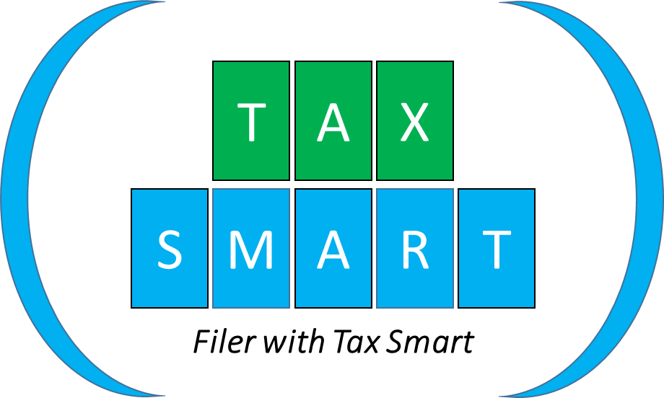
CNIC:
EMAIL:
CELL:
INCOME TAX RETURN-YEAR: 2022

SR | ASSET DETAILS | TAX YEAR 2021 | TAX YEAR 2022
1 | PROPERTY DETAILS | Purchase Price | Purchase Price

2 | BANK ACCOUNT NUMBER | TAX YEAR 2021 | TAX YEAR 2022 | DR | CR

3 | VEHICLES | TAX YEAR 2021 | TAX YEAR 2022
 | Reg #
4 | OTHER ASSETS | 2021 | 2022
 | Gold Jewelry
 | Laptop eyc
5 | OTHER INVESTMENTS | TAX YEAR 2021 | TAX YEAR 2022
 | Behbood
 | National Savings
GRAND TOTAL (SR:1- 5) |  | - | -
RECONCILIATION
6 | INCOME/INFLOWS | 2021 | 2022
 | INCOME FROM SALARY
 | RENTAL INCOME / ANY OTHER INCOME
TOTAL |  | - | -
7 | OUTFLOWS | 2021 | 2022
 | PERSONAL EXPENSES
 | TAXES EDUCTED [Salary]
 | TAXES PAID [Other]
 | GIFT/OTHERS
TOTAL |  | - | -
 | NET ASSETS CURRENT YEAR(SR 1- SR 7) | -
 | NET ASSETS PREVIOUS YEAR(SR 1- SR 7) | -
 | DIFFERENCE | -
 | INFLOW | -
 | OUTFLOW | -
 | VARIANCE | - |  | -
REMARKS(IF ANY):

NAME:_____________________________, SIGNATURE:_____________________, DATE:__________________

