Sayfa1
TestID | Test case category | Description /Summary | Environment | Steps | Test data | Expected result | Actual Result | Test Result
OmerAvci | Positive test case | The user can choose any male bot and come to the payment page. | https://www.lcwaikiki.com/tr-TR/TR | 1. Open website / go to home page | https://www.lcwaikiki.com/tr-TR/TR | LCW home page should be open /display | successful | PASSED
 |  |  |  | 2.Verify that you are on the home page |  | The user must be verified to be on the homepage | successful
 |  |  |  | 3.Go to Men's boots using the action class or with the help of the search button |  | User should be able to go to Men's boots | successful
 |  |  |  | 4.Click any Bot |  | User should be able to click the any bot | successful
 |  |  |  | 5.Click any Size |  | User should be able to click the any size | successful
 |  |  |  | 6.Click on the addToCart |  | User should be able to click the add to cart button | successful
 |  |  |  | 7.Click on the Cart |  | User should be able to click the Cart | successful
 |  |  |  | 8.Save the product price |  | User should be able to save the product price | successful
 |  |  |  | 9.Click on the Payment |  | User should be able to click the Payment button | successful
 |  |  |  | 10.Fill out the form on the payment page |  | User should be able to fill the user info | successful
 |  |  |  | 11.Click on the save button |  | User should be able to click the Save Button | successful

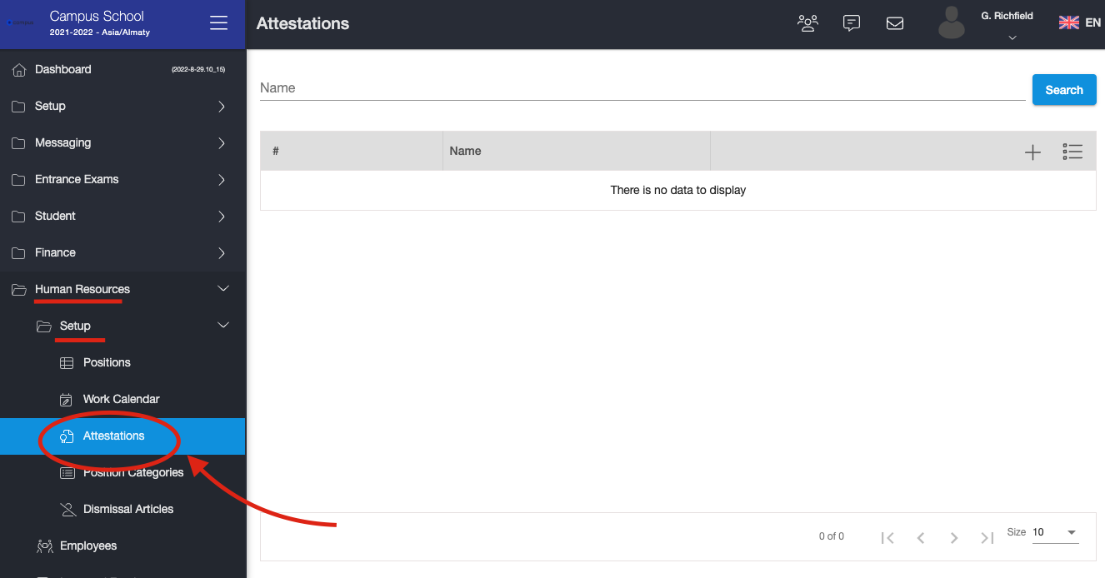
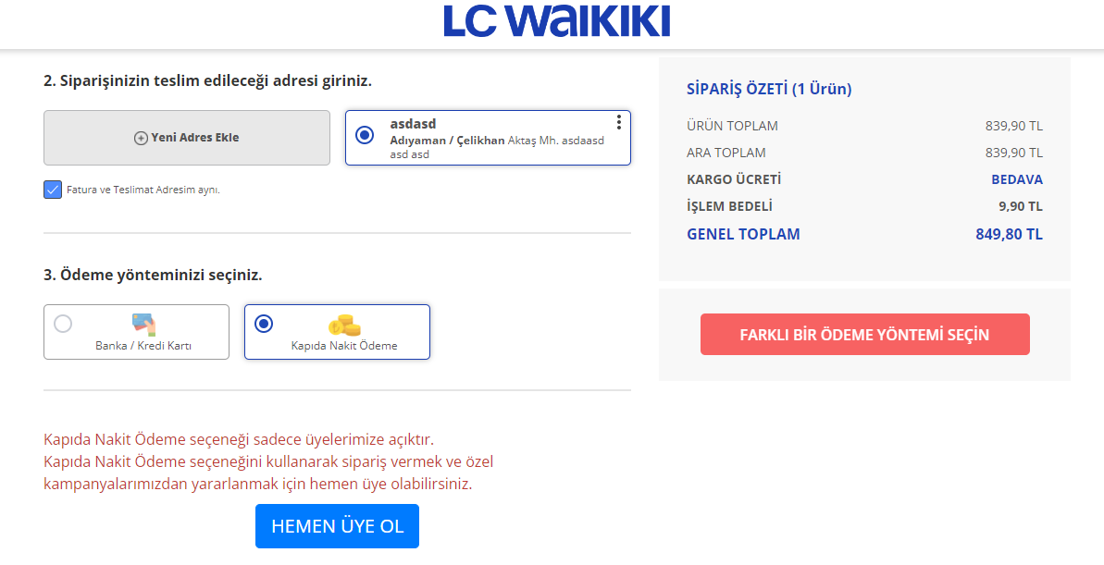
 |  |  |  | Cucumber type test case
 |  |  |  | Gherkin language
 |  |  |  | GIVEN User open app / go to home page
 |  |  |  | WHEN Verify that you are on the home page
 |  |  |  | AND Go to Men's boots using the action class or with the help of the search button
 |  |  |  | AND Click any Bot
 |  |  |  | AND Click any Size
 |  |  |  | AND Click on the addToCart
 |  |  |  | AND Click on the Cart
 |  |  |  | AND Save the product price
 |  |  |  | AND Click on the Payment
 |  |  |  | AND Fill out the form on the payment page
 |  |  |  | AND Click on the save button
 |  |  |  | THEN Success message should be displayed

İbrahimFigen | Positive test case | The user can choose any licensed product and come to the payment page. | https://www.lcwaikiki.com/tr-TR/TR | 1. Open website / go to home page | https://www.lcwaikiki.com/tr-TR/TR | LCW home page should be open /display | successful | PASSED
 |  |  |  | 2.Verify that you are on the home page |  | The user must be verified to be on the homepage | successful
 |  |  |  | 3.Click on "EV & YAŞAM" title from the main page |  | User should be able to click on "EV&YAŞAM" title | successful
 |  |  |  | 4.Click on the "Lisanslı ürünler" |  | User should be able to click on "Lisanlı ürünler" | successful
 |  |  |  | 5.Click on the "Kız Bebek" radio button |  | User should be able to click on "Kız Bebek" radio button | successful
 |  |  |  | 6.Click on the a random product |  | User should be able to click on random product | successful
 |  |  |  | 7.Click any Size |  | User should be able to click the any size | successful
 |  |  |  | 8.Click on the addToCart |  | User should be able to click the add to cart button | successful
 |  |  |  | 9.Click on the Cart |  | User should be able to click the Cart | successful
 |  |  |  | 10.Save the product price |  | User should be able to save the product price | successful
 |  |  |  | 11.Click on the Payment |  | User should be able to click the Payment button | successful
 |  |  |  | 12.Fill out the form on the payment page |  | User should be able to fill the user info | successful
 |  |  |  | 13.Click on the save button |  | User should be able to click the Save Button | successful
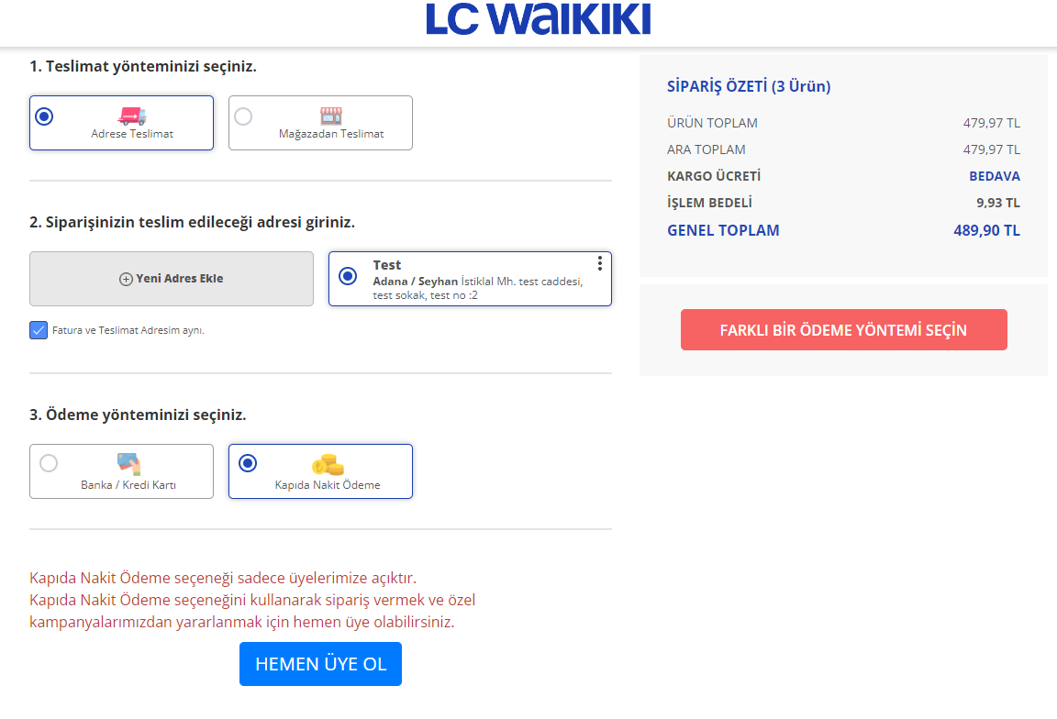
 |  |  |  | Cucumber type test case
 |  |  |  | Gherkin language
 |  |  |  | GIVEN User open app / go to home page
 |  |  |  | WHEN Verify that you are on the home page
 |  |  |  | AND Click on "EV & YAŞAM" title from the main page
 |  |  |  | AND Click on the "Lisanslı ürünler"
 |  |  |  | AND Click on the "Kız Bebek" radio button
 |  |  |  | AND Click on the a random product
 |  |  |  | AND Click any Size
 |  |  |  | AND Click on the addToCart
 |  |  |  | AND Click on the Cart
 |  |  |  | AND Save the product price
 |  |  |  | AND Click on the Payment
 |  |  |  | AND Fill out the form on the payment page
 |  |  |  | AND Click on the save button
 |  |  |  | THEN Success message should be displayed

Kendi Nameniz | Positive Test Case | Kendi testinizin açıklaması | https://www.lcwaikiki.com/tr-TR/TR |  | https://www.lcwaikiki.com/tr-TR/TR

kendi nameniz | Positive Test Case | Kendi testinizin açıklaması | https://www.lcwaikiki.com/tr-TR/TR |  | https://www.lcwaikiki.com/tr-TR/TR

kendi nameniz | Positive Test Case | Kendi testinizin açıklaması | https://www.lcwaikiki.com/tr-TR/TR |  | https://www.lcwaikiki.com/tr-TR/TR

kendi nameniz | Positive Test Case | Kendi testinizin açıklaması | https://www.lcwaikiki.com/tr-TR/TR |  | https://www.lcwaikiki.com/tr-TR/TR

