Sayfa1
TestID | Test case category | Description /Summary | Environment | Steps | Test data | Expected result | Actual Result | Test Result
OmerAvci | Positive test case | The user can choose any male bot and come to the payment page. | https://www.lcwaikiki.com/tr-TR/TR | 1. Open website / go to home page | https://www.lcwaikiki.com/tr-TR/TR | LCW home page should be open /display | successful | PASSED
 |  |  |  | 2.Verify that you are on the home page |  | The user must be verified to be on the homepage | successful
 |  |  |  | 3.Go to Men's boots using the action class or with the help of the search button |  | User should be able to go to Men's boots | successful
 |  |  |  | 4.Click any Bot |  | User should be able to click the any bot | successful
 |  |  |  | 5.Click any Size |  | User should be able to click the any size | successful
 |  |  |  | 6.Click on the addToCart |  | User should be able to click the add to cart button | successful
 |  |  |  | 7.Click on the Cart |  | User should be able to click the Cart | successful
 |  |  |  | 8.Save the product price |  | User should be able to save the product price | successful
 |  |  |  | 9.Click on the Payment |  | User should be able to click the Payment button | successful
 |  |  |  | 10.Fill out the form on the payment page |  | User should be able to fill the user info | successful
 |  |  |  | 11.Click on the save button |  | User should be able to click the Save Button | successful

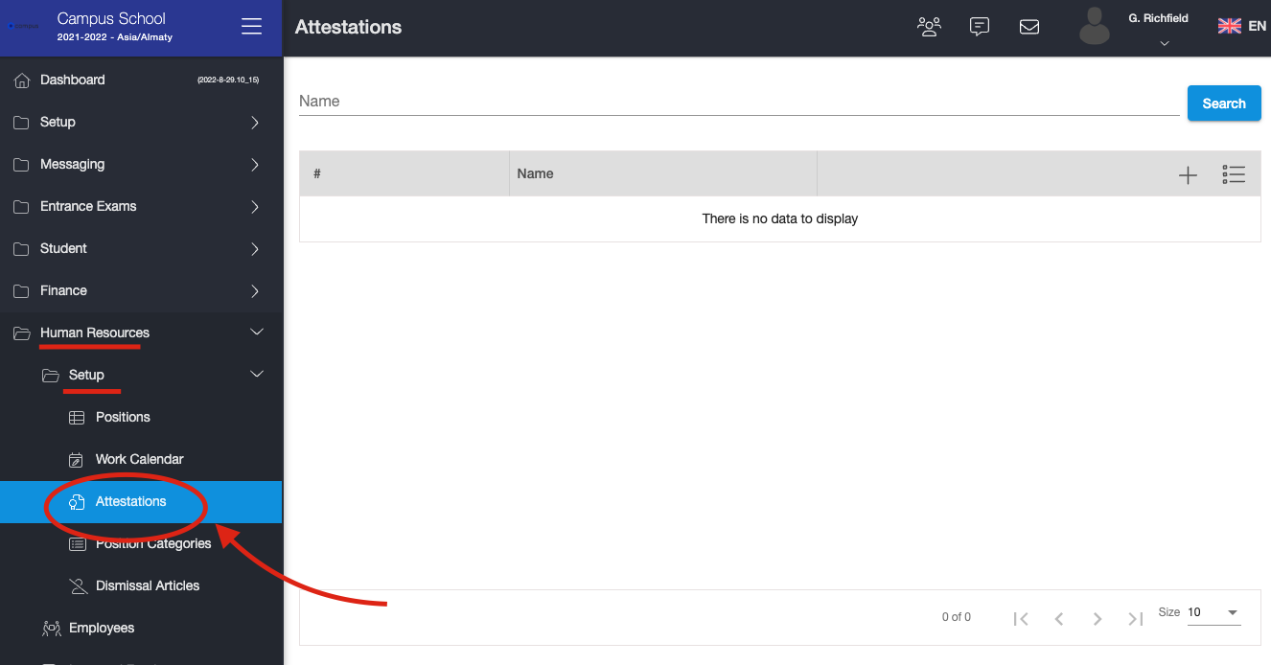
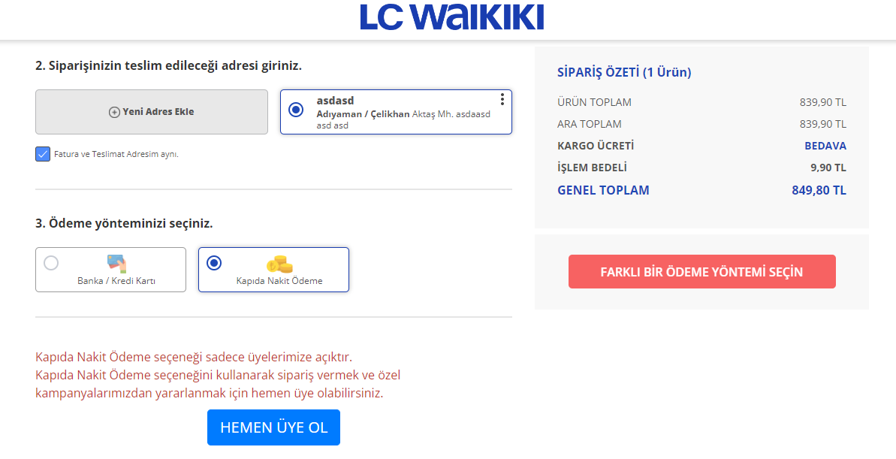
 |  |  |  | Cucumber type test case
 |  |  |  | Gherkin language
 |  |  |  | GIVEN User open app / go to home page
 |  |  |  | WHEN Verify that you are on the home page
 |  |  |  | AND Go to Men's boots using the action class or with the help of the search button
 |  |  |  | AND Click any Bot
 |  |  |  | AND Click any Size
 |  |  |  | AND Click on the addToCart
 |  |  |  | AND Click on the Cart
 |  |  |  | AND Save the product price
 |  |  |  | AND Click on the Payment
 |  |  |  | AND Fill out the form on the payment page
 |  |  |  | AND Click on the save button
 |  |  |  | THEN Success message should be displayed

İbrahimFigen | Positive test case | The user can choose any licensed product and come to the payment page. | https://www.lcwaikiki.com/tr-TR/TR | 1. Open website / go to home page | https://www.lcwaikiki.com/tr-TR/TR | LCW home page should be open /display |  | PASSED
 |  |  |  | 2.Verify that you are on the home page |  | The user must be verified to be on the homepage | successful
 |  |  |  | 3.Click on "EV & YAŞAM" title from the main page |  | User should be able to click on "EV&YAŞAM" title | successful
 |  |  |  | 4.Click on the "Lisanslı ürünler" |  | User should be able to click on "Lisanlı ürünler" | successful
 |  |  |  | 5.Click on the "Kız Bebek" radio button |  | User should be able to click on "Kız Bebek" radio button | successful
 |  |  |  | 6.Click on the a random product |  | User should be able to click on random product | successful
 |  |  |  | 7.Click any Size |  | User should be able to click the any size | successful
 |  |  |  | 8.Click on the addToCart |  | User should be able to click the add to cart button | successful
 |  |  |  | 9.Click on the Cart |  | User should be able to click the Cart | successful
 |  |  |  | 10.Save the product price |  | User should be able to save the product price | successful
 |  |  |  | 11.Click on the Payment |  | User should be able to click the Payment button | successful
 |  |  |  | 12.Fill out the form on the payment page |  | User should be able to fill the user info | successful
 |  |  |  | 13.Click on the save button |  | User should be able to click the Save Button | successful

 |  |  |  | Cucumber type test case
 |  |  |  | Gherkin language
 |  |  |  | GIVEN User open app / go to home page
 |  |  |  | WHEN Verify that you are on the home page
 |  |  |  | AND Click on "EV & YAŞAM" title from the main page
 |  |  |  | AND Click on the "Lisanslı ürünler"
 |  |  |  | AND Click on the "Kız Bebek" radio button
 |  |  |  | AND Click on the a random product
 |  |  |  | AND Click any Size
 |  |  |  | AND Click on the addToCart
 |  |  |  | AND Click on the Cart
 |  |  |  | AND Save the product price
 |  |  |  | AND Click on the Payment

Nurhayat Köklü | Positive Test Case | Kendi testinizin açıklaması | https://www.lcwaikiki.com/tr-TR/TR |  | https://www.lcwaikiki.com/tr-TR/TR

Orcun İlgen | Positive Test Case | Kendi testinizin açıklaması | https://www.lcwaikiki.com/tr-TR/TR |  | https://www.lcwaikiki.com/tr-TR/TR

Marziyeh Haydari | Positive Test Case | Kendi testinizin açıklaması | https://www.lcwaikiki.com/tr-TR/TR |  | https://www.lcwaikiki.com/tr-TR/TR

Muharrem Karapazar | Positive Test Case | The user should be able to select any of the Blouses from the SHADE WOMEN'S PRODUCTS category and go to the payment page. They should be able to see if there is a discount. | https://www.lcwaikiki.com/tr-TR/TR | 1. Open website / go to home page | https://www.lcwaikiki.com/tr-TR/TR | LCW home page should be open /display | successful | PASSED
 |  |  |  | 2. Verify that you are on the home page |  | The user must be verified to be on the homepage | successful
 |  |  |  | 3. Click on "SHADE KADIN ÜRÜNLERİ" title opportunity |  | User should be able to click on "SHADE KADIN ÜRÜNLERİ" title | successful
 |  |  |  | 4. Filter products by "Bluz" and choose a random product |  | User should be able to choose "Bluz" filter | successful
 |  |  |  | 5. If available, choose random size and color and add to cart |  | User should be able if available choose random size and color and add to cart | successful
 |  |  |  | 6. Click on the addToCart |  | User should be able to click the add to cart button | successful
 |  |  |  | 7. Click on the Cart |  | User should be able to click the Cart | successful
 |  |  |  | 8. Product price and discount rate |  | User should be able to save the product price | successful
 |  |  |  | 9. Click on the Payment |  | User should be able to click the Payment button | successful
 |  |  |  | 10. Fill out the form on the payment page |  | User should be able to fill the user info | successful
 |  |  |  | 11. Click on the save button |  | User should be able to click the Save Button | successful

 |  |  |  | Cucumber type test case
 |  |  |  | Gherkin language
 |  |  |  | GIVEN User open app / go to home page
 |  |  |  | WHEN Verify that you are on the home page
 |  |  |  | And Click on MARKALARA ÖZEL title from the main page
 |  |  |  | And Click on SHADE KADIN ÜRÜNLERİ title opportunity
 |  |  |  | And Filter products by Bluz and choose a random product
 |  |  |  | And If available, choose random size and color and add to cart
 |  |  |  | And Click on the addToCart
 |  |  |  | And Click on the Cart
 |  |  |  | And Product price and discount rate
 |  |  |  | And Click on the Payment
 |  |  |  | And Fill out the form on the payment page
 |  |  |  | Then Click on the save button

