METADATA
Farmers | Location | Planting Dates | Harvest Dates
Will Glazik | Paxton IL | 2018-05-19 | 2018-09-28
Jack Erisman | Pana IL | 2018-05-28 | 2018-10-01
Steve Buxton | Sullivan IL | 2018-05-23 | 2018-10-01
Marty Gray | Watseka IL | 2018-05-28 | 2018-09-29
Harold Wilken | Ashkum IL | 2018-05-22 | 2018-09-29
Joel Gruver | Macomb IL | 2018-06-07 | 2018-10-16
Andy Ambriole | Roanoke IN | 2018-05-27 | 2018-10-19

Traits | Descriptions | Units |  | Hybrids |  | Management Variables
PHT | Plant height | cm |  | Check-59R5 |  | Rotation | Code | Explanation
EHT | Ear Height | cm |  | 17.461 |  |  | c-s-w | Corn-Soybean-Wheat
SDL | Larger Stalk Diameter | mm |  | P31.A22
SDS | Smaller Stalk Diameter | mm |  | F34.A22
MAH | Moisture At Harvest | % |  | 461.2B24
TWH | Test Weight at Harvest | lbs/bu |  | 17.2B24
MAD | Moisture After Drying | % |  | H69.A22 |  | Tillage
TWD | Test Weight after Drying | lbs/bu |  | NG10.S7
NOP | Number of Plants in 1/1000th acre | plants |  | 1 Jack Hybrid
NOE | Number of Ears | ears |  | 2 Glazik OPVs
GWT | Grain Weight | grams |  | PHHB9xPHZ51
CWT | Cob Weight | grams |  | PHHB9xPHW30 |  | Weed control
kPm2 | Number of Kernels/m2 | kernels |  | 1 Buxton hybrid (TMCO-YC1.218)
KWT | Kernel Weight | grams
Yield | Grain Yield (bu/acer x 62.77) | Kg/Ha
YLD | Grain yield | Bu/Acre

Soil parameters
Soil health indicators | Descriptions | Units
PMN | Potentially Mineralizable Nitrogen | mg/kg soil |  |  |  | Fertility
POMC | Particulate Organic Matter-Carbon | g/kg soil
POMN | Particulate Organic Matter-Nitrogen | g/kg soil
POXC | Permanganate Oxidizable Carbon | mg/kg soil
TON | Total Organic Nitrogen | g/kg soil
TOC | Total Organic Carbon | g/kg soil
SoilCN | Carbon/Nitrogen Ratio
TEC | Total Exchange Capacity | meq/100 g
OM | Organic Matter | %
EstNRel | Estimated Nitrogen Release | # N/acre
Su | Sulfur | mg/kg soil
P | Phosphorous | mg/kg soil
Ca | Calcium | mg/kg soil
Mg | Magnesium | mg/kg soil
K | Potassium | mg/kg soil
Na | Sodium | mg/kg soil
Bray1P | Phosphorous with Bray method | mg/kg soil
NO3N | Nitrate-Nitrogen | mg/kg soil
NH4N | Ammonium-Nitrogen | mg/kg soil
Texture | Description | Unit
S | Sand | %
Si | Silt | %
C | Clay | %
L | Loam | %
SiC | Silty Clay | %
SiCL | Silty Clay Loam | %
SCL | Sandy Clay Loam | %
SL | Sandy Loam | %
SiL | Silty Loam | %
CL | Clay Loam | %
Grain Quality Parameters
Andrade Lab | Code | Description | Units
 | MCA | Moisture | %
 | PROTA | Protein | %
 | OLA | Oil | %
 | STRA | Starch | %
 | DTA | Density | %
 | TWA | Test Weight | %
 | FRA | Fiber | %
 | CLL | L, denotes lightness for a color space from black (0) to white (100) | NA
 | CLA | a, denotes a color space from green (-) to red (+) | NA
 | CLB | b, denotes a color space from blue (-) to yellow (+) | NA
 | ACO | Actual Color Observation | NA
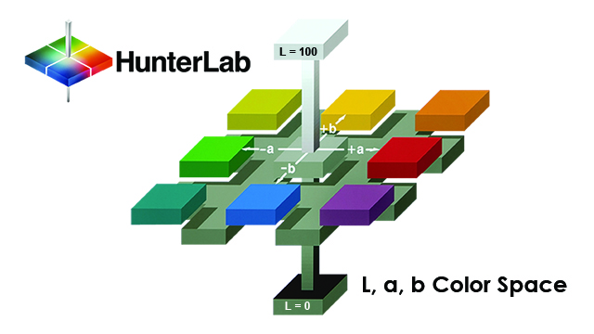
 | CHR | Chroma | NA
$$\sqrt{a^{∗2}+b^{∗2}}$$
 | HUE | Hue | Degree
 | LUT | Lutein Content measured by HPLC method | µg/g |  | CHR =
$$\tan^{−1}\left({b^{∗}}/{a^{∗}}\right)\text{when} \text{a}\text{∗ > 0 }\text{and} \text{b}\text{∗ > 0}$$
 | ZEA | Zeaxanthin Content measured by HPLC method | µg/g |  | HUE =
$${180+tan}^{−1}\left({b^{∗}}/{a^{∗}}\right)\text{when} \text{a}\text{∗ < 0 }$$
 | BCT | Betacarotene Content measured by HPLC method | µg/g |  | HUE =
 | BCRYPT | Beta cryptoxanthin Content measured by HPLC method | µg/g
 | TPC | Total Phenolics Content | µg GAE/mg |  | LysC = | LysM / PROTI
Iowa Lab |  |  |  |  | MetC = | MetM / PROTI
 | MCI | Moisture | %
 | PROTI | Protein | % |  | CysC = | CysM / PROTI
 | OLI | Oil | %
 | STRI | Starch | %
 | DTI | Density | g/cc
 | EtOH | Ethanol yield | Yield, gal/bu
 | LysM | Lysine (measured) | %
 | MetM | Methionine (measured) | %
 | CysM | Cystine (measured) | %
 | LysC | Lysine (calculated) | %
 | MetC | Methionine (calculated) | %
 | CysC | Cystine (calculated) | %
Brookside Lab for grain
 | NB | Nitrogen | %
 | PB | Phosphorous | %
 | MgB | Magnesium | %
 | KB | Potassium | %
 | CaB | Calcium | %
 | SB | Sulfur | %
 | BB | Boron | ppm
 | FeB | Iron | ppm
 | MnB | Manganese | ppm
 | CuB | Copper | ppm
 | ZnB | Zinc | ppm
 | AlB | Aluminum | ppm
 | NaB | Sodium. | ppm

 |  |  |  | ex. everything what is 0 when <1

