Sheet2
Test case id | Test senario id | Test case Name | Test summary | Pre candition | Step | Text Data | Expected Result | Actual result | Status | BUGS | severity | priority | assogned to | screenshoot
TC 001 | 1 | Verify if user will be able to login with valid user id and password | while clicking on login button it shoud open dashbord of kamar app | website , internet, browser, must be in working canditios | 1) Kamzar app 2)click on kamzar app 3) click on get started 4) inter id 5) inter password | User name : 8602916303 Password : 123456 | It must be open user dash bord of kamzar | As per expected result. dashbord is oping | pass |  |  |  |  |  | 0
 | 2 | Inverify if user will be able to login with invalid user id and password | while clicking on login button it shoud open not dashbord of kamar app | website , internet, browser, must be in working canditios | 1) Kamzar app 2)click on kamzar app 3) click on get started 4) inter id 5) inter password | User name : 860291604 Password : 12345 | It shoud not be open user dash bord of kamzar | As per expected expected result | pass |  |  |  |  |  | 0
 | 3 | verify if user will be able to login with invalid user id and password | while clicking on login button it shoud open not dashbord of kamar app | website , internet, browser, must be in working canditios | 1) Kamzar app 2)click on kamzar app 3) click on get started 4) inter id 5) inter password | User name : 860291604 Password : 12345 | It shoud not be open user dash bord of kamzar | As per expected expected result | pass |  |  |  |  |  | 0
 | 4 | verify if user will be able to login with invalid user id and password | while clicking on login button it shoud open not dashbord of kamar app | website , internet, browser, must be in working canditios | 1) Kamzar app 2)click on kamzar app 3) click on get started 4) inter id 5) inter password | User name : 860291604 Password : 12345 | It shoud not be open user dash bord of kamzar and show message that it is invalid user name and it | not enexpected result | fail | it not show message that it is invalid user name and password | low | low |  | 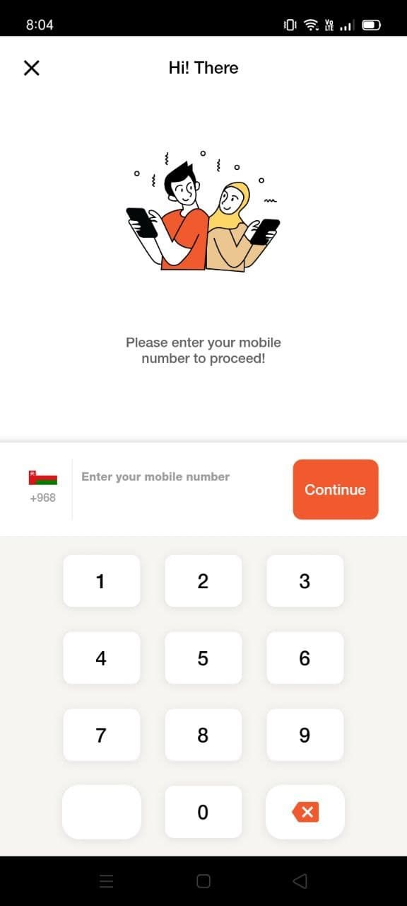 | 0
 | 5 | verify if user will be able to login with invalid user id and password | while clicking on login button it shoud open not dashbord of kamar app | website , internet, browser, must be in working canditios | 1) Kamzar app 2)click on kamzar app 3) click on get started 4) inter id 5) inter password | User name : 8602916045 Password : 12345 | It shoud not be open user dash bord of kamzar and we can enter user name by clicking in between usernam | enexpected result | pass |  |  |  |  |  | 0
 | 6 | verify if user will be able to login with valid user id and password | while clicking on login button it shoud open not dashbord of kamar app | website , internet, browser, must be in working canditios | 1) Kamzar app 2)click on kamzar app 3) click on get started 4) inter id 5) inter password | User name : 8602916303 Password : 123456 | It shoud not be open user dash bord of kamzar and by clicking on eye botton we can see our password | As per expected enexpected result | pass |  |  |  |  |  | 0
TC 002 | 1 | Verify of browse categories of car | while clicking on browse categories it functionlity should work properly like alfa romeo | website , internet, browser, should have cars functiolity logo on it and must be in working canditios | 1) Kamzar app 2)click on kamzar app 3) click on get started 4) inter id 5) inter password 6) click on cars option | click on car logo | It must be open it functiolity | As per expected result | pass |  |  |  |  |  | 0
 | 2 | Verify of browse categories of car | while clicking on browse categories it functionlity should work properly like alfa romeo | website , internet, browser, should have cars functiolity logo on it and must be in working canditios | 1) Kamzar app 2)click on kamzar app 3) click on get started 4) inter id 5) inter password 6) click on cars option 7) click on alfa romeo | click on car logo then click on alfa romeo | It must be open it functiolity ansd it must open itom lest | As per expected result | pass |  |  |  |  |  | 0
 | 4 | Verify if browse categories of car | while clicking on browse categories it functionlity should work properly like alfa romeo | website , internet, browser, should have cars functiolity logo on it and must be in working canditios | 1) Kamzar app 2)click on kamzar app 3) click on get started 4) inter id 5) inter password 6) click on cars option 7) click on alfa romeo | click on car logo | It must be open it functiolity and it must open itom list | rither then alfa romeo it should by written itom name | fail | rither then alfa romeo it should by written itom name | low | low |  |  | 0
 | 5 | Verify of browse categories of car | while clicking on browse categories it functionlity should work properly like alfa romeo | website , internet, browser, should have cars functiolity logo on it and must be in working canditios | 1) Kamzar app 2)click on kamzar app 3) click on get started 4) inter id 5) inter password 6) click on cars option 7) click on alfa romeo 8) clicking like(heart logo ) | click on car logo then click on alfa romeo then clicking on like | It should like only on itom | its liks all itom prensent in that page | fail | its liks all itom prensent in that page | low | middium |  | 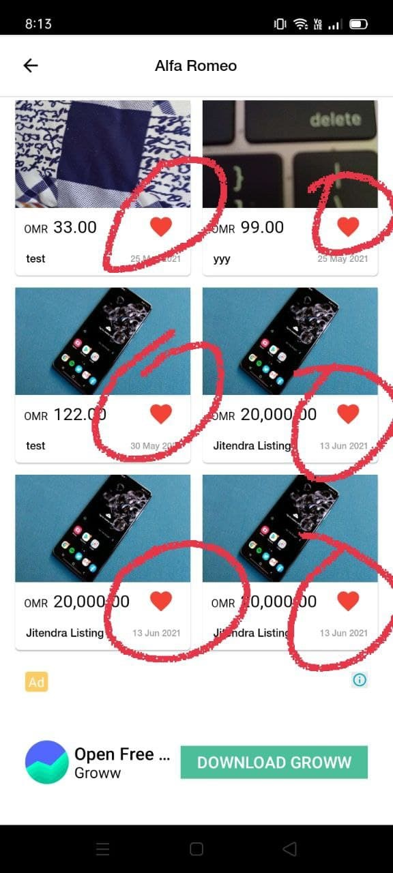 | 0
 | 6 | Verify of browse categories of car | while clicking on browse categories it functionlity should work properly like alfa romeo | website , internet, browser, should have cars functiolity logo on it and must be in working canditios | 1) Kamzar app 2)click on kamzar app 3) click on get started 4) inter id 5) inter password 6) click on cars option 7) click on alfa romeo 8) clicking like(heart logo ) 9) on clicking on itom | click on car logo then click on alfa romeo then clicking on itom | It should open the detail of itom | As expected | pass |  |  |  |  |  | 0
 | 7 | Verify of browse categories of car | while clicking on browse categories it functionlity should work properly like alfa romeo | website , internet, browser, should have cars functiolity logo on it and must be in working canditios | 1) Kamzar app 2)click on kamzar app 3) click on get started 4) inter id 5) inter password 6) click on cars option 7) click on alfa romeo 8) clicking like(heart logo ) 9) on clicking on itom 10) on clicking on chat | click on car logo then click on alfa romeo then clicking on itom | It should open the chat iu | As expected | pass |  |  |  |  |  | 0
 | 8 | Verify if browse categories of car | while clicking on browse categories it functionlity should work properly like alfa romeo | website , internet, browser, should have cars functiolity logo on it and must be in working canditios | 1) Kamzar app 2)click on kamzar app 3) click on get started 4) inter id 5) inter password 6) click on cars option 7) click on alfa romeo 8) clicking like(heart logo ) 9) on clicking on itom 10) on clicking on chat | click on car logo then click on alfa romeo then clicking on itom | It should open one chat iu on clicking multiple time | its open multiple chat | fail | its open multiple chat | meddium | medium |  | 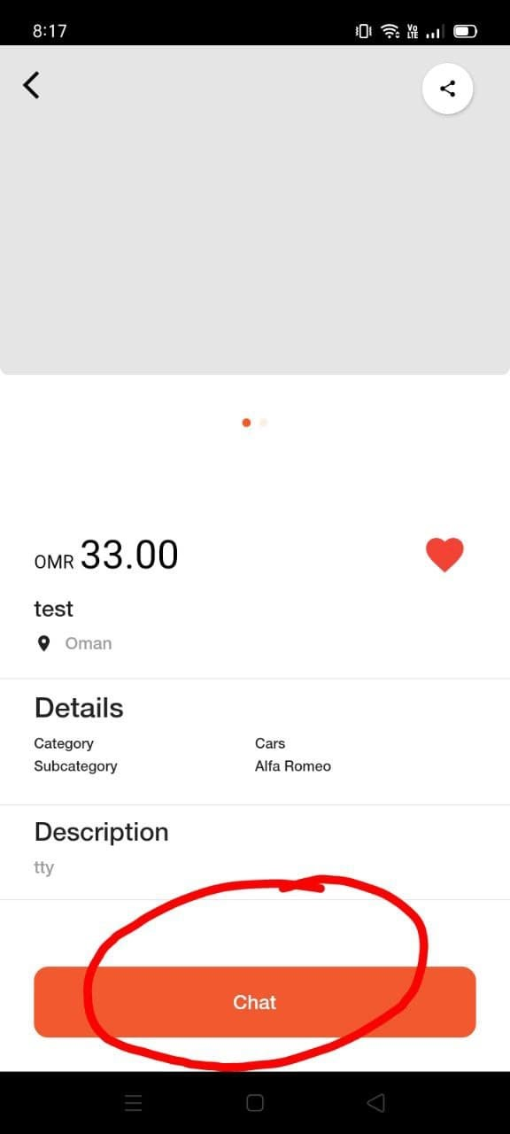 | 0
 | 9 | Verify of browse categories of car | while clicking on browse categories it functionlity should work properly like alfa romeo | website , internet, browser, should have cars functiolity logo on it and must be in working canditios | 1) Kamzar app 2)click on kamzar app 3) click on get started 4) inter id 5) inter password 6) click on cars option 7) click on alfa romeo 8) clicking like(heart logo ) 9) on clicking on itom 10) on clicking on shear logo | click on car logo then click on alfa romeo then clicking on itom | It should open one chat iu on clicking shear logo it should opent on shear itom | its open multiple shear option | fail | its open multiple shear option | meddium | middium |  | 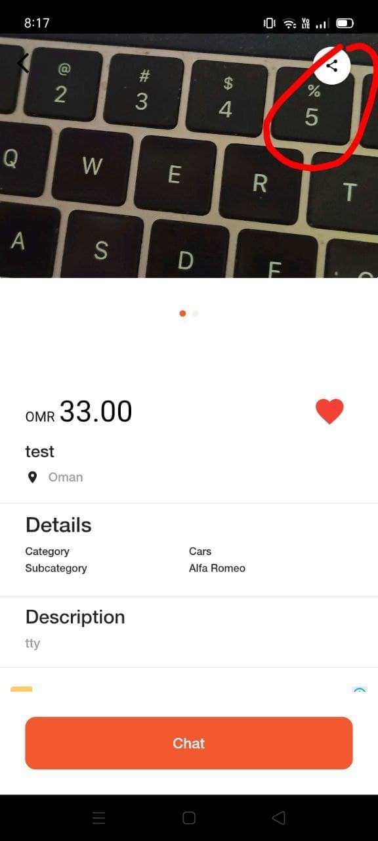 | 0
TC 003 | 1 | Verify of search bar | while clicking on search bar it functionlity should work | website , internet, browser, should have search functiolity on it and must be in working canditios | 1) Kamzar app 2)click on kamzar app 3) click on get started 4) inter id 5) inter password 6) clicking on search bar | click on search bar it functiolity of sarch work | clicking on search bar its funtiolity of search work and show suggestion iton | its not showing suggesion itom | fail | its not showing suggesion itom | meddium | medium |  | 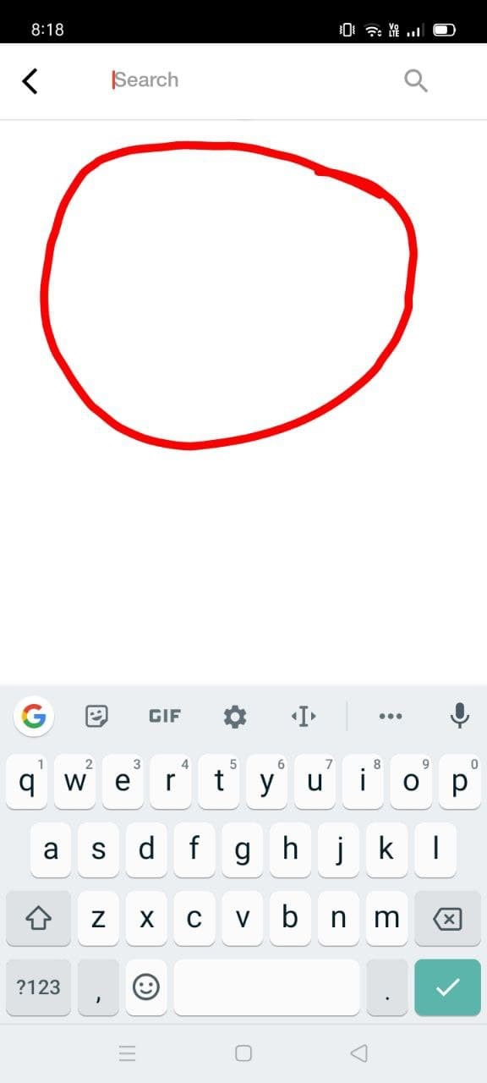 | 0
Tc 004 | 1 | Verify of properties | while clicking on browse categories then properties then it functionlity should work properly | website , internet, browser, should have properties functiolity logo on it and must be in working canditios | 1) Kamzar app 2)click on kamzar app 3) click on get started 4) inter id 5) inter password 6) click on properties | click on home ogo then its properties on rent and properties on seal open | it should open properties on ans olso oroperties on sale | As expected | pass |  |  |  |  |  | 0
Tc 005 | 1 | Verify of properties | while clicking on browse categories then gadgets then it functionlity should work properly | website , internet, browser, should have gadgets functiolity logo on it and must be in working canditios | 1) Kamzar app 2)click on kamzar app 3) click on get started 4) inter id 5) inter password 6) click on gadgets | click on mobile logo then its refrigerator and properties on seal open | it should open refrigerator | As expected | pass |  |  |  |  |  | 0
 | 2 | Verify of properties | while clicking on browse categories then gadgets then it functionlity should work properly | website , internet, browser, should have gadgets functiolity logo on it and must be in working canditios | 1) Kamzar app 2)click on kamzar app 3) click on get started 4) inter id 5) inter password 6) click on gadgets | click on mobile logo then its refrigerator and properties on seal open | refrigerator should write | wrong spalling of refrigerator | fail | wrong spalling of refrigerator | low | low |  |  | 0
TC 006 | 1 | Verify of jobs | while clicking on browse categories then jobs then it functionlity should work properly | website , internet, browser, should have jobs logo functiolity logo on it and must be in working canditios | 1) Kamzar app 2)click on kamzar app 3) click on get started 4) inter id 5) inter password 6) click on job | click on mobile logo then its job | jobs logo should open | As expected | pass |  |  |  |  |  | 0
 | 3 | Verify of jobs | while clicking on browse categories then jobs then it functionlity should work properly | website , internet, browser, should have jobs logo functiolity logo on it and must be in working canditios | 1) Kamzar app 2)click on kamzar app 3) click on get started 4) inter id 5) inter password 6) click on job | click on mobile logo then its job then It shouid open | it should have list on it | list is missing | fail | list is missing | meddium | heigh |  |  | 0
TC 007 | 1 | Verify of more | while clicking on browse categories then more then it functionlity should work properly | website , internet, browser, should have jobs logo functiolity logo on it and must be in working canditios | 1) Kamzar app 2)click on kamzar app 3) click on get started 4) inter id 5) inter password 6) click on more | click on more logo then its more then It shouid open | all list functiolliy shoud work | as expected | pass |  |  |  |  |  | 0
 | 2 | Verify of more | while clicking on browse categories then more then it functionlity should work properly | website , internet, browser, should have jobs logo functiolity logo on it and must be in working canditios | 1) Kamzar app 2)click on kamzar app 3) click on get started 4) inter id 5) inter password 6) click on more | click on more logo then its more then It shouid open | all list of more should properly | one list of more is missing | fail | one list of more is missing | meddium | heigh |  | 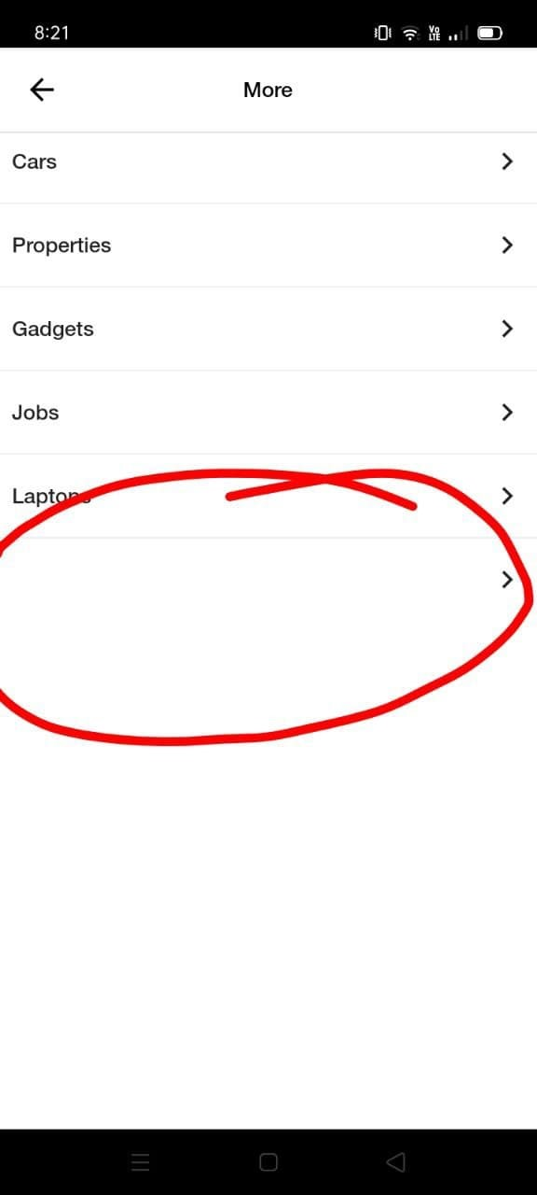 | 0
TC 008 | 1 | Verify of chats | while clicking on chats | website , internet, browser, should have chats logo functiolity logo on it and must be in working canditios | 1) Kamzar app 2)click on kamzar app 3) click on get started 4) inter id 5) inter password 6) click on chats | click on chats logo then its chat then It shouid open | all list functiolliy shoud work properly like all, buying , selling | as expected | pass |  |  |  |  |  | 0
TC 009 | 1 | Verify of + | while clicking on + | website , internet, browser, should have chats logo functiolity logo on it and must be in working canditios | 1) Kamzar app 2)click on kamzar app 3) click on get started 4) inter id 5) inter password 6) click on + | click on + logo then its + then It shouid open | all list functiolliy shoud work properly cars , properties , gadgets, jobs, laptops | as expected | pass |  |  |  |  |  | 0
 | 2 | Verify of + | while clicking on + | website , internet, browser, should have chats logo functiolity logo on it and must be in working canditios | 1) Kamzar app 2)click on kamzar app 3) click on get started 4) inter id 5) inter password 6) click on + | click on + logo then its + then It shouid open | all list + shold present | one list of + not present | fail | one list of + not present | meddium | heigh |  | 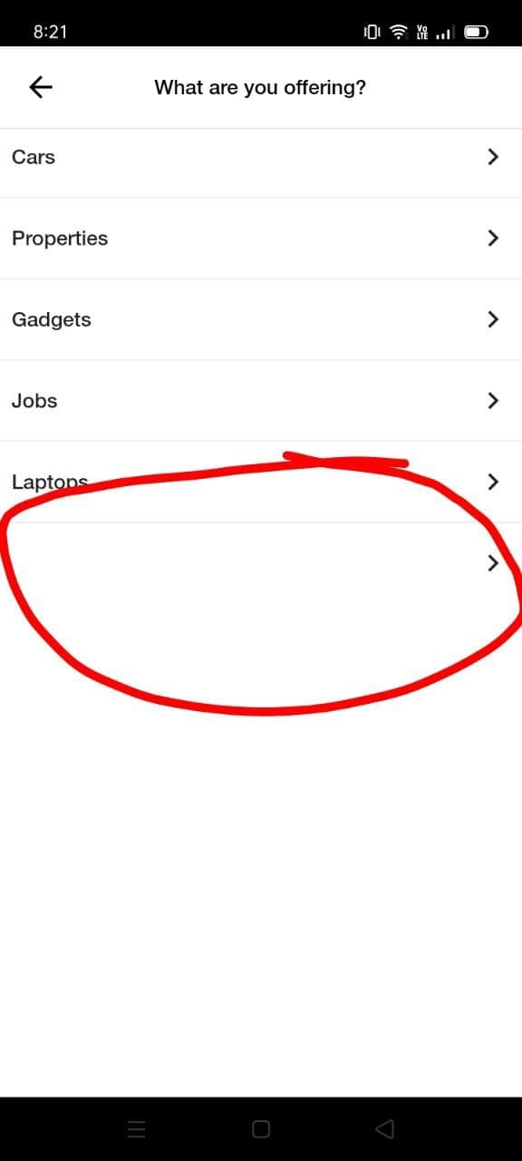 | 0
TC 010 | 1 | Verify of my ads | while clicking on my ads | website , internet, browser, should have chats logo functiolity logo on it and must be in working canditios | 1) Kamzar app 2)click on kamzar app 3) click on get started 4) inter id 5) inter password 6) click on my ads | click on my ads logo then its lmy ads then It shouid open | on clicking on my ads then it shoud open and active and history shoud work | as expected | pass |  |  |  |  |  | 0
TC 011 | 1 | Verify of profile | while clicking on profile | website , internet, browser, should have chats logo functiolity logo on it and must be in working canditios | 1) Kamzar app 2)click on kamzar app 3) click on get started 4) inter id 5) inter password 6) click on profile | click on profile logo then its profile then It shouid open | on clicking on profile then it shoud open list on profile | as expected | pass |  |  |  |  |  | 0
 | 2 | Verify of my profile | while clicking on profile then click on my favourate | website , internet, browser, should have chats logo functiolity logo on it and must be in working canditios | 1) Kamzar app 2)click on kamzar app 3) click on get started 4) inter id 5) inter password 6) click on profile 7) click on my favourites | click on profile logo then its profile then It shouid open | on clicking on profile then it shoud open list on profile and my favourites funcionality should work | as expected | pass |  |  |  |  |  | 0
 | 3 | Verify of my profile | while clicking on profile then click on my change password | website , internet, browser, should have chats logo functiolity logo on it and must be in working canditios | 1) Kamzar app 2)click on kamzar app 3) click on get started 4) inter id 5) inter password 6) click on profile 7) click on change passsword | click on profile logo then its profile then It functionality should work | on clicking on chnage password and change the passwoed should change | as expected | pass |  |  |  |  |  | 0
 | 4 | verify of my profile | while clicking on profile | website , internet, browser, should have chats logo functiolity logo on it and must be in working canditios | 1) Kamzar app 2)click on kamzar app 3) click on get started 4) inter id 5) inter password 6) click on profile 7) click on change langage | click on profile logo then click on change languge | on changing language it should change password | as expected | pass |  |  |  |  |  | 0
 | 5 | verify of my profile | while clicking on profile | website , internet, browser, should have chats logo functiolity logo on it and must be in working canditios | 1) Kamzar app 2)click on kamzar app 3) click on get started 4) inter id 5) inter password 6) click on profile 7) click on FAQ | click on profile logo then click on FAQ | on click on FAQ it should go to url | as expected | pass |  |  |  |  |  | 0
 | 6 | verify of my profile | while clicking on profile | website , internet, browser, should have chats logo functiolity logo on it and must be in working canditios | 1) Kamzar app 2)click on kamzar app 3) click on get started 4) inter id 5) inter password 6) click on profile 7) click on privacy policy | click on profile logo then click privacy policy | on click on privacy policy it should go to url | as expected | pass |  |  |  |  |  | 0
 | 6 | verify of my profile | while clicking on profile | website , internet, browser, should have chats logo functiolity logo on it and must be in working canditios | 1) Kamzar app 2)click on kamzar app 3) click on get started 4) inter id 5) inter password 6) click on profile 7) click on tearn and candition | click on profile logo then click tearn and candition | on click on tearm and candition should go to url | as expected | pass |  |  |  |  |  | 0
 | 7 | verify of my profile | while clicking on profile | website , internet, browser, should have chats logo functiolity logo on it and must be in working canditios | 1) Kamzar app 2)click on kamzar app 3) click on get started 4) inter id 5) inter password 6) click on profile 7) click on log out | click on profile logo then click log out | on click log out should log out from kamzar | as expected | pass |  |  |  |  |  | 0

