Intro
KSU-Buy/Sell (Yearling-Fed)

An Excel spreadsheet for calculating breakeven cattle prices of yearlings placed on feed

 |  |  | Version- 10.13.2015
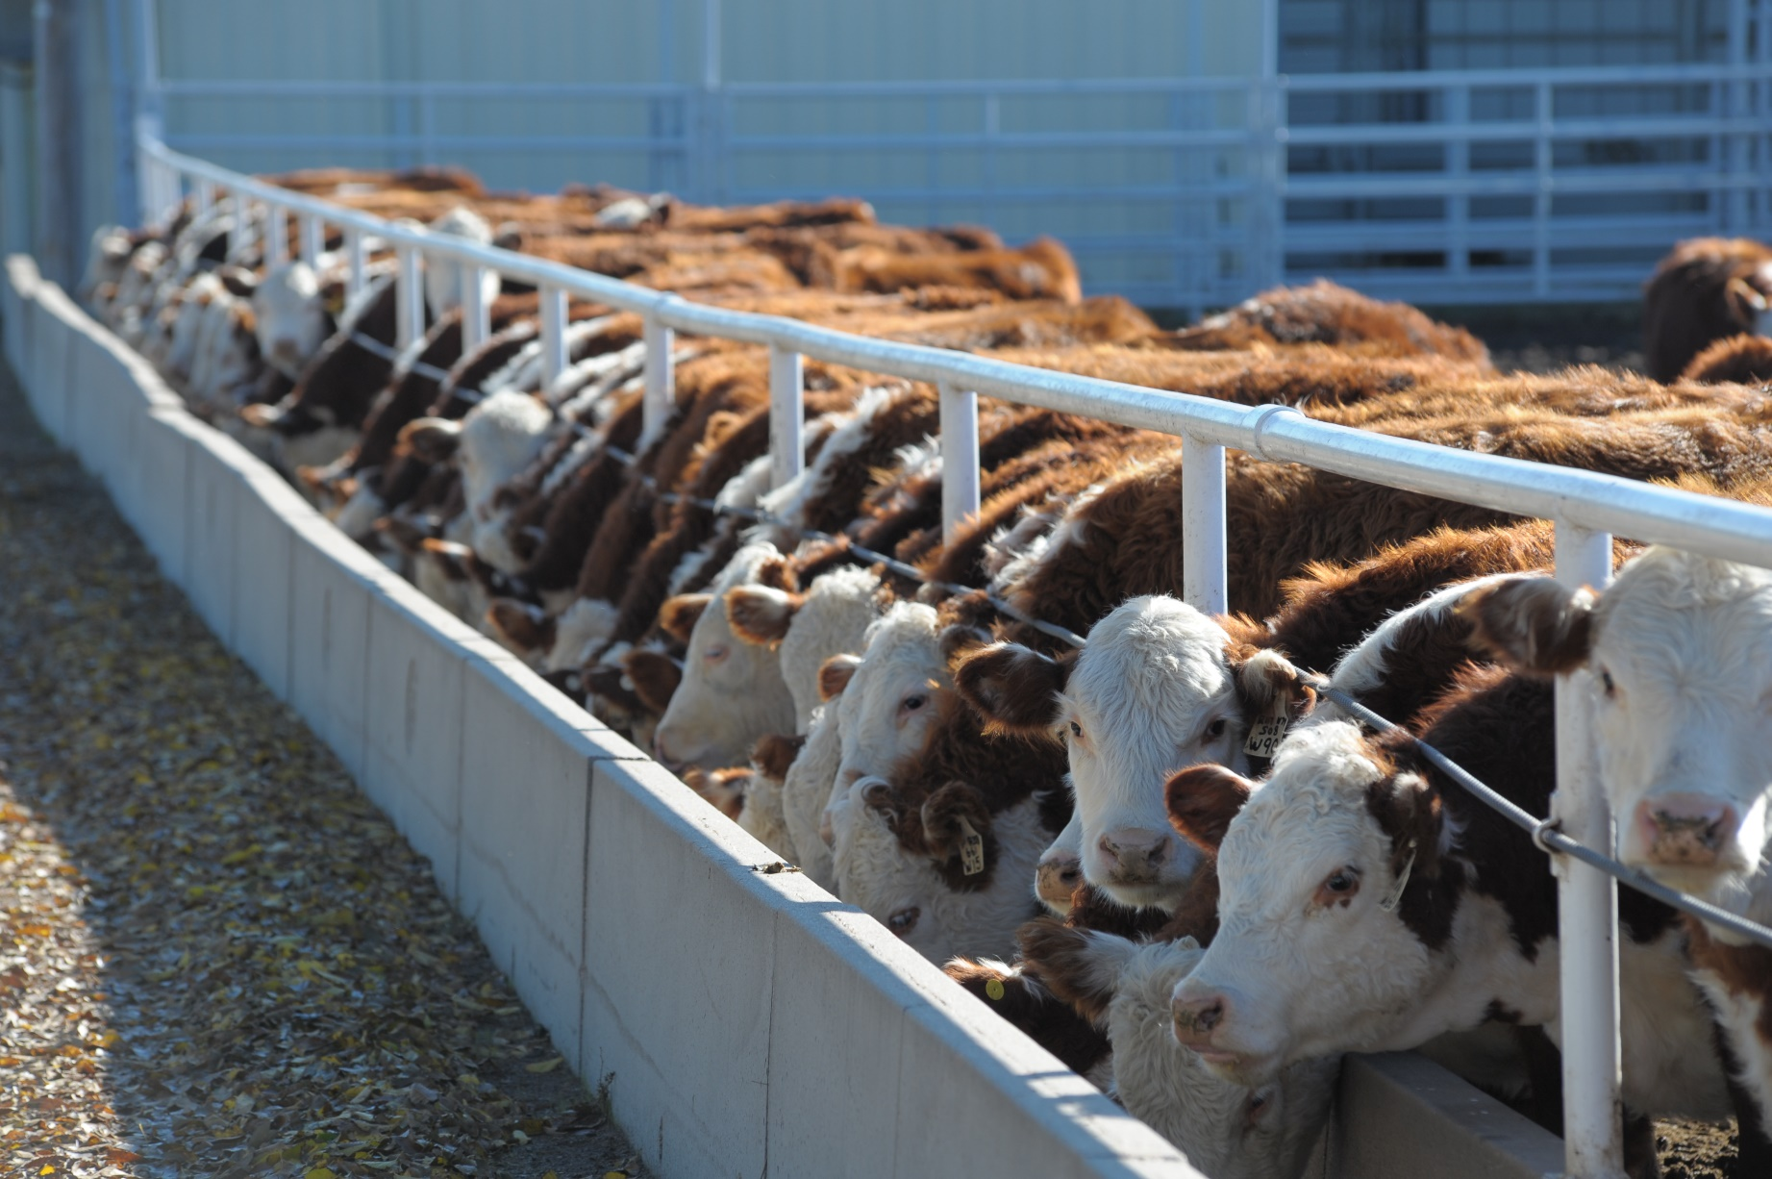

INTRODUCTION
A spreadsheet program to calculate the maximum price that can be paid for feeder cattle given an expected fed cattle selling price and cost of gain. Additionally, this program also calculates the breakeven fed cattle selling price needed given a yearling purchase price and an estimated cost of gain.

INSTRUCTIONS FOR THE USER:
Be sure to "Enable Content" and "Enable Macros" for the spreadsheet to function correctly.
In the Sell and Buy sheets all blue numbers are inputs and all black numbers are calculated from these inputs. The spreadsheet automatically recalculates every time an additional input is entered. Thus, it is important to wait until all data have been entered and reviewed before interpreting any of the calculated results (i.e., black numbers).

FOR MORE INFORMATION:
Links to supporting materials:
 | www.agmanager.info/livestock/marketing/ | www.BeefBasis.com
Updated and Expanded by: |  | Originally developed by:

Glynn T. Tonsor, Ph.D. |  | Kevin C. Dhuyvetter, Ph.D.
Agricultural Economist |  | Former Extension Agricultural Economist
Department of Agricultural Economics |  | Department of Agricultural Economics
Kansas State University |  | Kansas State University
gtonsor@k-state.edu
785-532-1518

Brian Highfill
Graduate Research Assistant
Kansas State University
Copyright 2016 AgManager.info, K-State Department of Agricultural Economics

Selling price figure
Breakeven Yearling Selling Price
600 | 196.58
625 | 192.54
650 | 188.81
675 | 185.37
700 | 182.18
725 | 179.22
750 | 176.46

Purchase price figure
Breakeven Calf Purchase Price
600 | 186.28
575 | 190.25
550 | 194.60
525 | 199.38
500 | 204.64
475 | 210.47
450 | 216.96

