Sheet1
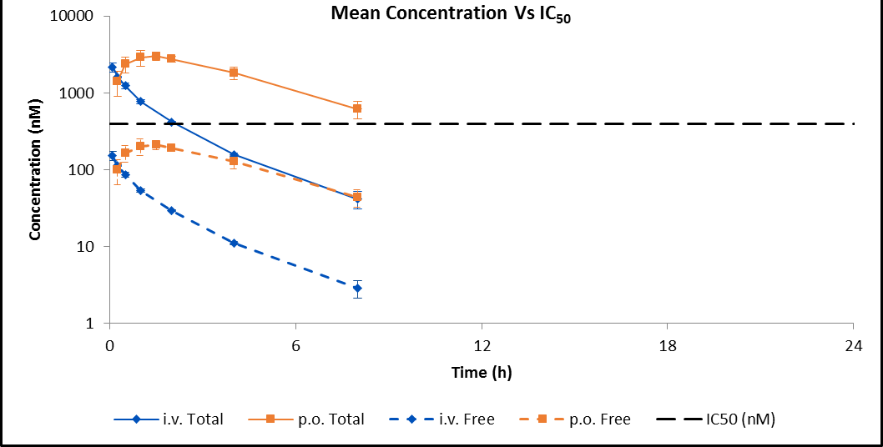
i.v. TOTAL Plasma Concentrations |  |  |  | TOTAL Mean (ng/mL) |  | TOTAL Mean (nM) |  | FREE Mean (nM)
Time (h) | Individual Animal Concentration (ng/mL) |  |  | Total Mean (ng/mL) | SD | Total Mean (nM) | SD | Free Mean (nM) | SD | Theoretical Target Occupancy (%)
 | 1 | 26 | 27
0.083 | 920 | 716 | 915 | 850.33333333 | 116.36293797 | 2178.1079235 | 298.06080423 | 152.41314988 | 20.856811335 | 24.761216169
0.25 | 618 | 636 | 648 | 634 | 15.099668871 | 1623.9754098 | 38.677430509 | 113.63771504 | 2.706454051 | 18.934234651
0.5 | 529 | 458 | 460 | 482.33333333 | 40.426888742 | 1235.4849727 | 103.55248141 | 86.453088152 | 7.2460871654 | 14.509072824
1 | 312 | 281 | 310 | 301 | 17.349351573 | 771.00409836 | 44.439937431 | 53.95102875 | 3.1096855997 | 8.9124050609
2 | 165 | 167 | 160 | 164 | 3.6055512755 | 420.08196721 | 9.235530931 | 29.3952449 | 0.64625648014 | 4.5929134651
4 | 64.8 | 58.7 | 62.2 | 61.9 | 3.061045573 | 158.55532787 | 7.8407929636 | 11.094912557 | 0.54865966018 | 1.5192045086
8 | 12 | 16 | 20.3 | 16.1 | 4.1509035161 | 41.239754098 | 10.632437285 | 2.8857527006 | 0.74400503301 | 0.3189738921
24 | BLQ | BLQ | BLQ | BLQ | NC | BLQ | NC | BLQ | NC | NC

p.o. TOTAL Plasma Concentrations |  |  |  | TOTAL Mean (ng/mL) |  | TOTAL Mean (nM) |  | FREE Mean (nM)
Time (h) | Individual Animal Concentration (ng/mL) |  |  | Total Mean (ng/mL) | SD | Total Mean (nM) | SD | Free Mean (nM) | SD | Theoretical Target Occupancy (%)
 | 28 | 29 | 30
0.25 | 380 | 771 | 509 | 553.33333333 | 199.23436785 | 1417.3497268 | 510.33393405 | 99.179078323 | 35.710628266 | 16.613922519
0.5 | 778 | 1190 | 821 | 929.66666667 | 226.47810785 | 2381.318306 | 580.11810411 | 166.63280087 | 40.593777102 | 26.752711497
1 | 991 | 1450 | 968 | 1136.3333333 | 271.88661853 | 2910.6898907 | 696.43088762 | 203.67558916 | 48.732766687 | 31.588541586
1.5 | 1280 | 1260 | 1000 | 1180 | 156.20499352 | 3022.5409836 | 400.11524979 | 211.50237185 | 27.998073409 | 32.54793545
2 | 1130 | 1140 | 965 | 1078.3333333 | 98.276819919 | 2762.1243169 | 251.73365758 | 193.27970986 | 17.615068229 | 30.281315486
4 | 810 | 555 | 769 | 711.33333333 | 136.93185653 | 1822.0628415 | 350.74758333 | 127.49888743 | 24.543569862 | 21.084134952
8 | 237 | 184 | 306 | 242.33333333 | 61.174613471 | 620.73087432 | 156.69726811 | 43.435656591 | 10.964894785 | 7.0594341751
24 | BLQ | BLQ | BLQ | BLQ | NC | BLQ | NC | BLQ | NC | NC

