C1.1
Back to contents
 | Chart 1.1: Public sector net borrowing: March versus October

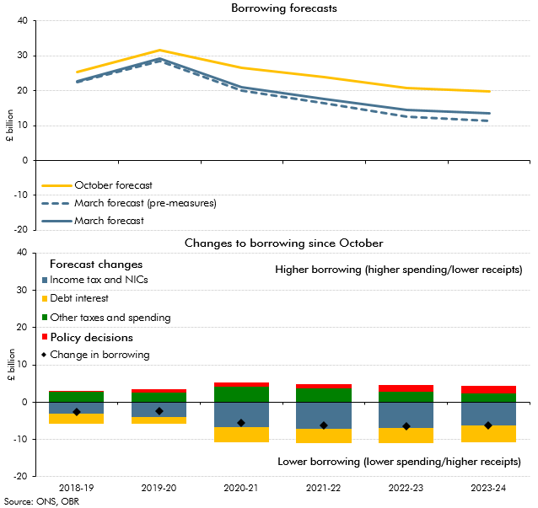

 |  | 2018-19 | 2019-20 | 2020-21 | 2021-22 | 2022-23 | 2023-24
 | October forecast | 25.5 | 31.8 | 26.7 | 23.8 | 20.8 | 19.8
 | March forecast (pre-measures) | 22.5 | 28.6 | 20.0 | 16.4 | 12.6 | 11.4
 | March forecast | 22.8 | 29.3 | 21.2 | 17.6 | 14.4 | 13.5
 | Income tax and NICs | -3.0 | -4.0 | -6.6 | -7.1 | -6.9 | -6.1
 | Debt interest | -2.7 | -1.9 | -4.1 | -4.0 | -4.1 | -4.6
 | Other taxes and spending | 2.8 | 2.7 | 4.1 | 3.7 | 2.8 | 2.3
 | Policy decsions | 0.3 | 0.7 | 1.2 | 1.2 | 1.8 | 2.1
 | Change in borrowing | -2.7 | -2.4 | -5.5 | -6.2 | -6.4 | -6.3

C1.2
Back to contents
 | Chart 1.2: Revisions to cumulative labour income and nominal GDP growth since October

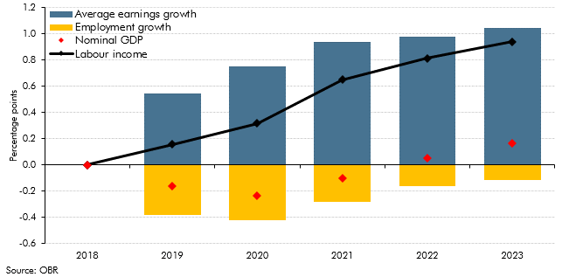

 |  | Average earnings growth | Employment growth | Nominal GDP | Labour income
 | 2018 | 0.0 | 0.0 | 0.0 | 0.0
 | 2019 | 0.5 | -0.4 | -0.2 | 0.2
 | 2020 | 0.8 | -0.4 | -0.2 | 0.3
 | 2021 | 0.9 | -0.3 | -0.1 | 0.7
 | 2022 | 1.0 | -0.2 | 0.1 | 0.8
 | 2023 | 1.0 | -0.1 | 0.2 | 0.9

C1.3
Back to contents
 | Chart 1.4: Real GDP fan chart

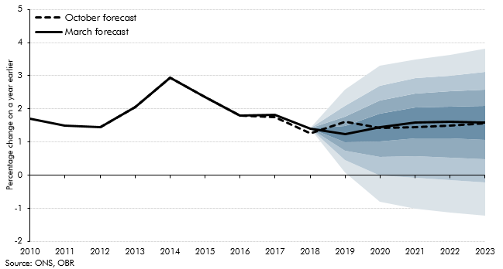

 |  | Percentile
 |  | 10 | 20 | 30 | 40 | 50 | 60 | 70 | 80 | 90 | March central forecast | October central forecast
 | 2010 |  |  |  |  |  |  |  |  |  | 1.7 | 1.7
 | 2011 |  |  |  |  |  |  |  |  |  | 1.5 | 1.5
 | 2012 |  |  |  |  |  |  |  |  |  | 1.4 | 1.4
 | 2013 |  |  |  |  |  |  |  |  |  | 2.0 | 2.0
 | 2014 |  |  |  |  |  |  |  |  |  | 2.9 | 2.9
 | 2015 |  |  |  |  |  |  |  |  |  | 2.3 | 2.3
 | 2016 |  |  |  |  |  |  |  |  |  | 1.8 | 1.8
 | 2017 |  |  |  |  |  |  |  |  |  | 1.8 | 1.7
 | 2018 |  |  |  |  |  |  |  |  |  | 1.4 | 1.3
 | 2019 | 0.1 | 0.5 | 0.7 | 1.0 | 1.2 | 1.5 | 1.8 | 2.1 | 2.6 | 1.2 | 1.6
 | 2020 | -0.8 | 0.0 | 0.6 | 1.0 | 1.4 | 1.8 | 2.3 | 2.7 | 3.3 | 1.4 | 1.4
 | 2021 | -1.0 | -0.1 | 0.6 | 1.1 | 1.6 | 2.0 | 2.5 | 2.9 | 3.5 | 1.6 | 1.4
 | 2022 | -1.1 | -0.2 | 0.5 | 1.1 | 1.6 | 2.1 | 2.5 | 3.0 | 3.6 | 1.6 | 1.5
 | 2023 | -1.2 | -0.2 | 0.5 | 1.1 | 1.6 | 2.1 | 2.6 | 3.1 | 3.8 | 1.6 | 1.6

C1.4
Back to contents
 | Chart 1.4: Sources of revisions to our pre-policy-measures PSNB forecast

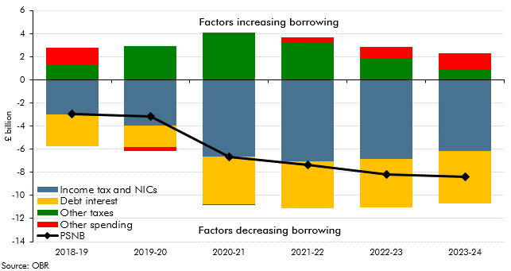

 |  | 2018-19 | 2019-20 | 2020-21 | 2021-22 | 2022-23 | 2023-24
 | Income tax and NICs | -3.0 | -4.0 | -6.6 | -7.1 | -6.9 | -6.1
 | Other taxes | 1.3 | 3.0 | 4.1 | 3.3 | 1.9 | 0.9
 | Debt interest | -2.7 | -1.9 | -4.1 | -4.0 | -4.1 | -4.6
 | Other spending | 1.5 | -0.3 | 0.0 | 0.4 | 1.0 | 1.4
 | PSNB | -2.9 | -3.2 | -6.7 | -7.4 | -8.2 | -8.4

C2.1
Back to contents
 | Chart 2.1: Forecasts for real GDP growth in 2019

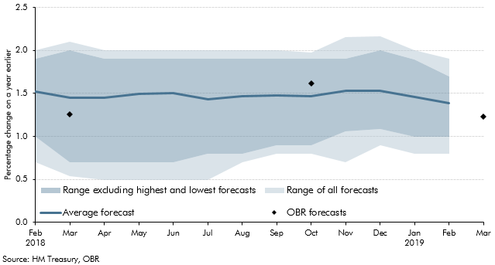

 |  | Average forecast | Low (all estimates) | High (all estimates) | Low (excluding lowest) | High (excluding highest)
 | 2018 Feb | 1.5 | 0.7 | 2.0 | 1.0 | 1.9
 | Mar | 1.5 | 0.5 | 2.1 | 0.7 | 2.0
 | Apr | 1.4 | 0.5 | 2.0 | 0.7 | 1.9
 | May | 1.5 | 0.5 | 2.0 | 0.7 | 1.9
 | Jun | 1.5 | 0.5 | 2.0 | 0.7 | 1.9
 | Jul | 1.4 | 0.5 | 2.0 | 0.8 | 1.9
 | Aug | 1.5 | 0.7 | 2.0 | 0.8 | 1.9
 | Sep | 1.5 | 0.8 | 2.0 | 0.9 | 1.9
 | Oct | 1.5 | 0.8 | 2.0 | 0.9 | 1.9
 | Nov | 1.5 | 0.7 | 2.2 | 1.1 | 1.9
 | Dec | 1.5 | 0.9 | 2.2 | 1.1 | 2.0
 | 2019 Jan | 1.5 | 0.8 | 2.0 | 1.0 | 1.9
 | Feb | 1.4 | 0.8 | 1.9 | 1.0 | 1.7
 | Mar

C2.2
Back to contents
 | Chart 2.2: Forecasts for CPI inflation in 2019Q4

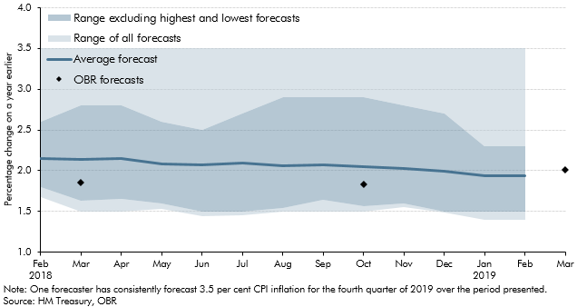

 |  | Average forecast | Low (all estimates) | High (all estimates) | low (excluding lowest) | High (excluding highest)
 | 2018 Feb | 2.1 | 1.7 | 3.5 | 1.8 | 2.6
 | Mar | 2.1 | 1.5 | 3.5 | 1.6 | 2.8
 | Apr | 2.1 | 1.5 | 3.5 | 1.7 | 2.8
 | May | 2.1 | 1.5 | 3.5 | 1.6 | 2.6
 | Jun | 2.1 | 1.4 | 3.5 | 1.5 | 2.5
 | Jul | 2.1 | 1.5 | 3.5 | 1.5 | 2.7
 | Aug | 2.1 | 1.5 | 3.5 | 1.5 | 2.9
 | Sep | 2.1 | 1.5 | 3.5 | 1.6 | 2.9
 | Oct | 2.0 | 1.5 | 3.5 | 1.6 | 2.9
 | Nov | 2.0 | 1.6 | 3.5 | 1.6 | 2.8
 | Dec | 2.0 | 1.5 | 3.5 | 1.5 | 2.7
 | 2019 Jan | 1.9 | 1.4 | 3.5 | 1.5 | 2.3
 | Feb | 1.9 | 1.4 | 3.5 | 1.5 | 2.3
 | Mar

C2.3
Back to contents
 | Chart 2.3: Forecasts for unemployment in 2019Q4

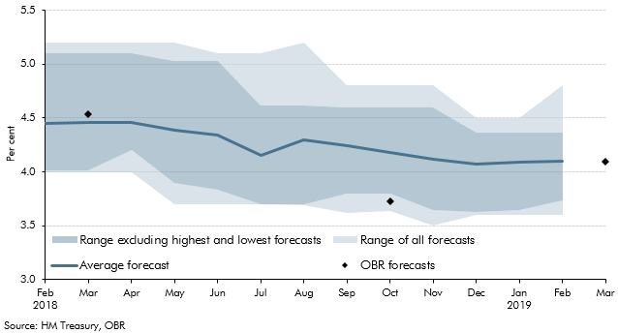

 |  | Average forecast | Low (all estimates) | High (all estimates) | Low (excluding lowest estimate) | High (excluding highest estimate)
 | 2018 Feb | 4.4 | 4.0 | 5.2 | 4.0 | 5.1
 | Mar | 4.5 | 4.0 | 5.2 | 4.0 | 5.1
 | Apr | 4.5 | 4.0 | 5.2 | 4.2 | 5.1
 | May | 4.4 | 3.7 | 5.2 | 3.9 | 5.0
 | Jun | 4.3 | 3.7 | 5.1 | 3.8 | 5.0
 | Jul | 4.2 | 3.7 | 5.1 | 3.7 | 4.6
 | Aug | 4.3 | 3.7 | 5.2 | 3.7 | 4.6
 | Sep | 4.2 | 3.6 | 4.8 | 3.8 | 4.6
 | Oct | 4.2 | 3.6 | 4.8 | 3.8 | 4.6
 | Nov | 4.1 | 3.5 | 4.8 | 3.6 | 4.6
 | Dec | 4.1 | 3.6 | 4.5 | 3.6 | 4.4
 | 2019 Jan | 4.1 | 3.6 | 4.5 | 3.6 | 4.4
 | Feb | 4.1 | 3.6 | 4.8 | 3.7 | 4.4
 | Mar

C3.1
Back to contents
 | Chart 3.1: Contributions to cumulative forecast errors for real GDP growth in November 2016 forecast

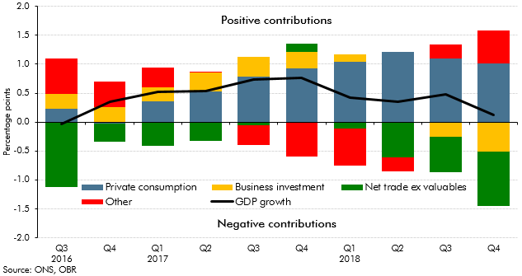

 |  | Private consumption | Net trade ex valuables | Business investment | GDP growth | Other
 | 2016 Q3 | 0.2 | -1.1 | 0.3 | 0.0 | 0.6
 | Q4 | 0.0 | -0.3 | 0.3 | 0.4 | 0.4
 | 2017 Q1 | 0.4 | -0.4 | 0.2 | 0.5 | 0.3
 | Q2 | 0.5 | -0.3 | 0.3 | 0.5 | 0.0
 | Q3 | 0.8 | -0.1 | 0.3 | 0.7 | -0.4
 | Q4 | 0.9 | 0.1 | 0.3 | 0.8 | -0.6
 | 2018 Q1 | 1.0 | -0.1 | 0.1 | 0.4 | -0.6
 | Q2 | 1.2 | -0.6 | 0.0 | 0.4 | -0.2
 | Q3 | 1.1 | -0.6 | -0.2 | 0.5 | 0.2
 | Q4 | 1.0 | -0.9 | -0.5 | 0.1 | 0.6

C3.2
Back to contents
 | Chart 3.2: Contributions to real earnings growth

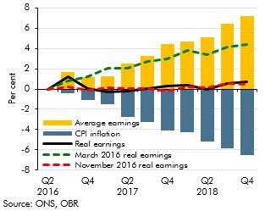

 |  | Outturn | March 2016 real earnings | November 2016 real earnings | CPI inflation | Average earnings
 | 2016 Q2 | 0.0 | 0.0 | 0.0 | 0.0 | 0.0
 | Q3 | 1.2 | 0.8 | 0.2 | -0.4 | 1.7
 | Q4 | 0.1 | 1.2 | -0.1 | -1.1 | 1.1
 | 2017 Q1 | -0.3 | 2.0 | 0.1 | -1.5 | 1.3
 | Q2 | -0.2 | 2.0 | 0.0 | -2.7 | 2.5
 | Q3 | 0.0 | 2.7 | 0.1 | -3.3 | 3.3
 | Q4 | 0.3 | 3.0 | -0.2 | -4.1 | 4.5
 | 2018 Q1 | 0.4 | 3.8 | 0.3 | -4.3 | 4.7
 | Q2 | -0.1 | 3.4 | 0.1 | -5.2 | 5.1
 | Q3 | 0.5 | 4.2 | 0.5 | -5.9 | 6.4
 | Q4 | 0.7 | 4.4 | 0.4 | -6.5 | 7.2

C3.3
Back to contents
 | Chart 3.3: G7 non-dwellings investment

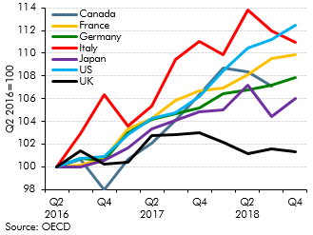

 |  | Canada | France | Germany | Italy | Japan | UK | US
 | 2016 Q2 | 100.0 | 100.0 | 100.0 | 100.0 | 100.0 | 100.0 | 100.0
 | Q3 | 100.6 | 100.1 | 100.8 | 102.9 | 100.0 | 101.4 | 100.7
 | Q4 | 98.0 | 100.8 | 100.6 | 106.3 | 100.6 | 100.2 | 100.9
 | 2017 Q1 | 100.7 | 103.3 | 103.0 | 103.6 | 101.7 | 100.4 | 102.8
 | Q2 | 102.1 | 104.2 | 104.1 | 105.4 | 103.3 | 102.7 | 104.3
 | Q3 | 104.1 | 105.8 | 104.6 | 109.5 | 104.1 | 102.9 | 104.8
 | Q4 | 106.3 | 106.7 | 105.2 | 111.0 | 104.8 | 103.0 | 106.1
 | 2018 Q1 | 108.7 | 106.9 | 106.5 | 109.9 | 105.0 | 102.2 | 108.5
 | Q2 | 108.4 | 108.1 | 106.7 | 113.8 | 107.2 | 101.1 | 110.5
 | Q3 | 107.1 | 109.6 | 107.2 | 112.0 | 104.4 | 101.6 | 111.2
 | Q4 |  | 109.9 | 107.8 | 111.0 | 106.0 | 101.3 | 112.5

C3.4
Back to contents
 | Chart 3.4: Survey-based and univariate-filter the output gap estimates

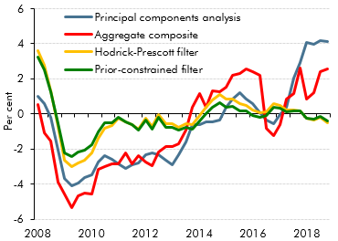

Source: ONS, OBR

 |  | Aggregate composite | Principal components analysis | Hodrick-Prescott filter | Prior-constrained filter
 | 2008 Q1 | 0.5 | 1.0 | 3.6 | 3.2
 | Q2 | -1.1 | 0.6 | 2.8 | 2.5
 | Q3 | -1.5 | -0.2 | 1.3 | 1.2
 | Q4 | -3.9 | -2.1 | -0.7 | -0.5
 | 2009 Q1 | -4.6 | -3.7 | -2.7 | -2.2
 | Q2 | -5.3 | -4.1 | -3.0 | -2.4
 | Q3 | -4.7 | -3.9 | -2.8 | -2.2
 | Q4 | -4.5 | -3.6 | -2.6 | -2.1
 | 2010 Q1 | -4.6 | -3.4 | -2.2 | -1.7
 | Q2 | -3.2 | -2.8 | -1.4 | -1.0
 | Q3 | -3.0 | -2.4 | -0.8 | -0.5
 | Q4 | -2.8 | -2.6 | -0.7 | -0.5
 | 2011 Q1 | -2.8 | -2.8 | -0.3 | -0.2
 | Q2 | -2.2 | -3.1 | -0.4 | -0.4
 | Q3 | -2.9 | -2.9 | -0.6 | -0.6
 | Q4 | -2.4 | -2.8 | -0.8 | -0.9
 | 2012 Q1 | -2.8 | -2.3 | -0.3 | -0.4
 | Q2 | -3.0 | -2.2 | -0.7 | -0.9
 | Q3 | -2.2 | -2.3 | -0.1 | -0.2
 | Q4 | -1.9 | -2.6 | -0.6 | -0.7
 | 2013 Q1 | -1.9 | -2.9 | -0.6 | -0.8
 | Q2 | -1.7 | -2.3 | -0.7 | -0.9
 | Q3 | -0.9 | -1.6 | -0.6 | -0.8
 | Q4 | 0.4 | -0.6 | -0.6 | -0.9
 | 2014 Q1 | 1.2 | -0.6 | -0.1 | -0.4
 | Q2 | 0.4 | -0.5 | 0.4 | 0.0
 | Q3 | 1.3 | -0.5 | 0.8 | 0.4
 | Q4 | 1.3 | -0.3 | 1.1 | 0.7
 | 2015 Q1 | 1.5 | 0.4 | 0.8 | 0.4
 | Q2 | 2.2 | 0.9 | 0.8 | 0.4
 | Q3 | 2.3 | 1.2 | 0.6 | 0.2
 | Q4 | 2.6 | 0.9 | 0.5 | 0.2
 | 2016 Q1 | 2.4 | 0.6 | 0.2 | -0.1
 | Q2 | 2.2 | 0.1 | 0.1 | -0.2
 | Q3 | -0.8 | -0.3 | 0.1 | -0.1
 | Q4 | -1.2 | -0.6 | 0.6 | 0.4
 | 2017 Q1 | -0.6 | 0.0 | 0.5 | 0.3
 | Q2 | 0.9 | 0.4 | 0.2 | 0.1
 | Q3 | 1.2 | 2.1 | 0.2 | 0.2
 | Q4 | 2.6 | 2.9 | 0.2 | 0.2
 | 2018 Q1 | 0.8 | 4.1 | -0.3 | -0.2
 | Q2 | 1.2 | 3.9 | -0.3 | -0.3
 | Q3 | 2.4 | 4.2 | -0.2 | -0.1
 | Q4 | 2.6 | 4.1 | -0.5 | -0.4

C3.5
Back to contents
 | Chart 3.5: Multivariate-filter output gap estimates

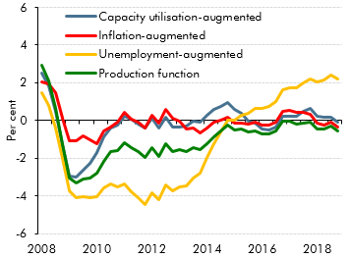

Notes: The production function model shown here is based on a filter-based estimate of the equilibrium unemployment rate up to 2011, which then falls towards our judgement-based central estimate by the fourth quarter of 2018. The charts show eight of the nine models used to estimate the output gap. Another multivariate filter model (incorporating data on inflation, capacity utilisation and unemployment) is not shown but is included in our supplementary economy tables on our website.
Source: OBR

 |  | Capacity utilisation-augmented | Inflation-augmented | Unemployment-augmented | Production function
 | 2008 Q1 | 2.5 | 2.1 | 1.5 | 3.0
 | Q2 | 1.8 | 2.0 | 0.8 | 2.1
 | Q3 | 0.5 | 1.5 | -0.4 | 0.6
 | Q4 | -1.3 | 0.1 | -2.0 | -1.3
 | 2009 Q1 | -2.9 | -1.1 | -3.7 | -3.0
 | Q2 | -3.0 | -1.1 | -4.1 | -3.3
 | Q3 | -2.6 | -0.8 | -4.0 | -3.1
 | Q4 | -2.3 | -1.0 | -4.1 | -3.1
 | 2010 Q1 | -1.7 | -1.2 | -4.0 | -2.8
 | Q2 | -0.9 | -0.5 | -3.6 | -2.1
 | Q3 | -0.4 | -0.3 | -3.3 | -1.7
 | Q4 | -0.2 | -0.1 | -3.5 | -1.6
 | 2011 Q1 | 0.2 | 0.4 | -3.4 | -1.2
 | Q2 | 0.1 | 0.1 | -3.8 | -1.4
 | Q3 | -0.2 | -0.1 | -4.1 | -1.6
 | Q4 | -0.4 | -0.4 | -4.4 | -1.9
 | 2012 Q1 | 0.1 | 0.3 | -3.8 | -1.4
 | Q2 | -0.4 | -0.1 | -4.2 | -1.9
 | Q3 | 0.2 | 0.6 | -3.4 | -1.2
 | Q4 | -0.4 | 0.1 | -3.7 | -1.7
 | 2013 Q1 | -0.3 | 0.0 | -3.5 | -1.5
 | Q2 | -0.3 | -0.4 | -3.5 | -1.6
 | Q3 | 0.0 | -0.4 | -3.1 | -1.5
 | Q4 | -0.1 | -0.7 | -2.8 | -1.6
 | 2014 Q1 | 0.3 | -0.4 | -2.0 | -1.2
 | Q2 | 0.6 | -0.1 | -1.2 | -0.9
 | Q3 | 0.7 | 0.0 | -0.6 | -0.6
 | Q4 | 1.0 | 0.2 | 0.0 | -0.2
 | 2015 Q1 | 0.6 | -0.1 | 0.0 | -0.5
 | Q2 | 0.4 | -0.1 | 0.3 | -0.4
 | Q3 | 0.0 | -0.2 | 0.4 | -0.6
 | Q4 | -0.2 | -0.1 | 0.6 | -0.6
 | 2016 Q1 | -0.4 | -0.2 | 0.6 | -0.7
 | Q2 | -0.5 | -0.3 | 0.8 | -0.7
 | Q3 | -0.4 | -0.1 | 1.0 | -0.6
 | Q4 | 0.3 | 0.5 | 1.6 | 0.0
 | 2017 Q1 | 0.2 | 0.6 | 1.7 | 0.0
 | Q2 | 0.2 | 0.4 | 1.8 | -0.2
 | Q3 | 0.5 | 0.4 | 2.0 | -0.1
 | Q4 | 0.6 | 0.3 | 2.2 | -0.1
 | 2018 Q1 | 0.2 | -0.1 | 2.0 | -0.5
 | Q2 | 0.2 | -0.3 | 2.2 | -0.5
 | Q3 | 0.2 | -0.1 | 2.4 | -0.3
 | Q4 | -0.1 | -0.3 | 2.2 | -0.6

C3.6
Back to contents
 | Chart 3.6: Range of output gap estimates

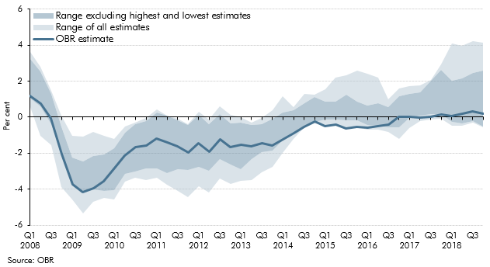

 |  | OBR estimate | Low (all estimates) | High (all estimates) | Low (excluding lowest) | High (excluding highest)
 | 2008 Q1 | 1.2 | 0.5 | 3.6 | 1.0 | 3.2
 | Q2 | 0.7 | -1.1 | 2.8 | 0.6 | 2.5
 | Q3 | -0.1 | -1.5 | 1.5 | -0.4 | 1.3
 | Q4 | -2.0 | -3.9 | 0.1 | -2.1 | -0.5
 | 2009 Q1 | -3.7 | -4.6 | -1.1 | -3.7 | -2.2
 | Q2 | -4.1 | -5.3 | -1.1 | -4.1 | -2.4
 | Q3 | -3.9 | -4.7 | -0.8 | -4.0 | -2.2
 | Q4 | -3.6 | -4.5 | -1.0 | -4.1 | -2.1
 | 2010 Q1 | -2.8 | -4.6 | -1.2 | -4.0 | -1.7
 | Q1 | -2.1 | -3.6 | -0.5 | -3.2 | -0.9
 | Q2 | -1.7 | -3.3 | -0.3 | -3.0 | -0.4
 | Q3 | -1.6 | -3.5 | -0.1 | -2.8 | -0.2
 | 2011 Q1 | -1.2 | -3.4 | 0.4 | -2.8 | 0.2
 | Q1 | -1.4 | -3.8 | 0.1 | -3.1 | 0.1
 | Q2 | -1.6 | -4.1 | -0.1 | -2.9 | -0.2
 | Q3 | -1.9 | -4.4 | -0.4 | -2.9 | -0.4
 | 2012 Q1 | -1.4 | -3.8 | 0.3 | -2.8 | 0.1
 | Q4 | -1.9 | -4.2 | -0.1 | -3.0 | -0.4
 | Q1 | -1.2 | -3.4 | 0.6 | -2.3 | 0.2
 | Q2 | -1.7 | -3.7 | 0.1 | -2.6 | -0.4
 | 2013 Q1 | -1.5 | -3.5 | 0.0 | -2.9 | -0.3
 | Q4 | -1.6 | -3.5 | -0.3 | -2.3 | -0.4
 | Q1 | -1.5 | -3.1 | 0.0 | -1.9 | -0.4
 | Q2 | -1.6 | -2.8 | 0.4 | -1.9 | -0.1
 | 2014 Q1 | -1.2 | -2.0 | 1.2 | -1.3 | 0.3
 | Q3 | -0.9 | -1.2 | 0.6 | -0.9 | 0.4
 | Q4 | -0.6 | -0.6 | 1.3 | -0.6 | 0.8
 | Q1 | -0.3 | -0.3 | 1.3 | -0.2 | 1.1
 | 2015 Q1 | -0.5 | -0.5 | 1.5 | -0.1 | 0.8
 | Q3 | -0.4 | -0.4 | 2.2 | -0.1 | 0.9
 | Q4 | -0.6 | -0.6 | 2.3 | -0.2 | 1.2
 | Q1 | -0.6 | -0.6 | 2.6 | -0.2 | 0.9
 | 2016 Q1 | -0.6 | -0.7 | 2.4 | -0.4 | 0.6
 | Q2 | -0.5 | -0.7 | 2.2 | -0.5 | 0.8
 | Q3 | -0.4 | -0.8 | 1.0 | -0.6 | 0.5
 | Q4 | 0.0 | -1.2 | 1.6 | -0.6 | 1.1
 | 2017 Q1 | 0.0 | -0.6 | 1.7 | 0.0 | 1.3
 | Q2 | 0.0 | -0.2 | 1.8 | 0.1 | 1.4
 | Q3 | 0.0 | -0.1 | 2.1 | 0.2 | 2.0
 | Q4 | 0.2 | -0.1 | 2.9 | 0.2 | 2.6
 | 2018 Q1 | 0.1 | -0.5 | 4.1 | -0.3 | 2.0
 | Q2 | 0.2 | -0.5 | 3.9 | -0.3 | 2.2
 | Q3 | 0.3 | -0.3 | 4.2 | -0.2 | 2.4
 | Q4 | 0.2 | -0.6 | 4.1 | -0.5 | 2.6

C3.7
Back to contents
 | Chart 3.7: Output gap estimates: 2018

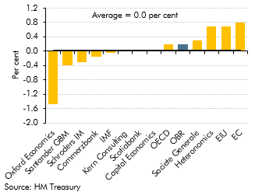

 | Oxford Economics | -1.5
 | Santander GBM | -0.4
 | Schroders IM | -0.3
 | Commerzbank | -0.2
 | IMF | 0.0
 | Kern Consulting | 0.0
 | Scotiabank | 0.0
 | Capital Economics | 0.0
 | OECD | 0.2
 | OBR | 0.2
 | Societe Generale | 0.3
 | Heteronomics | 0.7
 | EIU | 0.7
 | European Commission | 0.8

C3.8
Back to contents
 | Chart 3.8: Output gap estimates: 2019

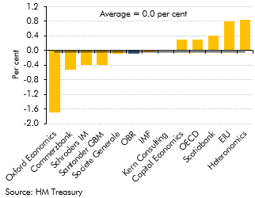

 | Oxford Economics | -1.7
 | Commerzbank | -0.5
 | Schroders IM | -0.4
 | Santander GBM | -0.4
 | Societe Generale | -0.1
 | OBR | -0.1
 | IMF | 0.0
 | Kern Consulting | 0.0
 | Capital Economics | 0.3
 | OECD | 0.3
 | Scotiabank | 0.4
 | EIU | 0.8
 | Heteronomics | 0.8

C3.9
Back to contents
 | Chart 3.9: Bank Rate

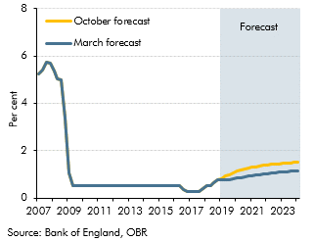

 |  | March forecast | October forecast
 | 2007 Q1 | 5.2 | 5.2
 | Q2 | 5.4 | 5.4
 | Q3 | 5.7 | 5.7
 | Q4 | 5.7 | 5.7
 | 2008 Q1 | 5.4 | 5.4
 | Q2 | 5.0 | 5.0
 | Q3 | 5.0 | 5.0
 | Q4 | 3.4 | 3.4
 | 2009 Q1 | 1.1 | 1.1
 | Q2 | 0.5 | 0.5
 | Q3 | 0.5 | 0.5
 | Q4 | 0.5 | 0.5
 | 2010 Q1 | 0.5 | 0.5
 | Q2 | 0.5 | 0.5
 | Q3 | 0.5 | 0.5
 | Q4 | 0.5 | 0.5
 | 2011 Q1 | 0.5 | 0.5
 | Q2 | 0.5 | 0.5
 | Q3 | 0.5 | 0.5
 | Q4 | 0.5 | 0.5
 | 2012 Q1 | 0.5 | 0.5
 | Q2 | 0.5 | 0.5
 | Q3 | 0.5 | 0.5
 | Q4 | 0.5 | 0.5
 | 2013 Q1 | 0.5 | 0.5
 | Q2 | 0.5 | 0.5
 | Q3 | 0.5 | 0.5
 | Q4 | 0.5 | 0.5
 | 2014 Q1 | 0.5 | 0.5
 | Q2 | 0.5 | 0.5
 | Q3 | 0.5 | 0.5
 | Q4 | 0.5 | 0.5
 | 2015 Q1 | 0.5 | 0.5
 | Q2 | 0.5 | 0.5
 | Q3 | 0.5 | 0.5
 | Q4 | 0.5 | 0.5
 | 2016 Q1 | 0.5 | 0.5
 | Q2 | 0.5 | 0.5
 | Q3 | 0.3 | 0.3
 | Q4 | 0.3 | 0.3
 | 2017 Q1 | 0.3 | 0.3
 | Q2 | 0.3 | 0.3
 | Q3 | 0.3 | 0.3
 | Q4 | 0.4 | 0.4
 | 2018 Q1 | 0.5 | 0.5
 | Q2 | 0.5 | 0.5
 | Q3 | 0.7 | 0.7
 | Q4 | 0.8 | 0.8
 | 2019 Q1 | 0.8 | 0.8
 | Q2 | 0.8 | 0.9
 | Q3 | 0.8 | 1.0
 | Q4 | 0.8 | 1.1
 | 2020 Q1 | 0.8 | 1.1
 | Q2 | 0.9 | 1.2
 | Q3 | 0.9 | 1.2
 | Q4 | 0.9 | 1.3
 | 2021 Q1 | 0.9 | 1.3
 | Q2 | 1.0 | 1.3
 | Q3 | 1.0 | 1.3
 | Q4 | 1.0 | 1.4
 | 2022 Q1 | 1.0 | 1.4
 | Q2 | 1.0 | 1.4
 | Q3 | 1.1 | 1.4
 | Q4 | 1.1 | 1.4
 | 2023 Q1 | 1.1 | 1.5
 | Q2 | 1.1 | 1.5
 | Q3 | 1.1 | 1.5
 | Q4 | 1.1 | 1.5
 | 2024 Q1 | 1.2 | 1.5

C3.10
Back to contents
 | Chart 3.10: Global bond yields

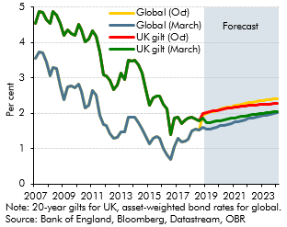

 |  | UK gilt (March) | Global (March) | UK gilt (October) | Global (October)
 | 2007 Q1 | 4.5 | 3.6 | 4.5 | 3.6
 | Q2 | 4.9 | 3.7 | 4.9 | 3.7
 | Q3 | 4.9 | 3.7 | 4.9 | 3.7
 | Q4 | 4.6 | 3.4 | 4.6 | 3.4
 | 2008 Q1 | 4.5 | 3.1 | 4.5 | 3.1
 | Q2 | 4.9 | 3.3 | 4.9 | 3.3
 | Q3 | 4.8 | 3.3 | 4.8 | 3.3
 | Q4 | 4.5 | 2.8 | 4.5 | 2.8
 | 2009 Q1 | 4.2 | 2.4 | 4.2 | 2.4
 | Q2 | 4.4 | 2.7 | 4.4 | 2.7
 | Q3 | 4.3 | 2.8 | 4.3 | 2.8
 | Q4 | 4.2 | 2.7 | 4.2 | 2.7
 | 2010 Q1 | 4.5 | 2.8 | 4.5 | 2.8
 | Q2 | 4.4 | 2.6 | 4.4 | 2.6
 | Q3 | 4.0 | 2.1 | 4.0 | 2.1
 | Q4 | 4.1 | 2.2 | 4.1 | 2.2
 | 2011 Q1 | 4.3 | 2.7 | 4.3 | 2.7
 | Q2 | 4.2 | 2.5 | 4.2 | 2.5
 | Q3 | 3.7 | 1.9 | 3.7 | 1.9
 | Q4 | 3.1 | 1.7 | 3.1 | 1.7
 | 2012 Q1 | 3.1 | 1.6 | 3.1 | 1.6
 | Q2 | 2.9 | 1.4 | 2.9 | 1.4
 | Q3 | 2.7 | 1.3 | 2.7 | 1.3
 | Q4 | 2.8 | 1.3 | 2.8 | 1.3
 | 2013 Q1 | 3.1 | 1.5 | 3.1 | 1.5
 | Q2 | 3.0 | 1.5 | 3.0 | 1.5
 | Q3 | 3.5 | 1.9 | 3.5 | 1.9
 | Q4 | 3.5 | 1.9 | 3.5 | 1.9
 | 2014 Q1 | 3.5 | 1.9 | 3.5 | 1.9
 | Q2 | 3.4 | 1.7 | 3.4 | 1.7
 | Q3 | 3.1 | 1.6 | 3.1 | 1.6
 | Q4 | 2.7 | 1.4 | 2.7 | 1.4
 | 2015 Q1 | 2.2 | 1.1 | 2.2 | 1.1
 | Q2 | 2.4 | 1.3 | 2.4 | 1.3
 | Q3 | 2.5 | 1.4 | 2.5 | 1.4
 | Q4 | 2.5 | 1.3 | 2.5 | 1.3
 | 2016 Q1 | 2.3 | 1.0 | 2.3 | 1.0
 | Q2 | 2.1 | 0.8 | 2.1 | 0.8
 | Q3 | 1.4 | 0.7 | 1.4 | 0.7
 | Q4 | 1.9 | 1.1 | 1.9 | 1.1
 | 2017 Q1 | 1.9 | 1.3 | 1.9 | 1.3
 | Q2 | 1.7 | 1.2 | 1.7 | 1.2
 | Q3 | 1.8 | 1.2 | 1.8 | 1.2
 | Q4 | 1.9 | 1.3 | 1.9 | 1.3
 | 2018 Q1 | 1.9 | 1.5 | 1.9 | 1.5
 | Q2 | 1.8 | 1.6 | 1.8 | 1.6
 | Q3 | 1.8 | 1.5 | 1.8 | 1.5
 | Q4 | 1.9 | 1.6 | 2.0 | 2.0
 | 2019 Q1 | 1.7 | 1.5 | 2.0 | 2.0
 | Q2 | 1.7 | 1.6 | 2.0 | 2.0
 | Q3 | 1.8 | 1.6 | 2.1 | 2.1
 | Q4 | 1.8 | 1.6 | 2.1 | 2.1
 | 2020 Q1 | 1.8 | 1.6 | 2.1 | 2.1
 | Q2 | 1.8 | 1.7 | 2.1 | 2.1
 | Q3 | 1.8 | 1.7 | 2.1 | 2.2
 | Q4 | 1.9 | 1.7 | 2.2 | 2.2
 | 2021 Q1 | 1.9 | 1.8 | 2.2 | 2.2
 | Q2 | 1.9 | 1.8 | 2.2 | 2.2
 | Q3 | 1.9 | 1.8 | 2.2 | 2.3
 | Q4 | 1.9 | 1.8 | 2.2 | 2.3
 | 2022 Q1 | 1.9 | 1.9 | 2.2 | 2.3
 | Q2 | 2.0 | 1.9 | 2.2 | 2.3
 | Q3 | 2.0 | 1.9 | 2.2 | 2.3
 | Q4 | 2.0 | 1.9 | 2.2 | 2.3
 | 2023 Q1 | 2.0 | 1.9 | 2.3 | 2.4
 | Q2 | 2.0 | 2.0 | 2.3 | 2.4
 | Q3 | 2.0 | 2.0 | 2.3 | 2.4
 | Q4 | 2.0 | 2.0 | 2.3 | 2.4
 | 2024 Q1 | 2.0 | 2.0 | 2.3 | 2.4

C3.11
Back to contents
 | Chart 3.11: Sterling effective exchange rate

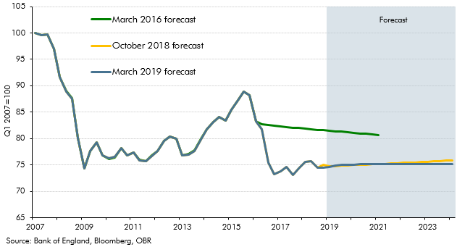

 |  | March 2019 forecast | October 2018 forecast | March 2016 forecast
 | 2007 Q1 | 100.0 | 100.0 | 100.0
 | Q2 | 99.5 | 99.5 | 99.5
 | Q3 | 99.7 | 99.7 | 99.7
 | Q4 | 97.0 | 97.0 | 97.0
 | 2008 Q1 | 91.6 | 91.6 | 91.7
 | Q2 | 88.9 | 88.9 | 89.0
 | Q3 | 87.6 | 87.6 | 87.6
 | Q4 | 80.1 | 80.1 | 80.1
 | 2009 Q1 | 74.4 | 74.4 | 74.3
 | Q2 | 77.6 | 77.6 | 77.7
 | Q3 | 79.3 | 79.3 | 79.2
 | Q4 | 76.9 | 76.9 | 76.8
 | 2010 Q1 | 76.2 | 76.2 | 76.1
 | Q2 | 76.5 | 76.5 | 76.4
 | Q3 | 78.2 | 78.2 | 78.2
 | Q4 | 76.8 | 76.8 | 76.8
 | 2011 Q1 | 77.3 | 77.3 | 77.3
 | Q2 | 75.9 | 75.9 | 76.0
 | Q3 | 75.7 | 75.7 | 75.8
 | Q4 | 76.7 | 76.7 | 76.8
 | 2012 Q1 | 77.6 | 77.6 | 77.6
 | Q2 | 79.5 | 79.5 | 79.5
 | Q3 | 80.4 | 80.4 | 80.4
 | Q4 | 79.9 | 79.9 | 79.9
 | 2013 Q1 | 76.8 | 76.8 | 76.8
 | Q2 | 77.0 | 77.0 | 77.0
 | Q3 | 77.7 | 77.7 | 77.7
 | Q4 | 79.9 | 79.9 | 80.0
 | 2014 Q1 | 81.8 | 81.8 | 81.8
 | Q2 | 83.1 | 83.1 | 83.1
 | Q3 | 84.1 | 84.1 | 84.1
 | Q4 | 83.4 | 83.4 | 83.5
 | 2015 Q1 | 85.5 | 85.5 | 85.5
 | Q2 | 87.2 | 87.2 | 87.3
 | Q3 | 88.8 | 88.8 | 88.8
 | Q4 | 88.2 | 88.2 | 88.2
 | 2016 Q1 | 83.2 | 83.2 | 83.2
 | Q2 | 81.8 | 81.8 | 82.7
 | Q3 | 75.4 | 75.4 | 82.6
 | Q4 | 73.2 | 73.2 | 82.4
 | 2017 Q1 | 73.7 | 73.7 | 82.3
 | Q2 | 74.6 | 74.6 | 82.2
 | Q3 | 73.2 | 73.2 | 82.1
 | Q4 | 74.3 | 74.3 | 82.0
 | 2018 Q1 | 75.6 | 75.6 | 81.9
 | Q2 | 75.7 | 75.7 | 81.8
 | Q3 | 74.5 | 74.5 | 81.7
 | Q4 | 74.5 | 75.0 | 81.6
 | 2019 Q1 | 74.6 | 74.7 | 81.5
 | Q2 | 74.9 | 74.8 | 81.4
 | Q3 | 75.0 | 74.9 | 81.3
 | Q4 | 75.0 | 74.9 | 81.2
 | 2020 Q1 | 75.1 | 75.0 | 81.1
 | Q2 | 75.1 | 75.0 | 81.0
 | Q3 | 75.1 | 75.1 | 80.9
 | Q4 | 75.2 | 75.1 | 80.8
 | 2021 Q1 | 75.2 | 75.2 | 80.7
 | Q2 | 75.2 | 75.2
 | Q3 | 75.2 | 75.3
 | Q4 | 75.2 | 75.3
 | 2022 Q1 | 75.2 | 75.4
 | Q2 | 75.2 | 75.4
 | Q3 | 75.2 | 75.5
 | Q4 | 75.2 | 75.6
 | 2023 Q1 | 75.2 | 75.6
 | Q2 | 75.2 | 75.7
 | Q3 | 75.2 | 75.7
 | Q4 | 75.2 | 75.8
 | 2024 Q1 | 75.2 | 75.8

C3.12
Back to contents
 | Chart 3.12: Oil price

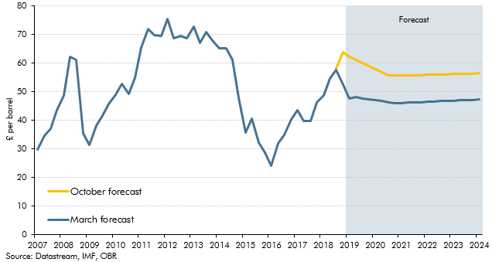

 |  | March forecast | October forecast
 | 2007 Q1 | 29.7 | 29.7
 | Q2 | 34.6 | 34.6
 | Q3 | 37.1 | 37.1
 | Q4 | 43.5 | 43.5
 | 2008 Q1 | 48.9 | 48.9
 | Q2 | 62.2 | 62.2
 | Q3 | 61.1 | 61.1
 | Q4 | 35.6 | 35.6
 | 2009 Q1 | 31.4 | 31.4
 | Q2 | 38.1 | 38.1
 | Q3 | 41.7 | 41.7
 | Q4 | 45.9 | 45.9
 | 2010 Q1 | 49.1 | 49.1
 | Q2 | 52.8 | 52.8
 | Q3 | 49.3 | 49.3
 | Q4 | 54.9 | 54.9
 | 2011 Q1 | 65.4 | 65.4
 | Q2 | 71.9 | 71.9
 | Q3 | 69.9 | 69.9
 | Q4 | 69.6 | 69.6
 | 2012 Q1 | 75.4 | 75.4
 | Q2 | 68.8 | 68.8
 | Q3 | 69.6 | 69.6
 | Q4 | 68.8 | 68.8
 | 2013 Q1 | 72.7 | 72.7
 | Q2 | 67.1 | 67.1
 | Q3 | 71.0 | 71.0
 | Q4 | 67.6 | 67.6
 | 2014 Q1 | 65.2 | 65.2
 | Q2 | 65.2 | 65.2
 | Q3 | 61.1 | 61.1
 | Q4 | 48.0 | 48.0
 | 2015 Q1 | 35.7 | 35.7
 | Q2 | 40.5 | 40.5
 | Q3 | 32.3 | 32.3
 | Q4 | 28.6 | 28.6
 | 2016 Q1 | 24.0 | 24.0
 | Q2 | 32.0 | 32.0
 | Q3 | 34.9 | 34.9
 | Q4 | 40.3 | 40.3
 | 2017 Q1 | 43.7 | 43.7
 | Q2 | 39.7 | 39.7
 | Q3 | 39.9 | 39.9
 | Q4 | 46.2 | 46.2
 | 2018 Q1 | 48.6 | 48.6
 | Q2 | 54.8 | 54.8
 | Q3 | 57.7 | 58.2
 | Q4 | 52.6 | 63.9
 | 2019 Q1 | 47.7 | 62.2
 | Q2 | 48.1 | 61.2
 | Q3 | 47.7 | 60.1
 | Q4 | 47.4 | 59.0
 | 2020 Q1 | 47.0 | 57.9
 | Q2 | 46.7 | 56.8
 | Q3 | 46.4 | 55.7
 | Q4 | 46.1 | 55.7
 | 2021 Q1 | 46.1 | 55.8
 | Q2 | 46.2 | 55.8
 | Q3 | 46.3 | 55.8
 | Q4 | 46.4 | 55.9
 | 2022 Q1 | 46.5 | 55.9
 | Q2 | 46.6 | 56.0
 | Q3 | 46.7 | 56.1
 | Q4 | 46.8 | 56.1
 | 2023 Q1 | 46.9 | 56.2
 | Q2 | 47.0 | 56.3
 | Q3 | 47.1 | 56.3
 | Q4 | 47.2 | 56.4
 | 2024 Q1 | 47.3 | 56.5

C3.13
Back to contents
 | Chart 3.13: Contributions to quarterly output growth

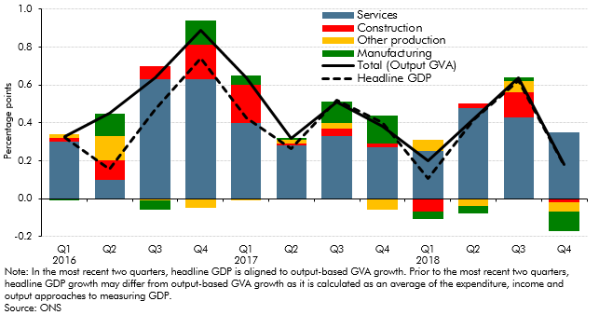

 |  | Services | Construction | Other production | Manufacturing | Total (Output GVA) | Headline GDP
 | 2016 Q1 | 0.3 | 0.0 | 0.0 | 0.0 | 0.3 | 0.3
 | Q2 | 0.1 | 0.1 | 0.1 | 0.1 | 0.4 | 0.2
 | Q3 | 0.6 | 0.1 | 0.0 | -0.1 | 0.6 | 0.5
 | Q4 | 0.6 | 0.2 | -0.1 | 0.1 | 0.9 | 0.7
 | 2017 Q1 | 0.4 | 0.2 | 0.0 | 0.1 | 0.6 | 0.4
 | Q2 | 0.3 | 0.0 | 0.0 | 0.0 | 0.3 | 0.3
 | Q3 | 0.3 | 0.0 | 0.0 | 0.1 | 0.5 | 0.5
 | Q4 | 0.3 | 0.0 | -0.1 | 0.2 | 0.4 | 0.4
 | 2018 Q1 | 0.3 | -0.1 | 0.1 | 0.0 | 0.2 | 0.1
 | Q2 | 0.5 | 0.0 | 0.0 | 0.0 | 0.4 | 0.4
 | Q3 | 0.4 | 0.1 | 0.1 | 0.0 | 0.6 | 0.6
 | Q4 | 0.4 | 0.0 | 0.0 | -0.1 | 0.2 | 0.2
 | Note: Total (output GVA) calculated as the sum of the sector contributions.

C3.14
Back to contents
 | Chart 3.14: Contributions to average quarterly GDP growth

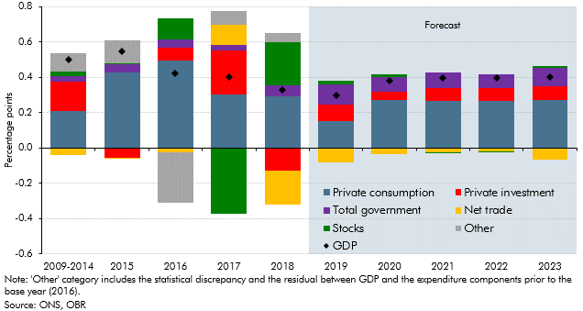

 |  | Private consumption | Private investment | Total government | Net trade | Stocks | Other
 | 2009-2014 | 0.2 | 0.2 | 0.0 | 0.0 | 0.0 | 0.1
 | 2015 | 0.4 | -0.1 | 0.0 | 0.0 | 0.0 | 0.1
 | 2016 | 0.5 | 0.1 | 0.0 | 0.0 | 0.1 | -0.3
 | 2017 | 0.3 | 0.3 | 0.0 | 0.1 | -0.4 | 0.1
 | 2018 | 0.3 | -0.1 | 0.1 | -0.2 | 0.2 | 0.1
 | 2019 | 0.2 | 0.1 | 0.1 | -0.1 | 0.0 | 0.0
 | 2020 | 0.3 | 0.0 | 0.1 | 0.0 | 0.0 | 0.0
 | 2021 | 0.3 | 0.1 | 0.1 | 0.0 | 0.0 | 0.0
 | 2022 | 0.3 | 0.1 | 0.1 | 0.0 | 0.0 | 0.0
 | 2023 | 0.3 | 0.1 | 0.1 | -0.1 | 0.0 | 0.0

C3.15
Back to contents
 | Chart 3.15: The output gap

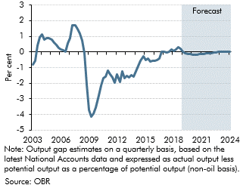

 | Quarters | March forecast
 | 2003 Q1 | -0.8
 | Q2 | -0.6
 | Q3 | 0.4
 | Q4 | 0.9
 | 2004 Q1 | 1.1
 | Q2 | 0.8
 | Q3 | 0.9
 | Q4 | 0.9
 | 2005 Q1 | 0.8
 | Q2 | 0.6
 | Q3 | 0.5
 | Q4 | 0.3
 | 2006 Q1 | 0.2
 | Q2 | 0.1
 | Q3 | 0.0
 | Q4 | 0.5
 | 2007 Q1 | 0.9
 | Q2 | 1.7
 | Q3 | 1.7
 | Q4 | 1.4
 | 2008 Q1 | 1.2
 | Q2 | 0.7
 | Q3 | -0.1
 | Q4 | -2.0
 | 2009 Q1 | -3.7
 | Q2 | -4.1
 | Q3 | -3.9
 | Q4 | -3.6
 | 2010 Q1 | -2.8
 | Q2 | -2.1
 | Q3 | -1.7
 | Q4 | -1.6
 | 2011 Q1 | -1.2
 | Q2 | -1.4
 | Q3 | -1.6
 | Q4 | -1.9
 | 2012 Q1 | -1.4
 | Q2 | -1.9
 | Q3 | -1.2
 | Q4 | -1.7
 | 2013 Q1 | -1.5
 | Q2 | -1.6
 | Q3 | -1.5
 | Q4 | -1.6
 | 2014 Q1 | -1.2
 | Q2 | -0.9
 | Q3 | -0.6
 | Q4 | -0.3
 | 2015 Q1 | -0.5
 | Q2 | -0.4
 | Q3 | -0.6
 | Q4 | -0.6
 | 2016 Q1 | -0.6
 | Q2 | -0.5
 | Q3 | -0.4
 | Q4 | 0.0
 | 2017 Q1 | 0.0
 | Q2 | 0.0
 | Q3 | 0.0
 | Q4 | 0.2
 | 2018 Q1 | 0.1
 | Q2 | 0.2
 | Q3 | 0.3
 | Q4 | 0.2
 | 2019 Q1 | 0.0
 | Q2 | -0.1
 | Q3 | -0.1
 | Q4 | -0.1
 | 2020 Q1 | -0.2
 | Q2 | -0.2
 | Q3 | -0.2
 | Q4 | -0.2
 | 2021 Q1 | -0.1
 | Q2 | -0.1
 | Q3 | -0.1
 | Q4 | -0.1
 | 2022 Q1 | -0.1
 | Q2 | 0.0
 | Q3 | 0.0
 | Q4 | 0.0
 | 2023 Q1 | 0.0
 | Q2 | 0.0
 | Q3 | 0.0
 | Q4 | 0.0
 | 2024 Q1 | 0.0

C3.16
Back to contents
 | Chart 3.16: Actual and potential output

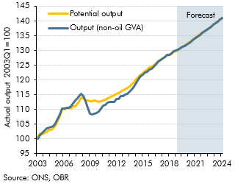

 |  | Output (non-oil GVA) | Potential output
 | 2003 Q1 | 100.0 | 100.8
 | Q2 | 101.3 | 101.9
 | Q3 | 102.1 | 101.7
 | Q4 | 102.9 | 102.0
 | 2004 Q1 | 103.5 | 102.4
 | Q2 | 103.9 | 103.1
 | Q3 | 104.1 | 103.1
 | Q4 | 104.4 | 103.5
 | 2005 Q1 | 105.5 | 104.6
 | Q2 | 106.8 | 106.1
 | Q3 | 108.4 | 107.9
 | Q4 | 110.3 | 110.0
 | 2006 Q1 | 110.4 | 110.2
 | Q2 | 110.5 | 110.4
 | Q3 | 110.5 | 110.5
 | Q4 | 111.0 | 110.4
 | 2007 Q1 | 112.1 | 111.1
 | Q2 | 113.0 | 111.1
 | Q3 | 113.9 | 112.0
 | Q4 | 114.8 | 113.2
 | 2008 Q1 | 115.4 | 114.1
 | Q2 | 114.6 | 113.7
 | Q3 | 112.9 | 113.0
 | Q4 | 110.7 | 113.0
 | 2009 Q1 | 108.6 | 112.8
 | Q2 | 108.2 | 112.9
 | Q3 | 108.5 | 113.0
 | Q4 | 108.8 | 112.8
 | 2010 Q1 | 109.3 | 112.5
 | Q2 | 110.4 | 112.8
 | Q3 | 111.2 | 113.1
 | Q4 | 111.6 | 113.4
 | 2011 Q1 | 112.4 | 113.7
 | Q2 | 112.5 | 114.1
 | Q3 | 112.6 | 114.4
 | Q4 | 112.6 | 114.8
 | 2012 Q1 | 113.6 | 115.3
 | Q2 | 113.5 | 115.7
 | Q3 | 114.6 | 116.1
 | Q4 | 114.5 | 116.4
 | 2013 Q1 | 115.0 | 116.8
 | Q2 | 115.3 | 117.2
 | Q3 | 116.1 | 117.8
 | Q4 | 116.7 | 118.6
 | 2014 Q1 | 117.9 | 119.4
 | Q2 | 119.2 | 120.2
 | Q3 | 120.3 | 121.0
 | Q4 | 121.4 | 121.7
 | 2015 Q1 | 121.8 | 122.4
 | Q2 | 122.5 | 123.1
 | Q3 | 122.9 | 123.7
 | Q4 | 123.5 | 124.2
 | 2016 Q1 | 123.9 | 124.6
 | Q2 | 124.4 | 125.1
 | Q3 | 125.2 | 125.7
 | Q4 | 126.4 | 126.4
 | 2017 Q1 | 126.9 | 126.8
 | Q2 | 127.2 | 127.2
 | Q3 | 127.9 | 127.8
 | Q4 | 128.4 | 128.2
 | 2018 Q1 | 128.5 | 128.4
 | Q2 | 129.0 | 128.8
 | Q3 | 129.8 | 129.4
 | Q4 | 130.1 | 129.8
 | 2019 Q1 | 130.3 | 130.3
 | Q2 | 130.7 | 130.8
 | Q3 | 131.2 | 131.3
 | Q4 | 131.6 | 131.8
 | 2020 Q1 | 132.1 | 132.3
 | Q2 | 132.6 | 132.8
 | Q3 | 133.1 | 133.3
 | Q4 | 133.7 | 133.9
 | 2021 Q1 | 134.2 | 134.4
 | Q2 | 134.8 | 134.9
 | Q3 | 135.3 | 135.5
 | Q4 | 135.9 | 136.0
 | 2022 Q1 | 136.4 | 136.5
 | Q2 | 137.0 | 137.0
 | Q3 | 137.5 | 137.6
 | Q4 | 138.1 | 138.1
 | 2023 Q1 | 138.7 | 138.7
 | Q2 | 139.2 | 139.2
 | Q3 | 139.8 | 139.8
 | Q4 | 140.4 | 140.4
 | 2024 Q1 | 141.0 | 141.0

C3.18
Back to contents
 | Chart 3.18: CPI inflation fan chart

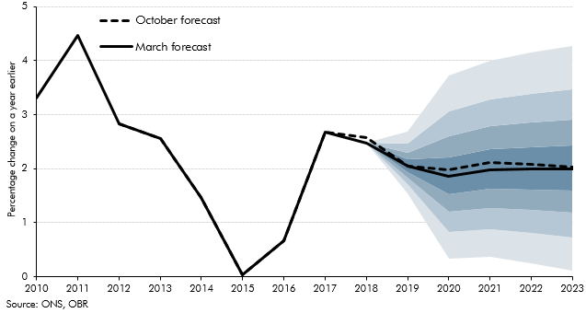

 |  | Percentile
 |  | 10 | 20 | 30 | 40 | 50 | 60 | 70 | 80 | 90 | March central forecast | October central forecast
 | 2010 |  |  |  |  |  |  |  |  |  | 3.3 | 3.3
 | 2011 |  |  |  |  |  |  |  |  |  | 4.5 | 4.5
 | 2012 |  |  |  |  |  |  |  |  |  | 2.8 | 2.8
 | 2013 |  |  |  |  |  |  |  |  |  | 2.6 | 2.6
 | 2014 |  |  |  |  |  |  |  |  |  | 1.5 | 1.5
 | 2015 |  |  |  |  |  |  |  |  |  | 0.0 | 0.0
 | 2016 |  |  |  |  |  |  |  |  |  | 0.7 | 0.7
 | 2017 |  |  |  |  |  |  |  |  |  | 2.7 | 2.7
 | 2018 |  |  |  |  |  |  |  |  |  | 2.5 | 2.6
 | 2019 | 1.6 | 1.7 | 1.8 | 1.9 | 2.1 | 2.2 | 2.3 | 2.5 | 2.7 | 2.1 | 2.0
 | 2020 | 0.3 | 0.8 | 1.2 | 1.5 | 1.9 | 2.2 | 2.6 | 3.1 | 3.7 | 1.9 | 2.0
 | 2021 | 0.4 | 0.9 | 1.3 | 1.6 | 2.0 | 2.4 | 2.8 | 3.3 | 4.0 | 2.0 | 2.1
 | 2022 | 0.2 | 0.8 | 1.2 | 1.6 | 2.0 | 2.4 | 2.8 | 3.4 | 4.1 | 2.0 | 2.1
 | 2023 | 0.1 | 0.7 | 1.2 | 1.6 | 2.0 | 2.4 | 2.9 | 3.5 | 4.3 | 2.0 | 2.0

C3.19
Back to contents
 | Chart 3.19: GDP deflator

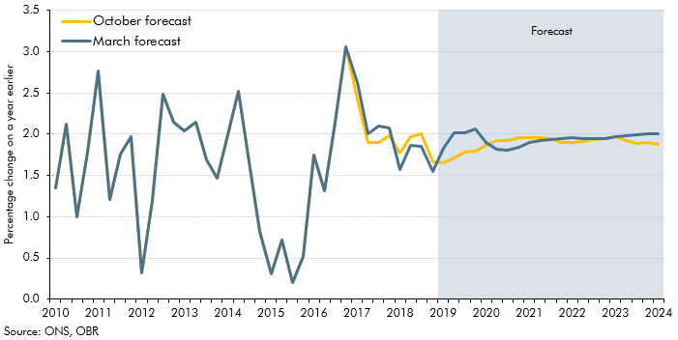

 |  | March forecast | October forecast
 | 2010 Q1 | 1.3 | 1.3
 | Q2 | 2.1 | 2.1
 | Q3 | 1.0 | 1.0
 | Q4 | 1.8 | 1.8
 | 2011 Q1 | 2.8 | 2.8
 | Q2 | 1.2 | 1.2
 | Q3 | 1.8 | 1.8
 | Q4 | 2.0 | 2.0
 | 2012 Q1 | 0.3 | 0.3
 | Q2 | 1.2 | 1.2
 | Q3 | 2.5 | 2.5
 | Q4 | 2.1 | 2.1
 | 2013 Q1 | 2.0 | 2.0
 | Q2 | 2.1 | 2.1
 | Q3 | 1.7 | 1.7
 | Q4 | 1.5 | 1.5
 | 2014 Q1 | 2.0 | 2.0
 | Q2 | 2.5 | 2.5
 | Q3 | 1.7 | 1.7
 | Q4 | 0.8 | 0.8
 | 2015 Q1 | 0.3 | 0.3
 | Q2 | 0.7 | 0.7
 | Q3 | 0.2 | 0.2
 | Q4 | 0.5 | 0.5
 | 2016 Q1 | 1.7 | 1.7
 | Q2 | 1.3 | 1.3
 | Q3 | 2.1 | 2.1
 | Q4 | 3.1 | 3.1
 | 2017 Q1 | 2.6 | 2.4
 | Q2 | 2.0 | 1.9
 | Q3 | 2.1 | 1.9
 | Q4 | 2.1 | 2.0
 | 2018 Q1 | 1.6 | 1.8
 | Q2 | 1.9 | 2.0
 | Q3 | 1.9 | 2.0
 | Q4 | 1.6 | 1.7
 | 2019 Q1 | 1.8 | 1.6
 | Q2 | 2.0 | 1.7
 | Q3 | 2.0 | 1.8
 | Q4 | 2.1 | 1.8
 | 2020 Q1 | 1.9 | 1.9
 | Q2 | 1.8 | 1.9
 | Q3 | 1.8 | 1.9
 | Q4 | 1.8 | 2.0
 | 2021 Q1 | 1.9 | 2.0
 | Q2 | 1.9 | 2.0
 | Q3 | 1.9 | 1.9
 | Q4 | 1.9 | 1.9
 | 2022 Q1 | 2.0 | 1.9
 | Q2 | 2.0 | 1.9
 | Q3 | 1.9 | 1.9
 | Q4 | 2.0 | 1.9
 | 2023 Q1 | 2.0 | 2.0
 | Q2 | 2.0 | 1.9
 | Q3 | 2.0 | 1.9
 | Q4 | 2.0 | 1.9
 | 2024 Q1 | 2.0 | 1.9

C3.20
Back to contents
 | Chart 3.20: Nominal GDP growth

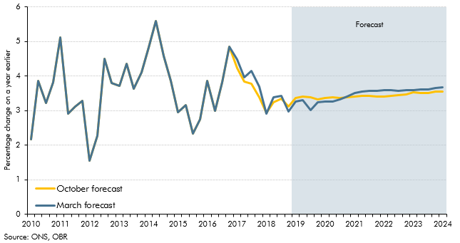

 |  | March forecast | October forecast
 | 2010 Q1 | 2.2 | 2.2
 | Q2 | 3.9 | 3.9
 | Q3 | 3.2 | 3.2
 | Q4 | 3.8 | 3.8
 | 2011 Q1 | 5.1 | 5.1
 | Q2 | 2.9 | 2.9
 | Q3 | 3.1 | 3.1
 | Q4 | 3.3 | 3.3
 | 2012 Q1 | 1.5 | 1.5
 | Q2 | 2.3 | 2.3
 | Q3 | 4.5 | 4.5
 | Q4 | 3.8 | 3.8
 | 2013 Q1 | 3.7 | 3.7
 | Q2 | 4.4 | 4.4
 | Q3 | 3.6 | 3.6
 | Q4 | 4.1 | 4.1
 | 2014 Q1 | 4.8 | 4.8
 | Q2 | 5.6 | 5.6
 | Q3 | 4.6 | 4.6
 | Q4 | 3.9 | 3.9
 | 2015 Q1 | 3.0 | 3.0
 | Q2 | 3.2 | 3.2
 | Q3 | 2.3 | 2.3
 | Q4 | 2.8 | 2.8
 | 2016 Q1 | 3.9 | 3.9
 | Q2 | 3.0 | 3.0
 | Q3 | 3.8 | 3.8
 | Q4 | 4.9 | 4.9
 | 2017 Q1 | 4.5 | 4.2
 | Q2 | 4.0 | 3.8
 | Q3 | 4.2 | 3.8
 | Q4 | 3.7 | 3.4
 | 2018 Q1 | 2.9 | 2.9
 | Q2 | 3.4 | 3.2
 | Q3 | 3.4 | 3.3
 | Q4 | 3.0 | 3.1
 | 2019 Q1 | 3.3 | 3.4
 | Q2 | 3.3 | 3.4
 | Q3 | 3.0 | 3.4
 | Q4 | 3.2 | 3.3
 | 2020 Q1 | 3.3 | 3.4
 | Q2 | 3.3 | 3.4
 | Q3 | 3.3 | 3.4
 | Q4 | 3.4 | 3.4
 | 2021 Q1 | 3.5 | 3.4
 | Q2 | 3.5 | 3.4
 | Q3 | 3.6 | 3.4
 | Q4 | 3.6 | 3.4
 | 2022 Q1 | 3.6 | 3.4
 | Q2 | 3.6 | 3.4
 | Q3 | 3.6 | 3.4
 | Q4 | 3.6 | 3.5
 | 2023 Q1 | 3.6 | 3.5
 | Q2 | 3.6 | 3.5
 | Q3 | 3.6 | 3.5
 | Q4 | 3.6 | 3.5
 | 2024 Q1 | 3.7 | 3.5

C3.21
Back to contents
 | Chart 3.21: Contributions to real household income growth

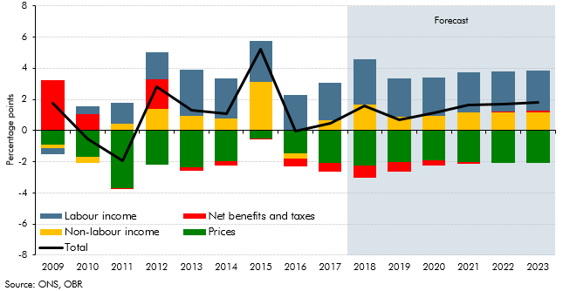

 |  | Total | Labour income | Net benefits and taxes | Non-labour income | Prices
 | 2007 | 2.9 | 3.5 | -0.1 | 1.5 | -2.1
 | 2008 | -0.4 | 2.2 | 0.8 | 0.6 | -4.0
 | 2009 | 1.7 | -0.4 | 3.3 | -0.2 | -0.9
 | 2010 | -0.5 | 0.5 | 1.1 | -0.4 | -1.7
 | 2011 | -1.9 | 1.4 | -0.1 | 0.4 | -3.7
 | 2012 | 2.8 | 1.7 | 1.9 | 1.4 | -2.2
 | 2013 | 1.3 | 3.0 | -0.3 | 0.9 | -2.3
 | 2014 | 1.1 | 2.6 | -0.3 | 0.8 | -2.0
 | 2015 | 5.2 | 2.6 | 0.0 | 3.1 | -0.5
 | 2016 | 0.0 | 2.3 | -0.5 | -0.3 | -1.5
 | 2017 | 0.5 | 2.4 | -0.5 | 0.7 | -2.1
 | 2018 | 1.6 | 2.9 | -0.8 | 1.7 | -2.3
 | 2019 | 0.7 | 2.5 | -0.6 | 0.9 | -2.0
 | 2020 | 1.1 | 2.4 | -0.3 | 1.0 | -1.9
 | 2021 | 1.6 | 2.6 | -0.1 | 1.2 | -2.0
 | 2022 | 1.7 | 2.5 | 0.1 | 1.1 | -2.1
 | 2023 | 1.8 | 2.5 | 0.1 | 1.2 | -2.1

C3.22
Back to contents
 | Chart 3.22: The household saving ratio

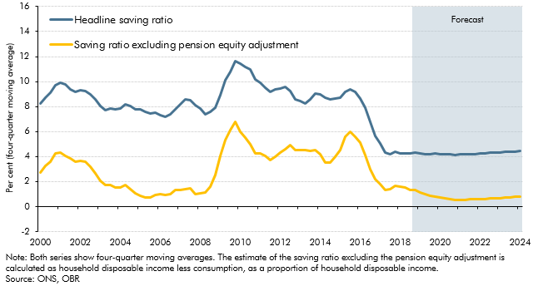

 |  | Headline saving ratio (Moving average) | Saving ratio excluding pension equity adjustment (Moving average)
 | 2000 Q1 | 8.3 | 2.7
 | Q2 | 8.7 | 3.2
 | Q3 | 9.1 | 3.6
 | Q4 | 9.7 | 4.3
 | 2001 Q1 | 9.9 | 4.3
 | Q2 | 9.8 | 4.1
 | Q3 | 9.4 | 3.8
 | Q4 | 9.2 | 3.6
 | 2002 Q1 | 9.3 | 3.7
 | Q2 | 9.3 | 3.6
 | Q3 | 9.0 | 3.2
 | Q4 | 8.6 | 2.7
 | 2003 Q1 | 8.0 | 2.1
 | Q2 | 7.7 | 1.7
 | Q3 | 7.9 | 1.7
 | Q4 | 7.8 | 1.5
 | 2004 Q1 | 7.8 | 1.5
 | Q2 | 8.2 | 1.8
 | Q3 | 8.1 | 1.4
 | Q4 | 7.8 | 1.0
 | 2005 Q1 | 7.8 | 0.9
 | Q2 | 7.6 | 0.7
 | Q3 | 7.5 | 0.7
 | Q4 | 7.5 | 1.0
 | 2006 Q1 | 7.3 | 1.0
 | Q2 | 7.2 | 0.9
 | Q3 | 7.4 | 1.0
 | Q4 | 7.8 | 1.3
 | 2007 Q1 | 8.2 | 1.4
 | Q2 | 8.6 | 1.4
 | Q3 | 8.5 | 1.4
 | Q4 | 8.1 | 1.0
 | 2008 Q1 | 7.9 | 1.0
 | Q2 | 7.4 | 1.1
 | Q3 | 7.6 | 1.6
 | Q4 | 7.9 | 2.5
 | 2009 Q1 | 8.9 | 4.0
 | Q2 | 10.1 | 5.3
 | Q3 | 10.8 | 6.1
 | Q4 | 11.7 | 6.8
 | 2010 Q1 | 11.4 | 6.0
 | Q2 | 11.2 | 5.5
 | Q3 | 11.0 | 5.0
 | Q4 | 10.2 | 4.3
 | 2011 Q1 | 9.9 | 4.3
 | Q2 | 9.5 | 4.1
 | Q3 | 9.2 | 3.7
 | Q4 | 9.4 | 4.0
 | 2012 Q1 | 9.5 | 4.3
 | Q2 | 9.6 | 4.6
 | Q3 | 9.2 | 4.9
 | Q4 | 8.6 | 4.5
 | 2013 Q1 | 8.5 | 4.5
 | Q2 | 8.3 | 4.6
 | Q3 | 8.6 | 4.4
 | Q4 | 9.1 | 4.5
 | 2014 Q1 | 9.0 | 4.2
 | Q2 | 8.7 | 3.5
 | Q3 | 8.6 | 3.5
 | Q4 | 8.6 | 4.0
 | 2015 Q1 | 8.7 | 4.5
 | Q2 | 9.2 | 5.6
 | Q3 | 9.4 | 6.0
 | Q4 | 9.2 | 5.6
 | 2016 Q1 | 8.7 | 5.1
 | Q2 | 7.9 | 4.1
 | Q3 | 6.8 | 3.0
 | Q4 | 5.6 | 2.2
 | 2017 Q1 | 5.0 | 1.8
 | Q2 | 4.3 | 1.3
 | Q3 | 4.2 | 1.4
 | Q4 | 4.4 | 1.7
 | 2018 Q1 | 4.3 | 1.6
 | Q2 | 4.3 | 1.5
 | Q3 | 4.3 | 1.4
 | Q4 | 4.3 | 1.4
 | 2019 Q1 | 4.3 | 1.1
 | Q2 | 4.2 | 1.0
 | Q3 | 4.2 | 0.9
 | Q4 | 4.2 | 0.8
 | 2020 Q1 | 4.2 | 0.7
 | Q2 | 4.2 | 0.6
 | Q3 | 4.2 | 0.6
 | Q4 | 4.1 | 0.5
 | 2021 Q1 | 4.2 | 0.5
 | Q2 | 4.2 | 0.6
 | Q3 | 4.2 | 0.6
 | Q4 | 4.2 | 0.6
 | 2022 Q1 | 4.3 | 0.6
 | Q2 | 4.3 | 0.6
 | Q3 | 4.3 | 0.7
 | Q4 | 4.3 | 0.7
 | 2023 Q1 | 4.3 | 0.7
 | Q2 | 4.4 | 0.7
 | Q3 | 4.4 | 0.8
 | Q4 | 4.4 | 0.8
 | 2024 Q1 | 4.4 | 0.8

C3.23
Back to contents
 | Chart 3.23: House price inflation forecast

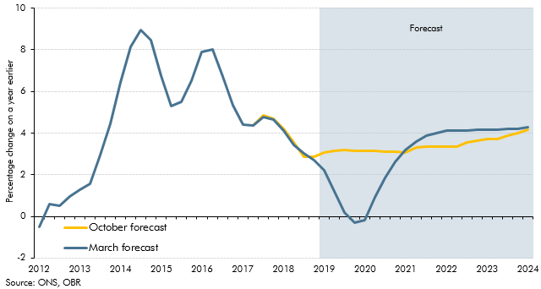

 |  | March forecast | October forecast
 | 2010 Q1 | 7.7 | 7.7
 | Q2 | 8.3 | 8.3
 | Q3 | 5.7 | 5.7
 | Q4 | 1.5 | 1.5
 | 2011 Q1 | -0.8 | -0.8
 | Q2 | -1.8 | -1.8
 | Q3 | -2.0 | -2.0
 | Q4 | -1.2 | -1.2
 | 2012 Q1 | -0.5 | -0.5
 | Q2 | 0.6 | 0.6
 | Q3 | 0.5 | 0.5
 | Q4 | 1.0 | 1.0
 | 2013 Q1 | 1.3 | 1.3
 | Q2 | 1.6 | 1.6
 | Q3 | 2.9 | 2.9
 | Q4 | 4.5 | 4.5
 | 2014 Q1 | 6.4 | 6.4
 | Q2 | 8.2 | 8.2
 | Q3 | 8.9 | 8.9
 | Q4 | 8.5 | 8.5
 | 2015 Q1 | 6.7 | 6.7
 | Q2 | 5.3 | 5.3
 | Q3 | 5.5 | 5.5
 | Q4 | 6.5 | 6.5
 | 2016 Q1 | 7.9 | 7.9
 | Q2 | 8.0 | 8.0
 | Q3 | 6.7 | 6.7
 | Q4 | 5.3 | 5.3
 | 2017 Q1 | 4.4 | 4.4
 | Q2 | 4.4 | 4.4
 | Q3 | 4.8 | 4.9
 | Q4 | 4.6 | 4.7
 | 2018 Q1 | 4.1 | 4.2
 | Q2 | 3.4 | 3.6
 | Q3 | 3.0 | 2.9
 | Q4 | 2.7 | 2.9
 | 2019 Q1 | 2.2 | 3.1
 | Q2 | 1.2 | 3.1
 | Q3 | 0.2 | 3.2
 | Q4 | -0.3 | 3.2
 | 2020 Q1 | -0.2 | 3.1
 | Q2 | 0.9 | 3.1
 | Q3 | 1.9 | 3.1
 | Q4 | 2.6 | 3.1
 | 2021 Q1 | 3.2 | 3.1
 | Q2 | 3.6 | 3.3
 | Q3 | 3.9 | 3.4
 | Q4 | 4.0 | 3.3
 | 2022 Q1 | 4.1 | 3.3
 | Q2 | 4.1 | 3.3
 | Q3 | 4.1 | 3.5
 | Q4 | 4.2 | 3.6
 | 2023 Q1 | 4.2 | 3.7
 | Q2 | 4.2 | 3.7
 | Q3 | 4.2 | 3.9
 | Q4 | 4.2 | 4.0
 | 2024 Q1 | 4.3 | 4.2

C3.24
Back to contents
 | Chart 3.24: Household gross debt to income

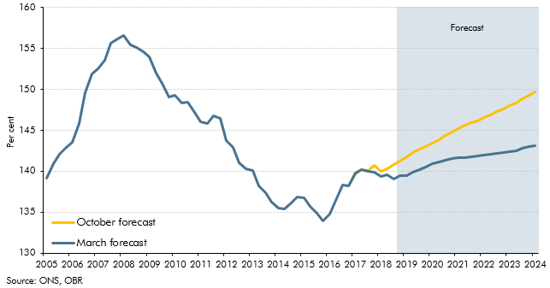

 |  | March forecast | October forecast
 | 2005 Q1 | 139.2 | 139.2
 | Q2 | 140.9 | 140.9
 | Q3 | 142.1 | 142.1
 | Q4 | 142.9 | 142.9
 | 2006 Q1 | 143.6 | 143.6
 | Q2 | 145.8 | 145.8
 | Q3 | 149.6 | 149.6
 | Q4 | 151.9 | 151.9
 | 2007 Q1 | 152.5 | 152.5
 | Q2 | 153.6 | 153.6
 | Q3 | 155.7 | 155.7
 | Q4 | 156.1 | 156.1
 | 2008 Q1 | 156.6 | 156.6
 | Q2 | 155.5 | 155.5
 | Q3 | 155.1 | 155.1
 | Q4 | 154.6 | 154.6
 | 2009 Q1 | 154.0 | 154.0
 | Q2 | 152.0 | 152.0
 | Q3 | 150.8 | 150.8
 | Q4 | 149.1 | 149.1
 | 2010 Q1 | 149.3 | 149.3
 | Q2 | 148.4 | 148.4
 | Q3 | 148.4 | 148.4
 | Q4 | 147.2 | 147.2
 | 2011 Q1 | 146.1 | 146.1
 | Q2 | 145.8 | 145.8
 | Q3 | 146.8 | 146.8
 | Q4 | 146.5 | 146.5
 | 2012 Q1 | 143.7 | 143.7
 | Q2 | 142.9 | 142.9
 | Q3 | 141.0 | 141.0
 | Q4 | 140.3 | 140.3
 | 2013 Q1 | 140.1 | 140.1
 | Q2 | 138.3 | 138.3
 | Q3 | 137.3 | 137.3
 | Q4 | 136.3 | 136.3
 | 2014 Q1 | 135.5 | 135.5
 | Q2 | 135.3 | 135.3
 | Q3 | 136.1 | 136.1
 | Q4 | 136.8 | 136.8
 | 2015 Q1 | 136.7 | 136.7
 | Q2 | 135.7 | 135.7
 | Q3 | 134.9 | 134.9
 | Q4 | 133.9 | 133.9
 | 2016 Q1 | 134.8 | 134.8
 | Q2 | 136.4 | 136.4
 | Q3 | 138.3 | 138.3
 | Q4 | 138.2 | 138.2
 | 2017 Q1 | 139.7 | 139.7
 | Q2 | 140.2 | 140.2
 | Q3 | 140.0 | 140.1
 | Q4 | 139.9 | 140.8
 | 2018 Q1 | 139.3 | 140.0
 | Q2 | 139.6 | 140.3
 | Q3 | 139.1 | 140.9
 | Q4 | 139.4 | 141.2
 | 2019 Q1 | 139.5 | 141.7
 | Q2 | 139.9 | 142.3
 | Q3 | 140.2 | 142.7
 | Q4 | 140.6 | 143.1
 | 2020 Q1 | 140.9 | 143.4
 | Q2 | 141.2 | 143.9
 | Q3 | 141.4 | 144.3
 | Q4 | 141.5 | 144.8
 | 2021 Q1 | 141.6 | 145.2
 | Q2 | 141.7 | 145.6
 | Q3 | 141.8 | 145.9
 | Q4 | 141.9 | 146.2
 | 2022 Q1 | 142.0 | 146.5
 | Q2 | 142.1 | 146.9
 | Q3 | 142.2 | 147.3
 | Q4 | 142.3 | 147.7
 | 2023 Q1 | 142.4 | 148.0
 | Q2 | 142.5 | 148.4
 | Q3 | 142.8 | 148.9
 | Q4 | 143.0 | 149.3
 | 2024 Q1 | 143.1 | 149.7

C3.25
Back to contents
 | Chart 3.25: Real business investment

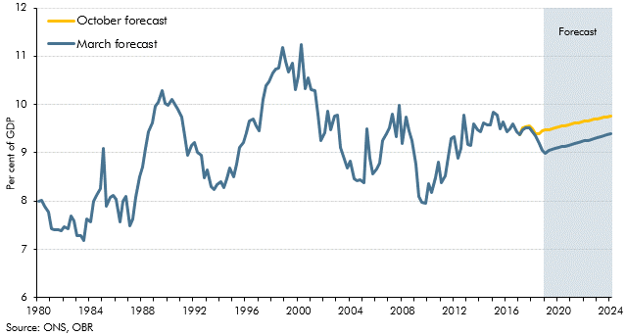

 |  | March forecast | October forecast
 | 1980 Q1 | 8.0 | 8.0
 | Q2 | 8.0 | 8.0
 | Q3 | 7.9 | 7.9
 | Q4 | 7.8 | 7.8
 | 1981 Q1 | 7.4 | 7.4
 | Q2 | 7.4 | 7.4
 | Q3 | 7.4 | 7.4
 | Q4 | 7.4 | 7.4
 | 1982 Q1 | 7.5 | 7.5
 | Q2 | 7.4 | 7.4
 | Q3 | 7.7 | 7.7
 | Q4 | 7.6 | 7.6
 | 1983 Q1 | 7.3 | 7.3
 | Q2 | 7.3 | 7.3
 | Q3 | 7.2 | 7.2
 | Q4 | 7.6 | 7.6
 | 1984 Q1 | 7.6 | 7.6
 | Q2 | 8.0 | 8.0
 | Q3 | 8.1 | 8.1
 | Q4 | 8.3 | 8.3
 | 1985 Q1 | 9.1 | 9.1
 | Q2 | 7.9 | 7.9
 | Q3 | 8.1 | 8.1
 | Q4 | 8.1 | 8.1
 | 1986 Q1 | 8.0 | 8.0
 | Q2 | 7.6 | 7.6
 | Q3 | 8.0 | 8.0
 | Q4 | 8.1 | 8.1
 | 1987 Q1 | 7.5 | 7.5
 | Q2 | 7.6 | 7.6
 | Q3 | 8.1 | 8.1
 | Q4 | 8.5 | 8.5
 | 1988 Q1 | 8.7 | 8.7
 | Q2 | 9.1 | 9.1
 | Q3 | 9.4 | 9.4
 | Q4 | 9.6 | 9.6
 | 1989 Q1 | 10.0 | 10.0
 | Q2 | 10.0 | 10.0
 | Q3 | 10.3 | 10.3
 | Q4 | 10.0 | 10.0
 | 1990 Q1 | 10.0 | 10.0
 | Q2 | 10.1 | 10.1
 | Q3 | 10.0 | 10.0
 | Q4 | 9.9 | 9.9
 | 1991 Q1 | 9.7 | 9.7
 | Q2 | 9.3 | 9.3
 | Q3 | 8.9 | 8.9
 | Q4 | 9.2 | 9.2
 | 1992 Q1 | 9.2 | 9.2
 | Q2 | 9.0 | 9.0
 | Q3 | 8.9 | 8.9
 | Q4 | 8.5 | 8.5
 | 1993 Q1 | 8.6 | 8.6
 | Q2 | 8.3 | 8.3
 | Q3 | 8.2 | 8.2
 | Q4 | 8.3 | 8.3
 | 1994 Q1 | 8.4 | 8.4
 | Q2 | 8.3 | 8.3
 | Q3 | 8.5 | 8.5
 | Q4 | 8.7 | 8.7
 | 1995 Q1 | 8.5 | 8.5
 | Q2 | 8.8 | 8.8
 | Q3 | 9.1 | 9.1
 | Q4 | 9.2 | 9.2
 | 1996 Q1 | 9.4 | 9.4
 | Q2 | 9.7 | 9.7
 | Q3 | 9.7 | 9.7
 | Q4 | 9.6 | 9.6
 | 1996 Q1 | 9.5 | 9.5
 | Q2 | 10.1 | 10.1
 | Q3 | 10.4 | 10.4
 | Q4 | 10.5 | 10.5
 | 1998 Q1 | 10.7 | 10.7
 | Q2 | 10.7 | 10.7
 | Q3 | 10.7 | 10.7
 | Q4 | 11.2 | 11.2
 | 1999 Q1 | 10.9 | 10.9
 | Q2 | 10.7 | 10.7
 | Q3 | 10.9 | 10.9
 | Q4 | 10.3 | 10.3
 | 2000 Q1 | 10.6 | 10.6
 | Q2 | 11.2 | 11.2
 | Q3 | 10.3 | 10.3
 | Q4 | 10.5 | 10.5
 | 2001 Q1 | 10.3 | 10.3
 | Q2 | 10.3 | 10.3
 | Q3 | 9.8 | 9.8
 | Q4 | 9.2 | 9.2
 | 2002 Q1 | 9.4 | 9.4
 | Q2 | 9.9 | 9.9
 | Q3 | 9.5 | 9.5
 | Q4 | 9.8 | 9.8
 | 2003 Q1 | 9.8 | 9.8
 | Q2 | 9.1 | 9.1
 | Q3 | 8.9 | 8.9
 | Q4 | 8.7 | 8.7
 | 2004 Q1 | 8.8 | 8.8
 | Q2 | 8.5 | 8.5
 | Q3 | 8.4 | 8.4
 | Q4 | 8.4 | 8.4
 | 2005 Q1 | 8.4 | 8.4
 | Q2 | 9.5 | 9.5
 | Q3 | 8.9 | 8.9
 | Q4 | 8.6 | 8.6
 | 2006 Q1 | 8.7 | 8.7
 | Q2 | 8.8 | 8.8
 | Q3 | 9.3 | 9.3
 | Q4 | 9.4 | 9.4
 | 2007 Q1 | 9.5 | 9.5
 | Q2 | 9.8 | 9.8
 | Q3 | 9.3 | 9.3
 | Q4 | 10.0 | 10.0
 | 2008 Q1 | 9.2 | 9.2
 | Q2 | 9.7 | 9.7
 | Q3 | 9.4 | 9.4
 | Q4 | 9.3 | 9.3
 | 2009 Q1 | 8.8 | 8.8
 | Q2 | 8.1 | 8.1
 | Q3 | 8.0 | 8.0
 | Q4 | 8.0 | 8.0
 | 2010 Q1 | 8.4 | 8.4
 | Q2 | 8.2 | 8.2
 | Q3 | 8.5 | 8.5
 | Q4 | 8.8 | 8.8
 | 2011 Q1 | 8.4 | 8.4
 | Q2 | 8.5 | 8.5
 | Q3 | 8.9 | 8.9
 | Q4 | 9.3 | 9.3
 | 2012 Q1 | 9.3 | 9.3
 | Q2 | 8.9 | 8.9
 | Q3 | 9.1 | 9.1
 | Q4 | 9.8 | 9.8
 | 2013 Q1 | 9.2 | 9.2
 | Q2 | 9.1 | 9.1
 | Q3 | 9.6 | 9.6
 | Q4 | 9.5 | 9.5
 | 2014 Q1 | 9.4 | 9.4
 | Q2 | 9.6 | 9.6
 | Q3 | 9.6 | 9.6
 | Q4 | 9.6 | 9.6
 | 2015 Q1 | 9.8 | 9.8
 | Q2 | 9.8 | 9.8
 | Q3 | 9.5 | 9.5
 | Q4 | 9.6 | 9.6
 | 2016 Q1 | 9.4 | 9.4
 | Q2 | 9.5 | 9.5
 | Q3 | 9.6 | 9.6
 | Q4 | 9.4 | 9.4
 | 2017 Q1 | 9.4 | 9.4
 | Q2 | 9.5 | 9.5
 | Q3 | 9.5 | 9.5
 | Q4 | 9.5 | 9.6
 | 2018 Q1 | 9.4 | 9.5
 | Q2 | 9.4 | 9.4
 | Q3 | 9.2 | 9.4
 | Q4 | 9.0 | 9.5
 | 2019 Q1 | 9.0 | 9.5
 | Q2 | 9.0 | 9.5
 | Q3 | 9.1 | 9.5
 | Q4 | 9.1 | 9.5
 | 2020 Q1 | 9.1 | 9.5
 | Q2 | 9.1 | 9.6
 | Q3 | 9.1 | 9.6
 | Q4 | 9.2 | 9.6
 | 2021 Q1 | 9.2 | 9.6
 | Q2 | 9.2 | 9.6
 | Q3 | 9.2 | 9.6
 | Q4 | 9.2 | 9.6
 | 2022 Q1 | 9.2 | 9.6
 | Q2 | 9.3 | 9.7
 | Q3 | 9.3 | 9.7
 | Q4 | 9.3 | 9.7
 | 2023 Q1 | 9.3 | 9.7
 | Q2 | 9.3 | 9.7
 | Q3 | 9.4 | 9.7
 | Q4 | 9.4 | 9.7
 | 2024 Q1 | 9.4 | 9.8

C3.26
Back to contents
 | Chart 3.26: Net trade contributions to GDP

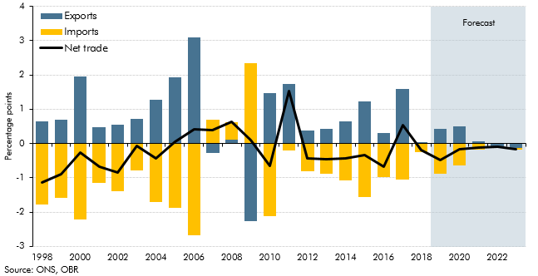

 |  | Exports | Imports | Net trade
 | 1998 | 0.6 | -1.8 | -1.1
 | 1999 | 0.7 | -1.6 | -0.9
 | 2000 | 2.0 | -2.2 | -0.3
 | 2001 | 0.5 | -1.2 | -0.7
 | 2002 | 0.5 | -1.4 | -0.8
 | 2003 | 0.7 | -0.8 | -0.1
 | 2004 | 1.3 | -1.7 | -0.4
 | 2005 | 1.9 | -1.9 | 0.0
 | 2006 | 3.1 | -2.7 | 0.4
 | 2007 | -0.3 | 0.7 | 0.4
 | 2008 | 0.1 | 0.5 | 0.6
 | 2009 | -2.3 | 2.3 | 0.1
 | 2010 | 1.5 | -2.1 | -0.7
 | 2011 | 1.7 | -0.2 | 1.5
 | 2012 | 0.4 | -0.8 | -0.4
 | 2013 | 0.4 | -0.9 | -0.5
 | 2014 | 0.6 | -1.1 | -0.4
 | 2015 | 1.2 | -1.6 | -0.3
 | 2016 | 0.3 | -1.0 | -0.7
 | 2017 | 1.6 | -1.0 | 0.5
 | 2018 | 0.0 | -0.2 | -0.2
 | 2019 | 0.4 | -0.9 | -0.5
 | 2020 | 0.5 | -0.6 | -0.2
 | 2021 | 0.1 | -0.2 | -0.1
 | 2022 | -0.1 | 0.0 | -0.1
 | 2023 | -0.1 | 0.0 | -0.2

C3.A
Back to contents
 | Chart 3.A: Level of inventories

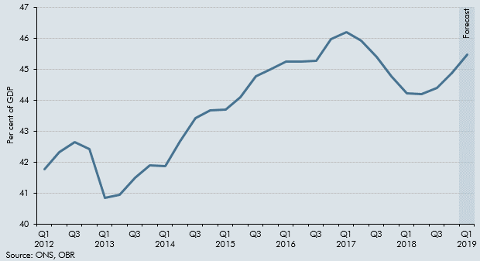

 |  | Per cent of GDP
 | 2012 Q1 | 41.8
 | Q2 | 42.3
 | Q3 | 42.6
 | Q4 | 42.4
 | 2013 Q1 | 40.9
 | Q2 | 40.9
 | Q3 | 41.5
 | Q4 | 41.9
 | 2014 Q1 | 41.9
 | Q2 | 42.7
 | Q3 | 43.4
 | Q4 | 43.7
 | 2015 Q1 | 43.7
 | Q2 | 44.1
 | Q3 | 44.8
 | Q4 | 45.0
 | 2016 Q1 | 45.3
 | Q2 | 45.3
 | Q3 | 45.3
 | Q4 | 46.0
 | 2017 Q1 | 46.2
 | Q2 | 45.9
 | Q3 | 45.4
 | Q4 | 44.8
 | 2018 Q1 | 44.2
 | Q2 | 44.2
 | Q3 | 44.4
 | Q4 | 44.9
 | 2019 Q1 | 45.5

C3.27
Back to contents
 | Chart 3.27: Current account balance

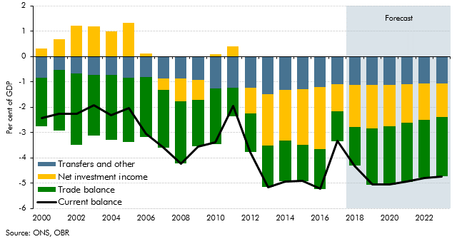

 |  | Current balance | Transfers and other | Trade balance | Net investment income
 | 2000 | -2.4 | -0.8 | -1.9 | 0.3
 | 2001 | -2.2 | -0.5 | -2.4 | 0.7
 | 2002 | -2.3 | -0.7 | -2.8 | 1.2
 | 2003 | -1.9 | -0.7 | -2.4 | 1.2
 | 2004 | -2.3 | -0.7 | -2.6 | 1.0
 | 2005 | -2.0 | -0.8 | -2.5 | 1.3
 | 2006 | -3.0 | -0.8 | -2.3 | 0.1
 | 2007 | -3.6 | -0.9 | -2.3 | -0.5
 | 2008 | -4.2 | -0.9 | -2.5 | -0.9
 | 2009 | -3.6 | -0.9 | -1.8 | -0.8
 | 2010 | -3.4 | -1.3 | -2.2 | 0.1
 | 2011 | -2.0 | -1.2 | -1.1 | 0.4
 | 2012 | -3.8 | -1.2 | -1.5 | -1.0
 | 2013 | -5.1 | -1.5 | -1.6 | -2.0
 | 2014 | -4.9 | -1.3 | -1.6 | -2.0
 | 2015 | -4.9 | -1.3 | -1.4 | -2.2
 | 2016 | -5.2 | -1.2 | -1.6 | -2.4
 | 2017 | -3.3 | -1.1 | -1.2 | -1.1
 | 2018 | -4.3 | -1.1 | -1.5 | -1.6
 | 2019 | -5.0 | -1.1 | -2.2 | -1.7
 | 2020 | -5.1 | -1.1 | -2.3 | -1.6
 | 2021 | -4.9 | -1.1 | -2.3 | -1.5
 | 2022 | -4.8 | -1.1 | -2.3 | -1.4
 | 2023 | -4.7 | -1.1 | -2.3 | -1.3

C3.28
Back to contents
 | Chart 3.28: Sectoral net lending

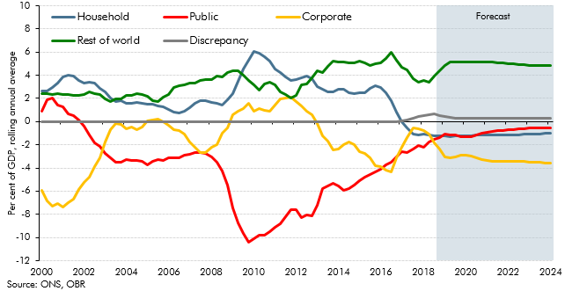

 |  | Household | Corporate | Public | Rest of world | Discrepancy
 | 2000 Q1 | 2.6 | -5.9 | 0.9 | 2.4 | 0.0
 | Q2 | 2.6 | -6.9 | 1.9 | 2.4 | 0.0
 | Q3 | 2.9 | -7.3 | 2.0 | 2.3 | 0.0
 | Q4 | 3.3 | -7.1 | 1.4 | 2.4 | 0.0
 | 2001 Q1 | 3.8 | -7.4 | 1.3 | 2.3 | 0.0
 | Q2 | 4.0 | -7.0 | 0.7 | 2.3 | 0.0
 | Q3 | 3.9 | -6.7 | 0.5 | 2.3 | 0.0
 | Q4 | 3.5 | -5.9 | 0.1 | 2.2 | 0.0
 | 2002 Q1 | 3.3 | -5.3 | -0.4 | 2.3 | 0.0
 | Q2 | 3.4 | -4.8 | -1.2 | 2.6 | 0.0
 | Q3 | 3.3 | -3.9 | -1.8 | 2.4 | 0.0
 | Q4 | 2.9 | -3.1 | -2.1 | 2.3 | 0.0
 | 2003 Q1 | 2.5 | -1.8 | -2.7 | 2.0 | 0.0
 | Q2 | 2.1 | -0.7 | -3.1 | 1.7 | 0.0
 | Q3 | 1.7 | -0.2 | -3.5 | 1.9 | 0.0
 | Q4 | 1.8 | -0.3 | -3.5 | 1.9 | 0.0
 | 2004 Q1 | 1.6 | -0.6 | -3.2 | 2.3 | 0.0
 | Q2 | 1.5 | -0.5 | -3.3 | 2.3 | 0.0
 | Q3 | 1.7 | -0.7 | -3.4 | 2.4 | 0.0
 | Q4 | 1.6 | -0.5 | -3.4 | 2.3 | 0.0
 | 2005 Q1 | 1.5 | 0.0 | -3.7 | 2.2 | 0.0
 | Q2 | 1.5 | 0.2 | -3.5 | 1.8 | 0.0
 | Q3 | 1.3 | 0.2 | -3.2 | 1.7 | 0.0
 | Q4 | 1.2 | 0.0 | -3.3 | 2.1 | 0.0
 | 2006 Q1 | 1.1 | -0.3 | -3.1 | 2.4 | 0.0
 | Q2 | 0.8 | -0.7 | -3.1 | 3.0 | 0.0
 | Q3 | 0.7 | -0.7 | -3.1 | 3.1 | 0.0
 | Q4 | 0.9 | -1.1 | -2.9 | 3.2 | 0.0
 | 2007 Q1 | 1.2 | -1.8 | -2.8 | 3.3 | 0.0
 | Q2 | 1.6 | -2.2 | -2.7 | 3.3 | 0.0
 | Q3 | 1.8 | -2.7 | -2.7 | 3.5 | 0.0
 | Q4 | 1.8 | -2.7 | -2.7 | 3.6 | 0.0
 | 2008 Q1 | 1.6 | -2.2 | -3.0 | 3.6 | 0.0
 | Q2 | 1.5 | -2.0 | -3.5 | 4.0 | 0.0
 | Q3 | 1.5 | -1.0 | -4.3 | 3.9 | 0.0
 | Q4 | 1.8 | -0.6 | -5.5 | 4.2 | 0.0
 | 2009 Q1 | 2.4 | 0.6 | -7.4 | 4.4 | 0.0
 | Q2 | 3.4 | 0.9 | -8.7 | 4.4 | 0.0
 | Q3 | 4.6 | 1.1 | -9.6 | 4.0 | 0.0
 | Q4 | 5.3 | 1.6 | -10.4 | 3.5 | 0.0
 | 2010 Q1 | 6.1 | 0.9 | -10.1 | 3.1 | 0.0
 | Q2 | 5.9 | 1.1 | -9.8 | 2.7 | 0.0
 | Q3 | 5.6 | 1.0 | -9.8 | 3.2 | 0.0
 | Q4 | 5.3 | 0.9 | -9.5 | 3.4 | 0.0
 | 2011 Q1 | 4.5 | 1.4 | -9.1 | 3.2 | 0.0
 | Q2 | 4.2 | 2.0 | -8.8 | 2.6 | 0.0
 | Q3 | 3.8 | 2.1 | -8.2 | 2.3 | 0.0
 | Q4 | 3.5 | 2.1 | -7.6 | 2.0 | 0.0
 | 2012 Q1 | 3.7 | 1.8 | -7.6 | 2.2 | 0.0
 | Q2 | 3.8 | 1.4 | -8.3 | 3.1 | 0.0
 | Q3 | 3.9 | 0.9 | -8.1 | 3.3 | 0.0
 | Q4 | 3.7 | 0.6 | -8.1 | 3.8 | 0.0
 | 2013 Q1 | 3.1 | -0.2 | -7.2 | 4.4 | 0.0
 | Q2 | 2.8 | -1.3 | -5.7 | 4.2 | 0.0
 | Q3 | 2.5 | -1.7 | -5.6 | 4.7 | 0.0
 | Q4 | 2.5 | -2.5 | -5.3 | 5.2 | 0.0
 | 2014 Q1 | 2.8 | -2.3 | -5.6 | 5.1 | 0.0
 | Q2 | 2.8 | -2.0 | -5.9 | 5.2 | 0.0
 | Q3 | 2.5 | -1.8 | -5.8 | 5.1 | 0.0
 | Q4 | 2.4 | -2.0 | -5.5 | 5.0 | 0.0
 | 2015 Q1 | 2.5 | -2.6 | -5.1 | 5.2 | 0.0
 | Q2 | 2.5 | -2.8 | -4.8 | 5.1 | 0.0
 | Q3 | 2.9 | -3.2 | -4.6 | 4.9 | 0.0
 | Q4 | 3.1 | -3.8 | -4.3 | 5.0 | 0.0
 | 2016 Q1 | 2.9 | -3.9 | -4.1 | 5.1 | 0.0
 | Q2 | 2.5 | -4.2 | -3.7 | 5.4 | 0.0
 | Q3 | 1.8 | -4.4 | -3.5 | 6.0 | 0.0
 | Q4 | 0.9 | -3.1 | -3.1 | 5.3 | 0.0
 | 2017 Q1 | 0.0 | -2.2 | -2.6 | 4.7 | 0.1
 | Q2 | -0.5 | -1.4 | -2.7 | 4.5 | 0.1
 | Q3 | -1.1 | -0.5 | -2.3 | 3.7 | 0.3
 | Q4 | -1.2 | -0.6 | -2.0 | 3.4 | 0.4
 | 2018 Q1 | -1.1 | -0.8 | -2.2 | 3.5 | 0.5
 | Q2 | -1.2 | -1.1 | -1.8 | 3.4 | 0.6
 | Q3 | -1.2 | -1.8 | -1.5 | 3.9 | 0.6
 | Q4 | -1.2 | -2.4 | -1.4 | 4.4 | 0.6
 | 2019 Q1 | -1.2 | -3.0 | -1.1 | 4.8 | 0.5
 | Q2 | -1.3 | -3.1 | -1.1 | 5.1 | 0.4
 | Q3 | -1.3 | -3.0 | -1.2 | 5.1 | 0.3
 | Q4 | -1.3 | -2.9 | -1.3 | 5.2 | 0.3
 | 2020 Q1 | -1.2 | -2.9 | -1.3 | 5.1 | 0.3
 | Q2 | -1.2 | -3.0 | -1.3 | 5.2 | 0.3
 | Q3 | -1.2 | -3.1 | -1.2 | 5.2 | 0.3
 | Q4 | -1.2 | -3.3 | -1.0 | 5.2 | 0.3
 | 2021 Q1 | -1.2 | -3.4 | -0.9 | 5.2 | 0.3
 | Q2 | -1.2 | -3.4 | -0.9 | 5.1 | 0.3
 | Q3 | -1.1 | -3.4 | -0.8 | 5.1 | 0.3
 | Q4 | -1.1 | -3.4 | -0.8 | 5.1 | 0.3
 | 2022 Q1 | -1.1 | -3.4 | -0.7 | 5.0 | 0.3
 | Q2 | -1.1 | -3.4 | -0.7 | 5.0 | 0.3
 | Q3 | -1.1 | -3.5 | -0.6 | 4.9 | 0.3
 | Q4 | -1.1 | -3.5 | -0.6 | 4.9 | 0.3
 | 2023 Q1 | -1.1 | -3.5 | -0.6 | 4.9 | 0.3
 | Q2 | -1.1 | -3.5 | -0.6 | 4.8 | 0.3
 | Q3 | -1.0 | -3.5 | -0.5 | 4.8 | 0.3
 | Q4 | -1.0 | -3.5 | -0.5 | 4.8 | 0.3
 | 2024 Q1 | -1.0 | -3.6 | -0.5 | 4.8 | 0.3

C3.29
Back to contents
 | Chart 3.29: External forecasters GDP comparison

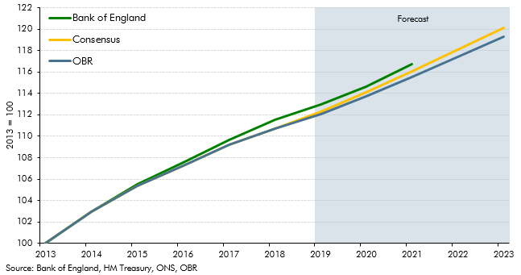

 |  | OBR | Bank of England | Consensus
 | 2013 | 100.0 | 100.0 | 100.0
 | 2014 | 102.9 | 102.9 | 102.9
 | 2015 | 105.4 | 105.5 | 105.4
 | 2016 | 107.3 | 107.5 | 107.3
 | 2017 | 109.2 | 109.6 | 109.2
 | 2018 | 110.7 | 111.5 | 110.7
 | 2019 | 112.1 | 112.9 | 112.3
 | 2020 | 113.7 | 114.6 | 114.1
 | 2021 | 115.5 | 116.8 | 116.0
 | 2022 | 117.4 |  | 118.1
 | 2023 | 119.3 |  | 120.1

