Create user account#19824
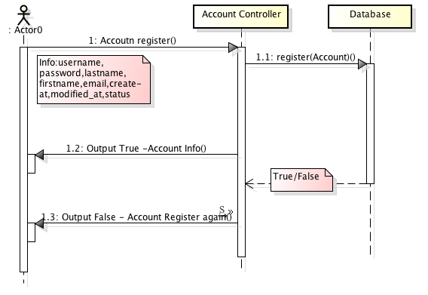
Trac No. |  |  | Section | Create User Account |  |  | Create Date |  |  | 22/01/2015 | Created by | Le Phuong Dong
00001 |  |  |  |  |  |  | Agreeded Date |  |  |  | Agreeded by

START

1
1
 |  |  |  |  | Validate post data
 |  |  |  |  | See API Specification
Validate post data
2
 |  |  |  |  | Check user existed
Valid?
No
Yes
 |  |  |  |  | Table Name | account
 |  |  |  |  | Operation | select
 |  |  |  |  | Condition | username = {param.username}
 |  |  |  |  | Get value | count(*)

2
3
Check user existed
Set code = 1001
 |  |  |  |  | Insert new user

Existed?
Yes
 |  |  |  |  | Table Name | account
 |  |  |  |  | Operation | insert
 |  |  |  |  | Condition
 |  |  |  |  | Set value | username = {param.username}
No
 |  |  |  |  |  | password = {param.password}
 |  |  |  |  |  | firstname = {param.firsname}
3
 |  |  |  |  |  | lastname = {param.lastname}, email = {param.email}
Insert new user
Set code = 3001
 |  |  |  |  |  | create_at = {current date time}, modified_at = {current date time}

Set code = 200
 |  |  |  |  | Additional Info
 |  |  |  |  | System error will be set code to 9001.
 |  |  |  |  | Database error will be set code to 9002.

Return response data

 |  |  |  |  |  |  |  |  | Class Diagram

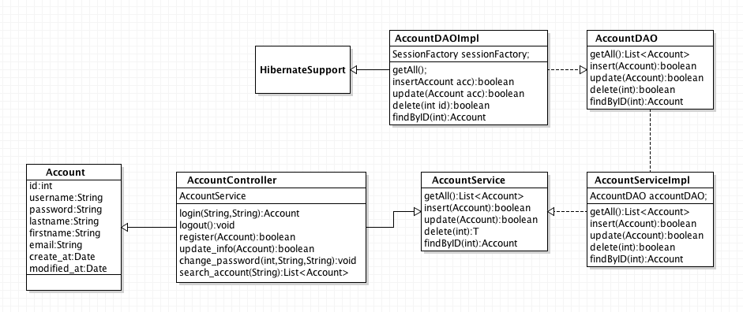
END

 | Input | “account”: [ { “username”:String, “password”:String, “lastname”:String, “firstname”:String, “email”:String, “create_at”:Date, “modified_at”:Date, “status”:int, } ]

 | Output | "meta": { "code": 200, "description": "User account was created successfully.", "message": "Account created success!" } "data": { "id":1, "username": "le.dong", "password": "123456", "firstname": "Le", "lastname": "Dong", "email": "le.dong@mulodo.com", "create_at": "2015/01/20", "modified_at": "2015/01/20", “status”:0 }

 |  |  |  |  |  |  |  | Sequence Diagram

User Login#19825
Trac No. | Section | User Login |  |  | Create Date |  | 22/01/2015 | Created by |  | Le Phuong Dong
00001 |  |  |  |  | Agreeded Date |  |  | Agreeded by

START

1
1
 |  |  | Validate post data
 |  |  | See API Specification
Validate post data
2
 |  |  | Check user existed
Valid?
No
Yes
 |  |  | Table Name | user
 |  |  | Operation | login
 |  |  | Condition | username={param.username},password={param.password}
 |  |  | Set value | username = {param.username}
2
 |  |  |  | password = {param.password}
Login
Set code = 1001
 |  |  |  | firstname = {param.firsname}
 |  |  |  | lastname = {param.lastname}, email = {param.email}
 |  |  |  | create_at = {current date time}, modified_at = {current date time}

Existed?
Yes

No

Set code = 200
Set code = 9001
 |  |  | Additional Info
 |  |  | System error will be set code to 9001.
 |  |  | Database error will be set code to 9002. |  |  | to 9001

Return response data

 |  |  |  |  |  |  |  |  | Class Diagram

END
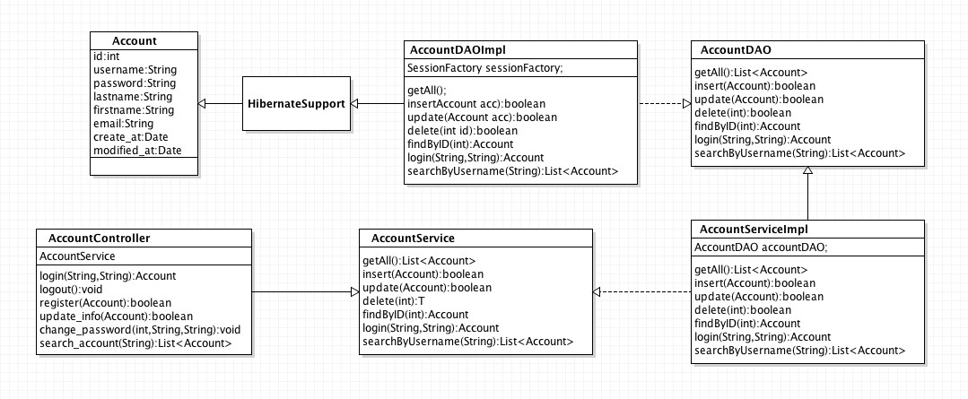

 | Input

 | “data”: { “username”:String, “password”:String }

 | Output with not null data

 | HTTP/1.1 200 OK Content-Type: application/json { “meta”: { “code”:200, “description”: “login successfully!”, “message”:”Login success!” } “data”: { “id”:int, “username”:String, “password”:String, “lastname”:String, “first name”:String, “email”:String, “create_at”:Date, “modified_at”:Date, “status”:int } }

 |  |  |  |  |  |  |  |  | Sequence Diagram

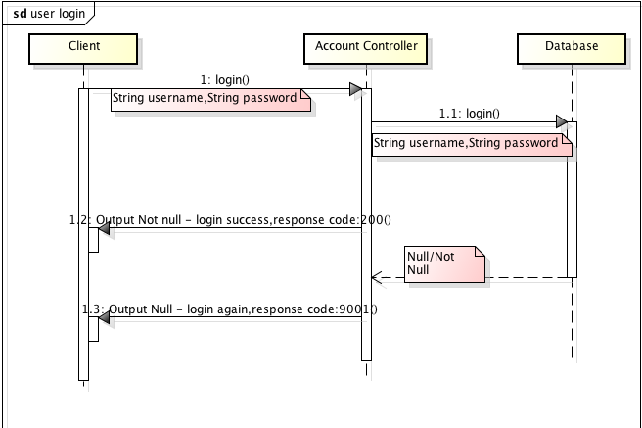

 | Output with null data

 | HTTP/1.1 200 OK Content-Type: application/json { “meta”: { “code”:9001, “description”: “login failed!”, “messages”: { { message:”username is wrong” }, { message:”password is wrong” } } } “data”: null }

