Create user
Trac No. | Section | Create User Account |  |  | Create Date | 2014-10-23 | Created by
00001 |  |  |  |  | Agreeded Date |  | Agreeded by

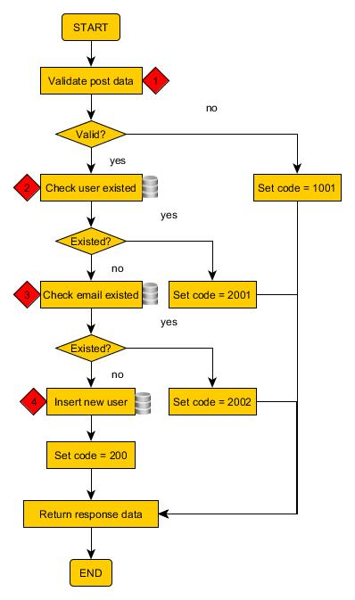
1
 |  |  | Validate post data
 |  |  | See API Specification

2
 |  |  | Check user existed

 |  |  | Table Name | user
 |  |  | Operation | select
 |  |  | Condition | username = {param.username}
 |  |  | Get value | count(*)

3
3
 |  |  | Check email existed

 |  |  | Table Name | user
 |  |  | Operation | select
 |  |  | Condition | email = {param.email}
 |  |  | Get value | count(*)

4
 |  |  | Insert new user

 |  |  | Table Name | user
 |  |  | Operation | insert
 |  |  | Condition | version_id = versoin_id and login_id = player_id
 |  |  | Set value | username = {param.username}
 |  |  |  | password = {param.password}
 |  |  |  | firstname = {param.firsname}
 |  |  |  | lastname = {param.lastname}
 |  |  |  | email = {param.lastname}
 |  |  |  | create_dt = {current timestamp}, update_dt = {current timestamp}

Login user
Trac No. | Section | Login User Account |  |  | Create Date | 2014-10-29 | Created by
00002 |  |  |  |  | Agreeded Date |  | Agreeded by

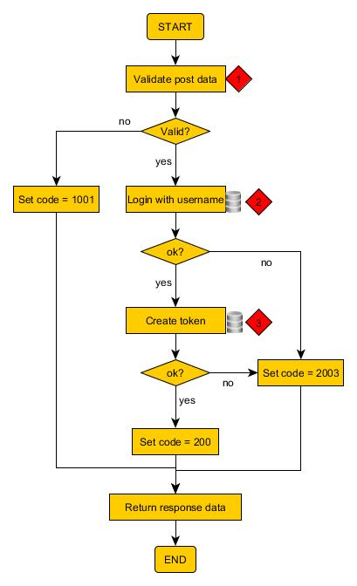
1
 |  |  | Validate post data
 |  |  | See API Specification

2
 |  |  | Login with username and password

 |  |  | Table Name | user
 |  |  | Operation | select
 |  |  | Condition | username = {param.username} password= {param.password}
 |  |  | Get value | count(*)

3
 |  |  | Create token

 |  |  | Table Name | token
 |  |  | Operation | insert
 |  |  | Condition | version_id = versoin_id and login_id = player_id
 |  |  | Set value | access_token = {param.access_token}
 |  |  |  | create_dt = {current timestamp}, expired = {current timestamp+ life cycle}
 |  |  |  | user_id = {param.user_id}

Logout user
Trac No. | Section | Login User Account |  |  | Create Date | 2014-10-29 | Created by
00003 |  |  |  |  | Agreeded Date |  | Agreeded by

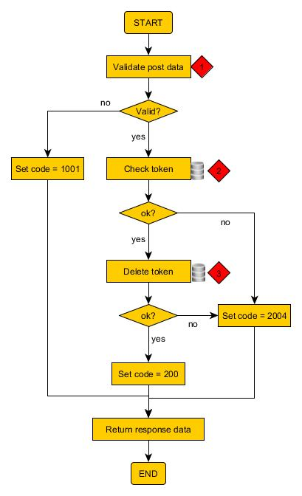
1
 |  |  | Validate post data
 |  |  | See API Specification

2
 |  |  | Login with username and password

 |  |  | Table Name | user
 |  |  | Operation | select
 |  |  | Condition | username = {param.username} password= {param.password}
 |  |  | Get value | count(*)

3
 |  |  | Delete token

 |  |  | Table Name | token
 |  |  | Operation | delete
 |  |  | Condition | version_id = versoin_id and login_id = player_id
 |  |  | Set value | access_token = {param.access_token}

Update user
Trac No. | Section | Login User Account |  |  | Create Date | 2014-10-29 | Created by
00004 |  |  |  |  | Agreeded Date |  | Agreeded by

1
 |  |  | Validate post data
 |  |  | See API Specification

2
 |  |  | Login with username and password

 |  |  | Table Name | user
 |  |  | Operation | select
 |  |  | Condition | username = {param.username} password= {param.password}
 |  |  | Get value | count(*)

3
 |  |  | Create token

 |  |  | Table Name | token
 |  |  | Operation | insert
 |  |  | Condition | version_id = versoin_id and login_id = player_id
 |  |  | Set value | access_token = {param.access_token}
 |  |  |  | create_dt = {current timestamp}, expired = {current timestamp+ life cycle}
 |  |  |  | user_id = {param.user_id}

