ERD
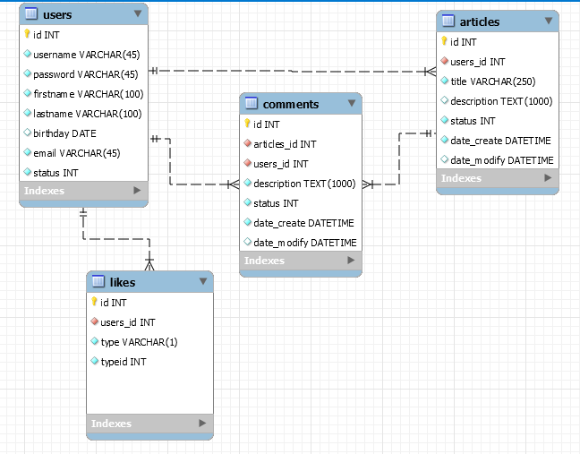
<PROJECT NAME> VERSION 1.0

Project Code | MINI BLOG | Creator | Nguyen Le Quoc Viet
Customer | <Customer Name> | Reviewer/Approver
Updated Date |  | Issue Date

Database

