Login Layout
Mini Blog VERSION 1.0

Project Code | Mini blog | Creator | Nguyen Anh Tuan
Customer |  | Reviewer/Approver
Updated Date |  | Issue Date | 08/31/2015
Remarks
Login Page

Login Layout
Top menu

Fill in email
Login
area
Fill in password

Remember password

Login button
Go to reset password page

Home+Logout Layout
Mini Blog VERSION 1.0

Project Code | Mini blog | Creator | Nguyen Anh Tuan
Customer |  | Reviewer/Approver
Updated Date |  | Issue Date | 08/31/2015
Remarks
Home page + Logout page

Home + Logout Layout
Top menu
Go to logout page

Main Content

Register Layout
Mini Blog VERSION 1.0

Project Code | Mini blog | Creator | Nguyen Anh Tuan
Customer |  | Reviewer/Approver
Updated Date |  | Issue Date | 08/31/2015
Remarks
Register page

Top menu
Home + Logout Layout
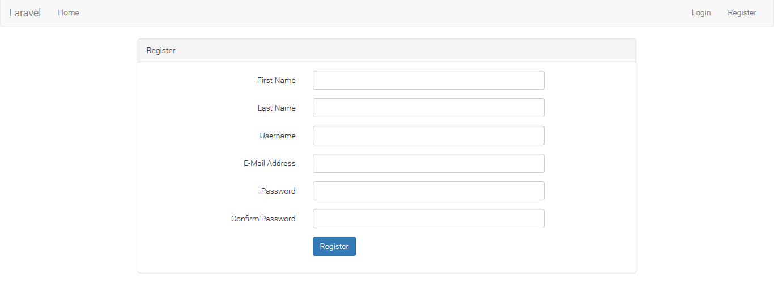

Register form

