Flow Digram
MINIBLOG VERSION 1.0

Project Code |  | MiniBlog | Design Type | Detail Design | Creator | Tuan Nguyen | Create Date | 09/18/2015
Customer |  | Mulodo Training | Design Name | Control Flow Diagram | Updater |  | Update Date

Overview
 | Update comment control Flow Diagram

Control Flow Diagram

START

Validate data

Valid ?
No

Yes

Authenticate token
Set code = 1001

Valid ?
No

Yes

Find comment
Set code = 1504

Yes

Find ?
No

Yes

Update comment
Set code = 9001

Set code = 200

Return response data

END

Sequence Diagram
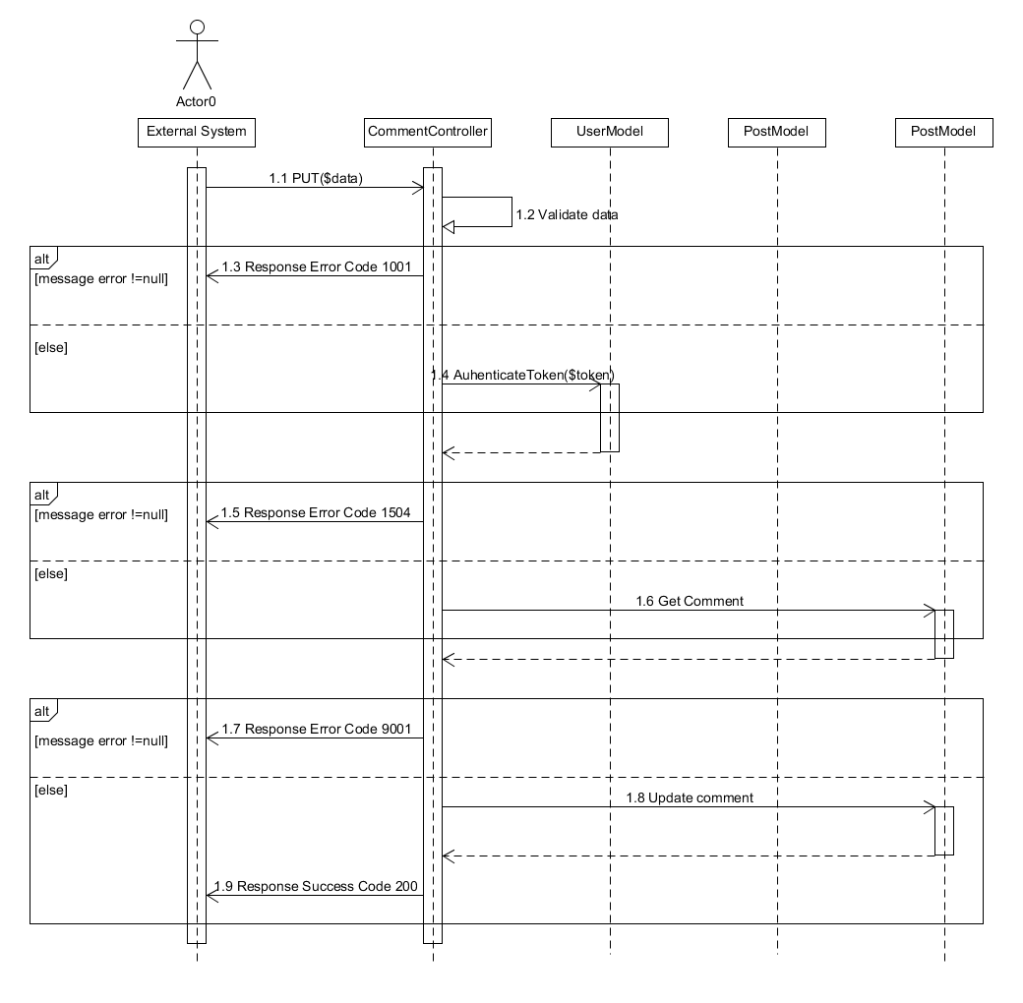
MINIBLOG VERSION 1.0

Project Code |  | MiniBlog | Design Type | Detail Design | Creator | nguyen.tuan | Create Date | 09/17/2015
Customer |  | Mulodo Training | Design Name | Sequence Diagram | Updater |  | Update Date

Overview

 | Create post required valid token and params : title, content, image, status

Sequence Diagram

Class Diagram
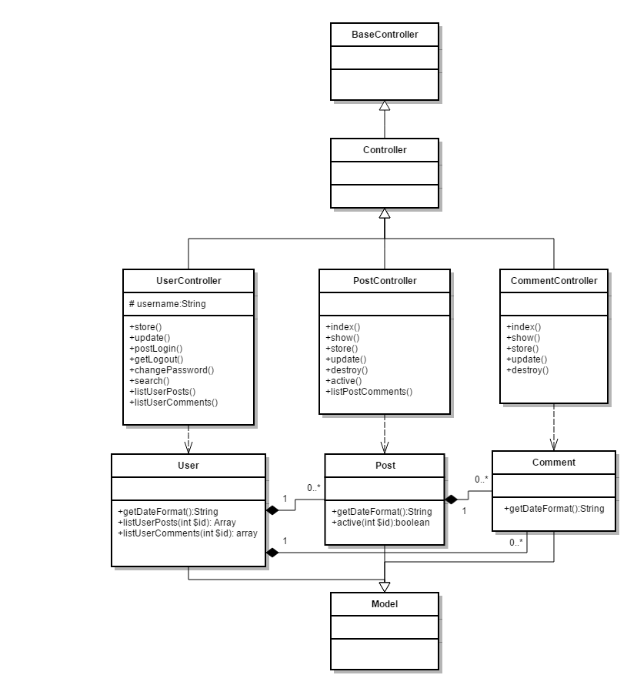
MINIBLOG VERSION 1.0

Project Code | MiniBlog | Design Type | Detail Design | Creator | nguyen.tuan | Create Date | 09/18/2015
Customer | Mulodo Training | Design Name | Class Diagram | Updater |  | Update Date

Overview

Class Diagram

IO Layout
MINIBLOG VERSION 1.0

Project Code | MiniBlog | Design Type | Detail Design | Creator | nguyen.tuan |  |  | Create Date |  | 09/18/2015
Customer | Mulodo Training | Design Name | I/O Design | Updater |  |  |  | Update Date

Overview

I/O Design
 |  |  |  |  |  | Table list
 |  |  |  |  |  | No. | Logic name |  | Physical name |  | I/O
Database
Find Comment
Update comment
find OK
Check token valid
Search field remem_token for validate token.
Insert new comment to database
 |  |  |  |  |  | 1 | Table User |  | Users |  | O
 |  |  |  |  |  | 2 | Table Comment |  | Comments |  | I/O

 |  |  |  |  |  | File list
 |  |  |  |  |  | No. | File name |  | Extension |  | I/O

Screen Layout
MINIBLOG VERSION 1.0

Project Code | MiniBlog | Design Type | Detail Design | Creator | nguyen.tuan | Create Date |  | 09/18/2015
Customer | Mulodo Training | Design Name | Layout | Updater |  | Update Date
This function have no screen image, it is just a API service
Screen Image |  |  |  |  |  | Size: | 1024x768

Screen Items
MINIBLOG VERSION 1.0

Project Code |  | MiniBlog |  | Design Type |  |  | Detail Design |  |  |  | Creator |  |  | nguyen.tuan | Create Date |  | 09/18/2015
Customer |  | Mulodo Training |  | Design Name |  |  | Screen items definition |  |  |  | Updater |  |  |  | Update Date

This function have no screen image, it is just a API service
Items definition
No. | Item name |  | Control |  | Leng (byte) | Require | ReadOnly | Input encoding |  |  |  |  |  | Default Value |  | Description
 |  |  |  |  |  |  |  | 2 bytes | 1 byte | Numeric | Symbol | Alphabet | Katakana

Event
MINIBLOG VERSION 1.0

Project Code | MiniBlog | Design Type | Detail Design | Creator | nguyen.tuan | Create Date | 09/18/2015
Customer | Mulodo Training | Design Name | Screen event | Updater |  | Update Date
This function have no screen image, it is just a API service
Events

* Note: this sheet use to define events will be implemented in this layout, the event should be definie more in detail.

