Register user
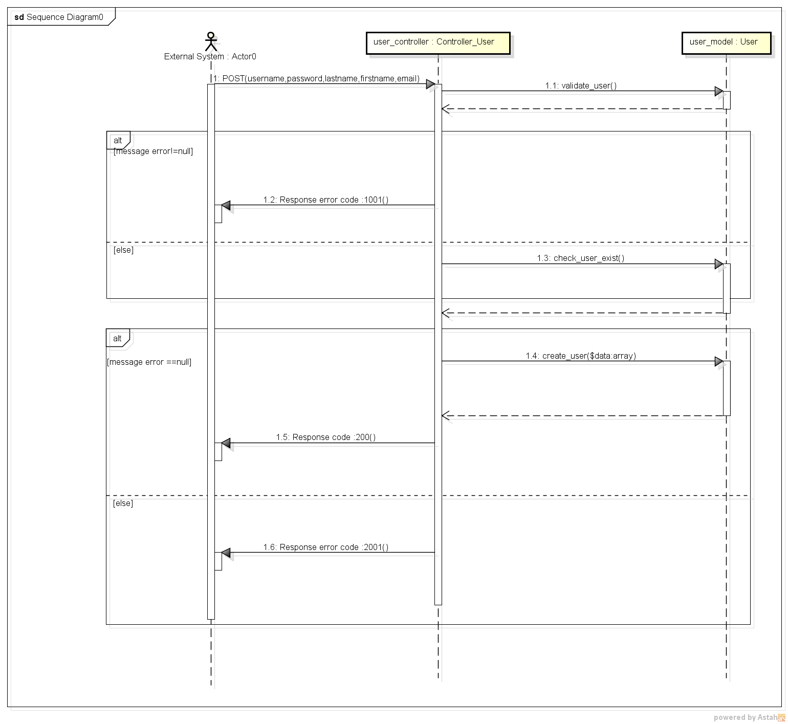
REGISTER USER SEQUENCE DIAGRAM

