Sheet1
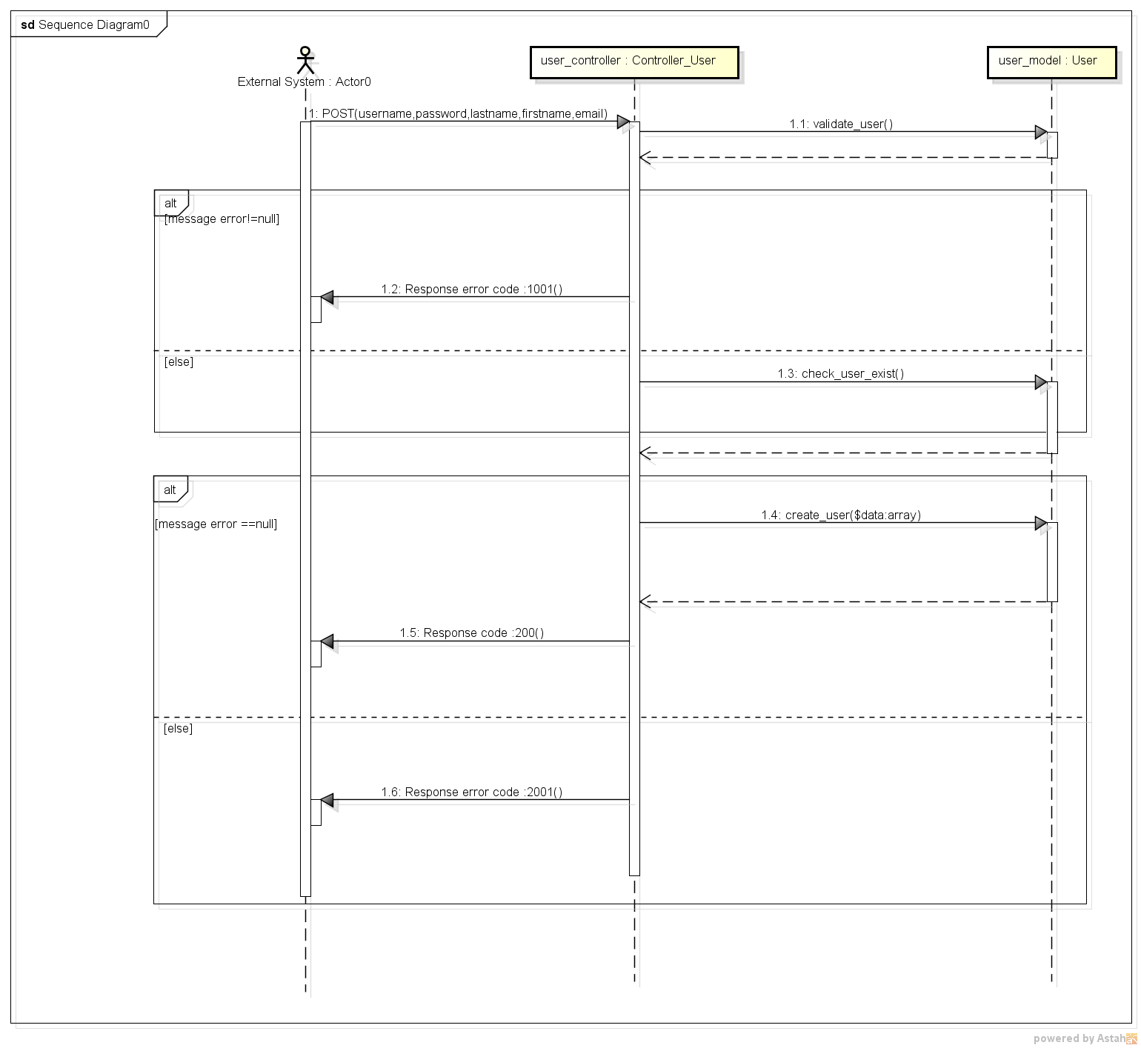
REGISTER USER SEQUENCE DIAGRAM

