Register user
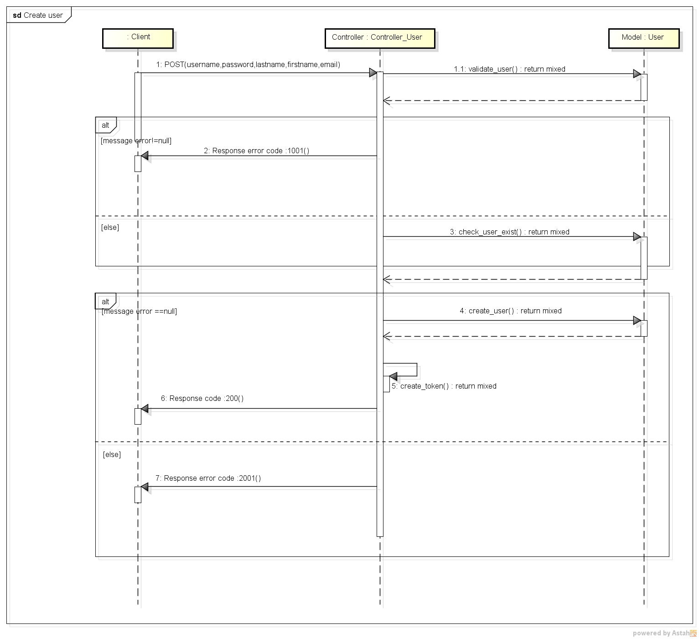
REGISTER USER FLOW DIAGRAM

START

username, password, lastname,firstname,email

Validate data

Valid data
 |  | Yes |  |  | No

 |  |  |  |  |  | error code :1001
Check username exist

Username exists
Error code
Message error
 |  |  |  | No

 |  |  | error code :2001

 | Yes

Insert Database new user

Create token

Token, username, lastname,firstname, email
END
 |  |  |  | code :200

REGISTER USER CLASS DIAGRAM

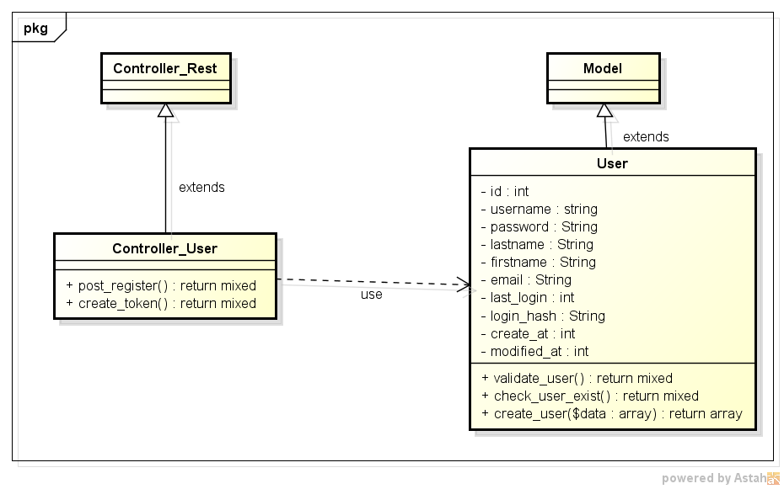

REGISTER USER SEQUENCE DIAGRAM

