Register user
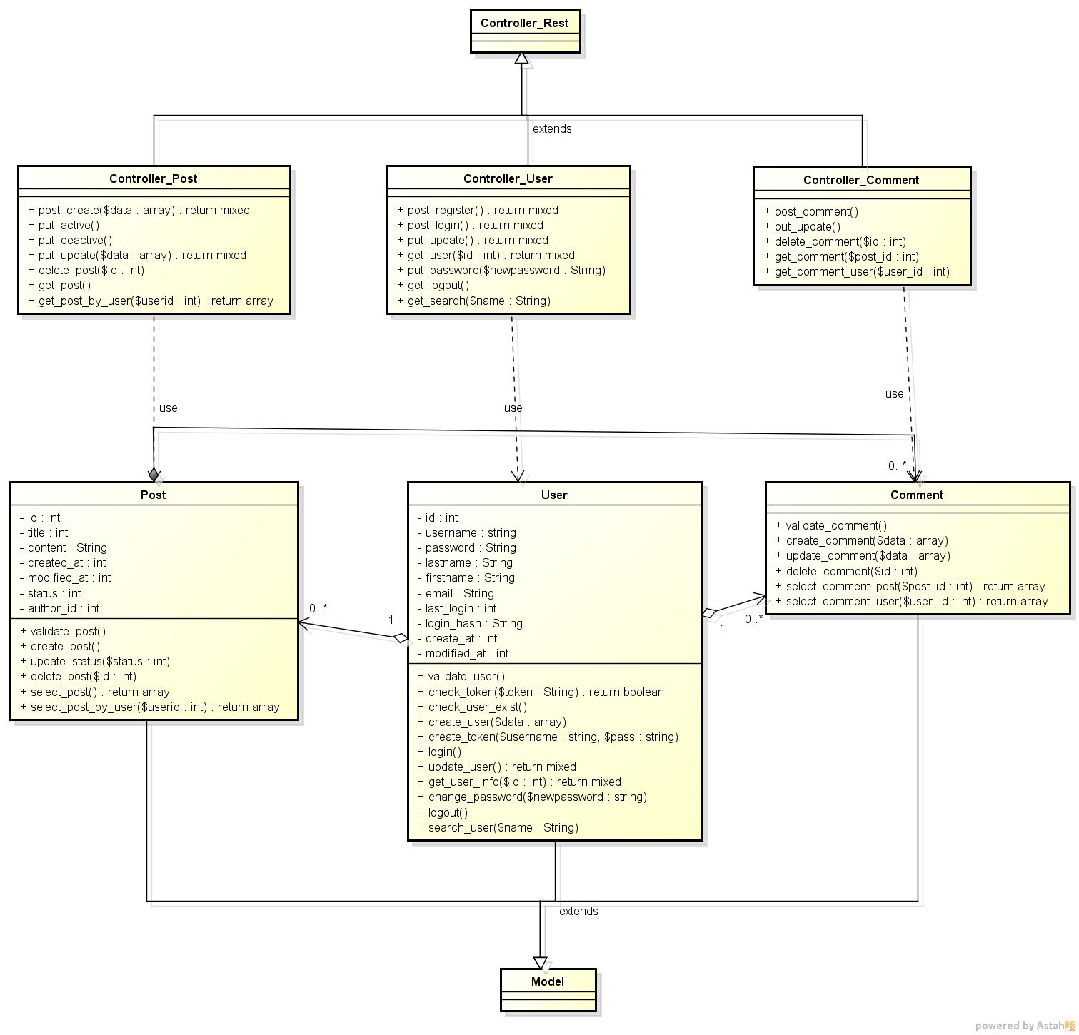
REGISTER USER CLASS DIAGRAM

