Sheet1
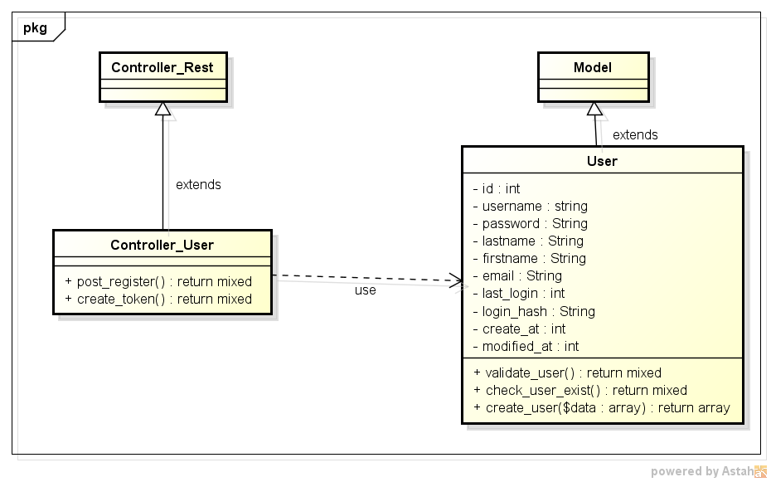
REGISTER USER CLASS DIAGRAM

