System CD
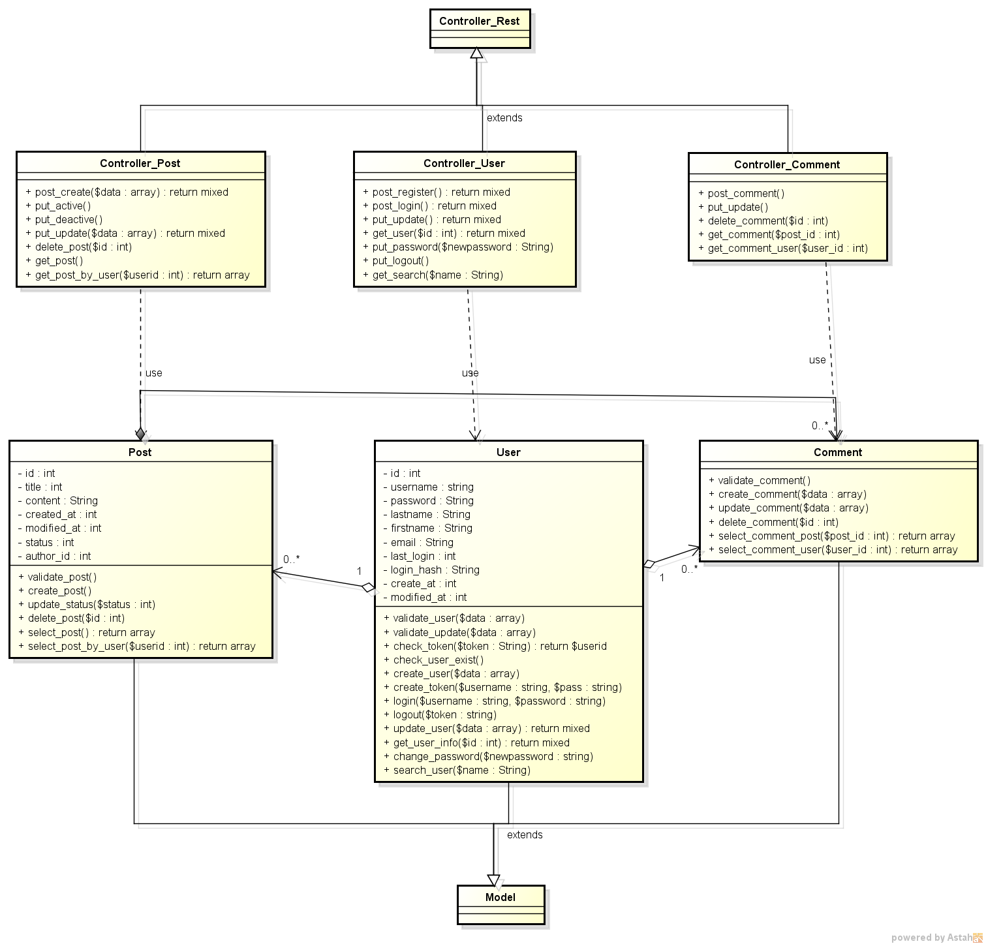
SYSTEM CLASS DIAGRAM

