Register user
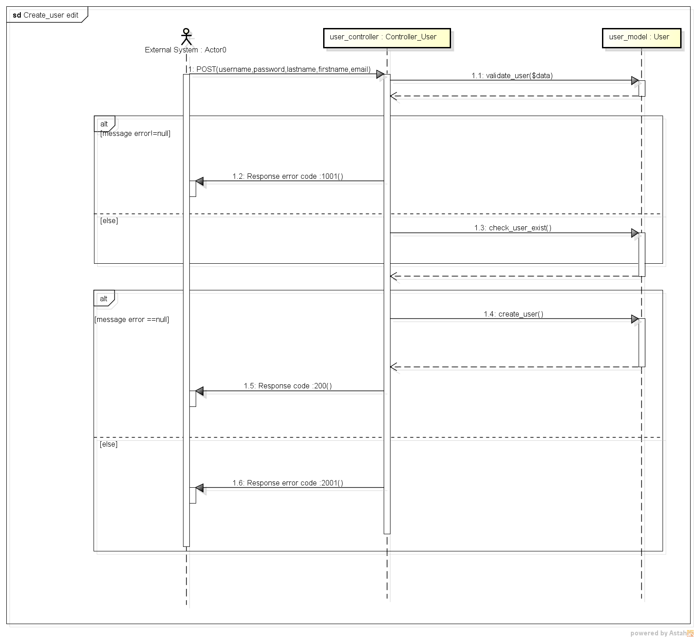
REGISTER USER SEQUENCE DIAGRAM

Login
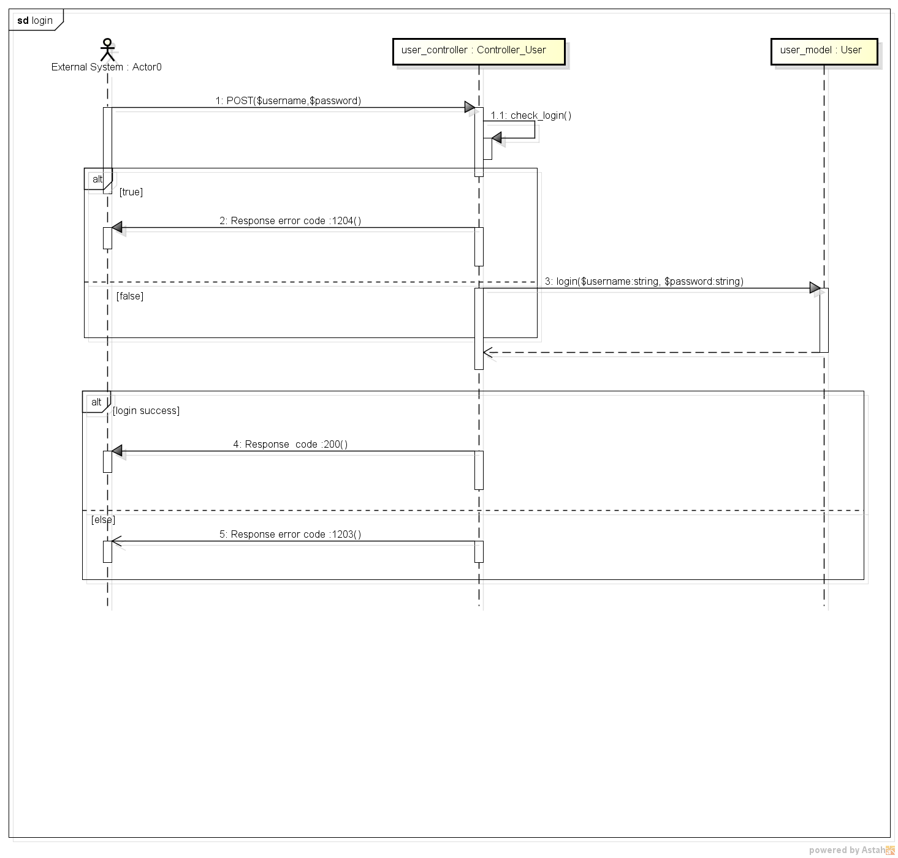
LOGIN SEQUENCE DIAGRAM

Logout
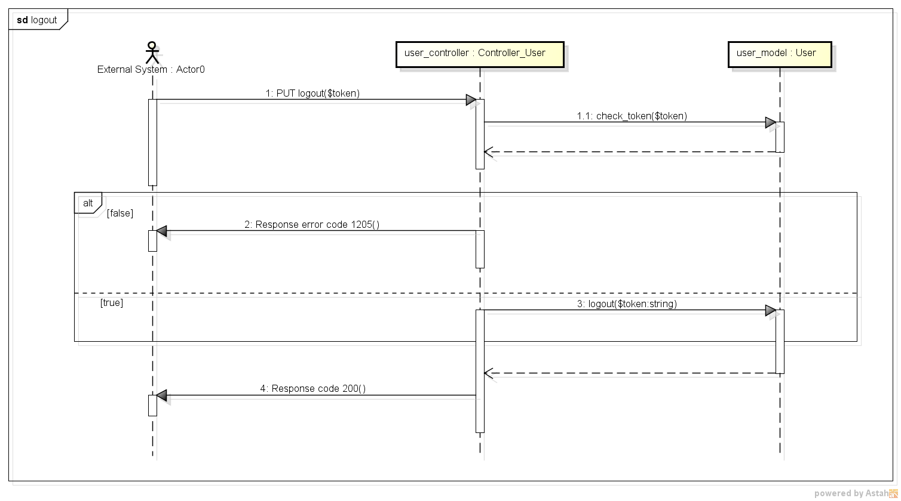
LOGOUT SEQUENCE DIAGRAM

Update user
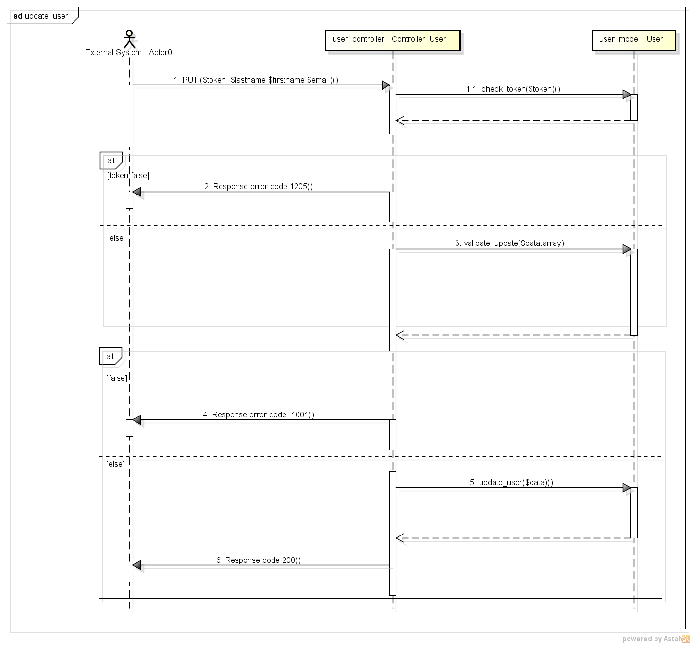
UPDATE USER SEQUENCE DIAGRAM

Get user info
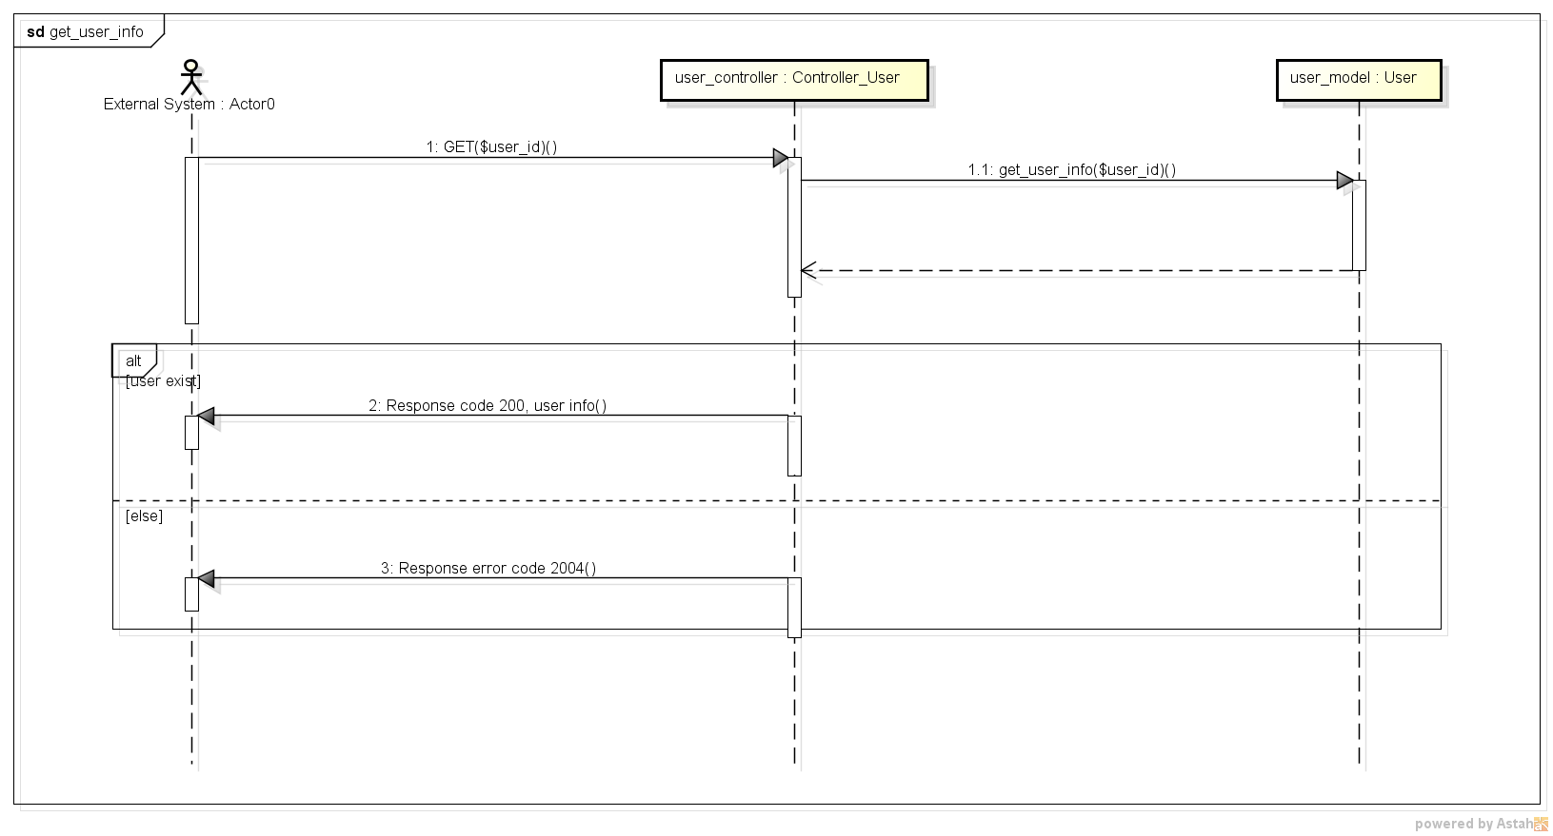
GET USER INFORMATIONS SEQUENCE DIAGRAM

