Create User Account
Trac No. | Section | Create User Account |  |  | Create Date | 2015-02-23 | Created by | Huyen
00001 |  |  |  |  | Agreeded Date |  | Agreeded by

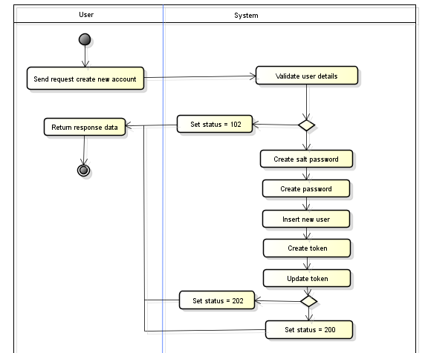
1
 |  |  | Validate post data
 |  |  | See API Specification

1
2
 |  |  | Create salt password

 |  |  | BCrypt::Engine.generate_salt
3
 |  |  | Create password

2
 |  |  | BCrypt::Engine.hash_secret(param.password,{salt password created at step 2})
4
 |  |  | Insert new user
3
4
 |  |  | Table Name | user
 |  |  | Operation | insert
 |  |  | Set value | username = {param.username}, password = {password created at step 3}
 |  |  |  | salt_password = {salt password created at step 2}
 |  |  |  | type = {param.type},
5
 |  |  |  | created_at = {current date time}, modified_at = {current date time}
6

5
 |  |  | Create token
 |  |  | Crypt string "secrectkey@access_id@user_id@Date(UNIX TIME)" to create token

6
 |  |  | Update token

 |  |  | Table Name | user
 |  |  | Operation | update
 |  |  | Condition | user_id = {id got from step 3}
 |  |  | Set value | token = {token created at step 4}
 |  |  |  | update_dt = {current date time}

 |  |  | Additional Info
 |  |  | System error will be set status to 102.
 |  |  | Database error will be set status to 202.
 |  |  | Create object success will be set status to 200.

Login
Trac No. | Section | Login |  |  | Create Date | 2015-02-23 | Created by | Huyen
00001 |  |  |  |  | Agreeded Date |  | Agreeded by
START
No
Validate post data
2
Valid?
Check username & password existed
Set code = 1001
3
Existed?
Yes
Set code = 1003
Create token
Yes
No
4
Store token
5
Set code = 200
Return response data
END
Succeed?
Set code = 1005
Check user login
Loged in?
1
Set code = 2001
Yes
No
1
 |  |  | Check user login
 |  |  | Check existing of session token

2
 |  |  | Validate post data
 |  |  | See API Specification

3
 |  |  | Check username & password existed
 |  |  | Check username
 |  |  | Table Name | user
 |  |  | Operation | select
 |  |  | Condition | username = {param.username}
 |  |  | Get value | id, password, salt_password

 |  |  | Check password
 |  |  | {password get from database} must be match
 |  |  | BCrypt::Engine.hash_secret({param.password}, {salt_password get from database})
4
 |  |  | Create token
 |  |  | Crypt string "username@user_id@Date(UNIX TIME)" to create token(using MD5)
 |  |  | Digest::MD5.hexdigest(
 |  |  | param.username+{id get database}+DateTime.parse(Time.now.to_s))
 |  |  | .strftime("%d/%m/%Y %H:%M")
5
 |  |  | Store token

 |  |  | Save token to database
 |  |  | Table Name | user
 |  |  | Operation | update
 |  |  | Condition | username = {param.username}
 |  |  | Set value | token = {token created at step 3}
 |  |  |  | update_dt = {current date time}

 |  |  | Set session token & session id
 |  |  | session[:token] = {token created at step 3}
 |  |  | session[:id_current_user] = {id get from database}

 |  |  | Additional Info
 |  |  | System error will be set code to 9001.
 |  |  | Database error will be set code to 9002.

