Create User Account
Trac No. | Section | Create User Account |  |  | Create Date | 2015-02-23 | Created by | Huyen
00001 |  |  |  |  | Agreeded Date |  | Agreeded by

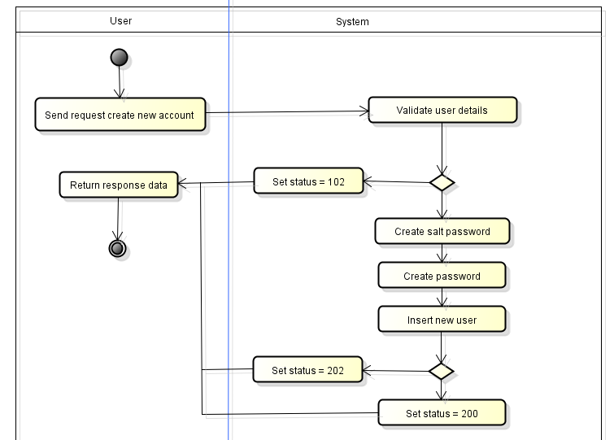
1
 |  |  | Validate post data
 |  |  | See API Specification

2
 |  |  | Create salt password
1
 |  |  | BCrypt::Engine.generate_salt
3
 |  |  | Create password

No
 |  |  | BCrypt::Engine.hash_secret(param.password,{salt password created at step 2})
4
Yes
2
 |  |  | Insert new user
 |  |  | 4.1
 |  |  | Table Name | user
 |  |  | Operation | insert
3
 |  |  | Set value | username = {param.username}, password = {password created at step 3}
 |  |  |  | salt_password = {salt password created at step 2}
 |  |  |  | type = {param.type},
4
 |  |  |  | created_at = {current date time}, modified_at = {current date time}

No
Yes
 |  |  | Table Name | profile
 |  |  | Operation | insert
 |  |  | Condition | user_id = user_id inserted at step 4.1
 |  |  | Set value | firstname = {param.username}, lastname = {param.username},
 |  |  |  | birthday = null, gender = 1, email = "username@domain.com",
 |  |  |  | address =null, phone ="username_phone", create_at = {current date time}, modified_at = {current date time}

 |  |  | Additional Info
 |  |  | System error will be set status to 102.
 |  |  | Database error will be set status to 202.
 |  |  | Success will be set status to 200.

Login
Trac No. | Section | Login |  |  | Create Date | 2015-02-25 | Created by | Huyen
00001 |  |  |  |  | Agreeded Date |  | Agreeded by

1
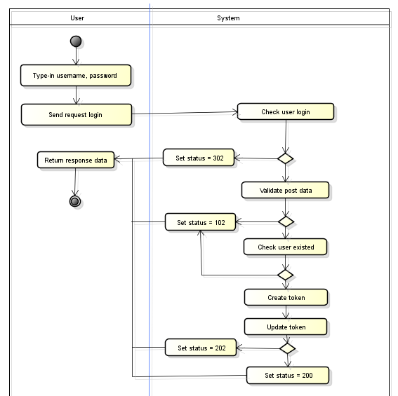
 |  |  | Check user login
 |  |  | Check existing of session token

2
 |  |  | Validate post data
 |  |  | See API Specification

1
3
 |  |  | Check user existed
 |  |  | Check username
 |  |  | Table Name | user
Yes
 |  |  | Operation | select
 |  |  | Condition | username = {param.username}
No
 |  |  | Get value | id, password, salt_password
2
No
Yes
 |  |  | Check password
 |  |  | {password get from database} must be match
 |  |  | BCrypt::Engine.hash_secret({param.password}, {salt_password get from database})
3
4
No
 |  |  | Create token
 |  |  | Crypt string "username@user_id@Date(UNIX TIME)" to create token
Yes
4

5
5
 |  |  | Update token

No
Yes
 |  |  | Table Name | user
 |  |  | Operation | update
 |  |  | Condition | user_id = current_user_id
 |  |  | Set value | token = {token created at step 4}
 |  |  |  | modified_at = {current date time}

 |  |  | Additional Info
 |  |  | System error will be set status to 102.
 |  |  | Database error will be set status to 202.
 |  |  | Success will be set status to 200.

Logout
Trac No. | Section | Logout |  |  | Create Date | 2015-02-25 | Created by | Huyen
00001 |  |  |  |  | Agreeded Date |  | Agreeded by

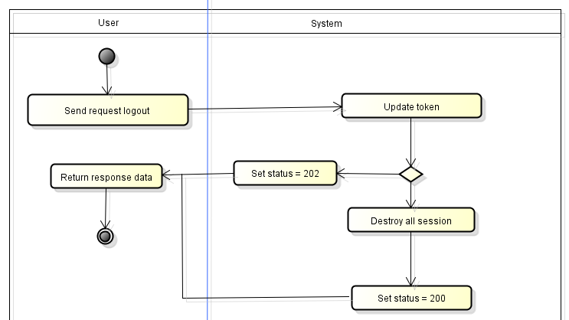
1
 |  |  | Update token

 |  |  | Table Name | user
 |  |  | Operation | update
 |  |  | Condition | id = session id_current_user
1
 |  |  | Set value | token = null

 |  |  | Additional Info
 |  |  | Database error will be set status to 202.
 |  |  | Success will be set status to 200.

No
Yes

Update User Info
Trac No. | Section | Update User Info |  |  | Create Date | 2015-02-25 | Created by | Huyen
00001 |  |  |  |  | Agreeded Date |  | Agreeded by

1
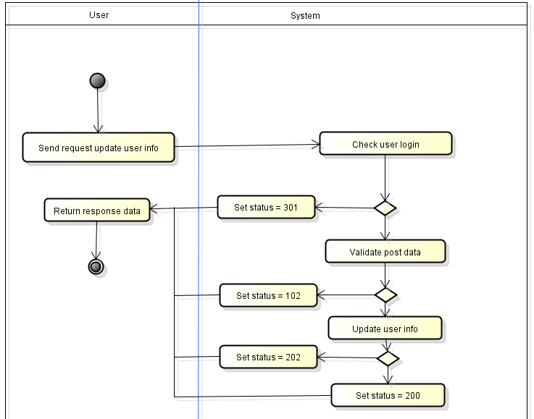
 |  |  | Check user login
 |  |  | Check existing of session token

 |  |  | Table Name | user
 |  |  | Operation | select
 |  |  | Condition | id = {session current_user_id}
 |  |  | Get value | token
 |  |  | Compare session token with token from database
2
 |  |  | Validate post data
 |  |  | See API Specification
1
3
 |  |  | Update user info
 |  |  | Table Name | user
 |  |  | Operation | update
No
 |  |  | Condition | id = current_user_id
Yes
 |  |  | Set value
2
 |  |  |  | update_at = {current date time}

No
 |  |  | Table Name | profile
 |  |  | Operation | update
 |  |  | Condition | user_id = current_user_id
Yes
 |  |  | Set value | firstname = {param.firstname}, lastname = {param.lastname},
3
 |  |  |  | birthday = {param.birthday}, gender = {param.gender}, email = {param.email},
 |  |  |  | address = {param.address}, phone = {param.phone}, update_at = {current date time}

No
Yes
 |  |  | Table Name | image
 |  |  | Operation | update
 |  |  | Condition | subject_id = profile_id (select profile where user_id == current_user_id)
 |  |  | Set value | subject_type = "avatar"
 |  |  |  | url = {param.avatar}
 |  |  |  | update_at = {current date time}

 |  |  | Additional Info
 |  |  | System error will be set status to 102.
 |  |  | Database error will be set status to 202.
 |  |  | Success will be set status to 200.

Get User Info
Trac No. | Section | Get User Info |  |  | Create Date | 2015-02-25 | Created by | Huyen
00001 |  |  |  |  | Agreeded Date |  | Agreeded by

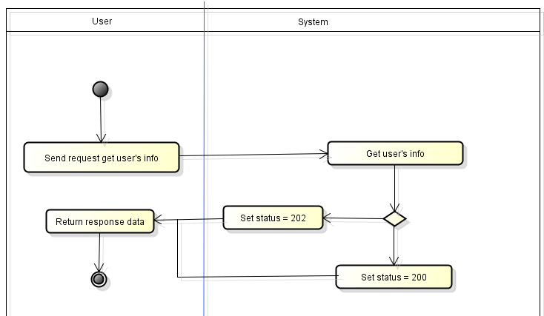
1
 |  |  | Get user's info

 |  |  | Table Name | user
 |  |  | Operation | select
 |  |  | Condition | id = {param.id}
 |  |  | Get value | select(*)

1
 |  |  | Table Name | profile
 |  |  | Operation | select
 |  |  | Condition | user_id = {param.id}
 |  |  | Get value | select(*)

No
 |  |  | Table Name | image
 |  |  | Operation | select
 |  |  | Condition | subject_id = profile_id (select profile where user_id == param.id)
Yes
 |  |  | Get value | select(*)

 |  |  | Additional Info
 |  |  | Database error will be set status to 202.
 |  |  | Success will be set status to 200.

Change password
Trac No. | Section | Change password |  |  | Create Date | 2015-02-25 | Created by | Huyen
00001 |  |  |  |  | Agreeded Date |  | Agreeded by

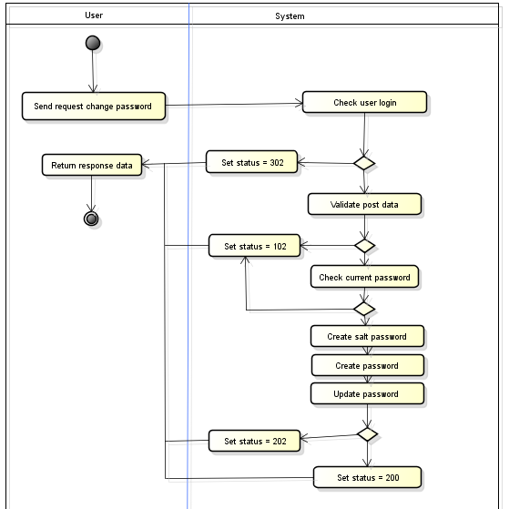
1
 |  |  | Check user login
 |  |  | Check existing of session token

1
 |  |  | Table Name | user
 |  |  | Operation | select
 |  |  | Condition | id = {session current_user_id}
 |  |  | Get value | token
 |  |  | Compare session token with token from database
No
2
Yes
2
 |  |  | Validate post data
 |  |  | See API Specification
3
No
 |  |  | Check current passwword
Yes
3
 |  |  | {password get from database} must be match
 |  |  | BCrypt::Engine.hash_secret({param.current_password}, {salt_password get from database})
No
4
Yes
4
 |  |  | Create salt password

 |  |  | BCrypt::Engine.generate_salt
5
5
 |  |  | Create password
6
No
 |  |  | BCrypt::Engine.hash_secret({param.new_password},{salt_password created at step 4})

Yes
6
 |  |  | Update password

 |  |  | Table Name | users
 |  |  | Operation | update
 |  |  | Condition | id = {param.id}
 |  |  | Set value | password = {passwword created at step 5}

 |  |  | Additional Info
 |  |  | System error will be set status to 102.
 |  |  | Database error will be set status to 202.
 |  |  | Success will be set status to 200.

Search User
Trac No. | Section | Search User |  |  | Create Date | 2015-02-25 | Created by | Huyen
00001 |  |  |  |  | Agreeded Date |  | Agreeded by


1
 |  |  | Search user

 |  |  | 2.1
 |  |  | Table Name | user
 |  |  | Operation | select
 |  |  | Condition | MATCH(username) AGAINST ({param.keyword})
 |  |  | Get value | user_id, usernamecreated_at
 |  |  | 2.2
1
 |  |  | Table Name | profile
 |  |  | Operation | select
 |  |  | Condition | MATCH(firstname,lastname,username) AGAINST ({param.keyword}) or user_id == result search user at step 2.1
 |  |  | Get value | profile_id,firstname, lastname,created_at

Yes
Database error?
No
 |  |  | Table Name | image
 |  |  | Operation | select
 |  |  | Condition | subject_id == result search user at step 2.2 and subject_type == "avata"
 |  |  | Get value | image_url
 |  |  | Additional Info
 |  |  | Database error will be set status to 202.

Create Post
Trac No. | Section | Create post |  |  | Create Date | 2015-02-25 | Created by | Huyen
00001 |  |  |  |  | Agreeded Date |  | Agreeded by

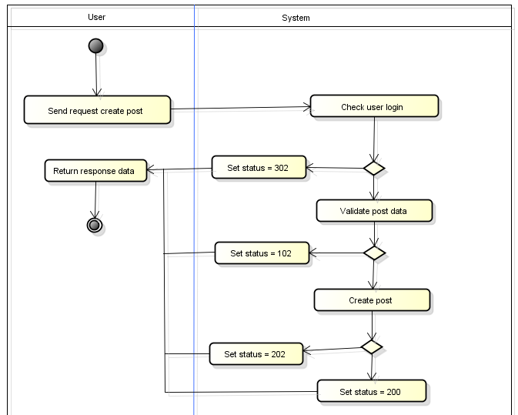
1
 |  |  | Check user login
 |  |  | Check existing of session token

 |  |  | Table Name | user
 |  |  | Operation | select
 |  |  | Condition | id = {session current_user_id}
1
 |  |  | Get value | token
 |  |  | Compare session token with token from database
2
No
 |  |  | Validate post data
 |  |  | See API Specification
Yes
3
2
 |  |  | Create post

No
 |  |  | 3.1
 |  |  | Table Name | posts
 |  |  | Operation | insert
Yes
 |  |  | Set value | title = {param.title}, short_description = {param.description}, content = {param.content},
 |  |  |  | status = {param.status}, id_user = {session[:id_current_user]}

No
 |  |  | Table Name | image
 |  |  | Operation | insert
 |  |  | Set value | subject_id = post_id inserted at step 3.1
Yes
 |  |  |  | subject_type = "post_image", url = {param.image}, create_at = current date time

 |  |  | Additional Info
 |  |  | System error will be status to 102.
 |  |  | Database error will be set status to 202.

