Bunch merge
Equipment estimation based on the bunch merge lattice studied in: https://doi.org/10.1103/PhysRevAccelBeams.19.031001

1. Longitudinal merge |  |  |  |  | Bunch merge scheme layout.
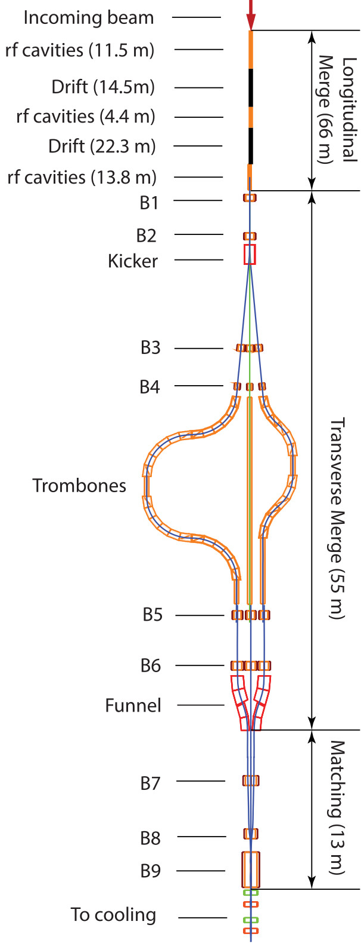
This section is composed of three RF stages (parameters listed in Table 1) with two drift sections in between them. The reference study simulated this entire section in a 2 T solenoidal field (Table 2). An alternative solution to using a solenoidal channel would be a FODO quadrupole channel.

Table 1. Longitudinal merge – RF parameters.
 | RF Stage 1 | RF Stage 2 | RF Stage 3
Number of RFs | 10 | 4 | 12
RF frequency (MHz) | 108.33,216.66, 324.99, 433.32, 541.67 | 650, 975, 1300, 1625, 1950 | 216.7
RF length (m) | 1.15 | 1.1 | 1.15
Total length (m) | 11.5 | 11 | 11.5
Max RF gradient (MV/m) | ∼ 10 | ∼ 10 | ∼ 10

Table 2. Longitudinal merge – solenoidal channel.
 | Value | Note
Length (m) | 66 | Sequence of solenoid coils to provide uniform 2 T field across this entire length
Bz (T) | 2
Aperture radius (m) | 0.18 | For a beam with 1.3 mm transverse emittance and 1 m transverse beta function, the 5 sigma beam size is 0.18m. However, along the length of the RF stages, the size of the RF cavities needs to be considered in the design of the magnetic lattice.

2. Transverse merge |  |  |  |  |  |  |  | Figure 1
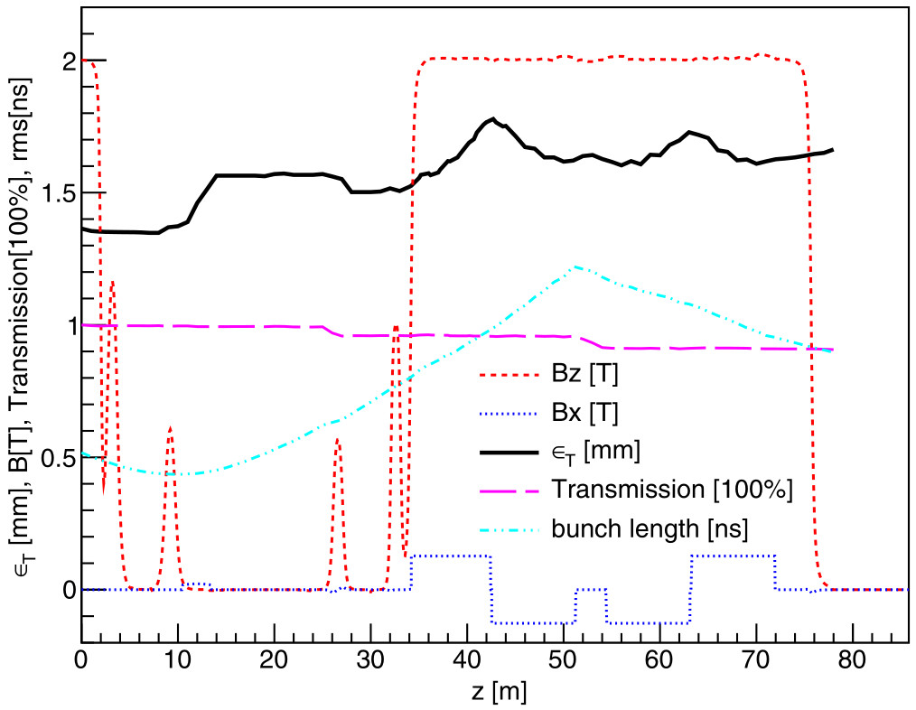
2.1 Kicker

The kicker is a 3-m-long magnet with 1 m diameter. The magnet has four poles providing magnetic field in both the x and y directions. The transverse field rotates at a frequency of 18 MHz, with a field of 220 Gauss to kick the first six bunches by 5° to six different directions.

2.2 Trombones

The reference design has 6 four-bend trombones and one straight line. All trombones are composed of solenoid magnets providing a 2 T on-axis field. For the six trombones that have a double chicane-like configuration, the simulated arcs were made of bent solenoids with dipole magnets outside. The dipole field is 0.127 T. Each of the six trombones will have a 3-m-long RF section. Some high-level parameters of the trombones are listed in Table 3. The evolution of the transverse emittance, RMS bunch length and the transmission from the end of the longitudinal merge to the end of the longest trombone are shown in Figure 1. Both the longitudinal and transverse magnetic fields are shown to indicate the positions of the beam elements.

Table 3. Trombone parameters
 | Trombone 1 | Trombone 2 | Trombone 3 | Trombone 4 | Trombone 5 | Trombone 6 | Straight channel
Arc length (m) | 34.928 | 32.464 | 30 | 27.536 | 25.072 | 22.608 | 20.144
Arc bending angle (deg) | 90 | 83.7 | 77.3 | 71 | 64.7 | 58.4 | 0
Solenoid length (m) | ~42 | ~39.5 | ~37 | ~34.5 | ~32 | ~29.5 | ~27
Solenoid field, Bz (T) | 2 | 2 | 2 | 2 | 2 | 2 | 2
Solenoid aperture radius (m) | 0.2 | 0.2 | 0.2 | 0.2 | 0.2 | 0.2 | 0.2
Dipole field (T) | 0.127 | 0.127 | 0.127 | 0.127 | 0.127 | 0.127 | N/A
Dipole gap (m) | 0.4 | 0.4 | 0.4 | 0.4 | 0.4 | 0.4 | N/A
RF section length (m) | 3 | 3 | 3 | 3 | 3 | 3 | N/A
RF frequency (MHz) | 108 | 108 | 108 | 108 | 108 | 108 | N/A
Max RF gradient (MV/m) | 6 | 6 | 6 | 6 | 6 | 6 | N/A

2.3 Funnel |  |  |  |  |  | Figure 2. Schematic of the funnel. Only two out of the six segments are shown (in red).
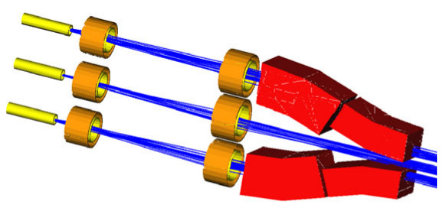
The funnel has six segments, with two 0.09 T dipoles per segment (i.e. 12 dipoles) – see Figure 2. Dipole magnet length ∼ 2-3 m (?), dipole gap 0.4 m.

2.3 Matching solenoid magnets

Nine solenoidal magnets (B1-9) are used for matching at different stages of the merge lattice. The magnet parameters are listed in Table 4.

Table 4. Matching solenoids parameters.
Solenoid magnet | Length (m) | Aperture (m) | Bz (T) | Number
B1 | 1 | 1.2 | 1.2 | 1
B2 | 1 | 1.2 | 0.6 | 1
B3 | 1 | 0.8 | 0.56 | 7
B4 | 1 | 0.6 | 1 | 7
B5 | 1 | 1 | 1.2 | 7
B6 | 1 | 1.2 | 0.6 | 7
B7 | 1 | 1.4 | 0.4 | 1
B8 | 1 | 1.2 | 0.9 | 1
B9 | 3.65 | 1.5 | -2.6 | 1

