Charge Separation
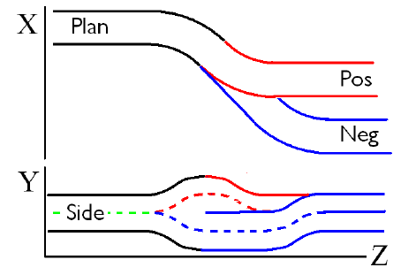
Reference: | Proc. PAC2011 MOP001 Charge Separation for Muon Collider Cooling

Solenoid Field strength [T] | Radius of curvature [m] | Length [m] | Pipe Radius [m]
Combined Line
1.9 | 12.4 | 2.2 | 0.3
1.9 | 6.2 | 0.8 | 0.3
1.9 | 12.4 | 2.2 | 0.3
Positive Line
1.9 | 12.4 | 2.2 | 0.3
1.9 | 6.2 | 0.8 | 0.3
1.9 | 12.4 | 2.2 | 0.3
Negative Line
1.9 | 0 | 4.4 | 0.3
1.9 | 12.4 | 2.2 | 0.3
1.9 | 6.2 | 0.8 | 0.3
1.9 | 12.4 | 2.2 | 0.3

