Overview
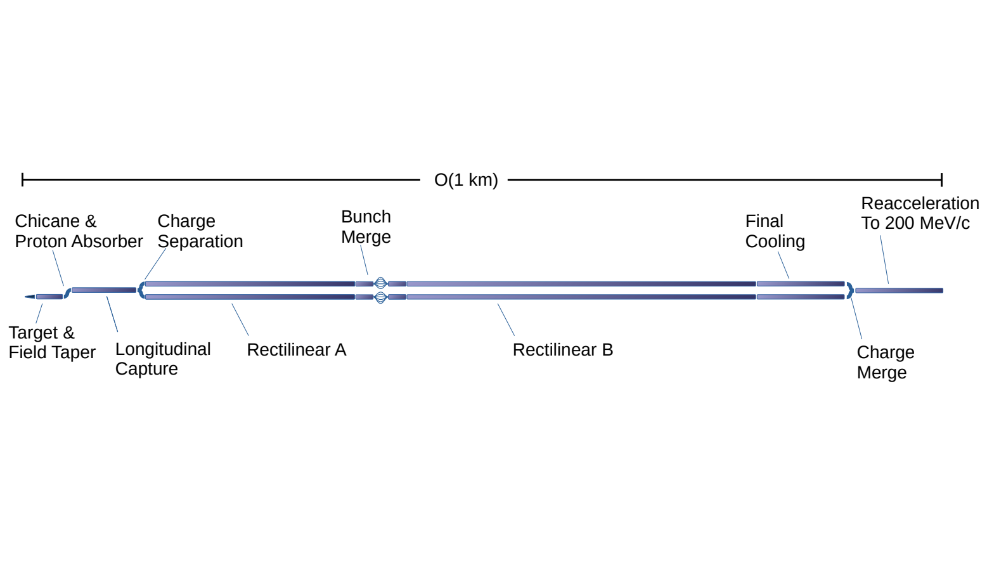
Date | 2024-05-16
Name | Chris Rogers
Description of the longitudinal capture and charge separation system

RF Capture
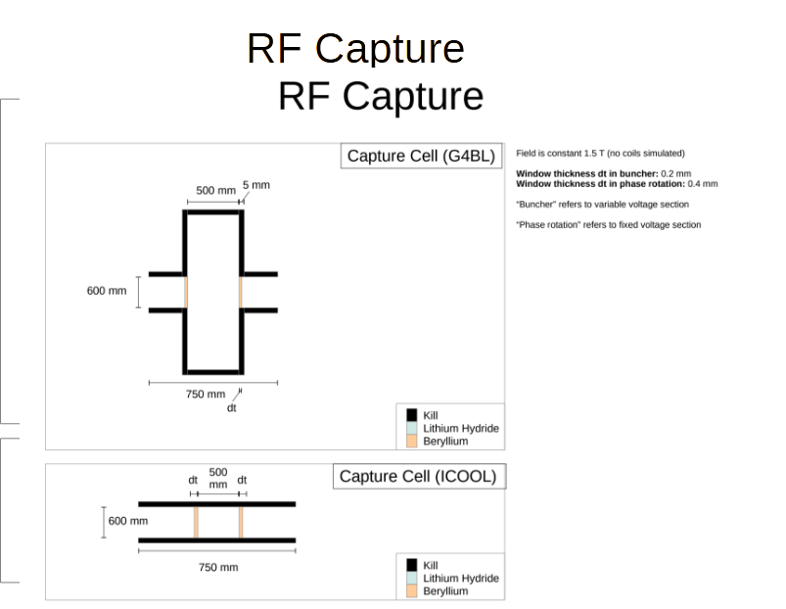
RF Capture
Cell | F [GHz] | V [MV/m] | Cell | F [GHz] | V [MV/m] | Cell | F [GHz] | V [MV/m] | Cell | F [GHz] | V [MV/m] | Cell | F [GHz] | V [MV/m] | Cell | F [GHz] | V [MV/m]
1 | 0.35892 | 0.178 | 17 | 0.30663 | 4.542 | 33 | 0.25516 | 8.906 | 49 | 0.22487 | 13 | 65 | 0.2101 | 13 | 81 | 0.20303 | 13
2 | 0.35892 | 0.451 | 18 | 0.29665 | 4.815 | 34 | 0.25516 | 9.178 | 50 | 0.22487 | 13 | 66 | 0.20827 | 13 | 82 | 0.20303 | 13
3 | 0.35892 | 0.724 | 19 | 0.29665 | 5.087 | 35 | 0.25516 | 9.451 | 51 | 0.22206 | 13 | 67 | 0.20827 | 13 | 83 | 0.20303 | 13
4 | 0.35892 | 0.996 | 20 | 0.29665 | 5.36 | 36 | 0.24821 | 9.724 | 52 | 0.22206 | 13 | 68 | 0.20827 | 13 | 84 | 0.20257 | 13
5 | 0.35892 | 1.269 | 21 | 0.28731 | 5.633 | 37 | 0.24821 | 9.996 | 53 | 0.2195 | 13 | 69 | 0.20675 | 13 | 85 | 0.20257 | 13
6 | 0.34102 | 1.542 | 22 | 0.28731 | 5.906 | 38 | 0.24821 | 10.269 | 54 | 0.2195 | 13 | 70 | 0.20675 | 13 | 86 | 0.20257 | 13
7 | 0.34102 | 1.815 | 23 | 0.28731 | 6.178 | 39 | 0.24163 | 10.542 | 55 | 0.21731 | 13 | 71 | 0.20675 | 13 | 87 | 0.20228 | 13
8 | 0.34102 | 2.087 | 24 | 0.27853 | 6.451 | 40 | 0.24163 | 10.851 | 56 | 0.21731 | 13 | 72 | 0.20549 | 13 | 88 | 0.20228 | 13
9 | 0.32873 | 2.36 | 25 | 0.27853 | 6.724 | 41 | 0.24163 | 11.087 | 57 | 0.21482 | 13 | 73 | 0.20549 | 13 | 89 | 0.20228 | 13
10 | 0.32873 | 2.633 | 26 | 0.27853 | 6.996 | 42 | 0.2354 | 11.36 | 58 | 0.21482 | 13 | 74 | 0.20549 | 13 | 90 | 0.20213 | 13
11 | 0.32873 | 2.906 | 27 | 0.27028 | 7.269 | 43 | 0.2354 | 11.633 | 59 | 0.21482 | 13 | 75 | 0.20447 | 13 | 91 | 0.20213 | 13
12 | 0.31727 | 3.178 | 28 | 0.27028 | 7.542 | 44 | 0.2354 | 11.905 | 60 | 0.21226 | 13 | 76 | 0.20447 | 13 | 92 | 0.20213 | 13
13 | 0.31727 | 3.451 | 29 | 0.27028 | 7.851 | 45 | 0.23155 | 13 | 61 | 0.21226 | 13 | 77 | 0.20447 | 13
14 | 0.31727 | 3.724 | 30 | 0.2625 | 8.087 | 46 | 0.23155 | 13 | 62 | 0.21226 | 13 | 78 | 0.20365 | 13
15 | 0.30663 | 4.269 | 31 | 0.2625 | 8.36 | 47 | 0.22801 | 13 | 63 | 0.2101 | 13 | 79 | 0.20365 | 13
16 | 0.30663 | 4.269 | 32 | 0.2625 | 8.633 | 48 | 0.22801 | 13 | 64 | 0.2101 | 13 | 80 | 0.20365 | 13

Reference: | PRSTAB 16 040104 Muon front end for the neutrino factory (2013)

Charge Separation
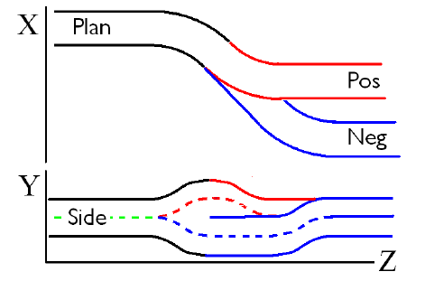
Reference: | Proc. PAC2011 MOP001 Charge Separation for Muon Collider Cooling

Solenoid Field strength [T] | Radius of curvature [m] | Length [m] | Pipe Radius [m]
Combined Line
1.9 | 12.4 | 2.2 | 0.3
1.9 | 6.2 | 0.8 | 0.3
1.9 | 12.4 | 2.2 | 0.3
Positive Line
1.9 | 12.4 | 2.2 | 0.3
1.9 | 6.2 | 0.8 | 0.3
1.9 | 12.4 | 2.2 | 0.3
Negative Line
1.9 | 0 | 4.4 | 0.3
1.9 | 12.4 | 2.2 | 0.3
1.9 | 6.2 | 0.8 | 0.3
1.9 | 12.4 | 2.2 | 0.3

