Sheet1
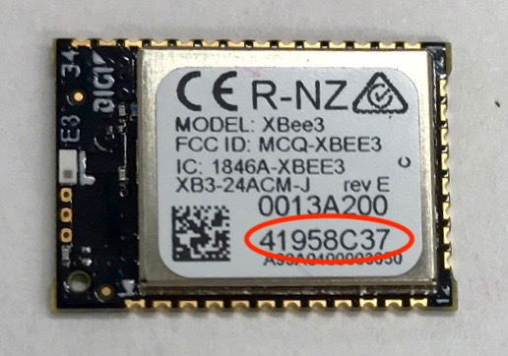
node ID | device address (MY) | Serial No. | PAN ID | Coordinator Enable (CE) | API Mode (AP) | Destination Low Address (DL) | Serial No.
BASE | 0 | 41958C3B | 1984 | 1 | API w/esacpes (2) | FFFF (default is broadcast) | 41958C3B
smart1 | 1 | 41958CDB | 1984 | 0 | Transparent (0) | 0 | 41958CDB
smart2 | 2 | 41958C75 | 1984 | 0 | Transparent (0) | 0 | 41958C75
smart3 | 3 | 4195884A | 1984 | 0 | Transparent (0) | 0 | 4195884A
smart4 | 4 | 41958C55 | 1984 | 0 | Transparent (0) | 0 | 41958C55
smart5 | 5 | 4195890F | 1984 | 0 | Transparent (0) | 0 | 4195890F
smart6 | 6 | 41958C37 | 1984 | 0 | Transparent (0) | 0 | 41958C37
smart7 | 7 | 41958C7F | 1984 | 0 | Transparent (0) | 0 | 41958C7F

 | Serial number circled below

